Sheet1
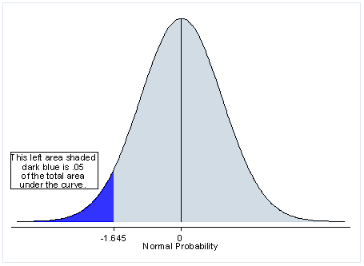
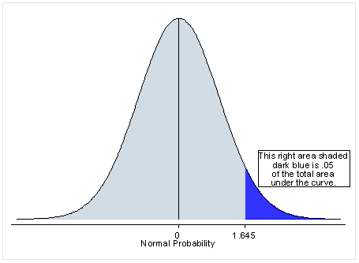

T.DIST | Left

T.DIST.2T | Two tailed

T.DIST.RT | Right

T.INV | Left

T.INV.2T | Two tailed

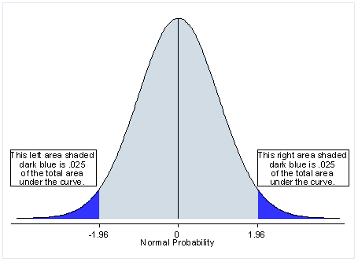
NORM.DIST | Left

NORM.INV | Left

NORM.S.DIST | Left

NORM.S.INV | Left

DIST GIVES PROBABILTITY AS OUTPUT.
INV TAKES PROBABILITY AND GIVES T OR Z VALUE AS OUTPUT.

