Usability Strenghts
Description | Image | Location
Like the settings and advanced option | 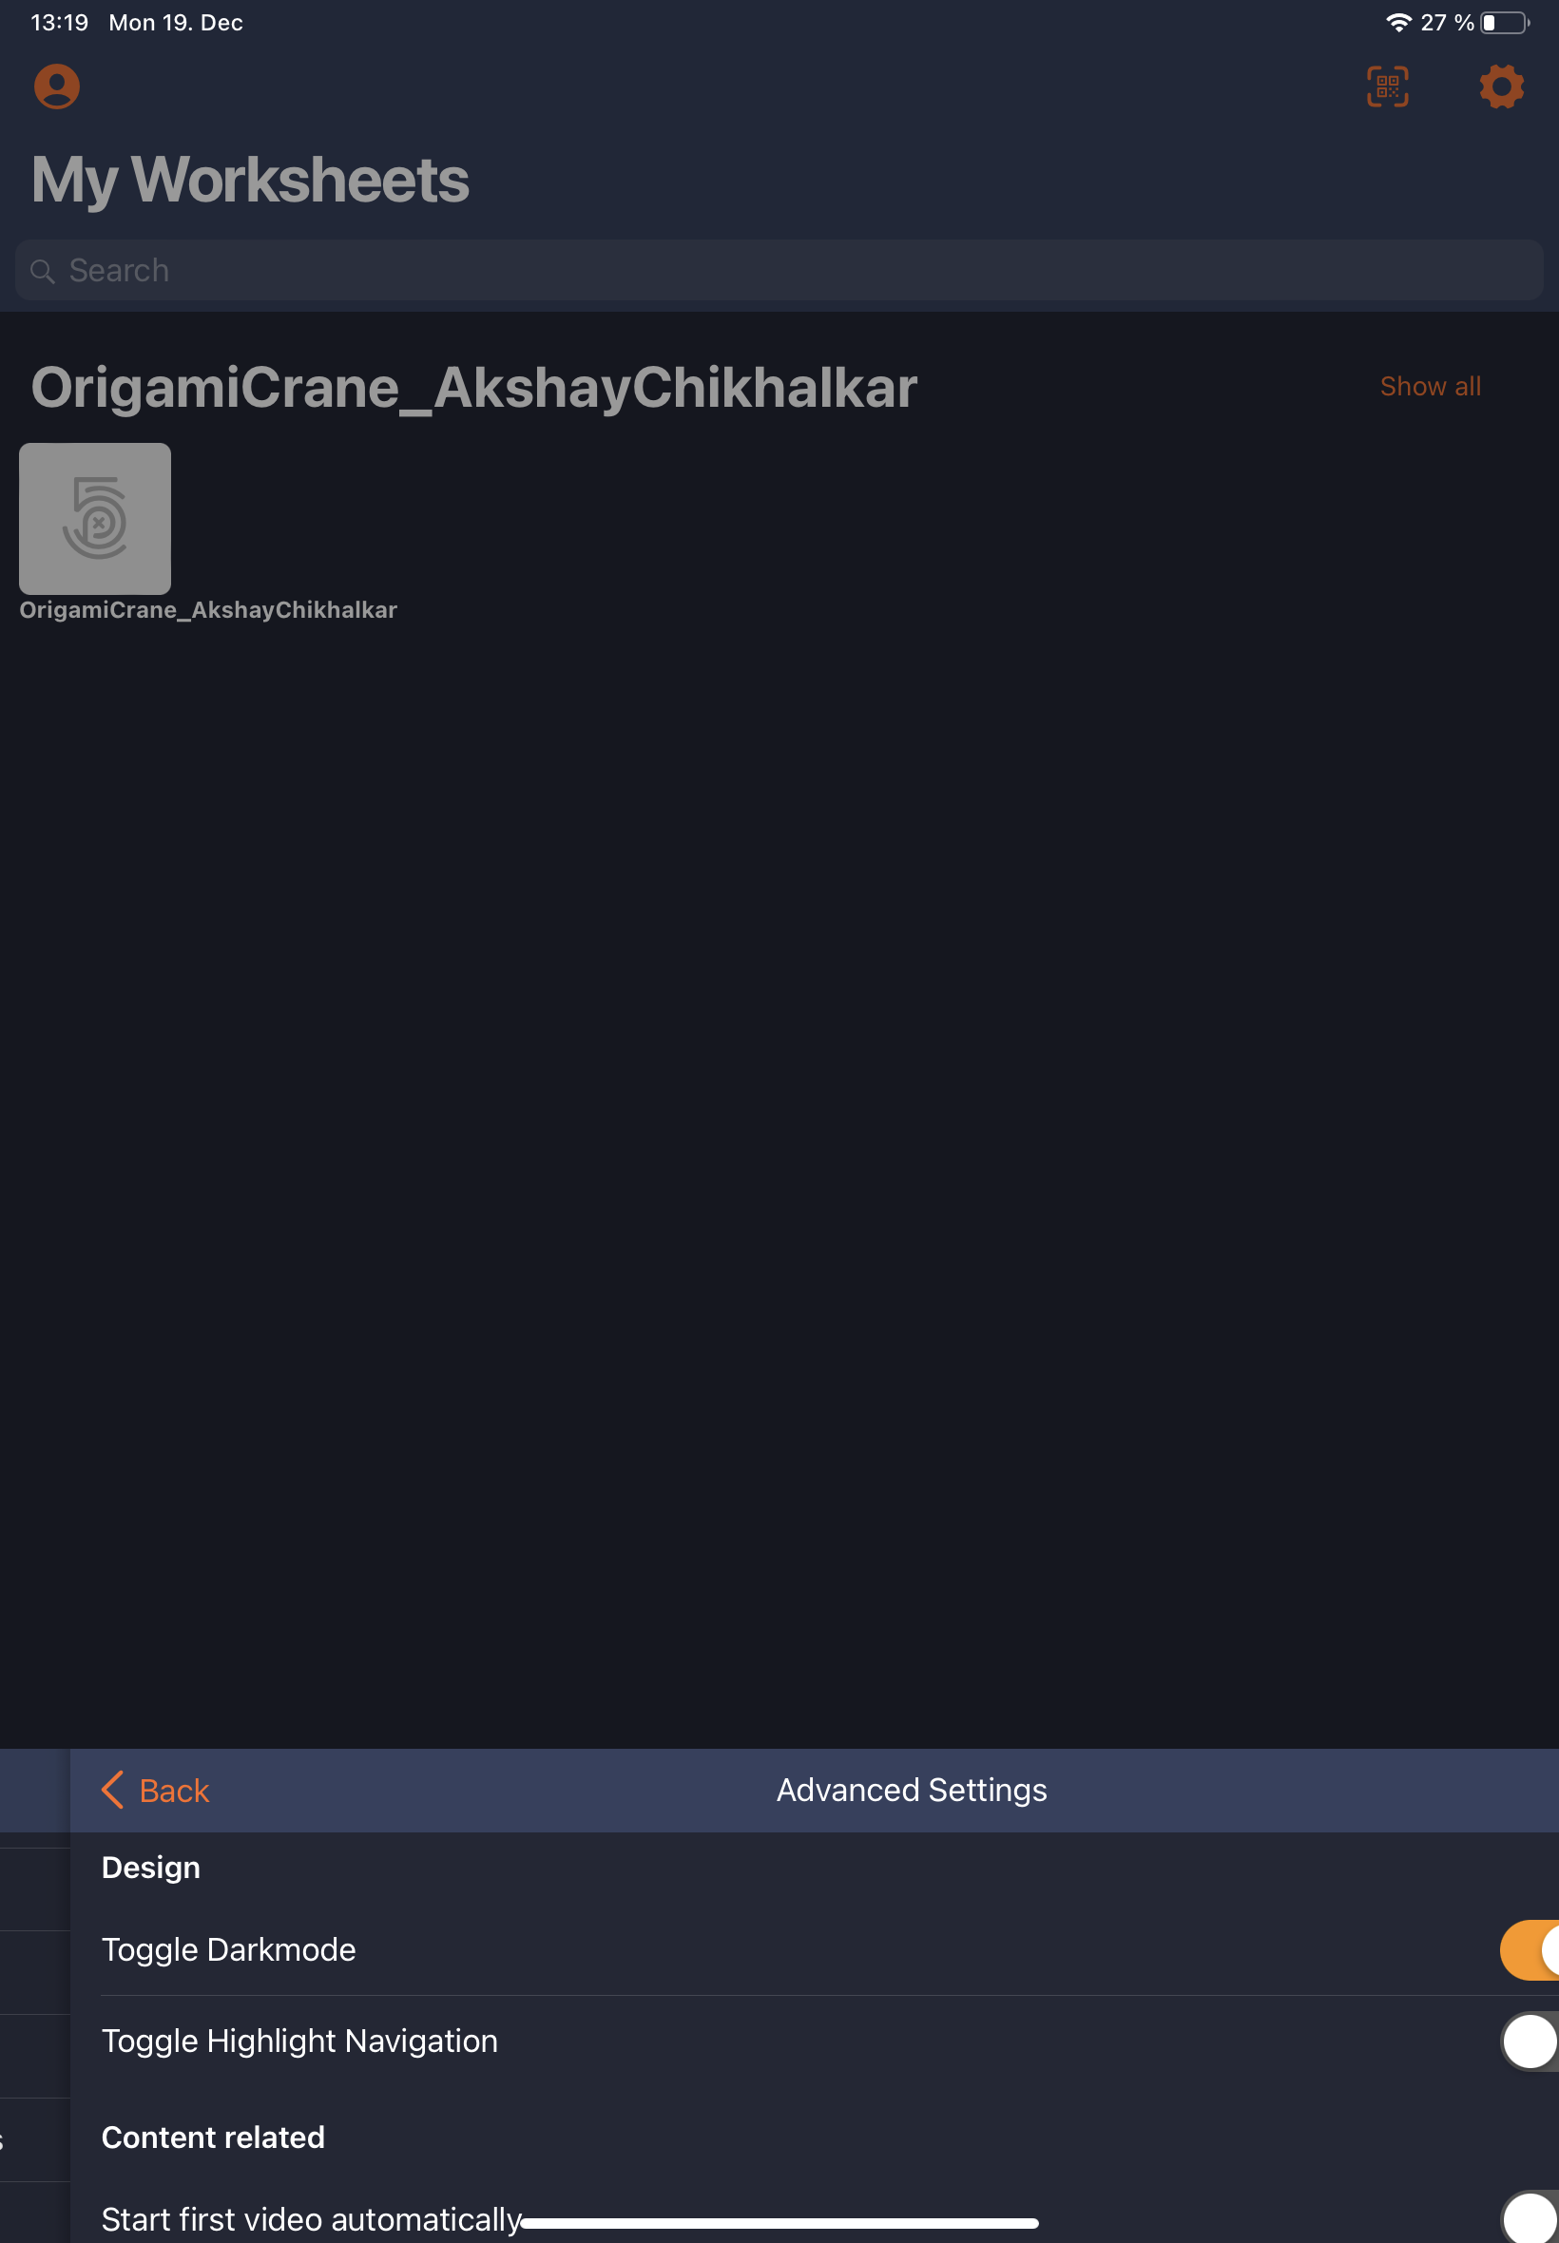 | Settings

Usability Problems
Description | Image | Location | Violation | Severity Rating | Recommendation | Example for best practices
Unable to see complete name of the Project or solution | 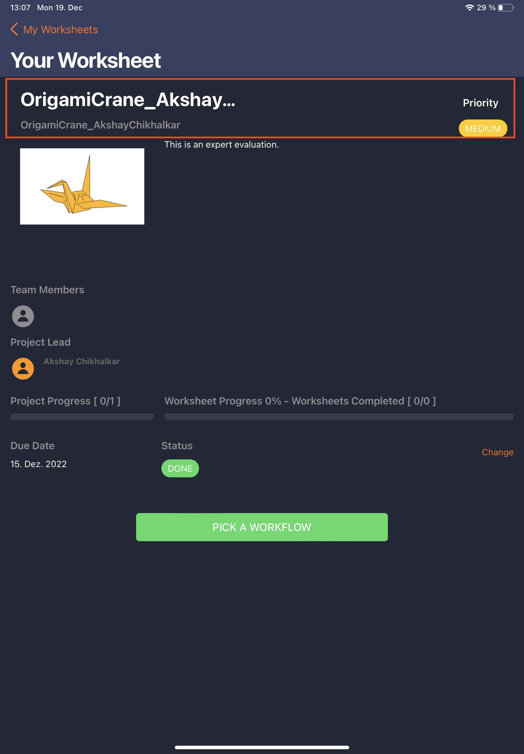 | Your worksheet | Heuristic 1: Visibility of System Status | Medium | Should see the name at least till end of space | Twitter
Need to login for each new session. | 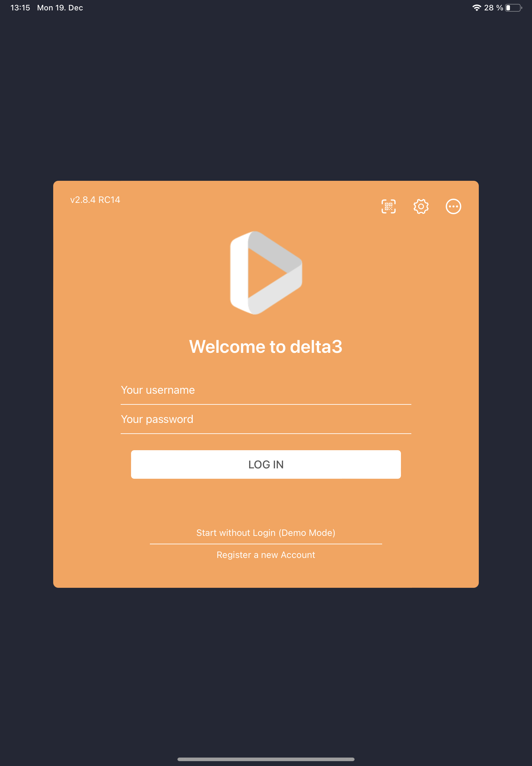 | Login | Heuristic 7: Flexibility and Efficiency of Use | Low | Would like to see auto login | Twitter
Unable to understand project progress and worksheet progress. | 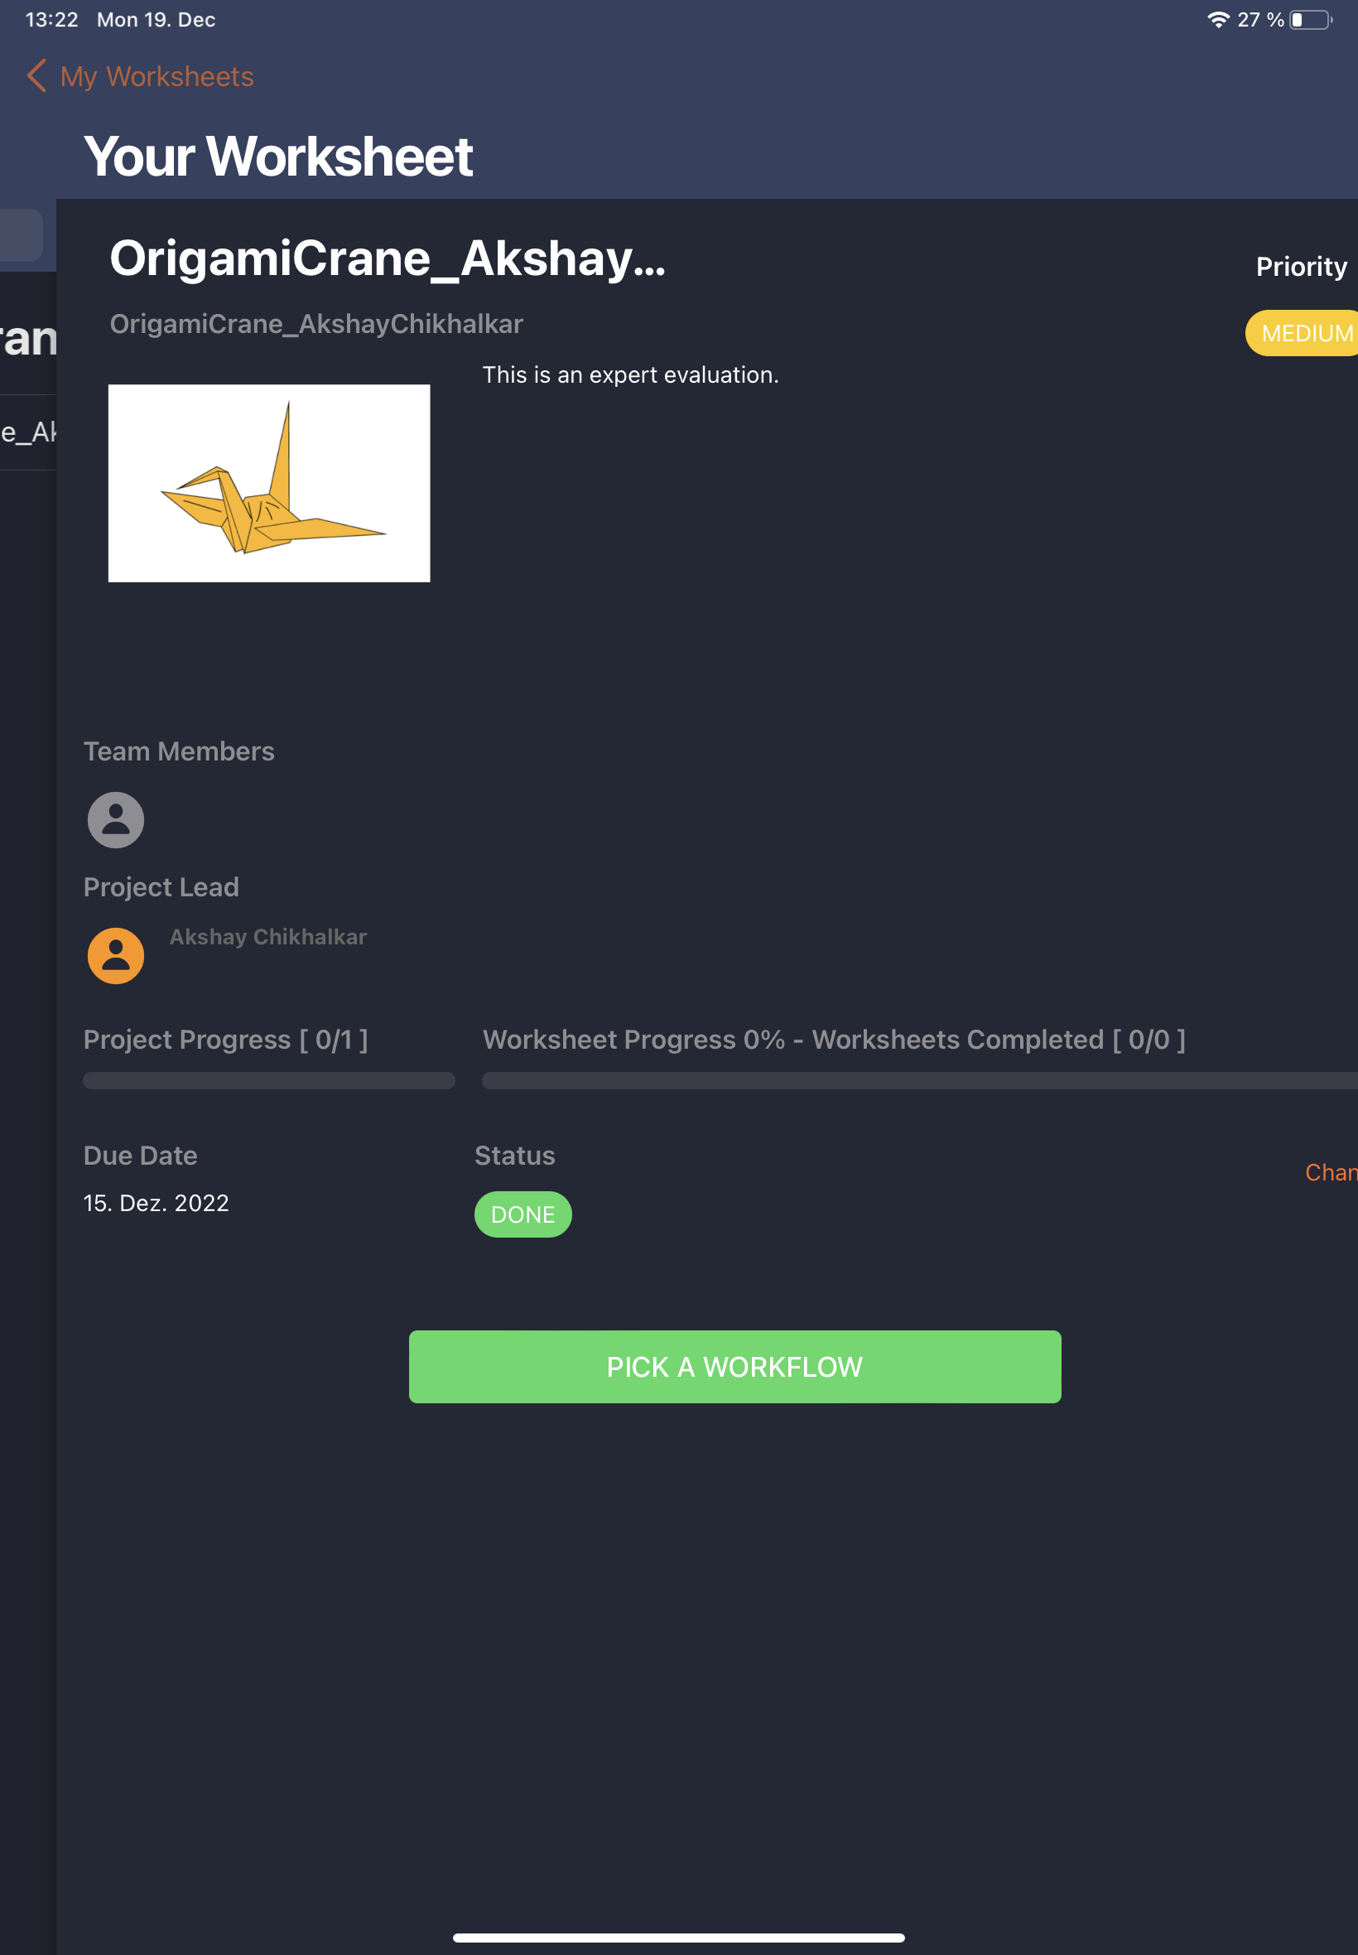 | Your worksheet | Heuristic 10: Help & Documentation | Low | Like to have steps for player | Twitter
Unable to see text in dark mode | 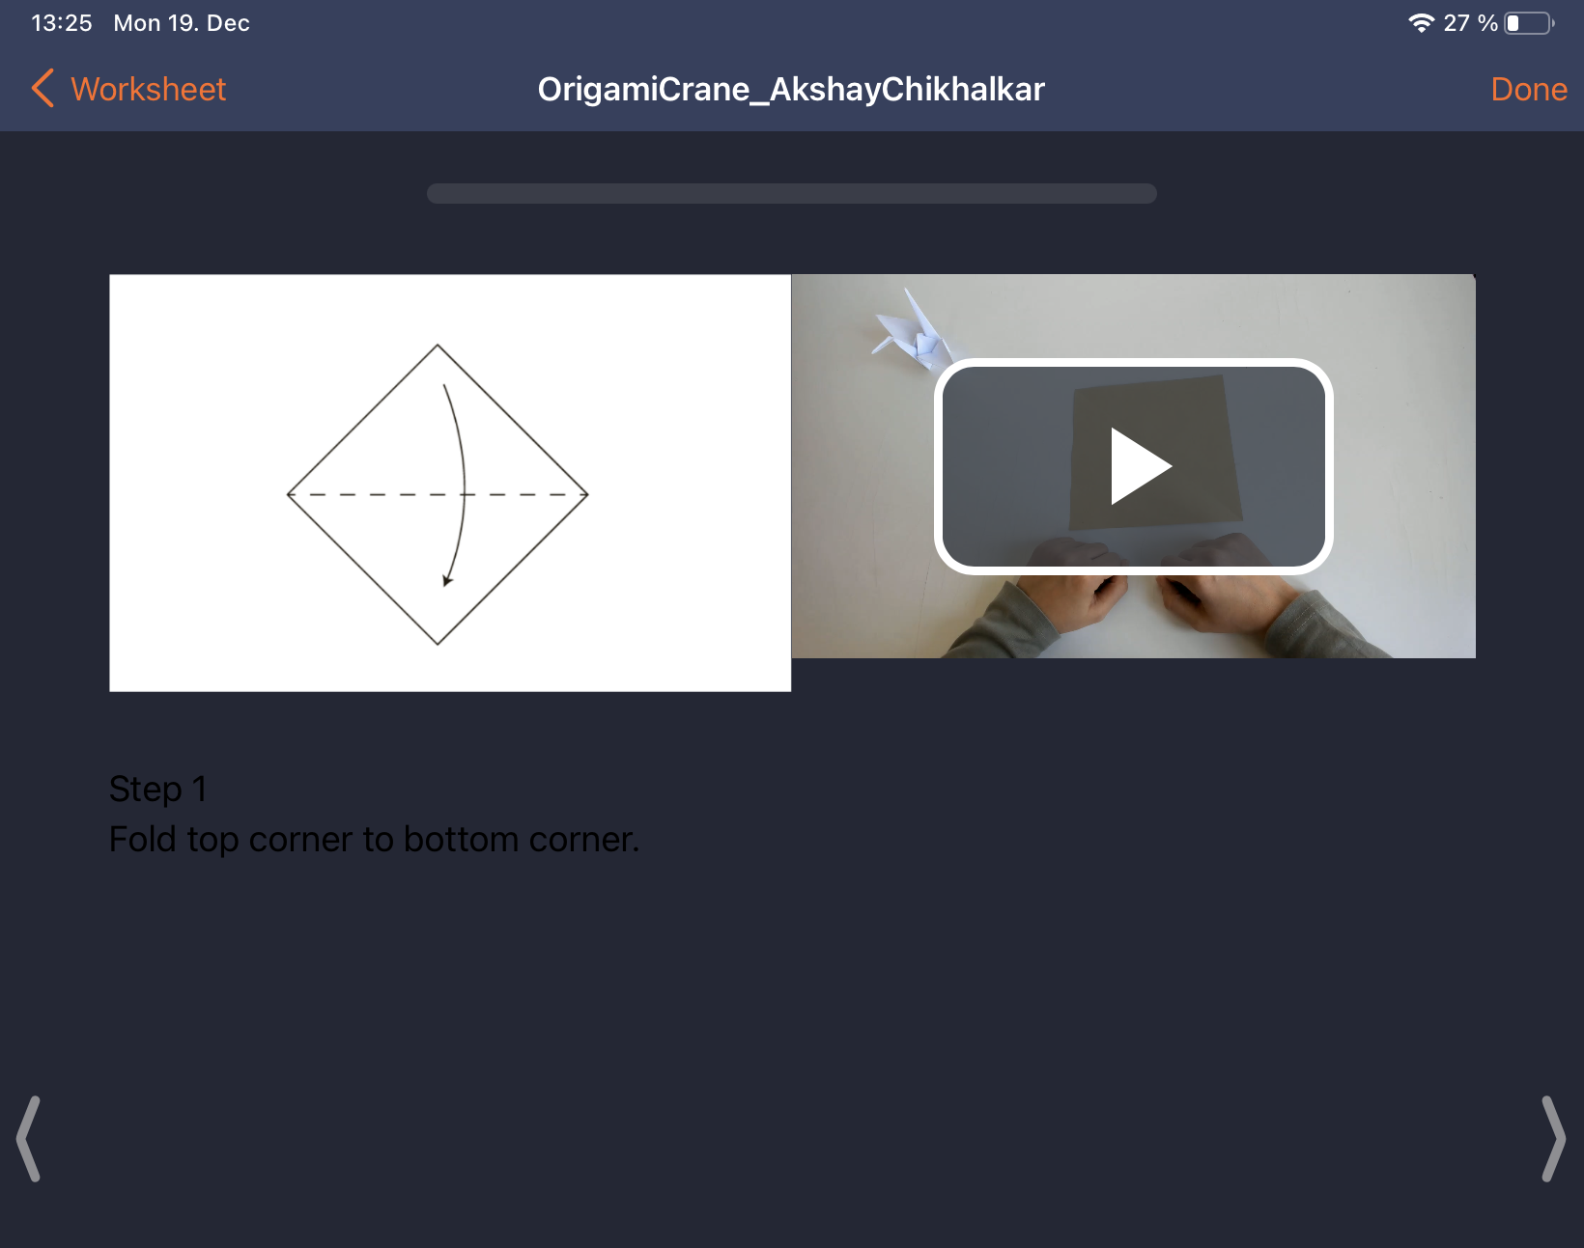 | Worksheet | Heuristic 1: Visibility of System Status | High | Change text color to light color in dark mode | Twitter

