BUG_REPORT
FRESHDAYKART.COM
Version no.:os:windows, browser:chrome |  |  |  |  | Tested by: Akshay Dev
Verified by: |  |  |  |  | Date : 22/04/24
BUG_ID | TESTCASE_ID | BUG DESCRIPTION | STEPS TO REPRODUCE | SCREENSHOT | SEVERITY | PRIORITY | STATUS
bg_fk_01 | fk_hm_03 | on clicking emailid it is not redirecting | 1.open the page https://freshdaykart.com/ 2. select the email id on top of the home page. |  | blocker | l3 | new
bg_fk_02 | fk_hm_09 | when departments are selected it is not highlighted. | 1.open the page https://freshdaykart.com/ 2. select the departments. |  | trivial | l4 | new
bg_fk_03 | fk_hm_18 | pop-up offers on selecting is not redirecting. | 1.open the page https://freshdaykart.com/ 2. select pop-up offers. |  | major | l2 | new
bg_fk_04 | fk_hm_20 | weekly specials on selecting is not redirecting. | 1.open the page https://freshdaykart.com/ 2. select weekly specials. |  | major | l2 | new
bg_fk_05 | fk_hm_22 | daily specials on selecting is not redirecting. | 1.open the page https://freshdaykart.com/ 2. select daily specials. |  | major | l2 | new
bg_fk_06 | fk_hm_23 | quotes given for fruits & vegetables are same. | 1.open the page https://freshdaykart.com/ 2. check quotes of vegetables & fruits. |  | trivial | l4 | new
bg_fk_07 | fk_hm_29 | on selecting 'get it on google play' the page is not redirecting. | 1.open the page https://freshdaykart.com/ 2. select 'get it on google play'. |  | major | l2 | new
bg_fk_08 | fk_rp_10 | email field is accepting invalid emailid. | 1. open the page https://freshdaykart.com/ 2.select register. 3.select email. |  | critical | l1 | new
bg_fk_09 | fk_rp_11 | email field accepting two @ characters. | 1. open the page https://freshdaykart.com/ 2.select register. 3.select email. |  | critical | l1 | new
bg_fk_10 | fk_rp_12 | emailid starting with dot (.) is accepted. | 1. open the page https://freshdaykart.com/ 2.select register. 3.select email. |  | critical | l1 | new
bg_fk_11 | fk_rp_13 | email field accepts just numericals without domain | 1. open the page https://freshdaykart.com/ 2.select register. 3.select email. |  | critical | l1 | new
bg_fk_12 | fk_rp_15 | phone field is accepting alphabets. | 1. open the page https://freshdaykart.com/ 2.select register. 3.select enter phone. |  | critical | l1 | new
bg_fk_13 | fk_rp_16 | phone field is accepting special characters. | 1. open the page https://freshdaykart.com/ 2.select register. 3.select enter phone. |  | critical | l1 | new
bg_fk_14 | fk_rp_17 | phone field is accepting single digit number. | 1. open the page https://freshdaykart.com/ 2.select register. 3.select enter phone. |  | critical | l1 | new
bg_fk_15 | fk_rp_19 | phone field is accepting large numbers more than 29. | 1. open the page https://freshdaykart.com/ 2.select register. 3.select enter phone. |  | critical | l1 | new
bg_fk_16 | fk_rp_22 | password field is accepting just single numericals or characters. | 1. open the page https://freshdaykart.com/ 2.select register. 3.select password. |  | critical | l1 | new
bg_fk_17 | fk_rp_29 | home/flat field can be left blank. | 1. open the page https://freshdaykart.com/ 2.select register. 3.select register at bottom. 4. select add address. 5.select house/flat name. | 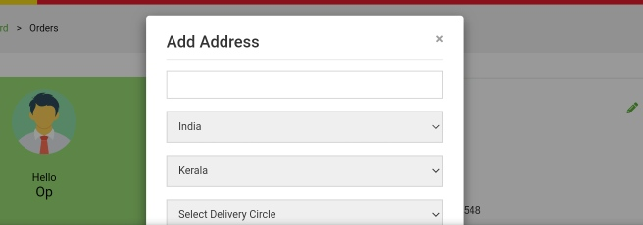 | critical | l1 | new
bg_fk_18 | fk_rp_36 | city field can be left blank | 1. open the page https://freshdaykart.com/ 2.select register. 3.select register at bottom. 4. select add address. 5.select city. | 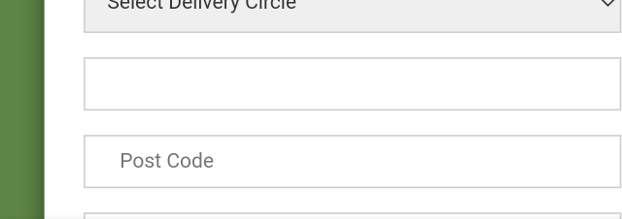 | critical | l1 | new
bg_fk_19 | fk_rp_40 | post code field is accepting alphabets. | 1. open the page https://freshdaykart.com/ 2.select register. 3.select register at bottom. 4. select add address. 5.select postcode. | 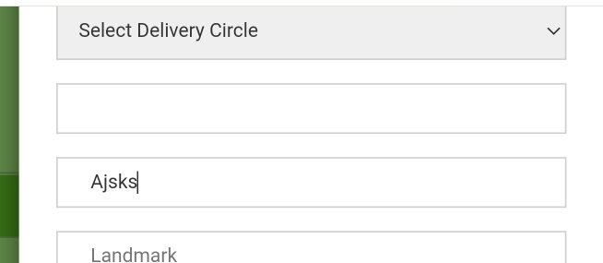 | critical | l1 | new
bg_fk_20 | fk_rp_41 | post code field is accepting large numbers. | 1. open the page https://freshdaykart.com/ 2.select register. 3.select register at bottom. 4. select add address. 5.select postcode. | 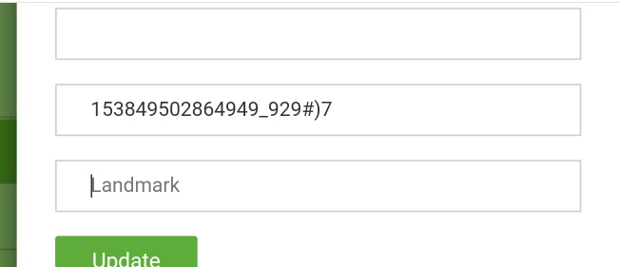 | critical | l1 | new
bg_fk_21 | fk_rp_43 | landmark field can be left blank. | 1. open the page https://freshdaykart.com/ 2.select register. 3.select register at bottom. 4. select add address. 5.select landmark. | 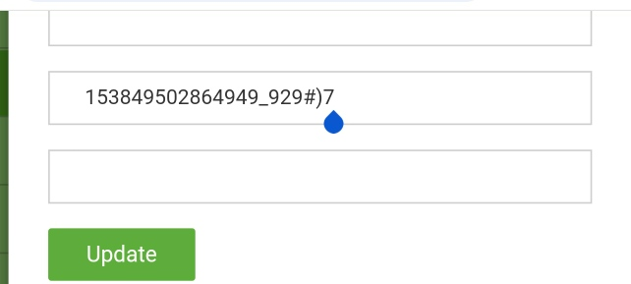 | critical | l1 | new
bg_fk_22 | fk_rp_46 | home button is not available in the registration page. | 1. open the page https://freshdaykart.com/ 2.select register. |  | major | l2 | new
bg_fk_23 | fk_ln_04 | on clicking home it is not redirecting. | 1.open the site https://freshdaykart.com/login 2.select login. 3.select homepage button. |  | major | l2 | new
bg_fk_24 | fk_ln_08 | email/mobile field is accepting just single numerical or character. | 1.open the site https://freshdaykart.com/login 2.select login. 3.select email or mobile field. | 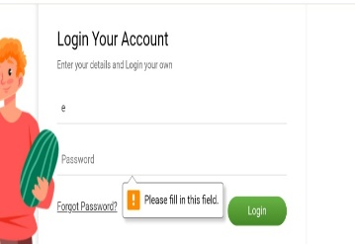 | critical | l1 | new
bg_fk_25 | fk_ln_09 | email/mobile field is accepting emailid with two @ characters. | 1.open the site https://freshdaykart.com/login 2.select login. 3.select email or mobile field. |  | critical | l1 | new
bg_fk_26 | fk_ln_11 | email/mobile field is accepting large numbers. | 1.open the site https://freshdaykart.com/login 2.select login. 3.select email or mobile field. | 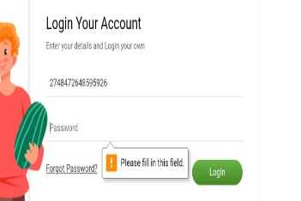 | critical | l1 | new
bg_fk_27 | fk_ln_16 | registered emailid is not accepted in the forgot password field. | 1.open the site https://freshdaykart.com/login 2.select login. 3.select forgot password. 4. enter the registered emailid. |  | critical | l1 | new
bg_fk_28 | fk_ln_18 | when wrong password with correct emailid is entered an incorrect error message is shown. | 1.open the site https://freshdaykart.com/login 2.select login. 3.enter password. 4. enter the emailid. | 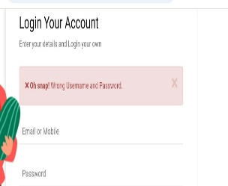 | minor | l3 | new
bg_fk_29 | fk_ln_19 | when correct password with wrong emailid is entered an incorrect error message is shown. | 1.open the site https://freshdaykart.com/login 2.select login. 3.enter password. 4. enter the emailid. |  | minor | l3 | new
bg_fk_30 | fk_cp_05 | changing quantity in main page doesn't change quantity in the cart. | 1. open site https://freshdaykart.com/ 2. click on add. 3. select quantity. 4.check change in quantity in cart. |  | critical | l1 | new
bg_fk_31 | fk_cp_08 | user cannot add large quantity of products. | 1. open site https://freshdaykart.com/ 2. click on add. 3. select quantity. |  | minor | l3 | new
bg_fk_32 | fk_cp_15 | when cart is empty error message is not shown when proceed to checkout is clicked. | 1. open site https://freshdaykart.com/ 2. select product. 3. select empty cart. 4. select proceed to checkout. |  | minor | l3 | new
bg_fk_33 | fk_cp_21 | different payment methods are not available. | 1. open site https://freshdaykart.com/ 2. select product. 3. select cart. 4.select proceed to checkout. 5. select continue. 6. check for payment method. | 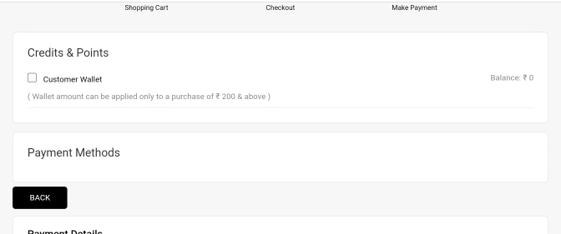 | blocker | l1 | new
bg_fk_34 | fk_cp_23 | wallet is not accepting the entered values. | 1. open site https://freshdaykart.com/ 2. select product. 3. select cart. 4.select proceed to checkout. 5. select continue. 6. click wallet. | 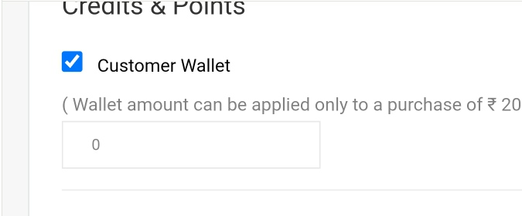 | critical | l1 | new
bg_fk_35 | fk_cp_30 | delivery time cannot be customised. | 1. open site https://freshdaykart.com/ 2. select product. 3. select cart. 4.select proceed to checkout. 5. select continue. 6.select delivery time. |  | major | l3 | new
bg_fk_36 | fk_cp_33 | cart page is not loaded when cancel is clicked. | 1. open site https://freshdaykart.com/ 2. select product. 3. select cart. 4.select proceed to checkout. 5. select continue. 6.select cancel. |  | major | l2 | new
bg_01 |  | the splash screen can be made more intersting. | 1. open site https://freshdaykart.com/ |  | enhancement | l4 | new
bg_02 |  | a chat bot can help better user experience. | 1. open site https://freshdaykart.com/ |  | enhancement | l4 | new

DEFECT DISTRIBUTION GRAPH
DEFECT DITRIBUTION GRAPH
MODULE NAME | DEFECT DISTRIBUTION
Home Page | 7
Registration Page | 15
Login Page | 8
Cart & Payment | 7
DEFECT DISTRIBUTION

