Business Moments
Python EDA (Before Imputation)
 |  | 1st Moment |  |  |  | 2nd Moment |  |  |  |  |  | 3rd Moment | 4th Moment
S.No. | Column Name | Mean | Median | Mode | Statistical Insights based on 1st Moment | Variance | Std Deviation | Max | Min | Range | Statistical Insights based on 2nd Moment | Skewness | Kurtosis | Statistical Insights based on 3rd & 4th Moment | Histogram | Box plot
1 | Material | 31023006.14 | 31026971 | 31033204 | The average value for Material is 31,023,006.14, which is relatively high. However, the median of 31,026,971 is very close to the mean, suggesting that the values are symmetrically distributed around this point. The mode of 31,033,204 indicates that this value is the most frequent, suggesting some consistency in material numbers. | 9031075430.68 | 95031.97 | 31082100 | 30000009 | 1082091 | This column exhibits a wide range of 1,082,091 and a standard deviation of 95,031.97, indicating significant variability in material values. Such a large spread could reflect diverse material classifications or types. | -9.97 | 104.54 | Skewness of -9.97 indicates a highly negative skew, suggesting that the majority of material values are concentrated at the higher end with significant outliers at the lower end. Kurtosis of 104.54 shows the distribution is highly leptokurtic, indicating the presence of many extreme values. | 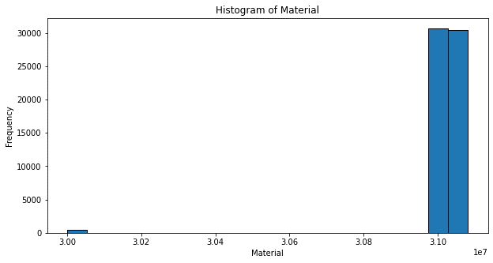 | 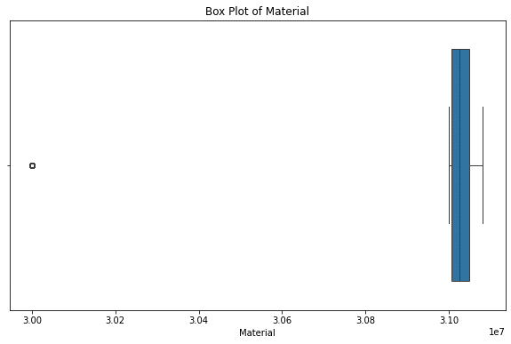 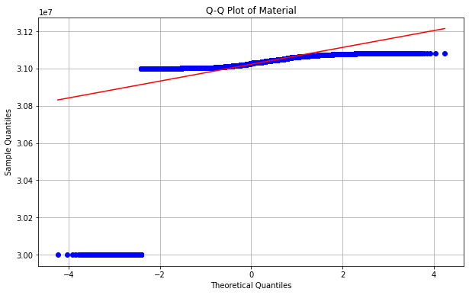 | 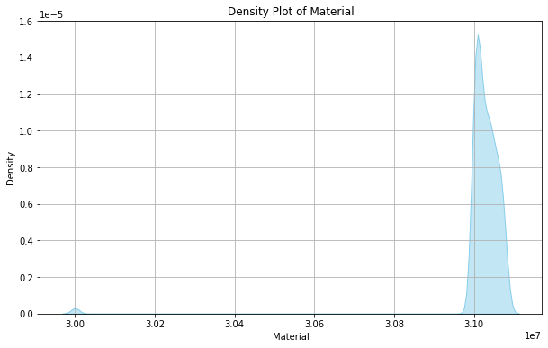
2 | Material Description | NA | NA | Furnace Oil | Since the Material Description column is categorical, the mode is Furnace Oil, which appears most frequently in the dataset. The mean and median are not applicable to categorical data. | NA | NA | NA | NA | NA | NA | NA | NA | NA
3 | Plant | 8126.88 | 8110 | 8110 | The mean value for Plant is 8126.88, and the median is 8110, which suggests that the majority of plants in this dataset have values close to the median. The mode is also 8110, reinforcing the idea that this particular plant value occurs most frequently, indicating a common or standard plant type. | 2927.20 | 54.11 | 8340 | 8110 | 230 | With a range of 230 and a standard deviation of 54.11, this column shows moderate variability, suggesting consistency in plant-related data. | 3.09 | 7.79 | Skewness of 3.09 suggests a positive skew, meaning the data leans toward lower values with a long tail at the higher end. Kurtosis of 7.79 indicates a leptokurtic distribution, showing a higher number of extreme values than a normal distribution.
4 | Storage Location | NA | NA | UTL | The Storage Location column contains categorical data, with UTL being the most frequent value (mode). The mean and median are not applicable for categorical columns. | NA | NA | NA | NA | NA | NA | NA | NA | NA
5 | Movement Type | 176.01 | 201 | 201 | The mean for Movement Type is 176.01, and the median is 201. This suggests that most of the values are higher than the mean, indicating that the majority of movement types involve higher values. The mode of 201 indicates that it is the most frequent movement type in this dataset. | 5126.04 | 71.59 | 641 | 101 | 540 | The standard deviation of 71.59 and a range of 540 point to moderate variation in movement types. This could reflect different operation or transaction types. | 0.52 | -0.57 | Skewness of 0.52 reflects a slight positive skew, indicating a minor lean toward higher values. Kurtosis of -0.57 shows a slightly platykurtic distribution, implying a flatter distribution with fewer extreme values.
6 | Material Document | 4941452826.59 | 4901743953 | 4901510945 | The mean value for Material Document is 4,941,452,826.59, which is quite high. The median of 4,901,743,953 shows a similar value, suggesting that the data is not heavily skewed. The mode of 4,901,510,945 implies that this document number appears most frequently, indicating a recurring document type. | 2354956594965020.00 | 48527895.02 | 5000508668.00 | 4900888037.00 | 99620631.00 | This column displays extremely high variability, with a range of 99,620,631 and a standard deviation of 48,527,895.02. Such values suggest a wide spread in the material document identifiers or codes. | 0.39 | -1.85 | Skewness of 0.39 shows a slight positive skew, meaning a small lean toward higher values. Kurtosis of -1.85 suggests a significantly flatter distribution than normal, with fewer extreme values. | 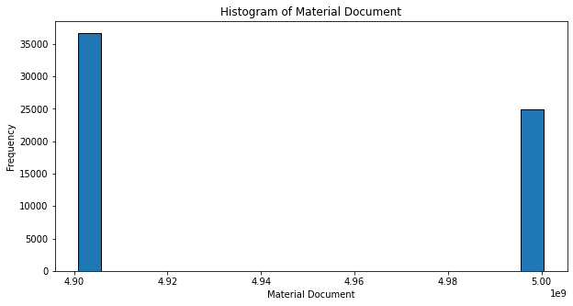
7 | Material Doc.Item | 5.94 | 2 | 1 | The mean value for Material Doc.Item is 5.94, and the median is 2. This large difference indicates that the data is right-skewed, with many items having a lower value but a few items with higher values. The mode of 1 shows the most frequent item value, suggesting that many records have a value of 1. | 342.74 | 18.52 | 488 | 1 | 487 | A range of 487 and a standard deviation of 18.52 indicate consistent yet slightly varied data. | 11.18 | 180.59 | Skewness of 11.18 indicates a highly positive skew, showing a long tail with extremely high values. Kurtosis of 180.59 reveals an extremely leptokurtic distribution, with numerous extreme outliers.
8 | Posting Date | NA | NA | 31/5/2023 | The Posting Date column has a constant value of 31/5/2023, so the mean, median, and mode all indicate this date, which likely represents a standard or reference date for these records. | NA | NA | NA | NA | NA | NA | NA | NA | NA
9 | Qty in Un. of Entry | NA | NA | -1 | The mean and median are both negative (-1), indicating that most of the entries involve negative quantities. The mode of -1 further supports this, suggesting that a majority of the records in this column reflect a consistent negative value. | NA | NA | NA | NA | NA | NA | NA | NA | NA
10 | Unit of Entry | NA | NA | No | The mode of "No" suggests that the majority of the records in this column reflect a non-entry status, with the mean and median being not applicable for this categorical column. | NA | NA | NA | NA | NA | NA | NA | NA | NA
11 | Batch | 8117232581.83 | 8114220068 | 8114210874 | The mean batch number is 8,117,232,581.83, and the median is 8,114,220,068, showing a slight variation but generally similar values. The mode of 8,114,210,874 indicates that this batch number occurs most frequently. | 693541919497623.00 | 26335184.07 | 8323230001 | 8113170016 | 210059985 | The range of 2,100,599,985 and a standard deviation of 26,335,184.07 highlight very high variation in batch numbers, which could represent a large inventory scale. | 7.66 | 56.79 | Skewness of 7.66 suggests a strong positive skew, with values heavily concentrated on the lower end and extreme high outliers. Kurtosis of 56.79 indicates a very leptokurtic distribution, reflecting the presence of many extreme values.
12 | Order | 382914327.22 | 400000048 | 400000048 | The mean for Order is 382,914,327.22, with a median of 400,000,048. This suggests that the majority of orders are slightly higher than the mean value. The mode of 400,000,048 is the most frequent order number, indicating a common order type. | 93627931414644900.00 | 305986815.76 | 8817000153 | 100000231 | 8716999922.00 | The range of 8,716,999,922 and the high standard deviation of 305,986,815.76 suggest massive diversity in order numbers or values. | 26.09 | 717.05 | Skewness of 26.09 highlights an extremely strong positive skew, with most values concentrated at the lower end and significant high outliers. Kurtosis of 717.05 suggests the data is highly leptokurtic, with a substantial number of extreme values.
13 | Reference | NA | NA | Stock transfer | Since the Reference column is categorical, the mode value is "Stock transfer", the most frequent reference type. The mean and median are not applicable. | NA | NA | NA | NA | NA | NA | NA | NA | NA
14 | Movement Type Text | NA | NA | GI for cost center | The Movement Type Text column is also categorical, with the mode of "GI for cost center" being the most frequent text. The mean and median are not applicable. | NA | NA | NA | NA | NA | NA | NA | NA | NA
15 | Counter | 0 | 0 | 0 | Both the mean and median values for Counter are 0, and the mode is also 0. This indicates that for most of the records, the counter value is 0, showing no movement or operation. | 0.00 | 0 | 0 | 0 | 0 | 0 | 0 | 0 | 0
16 | Routing number for operations | 0 | 0 | 0 | The mean, median, and mode for the Routing number for operations are all 0, indicating that there are no routing operations in the data. | 0.00 | 0 | 0 | 0 | 0 | 0 | 0 | 0 | 0
17 | Document Date | NA | NA | 31/5/2023 | The mean, median, and mode for Document Date all indicate 31/5/2023, suggesting that this is the reference date for the records. | NA | NA | NA | NA | NA | NA | NA | NA | NA
18 | Qty in OPUn | NA | NA | 0 | The mean, median, and mode for Qty in OPUn are all 0, indicating that this column reflects no quantity for most of the records. | NA | NA | NA | NA | NA | NA | NA | NA | NA
19 | Order Price Unit | NA | NA | NO | The column is categorical, with "NO" as the most frequent value (mode). The mean and median are not applicable. | NA | NA | NA | NA | NA | NA | NA | NA | NA
20 | Order Unit | NA | NA | NO | Similarly, the mode is "NO," indicating that this is the most common value. The mean and median are not applicable. | NA | NA | NA | NA | NA | NA | NA | NA | NA
21 | Qty in order unit | NA | NA | 0 | The mean, median, and mode are all 0, indicating that no quantities are specified in the majority of records. | NA | NA | NA | NA | NA | NA | NA | NA | NA
22 | Company Code | 1000.00 | 1000 | 1000 | The mean, median, and mode values for the Company Code are all 1000, indicating that this code is consistent across all records. | 0 | 0 | 1000 | 1000 | 0 | 0 | 0 | 0 | 0
23 | Entry Date | NA | NA | 31/5/2023 | The Entry Date column has a single date value, 31/5/2023, making it consistent across the dataset. The mean, median, and mode all point to this date. | NA | NA | NA | NA | NA | NA | NA | NA | NA
24 | Time of Entry | NA | NA | 17:14:01 | The Time of Entry has a single time value of 5:14:01 PM, which is constant across the dataset. | NA | NA | NA | NA | NA | NA | NA | NA | NA
25 | Amount in LC | NA | NA | 0 | The mean, median, and mode are all 0, indicating that there are no local currency amounts specified. | NA | NA | NA | NA | NA | NA | NA | NA | NA | 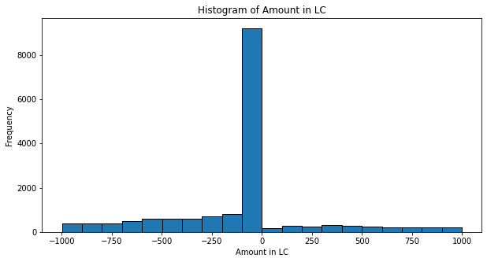
26 | Purchase Order | 4421517531.14 | 4400064373 | 4700003173 | The mean value for Purchase Order is 4,421,517,531.14, and the median is 4,400,064,373. The mode of 4,700,003,173 represents the most frequently occurring purchase order, suggesting some variability in the data. | 6271199783968330.00 | 79190907.21 | 5100001751 | 4300002406 | 799999345 | A wide range of 799,999,345 and a standard deviation of 79,190,907.21 indicate substantial variation in purchase order values. | 3.29 | 9.67 | Skewness of 3.29 suggests a moderately positive skew, with a tail leaning toward higher values. Kurtosis of 9.67 shows the distribution is leptokurtic, indicating a higher concentration of extreme values.
27 | Item | 20.26 | 0 | 0 | The mean value for Item is 20.26, while the median and mode are both 0. This suggests that a few items have non-zero values, but the majority are zero. | 3201.37 | 56.58 | 1150 | 0 | 1150 | The range is between 1150 to 0. | 7.17 | 80.59 | Skewness of 7.17 indicates a strong positive skew, with data leaning toward lower values and a tail extending toward high values. Kurtosis of 80.59 reveals a leptokurtic distribution, with a significant number of outliers.
28 | Ext. Amount in Local Currency | 0 | 0 | 0 | The mean, median, and mode are all 0, indicating no external amounts specified in the dataset. | 0.00 | 0 | 0 | 0 | 0 | 0 | 0 | 0 | 0
29 | Sales Value | 0 | 0 | 0 | Similarly, the mean, median, and mode are all 0, showing no sales values recorded. | 0.00 | 0 | 0 | 0 | 0 | 0 | 0 | 0 | 0
30 | Reason for Movement | 0 | 0 | 0 | The mean, median, and mode are all 0, indicating a lack of recorded movement reasons. | 0.01 | 0.01 | 2 | 0 | 2 | The range is between 2 to 0. | 199.74 | 41864.09 | Skewness of 199.74 indicates an extremely strong positive skew, with almost all values clustered at the lower end and very high outliers. Kurtosis of 41,864.09 suggests an extraordinarily leptokurtic distribution with numerous extreme outliers. | 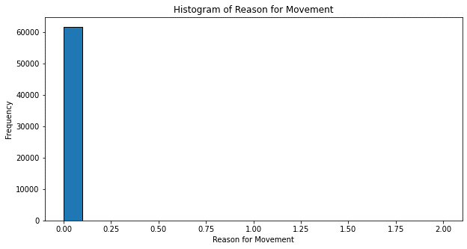
31 | Sales Order Schedule | 0 | 0 | 0 | The mean, median, and mode are all 0, suggesting no scheduled sales orders. | 0.00 | 0 | 0 | 0 | 0 | 0 | 0 | 0 | 0
32 | Sales Order Item | 0 | 0 | 0 | The mean, median, and mode are all 0, indicating that sales order items are not specified. | 0.00 | 0 | 0 | 0 | 0 | 0 | 0 | 0 | 0
33 | Cost Center | 81198716.84 | 81101504 | 81101506 | The mean value for Cost Center is 81,198,716.84, while the median is 81,101,504. The mode of 81,101,506 represents the most frequently occurring cost center, showing consistent values close to the mean. | 181275974187.41 | 425765.17 | 90012101 | 81101101 | 8911000 | With a range of 8,911,000 and a standard deviation of 425,765.17, this column shows moderate-to-high variability in cost center codes or assignments. | 4.79 | 29.17 | Skewness of 4.79 reflects a moderate positive skew, with the distribution leaning toward lower values and some extreme high outliers. Kurtosis of 29.17 shows a leptokurtic distribution with a higher frequency of extreme values.
34 | Movement indicator | NA | NA | B | The mode is "B," representing the most common movement indicator. The mean and median are not applicable. | NA | NA | NA | NA | NA | NA | NA | NA | NA
35 | Consumption | NA | NA | V | The mode is "V," indicating that it is the most frequent value for consumption. The mean and median are not applicable. | NA | NA | NA | NA | NA | NA | NA | NA | NA
36 | Receipt Indicator | NA | NA | X | The mode is "X," showing the most frequently recorded receipt indicator. The mean and median are not applicable. | NA | NA | NA | NA | NA | NA | NA | NA | NA
37 | Supplier | 54279.59 | 54540 | 50115 | The mean value for Supplier is 54,279.59, and the median is 54,540. The mode of 50,115 indicates the most frequently occurring supplier code. | 6456506.36 | 2540.97 | 60126 | 50001 | 10125 | The range of 10,125 and a standard deviation of 2,540.97 indicate moderate diversity in supplier IDs or values. | -0.15 | -1.05 | Skewness of -0.15 suggests a slight negative skew, meaning the data leans slightly toward higher values. Kurtosis of -1.05 reflects a flatter distribution than normal, indicating fewer extreme values.
38 | Sales order item | 0 | 0 | 0 | The mean, median, and mode are all 0, suggesting that no sales order items are specified. | 0.00 | 0 | 0 | 0 | 0 | 0 | 0 | 0 | 0
39 | Base Unit of Measure | NA | NA | NO | The mode is "NO," representing the most frequently recorded base unit of measure. The mean and median are not applicable. | NA | NA | NA | NA | NA | NA | NA | NA | NA
40 | Quantity | NA | NA | -1 | The mean and median are not applicable. The mode is -1, indicating that negative quantities are the most frequent value. | NA | NA | NA | NA | NA | NA | NA | NA | NA
41 | Material Doc. Year | NA | 2022 | 1970 | The median is 2022, and the mode is 1970. This indicates that 2022 is the middle value, while 1970 appears most frequently. | NA | NA | NA | NA | NA | NA | NA | NA | NA
42 | Reservation | 11467.12 | 0 | 0 | The mean value for Reservation is 11,467.12, while the median and mode are both 0, suggesting that the majority of reservations are not recorded. | 1277550832.44 | 35742.85 | 138992 | 0 | 138992 | The range of 138,992 and a standard deviation of 35,742.85 indicate moderate variability, likely reflecting different reservation quantities or requests. | 2.84 | 6.12 | Skewness of 2.84 highlights a positive skew, showing data concentrated toward lower values and some higher outliers. Kurtosis of 6.12 suggests a leptokurtic distribution with some extreme values.
43 | Item No.Stock Transfer Reserv. | 0.37 | 0 | 0 | The mean value is 0.37, with the median and mode both at 0, indicating minimal recorded stock transfer reservations. | 5.88 | 2.43 | 244 | 0 | 244 | With a range of 244 and a standard deviation of 2.43, this column shows very low variation, suggesting a consistent number of items reserved. | 40.66 | 3392.88 | Skewness of 40.66 indicates a highly positive skew, showing data concentrated at the lower end with extreme high values. Kurtosis of 3,392.88 reveals an extremely leptokurtic distribution with numerous extreme outliers. | 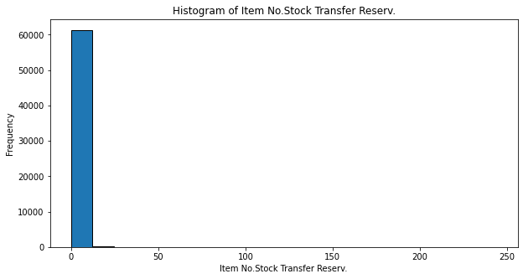
44 | Debit/Credit ind | NA | NA | H | The mode is "H," representing the most frequently recorded value. The mean and median are not applicable. | NA | NA | NA | NA | NA | NA | NA | NA | NA
45 | User name | NA | NA | 51510 | The mode is 51,510, indicating the most common user value. The mean and median are not applicable. | NA | NA | NA | NA | NA | NA | NA | NA | NA
46 | Trans./Event Type | NA | NA | WA | The mode is "WA," representing the most frequently recorded transaction or event type. The mean and median are not applicable. | NA | NA | NA | NA | NA | NA | NA | NA | NA
47 | Sales Value inc. VAT | 0 | 0 | 0 | The mean, median, and mode are all 0, indicating no sales values with VAT. | 0 | 0 | 0 | 0 | 0 | 0 | 0 | 0 | 0
48 | Currency | NA | NA | INR | The mode is "INR," representing the most frequently recorded currency. The mean and median are not applicable. | NA | NA | NA | NA | NA | NA | NA | NA | NA
49 | Item automatically created | NA | NA | X | The mode is "X," indicating the most frequent value for automatic item creation. The mean and median are not applicable. | NA | NA | NA | NA | NA | NA | NA | NA | NA
50 | Original Line Item | 0 | 0 | 0 | The mean, median, and mode are all 0, showing no recorded original line items. | 0 | 0 | 0 | 0 | 0 | 0 | 0 | 0 | 0
51 | Product Code | 53000765.00 | 53000765 | 53000765 | The mean, median, and mode values for Product Code are all 53,000,765, indicating consistency across all records. | 0 | 0 | 53000765 | 53000765 | 0 | The range is between 53000765 to 0. | 0 | 0 | 0
52 | Product Description | NA | NA | AD26.COV2.S BULK DRUG SUBSTANCE | The mode is "AD26.COV2.S BULK DRUG SUBSTANCE," representing the most frequently recorded product description. The mean and median are not applicable. | NA | NA | NA | NA | NA | NA | NA | NA | NA
53 | Material Type | NA | NA | ZCON | The mode is "ZCON," indicating the most common material type. The mean and median are not applicable. | NA | NA | NA | NA | NA | NA | NA | NA | NA
54 | Vendor Code | 54301.34 | 54605 | 50115 | The mean value for Vendor Code is 54,301.34, the median is 54,605, and the mode is 50,115, suggesting a spread of vendor codes with a common recurring value. | 6430299.01 | 2535.81 | 60023 | 50001 | 10022 | The range of 10,022 and a standard deviation of 2,535.81 reflect moderate variation in vendor codes, which might represent different suppliers or partners. | -0.18 | 10022 | Skewness of -0.18 indicates a slight negative skew, with data leaning slightly toward higher values. Kurtosis of 10,022 reflects a highly leptokurtic distribution with significant outliers.

