Screenshots Evidence of execut
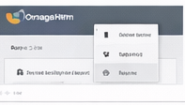
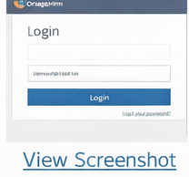

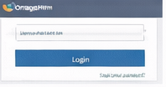
Screenshots and Evidence of Execution

Bug ID | Module | Description | Severity | Priority | Status
BUG001 | Login | Login page sometimes returns HTTP 500 error | Critical | High | Open
BUG002 | Login | Demo credentials (Admin/admin123) sometimes fail to login | Major | High | Open
BUG003 | Navigation | Invalid redirects or 404 errors on some login URLs | Major | Medium | Open
BUG004 | Timesheet | Adding timesheet rows fails if one row is blank | Minor | Medium | Open
BUG005 | Configuration | Email/configuration setup fails on save | Minor | Low | Open

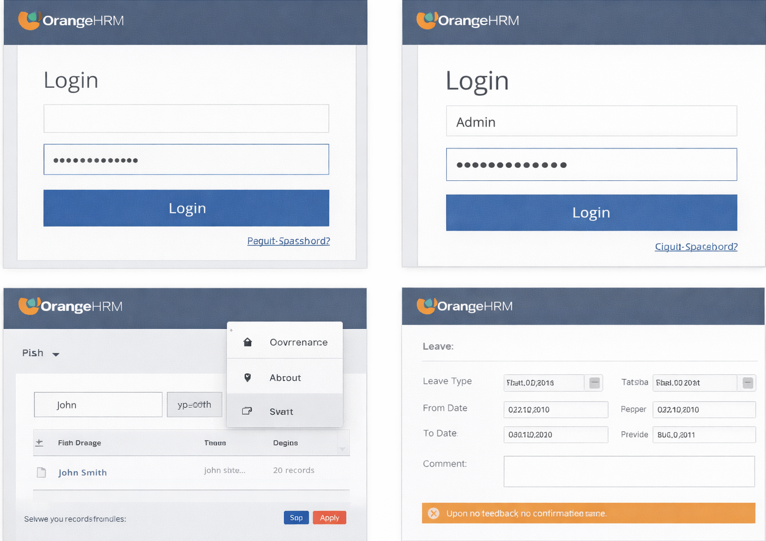
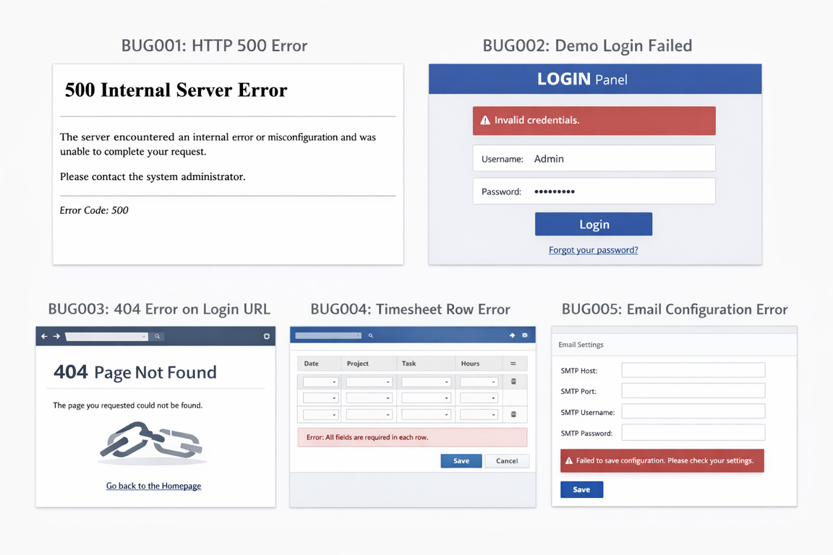

Bug ID | Title | Module | Severity | Priority | Environment | Steps to Reproduce | Expected Result | Actual Result
BUG_01 | Blank username allows login | Login | Medium | High | Chrome / Win10 | Leave username blank, enter valid password, click Login | Error message should appear | Login processed
BUG_02 | Password accepts >20 chars | Login | Low | Medium | Chrome / Win10 | Enter 25-char password | Limit should be 20 | Accepted 25 chars
BUG_03 | Logout requires double click | Dashboard | High | High | Chrome / Win10 | Click logout once | Should log out immediately | Needs 2 clicks
BUG_04 | Employee search case-sensitive | PIM | Medium | Medium | Chrome / Win10 | Search "John" vs "john" | Should find both | Only finds exact
BUG_05 | Leave applied but no confirmation | Leave | Medium | High | Chrome / Win10 | Apply leave | Confirmation shown | None displayed

Actual Screeshot Reference

