Bugs
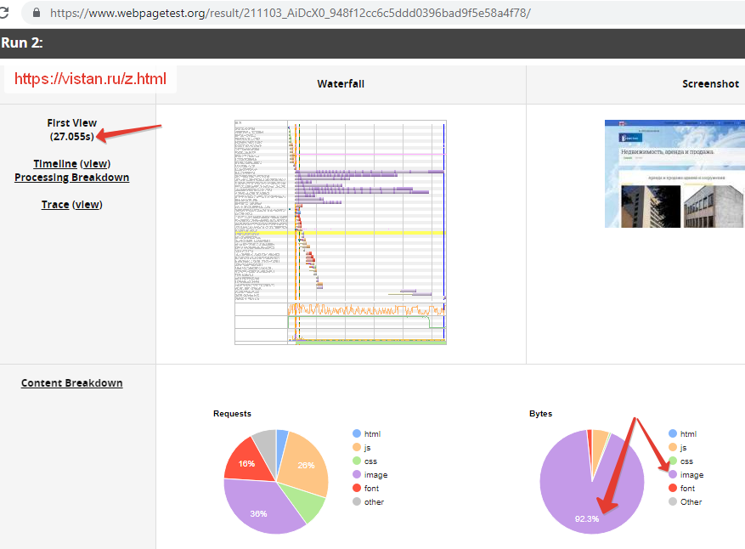
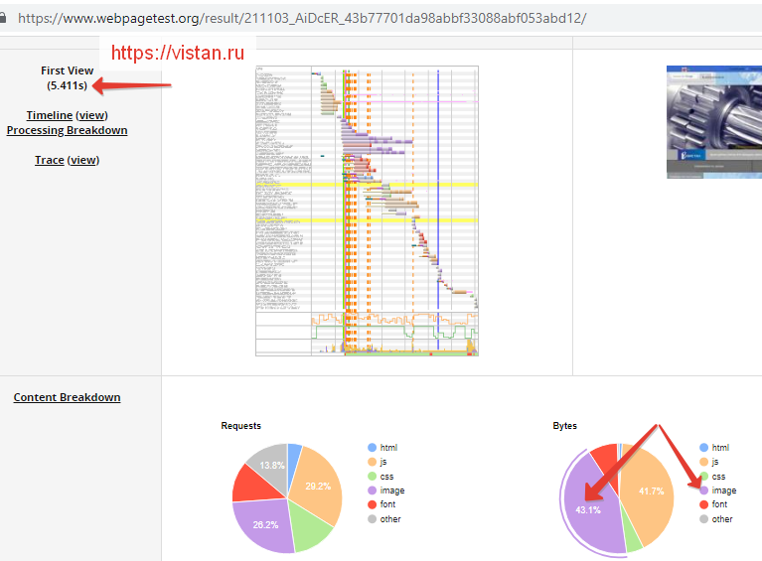
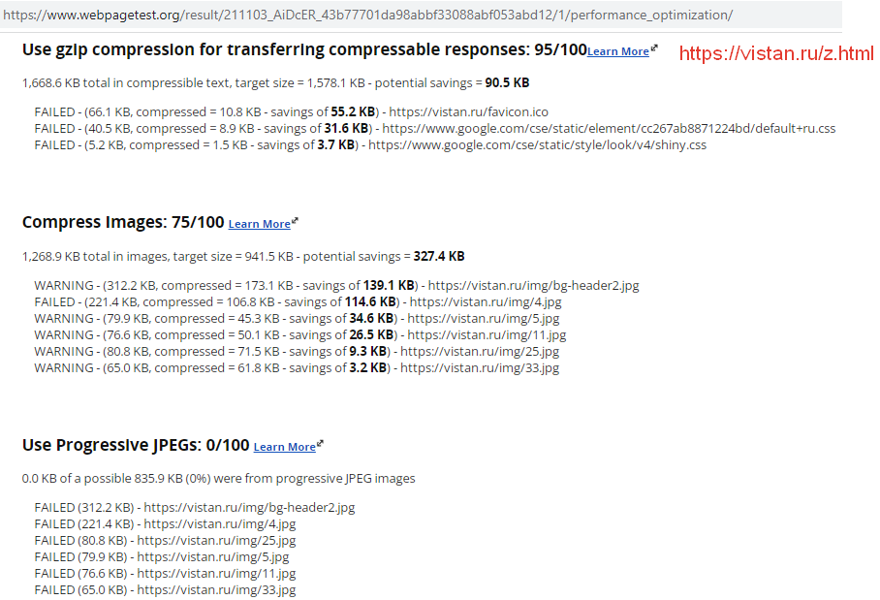
 | Issue №1
Summary | Elements of "big-buttons" block are different width and the last element falls below the block
Severity | Low
Steps to Reproduce | 1. Go to https://vistan.ru/ 2. Pay attention to the elements “Недвижимость, аренда”, “Вакансии”, “Декларации”, “Руководство поставщика”. 3. Open Devtools -> Elements. Find the width properties of these elements.
Actual Result | The elements of the "div.big-buttons" block have different widths and the total width in CSS is more than 100.03% of the outer block. The last element is below the block. The width of the elements, respectively: .big-buttons > div:first-child { width: 38.666667%;} .col-xs-3 { width: 25%;} .big-buttons > div:nth-child(3) { width: 19.7%;} .col-xs-2 { width: 16.666666666666664%;}
Expected Result | The elements of the "big-buttons" block have the same width and are arranged in one line inside the outer block.
Environment | Lenovo G580 Windows 10 Pro x64, 1366x768, Google Chrome 95.0.4638.54
Note | The report is relevant for desktop for the window width from 976 at 100% scale. With a smaller width, the site is displayed in the mobile layout, the elements are located differently.
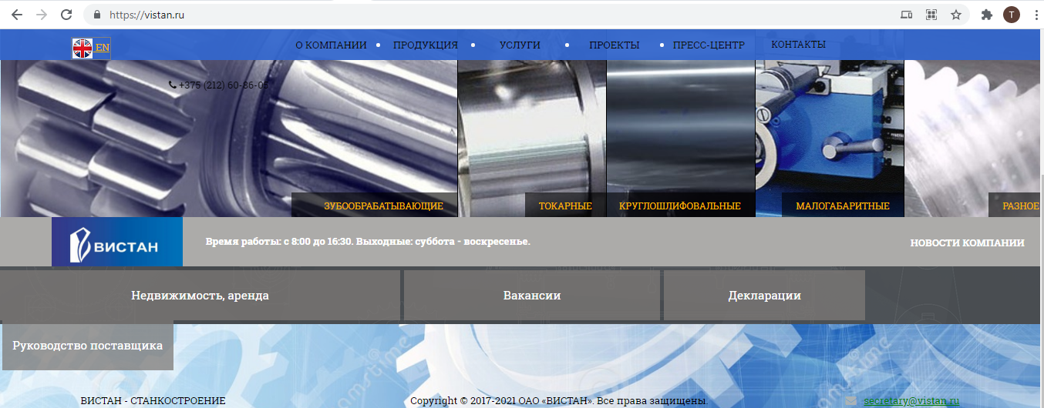
Attachment

 | Issue №2
Summary | Different colors of menu on the left on different pages.
Severity | Low
Steps to Reproduce | 1. Go to https://vistan.ru/ 2. Open Devtools -> Elements. Find the Font color and Background color properties of these elements. 3. Click all submenus in menu. For example: - Open tab “О КОМПАНИИ” -> “О КОМПАНИИ”: https://vistan.ru/about.html - Open tab “О КОМПАНИИ” -> “РУКОВОДСТВО”: https://vistan.ru/ru.html - Open tab “О КОМПАНИИ” -> “КОНТАКТЫ”: https://vistan.ru/contacts.html - Open tab “ПРОДУКЦИЯ” -> “ЗУБООБРАБАТЫВАЮЩЕЕ”: https://vistan.ru/stan/subcatalog1.html - etc
Actual Result | Items of left-menu have different colors on different pages. On all pages of "О компании" menu: Background color: inactive - #3366CC, active, hover - blue. Font color: inactive - #000000, active - #F7B500, hover over inactive - #000000, hover over active - #F5951F. On all pages of "Продукция" (without "Малогабаритные станки") menu: Background color: inactive - #3366CC, active, hover - blue. Font color: #000000. On page "Малогабаритные станки" of "Продукция" menu and on pages "Модернизация оборудования", "Механическая обработка", "Лизинг" of "Услуги" menu and on all pages of "Видео" menu: Background color: inactive - #3366CC, active, hover - blue. Font color: inactive - #F7B500, active - #000000, hover over inactive - #F5951F, hover over active - #000000. On page "Доставка оборудования" and "Сервис" of "Услуги" menu: Background color: inactive, active - #3366CC, hover - blue. Font color: inactive, active - #F7B500, hover - #F5951F. On page "Презентации" of "Видео" menu: Item "Новости компании" is highlighted.
Expected Result | The elements of the "big-buttons" block have the same width and are arranged in one line inside the outer block.
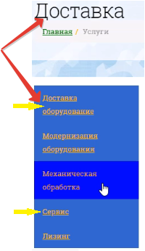
Environment | Lenovo G580 Windows 10 Pro x64, Google Chrome 95.0.4638.54
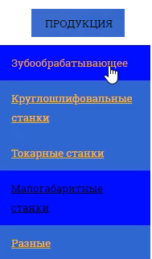
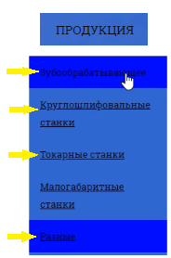
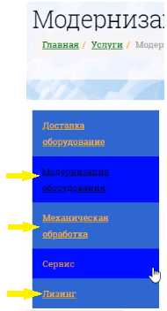
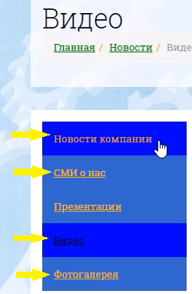
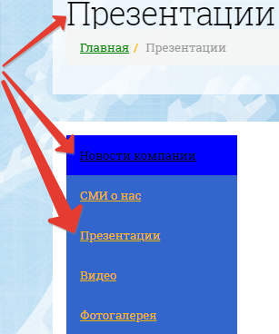
Attachment
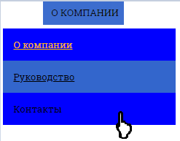

 | Issue №3
Summary | The photos are raw so the pages load slowly.
Severity | Medium
Steps to Reproduce | 1. Go to https://vistan.ru/ 2. Open Devtools -> Network. Find jpg-files in next pages. 3. Click link "Недвижимость, аренда": https://vistan.ru/z.html. 4. Click menu "О компании" -> "Руководство": https://vistan.ru/ru.html.
Actual Result | There are large jpg files: IMG_20200820_145644.jpg 5Mb, IMG_20200820_153000(2).jpg 2,5 Mb, IMG_20200820_153627.jpg 2,8 Mb, z1.png 2,9 Mb on page https://vistan.ru/z.html; geninj.jpg 2,8 Mb on page https://vistan.ru/ru.html. Page loading time is up to 5-30 seconds.
Expected Result | Photos are processed with a reduction in size.
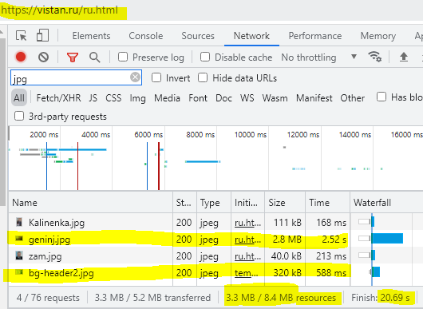
Environment | Lenovo G580 Windows 10 Pro x64, Google Chrome 95.0.4638.54, Internet speed 15 Mb/s.
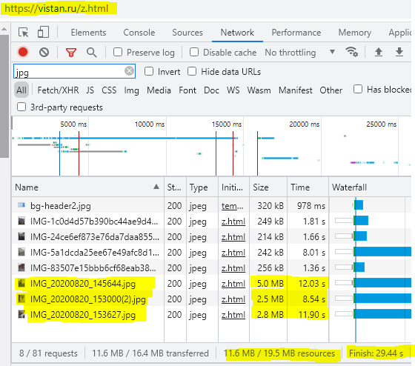
Attachment

