Sheet
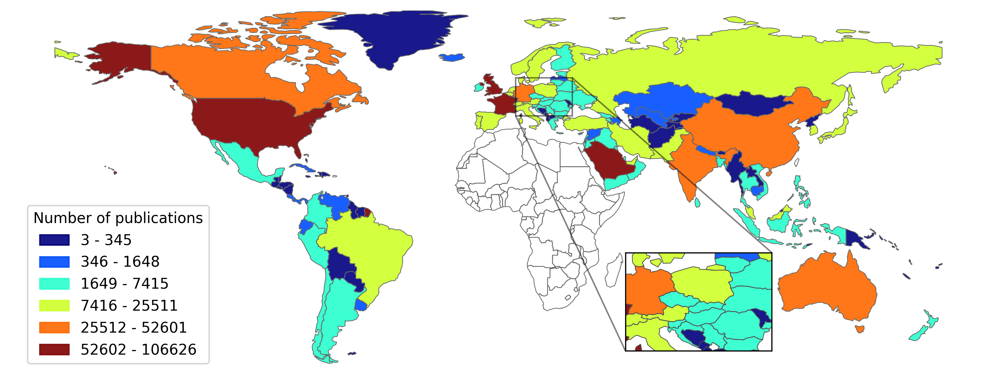
country | n_article
US | 106626
GB | 71498
SA | 70990
FR | 62401
DE | 39934
CN | 37496
IN | 29642
CA | 27772
AU | 27054
IT | 24601
ES | 22678
NL | 20770
BE | 18393
CH | 18210
JP | 16136
SE | 14754
MY | 13281
TR | 12885
BR | 12804
PK | 12281
RU | 10155
KR | 9841
PT | 9448
NO | 9176
PL | 8711
DK | 8546
IR | 8438
AT | 7684
AE | 7636
FI | 6865
CZ | 6537
MX | 6082
GR | 5919
TH | 5737
NZ | 5546
RO | 4986
HU | 4862
IE | 4784
QA | 4623
CO | 4584
CL | 4561
VN | 3925
AR | 3830
IL | 3811
RS | 3572
JO | 3278
BD | 3188
IQ | 3071
ID | 2788
UA | 2622
BG | 2615
HR | 2539
SK | 2467
AM | 2408
KW | 2403
LB | 2394
SG | 2373
GE | 2368
OM | 2366
BY | 2149
YE | 2091
PE | 2005
SI | 1924
EE | 1854
CY | 1829
PH | 1798
LK | 1672
LT | 1649
AZ | 1423
EC | 1393
PS | 1239
NP | 1154
BH | 1091
LV | 1005
KZ | 731
CU | 730
LU | 713
SY | 548
KH | 545
IS | 539
UY | 524
UZ | 489
CR | 476
VE | 433
PA | 387
MT | 378
GT | 330
ME | 327
JM | 322
BA | 318
MM | 307
AF | 300
FJ | 283
MK | 281
BN | 267
TT | 264
MN | 259
LA | 240
BO | 231
HT | 219
AL | 215
KG | 214
KN | 200
BB | 190
PG | 187
PY | 180
NC | 146
GF | 140
HN | 127
DO | 118
MD | 113
TJ | 95
MC | 90
BT | 83
GY | 81
GD | 80
NI | 72
AI | 55
SV | 54
FM | 53
MV | 50
SR | 49
SB | 48
BS | 46
BZ | 43
FK | 40
TL | 33
VU | 33
WS | 30
GL | 29
VC | 27
AG | 26
DM | 25
VG | 23
SX | 22
FO | 21
TO | 21
BM | 20
VA | 18
KY | 17
PW | 14
GI | 13
AD | 13
AW | 12
LC | 11
KI | 10
SM | 10
LI | 10
CW | 10
KP | 9
CK | 7
TC | 4
MS | 3
TM | 3
MF | 3
NU | 2
MH | 2
TV | 1
BL | 1

country | n_article
US | 106626
GB | 71498
SA | 70990
FR | 62401
DE | 39934
CN | 37496
IN | 29642
CA | 27772
AU | 27054
IT | 24601
ES | 22678
NL | 20770
BE | 18393
CH | 18210
JP | 16136
SE | 14754
MY | 13281
TR | 12885
BR | 12804
PK | 12281
RU | 10155
KR | 9841
PT | 9448
NO | 9176
PL | 8711
DK | 8546
IR | 8438
AT | 7684
AE | 7636
FI | 6865
CZ | 6537
MX | 6082
GR | 5919
TH | 5737
NZ | 5546
RO | 4986
HU | 4862
IE | 4784
QA | 4623
CO | 4584
CL | 4561
VN | 3925
AR | 3830
IL | 3811
RS | 3572
JO | 3278
BD | 3188
IQ | 3071
ID | 2788
UA | 2622
BG | 2615
HR | 2539
SK | 2467
AM | 2408
KW | 2403
LB | 2394
SG | 2373
GE | 2368
OM | 2366
BY | 2149
YE | 2091
PE | 2005
SI | 1924
EE | 1854
CY | 1829
PH | 1798
LK | 1672
LT | 1649
AZ | 1423
EC | 1393
PS | 1239
NP | 1154
BH | 1091
LV | 1005
KZ | 731
CU | 730
LU | 713
SY | 548
KH | 545
IS | 539
UY | 524
UZ | 489
CR | 476
VE | 433
PA | 387
MT | 378
GT | 330
ME | 327
JM | 322
BA | 318
MM | 307
AF | 300
FJ | 283
MK | 281
BN | 267
TT | 264
MN | 259
LA | 240
BO | 231
HT | 219
AL | 215
KG | 214
KN | 200
BB | 190
PG | 187
PY | 180
NC | 146
GF | 140
HN | 127
DO | 118
MD | 113
TJ | 95
MC | 90
BT | 83
GY | 81
GD | 80
NI | 72
AI | 55
SV | 54
FM | 53
MV | 50
SR | 49
SB | 48
BS | 46
BZ | 43
FK | 40
TL | 33
VU | 33
WS | 30
GL | 29
VC | 27
AG | 26
DM | 25
VG | 23
SX | 22
FO | 21
TO | 21
BM | 20
VA | 18
KY | 17
PW | 14
GI | 13
AD | 13
AW | 12
LC | 11
KI | 10
SM | 10
LI | 10
CW | 10
KP | 9
CK | 7
TC | 4
MS | 3
TM | 3
MF | 3
NU | 2
MH | 2
TV | 1
BL | 1

