Sheet
Inserting Matplotlib figures (using plt)
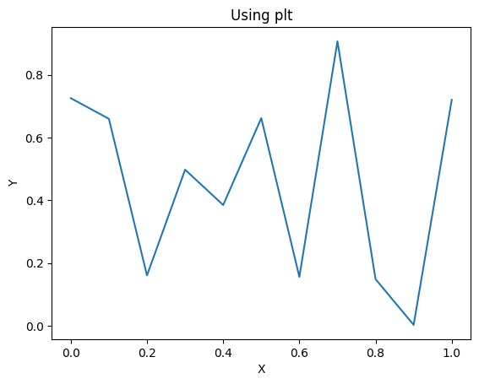

Inserting Matplotlib figures (using axes)
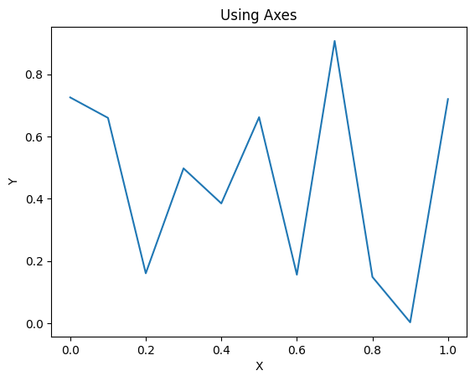

When you pass dataframe, it will be written as well
X | Y
0 | 0.72507003816
0.1 | 0.65937657454
0.2 | 0.16013160092
0.3 | 0.4972490916
0.4 | 0.38465782525
0.5 | 0.66157445368
0.6 | 0.15562612452
0.7 | 0.90646342254
0.8 | 0.14843579657
0.9 | 0.0026843634583
1 | 0.71980523993

Passing dataframe and specifying figure position relative to dataframe
X | Y
0 | 0.72507003816
0.1 | 0.65937657454
0.2 | 0.16013160092
0.3 | 0.4972490916
0.4 | 0.38465782525
0.5 | 0.66157445368
0.6 | 0.15562612452
0.7 | 0.90646342254
0.8 | 0.14843579657
0.9 | 0.0026843634583
1 | 0.71980523993

Final insertion to show the spacing is calculated correctly

