Sheet
Inserting Matplotlib figures (using plt)
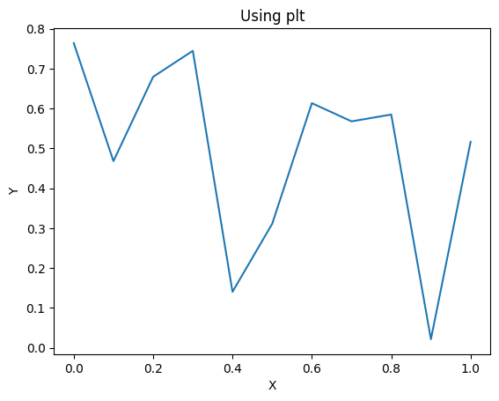

Inserting Matplotlib figures (using axes)
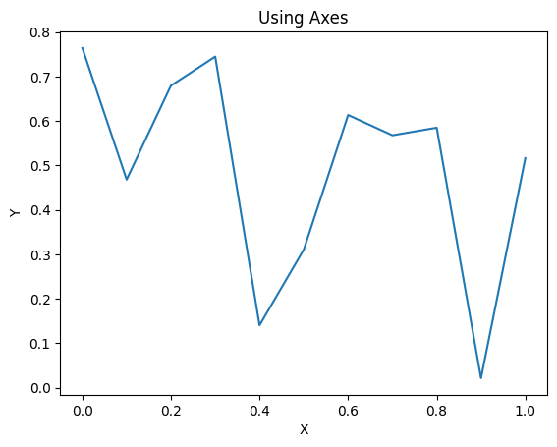

When you pass dataframe, it will be written as well
X | Y
0 | 0.76377631974
0.1 | 0.46804826562
0.2 | 0.67928951358
0.3 | 0.74449323247
0.4 | 0.14047160428
0.5 | 0.31086892163
0.6 | 0.61326546652
0.7 | 0.56768150237
0.8 | 0.58477304131
0.9 | 0.021560845369
1 | 0.51635750568

Passing dataframe and specifying figure position relative to dataframe
X | Y
0 | 0.76377631974
0.1 | 0.46804826562
0.2 | 0.67928951358
0.3 | 0.74449323247
0.4 | 0.14047160428
0.5 | 0.31086892163
0.6 | 0.61326546652
0.7 | 0.56768150237
0.8 | 0.58477304131
0.9 | 0.021560845369
1 | 0.51635750568

Final insertion to show the spacing is calculated correctly

