Second
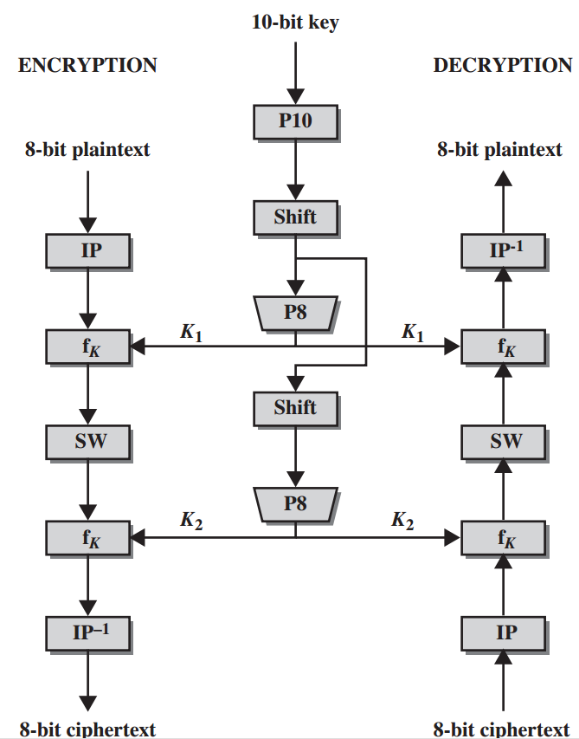
PC1
No | 1 | 2 | 3 | 4 | 5 | 6 | 7 | 8 | 9 | 10 | 11 | 12 | 13 | 14
Output | 12 | 5 | 14 | 1 | 10 | 2 | 6 | 9 | 15 | 4 | 13 | 7 | 11 | 3

PC2
No | 1 | 2 | 3 | 4 | 5 | 6 | 7 | 8 | 9 | 10 | 11 | 12
Output | 6 | 11 | 4 | 8 | 13 | 3 | 12 | 5 | 1 | 10 | 2 | 9

 |  |  | 1) | Random subkey K(16 numbers)
 |  |  |  |  | 1 | 2 | 3 | 4 | 5 | 6 | 7 | 8 | 9 | 10 | 11 | 12 | 13 | 14 | 15 | 16
 |  | Initial K |  | Initial K: | 1 | 0 | 1 | 0 | 0 | 0 | 0 | 0 | 1 | 0 | 1 | 1 | 0 | 0 | 1 | 0

 |  |  | 2) | Generate Subkeys, APPLY PC1 Permuatiton
 |  |  |  | PC1 - it is permutation
 |  |  |  | LS-1 - left shift
 |  |  |  |  | 1 | 2 | 3 | 4 | 5 | 6 | 7 | 8 | 9 | 10 | 11 | 12 | 13 | 14 | 15 | 16
 |  |  |  | Initial K: | 1 | 0 | 1 | 0 | 0 | 0 | 0 | 0 | 1 | 0 | 1 | 1 | 0 | 0 | 1 | 0
 |  |  |  | PC1 | 12 | 5 | 14 | 1 | 10 | 2 | 6 | 9 | 15 | 4 | 13 | 7 | 11 | 3
 |  | K |  | K | 1 | 0 | 0 | 1 | 0 | 0 | 0 | 1 | 1 | 0 | 0 | 0 | 1 | 1

 |  |  | 3) | Split K to LS1 (left/right) and AND SHIFT (3 position) - First two bits dissapear(1 and 2)

 |  |  |  | K = | 1 | 0 | 0 | 1 | 0 | 0 | 0 | 1 | 1 | 0 | 0 | 0 | 1 | 1

 |  | LS1 |  | LS1 = | 1 | 0 | 0 | 0 | 1 | 0 | 0 | 0 | 0 | 1 | 1 | 1 | 1 | 0

 |  |  | 4) | Find K1 | 1 | 2 | 3 | 4 | 5 | 6 | 7 | 8 | 9 | 10 | 11 | 12 | 13 | 14
 |  |  |  | LS1 | 1 | 0 | 0 | 0 | 1 | 0 | 0 | 0 | 0 | 1 | 1 | 1 | 1 | 0
 |  |  |  | PC2 | 6 | 11 | 4 | 8 | 13 | 3 | 12 | 5 | 1 | 10 | 2 | 9
 |  | K1 |  | K1 | 0 | 1 | 0 | 0 | 1 | 0 | 1 | 1 | 1 | 1 | 0 | 0

 |  |  | 5) | LS2 | Take LS1 and shift to the left at 3 positions

 |  |  |  | LS1: | 1 | 0 | 0 | 0 | 1 | 0 | 0 | 0 | 0 | 1 | 1 | 1 | 1 | 0

 |  | LS2 |  | LS2 | 0 | 1 | 0 | 0 | 1 | 0 | 0 | 1 | 1 | 1 | 0 | 0 | 0 | 1

 |  |  | 6) | Apply P8 to get K2
 |  |  |  |  | 1 | 2 | 3 | 4 | 5 | 6 | 7 | 8 | 9 | 10 | 11 | 12 | 13 | 14
 |  |  |  | LS2 | 0 | 1 | 0 | 0 | 1 | 0 | 0 | 1 | 1 | 1 | 0 | 0 | 0 | 1
 |  |  |  | PC2 | 6 | 11 | 4 | 8 | 13 | 3 | 12 | 5 | 1 | 10 | 2 | 9
 |  | K2 |  | K2 | 0 | 0 | 0 | 1 | 0 | 0 | 0 | 1 | 0 | 1 | 1 | 1

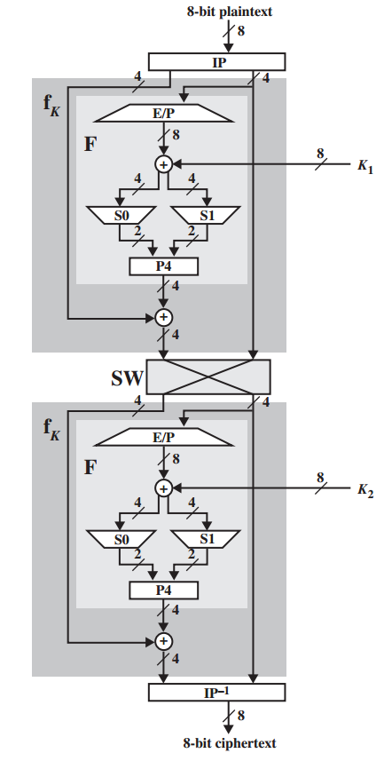
 | IP initial permutation
 |  | 1 | 2 | 3 | 4 | 5 | 6 | 7 | 8 | 9 | 10 | 11 | 12 | 13 | 14 | 15 | 16
 |  | 10 | 6 | 14 | 2 | 8 | 16 | 12 | 4 | 1 | 13 | 7 | 9 | 5 | 11 | 3 | 15

 | IP-1 initial permutation
 |  | 1 | 2 | 3 | 4 | 5 | 6 | 7 | 8 | 9 | 10 | 11 | 12 | 13 | 14 | 15 | 16
 |  | 9 | 4 | 15 | 8 | 13 | 2 | 11 | 5 | 12 | 1 | 14 | 7 | 10 | 3 | 16 | 6

 | EP expand and permutate
 |  | 1 | 2 | 3 | 4 | 5 | 6 | 7 | 8 | 9 | 10 | 11 | 12
 |  | 8 | 1 | 2 | 3 | 4 | 5 | 4 | 5 | 6 | 7 | 8 | 1

 | P permutation
 |  | 1 | 2 | 3 | 4 | 5 | 6 | 7 | 8
 |  | 6 | 4 | 7 | 3 | 5 | 1 | 8 | 2

 |  |  |  | Next step to choose plain text. Lets choose some random plaintext

 |  | P | 1) | P: | 0 | 1 | 1 | 0 | 0 | 0 | 1 | 0 | 0 | 1 | 1 | 1 | 0 | 1 | 1 | 0

 |  |  | 2) | Lets do Initial permutation

 |  |  |  |  | 1 | 2 | 3 | 4 | 5 | 6 | 7 | 8 | 9 | 10 | 11 | 12 | 13 | 14 | 15 | 16
 |  |  | Input | P | 0 | 1 | 1 | 0 | 0 | 0 | 1 | 0 | 0 | 1 | 1 | 1 | 0 | 1 | 1 | 0
 |  |  |  | IP permut | 10 | 6 | 14 | 2 | 8 | 16 | 12 | 4 | 1 | 13 | 7 | 9 | 5 | 11 | 3 | 15
 |  | IP | Output |  | 1 | 0 | 1 | 1 | 0 | 0 | 1 | 0 | 0 | 0 | 1 | 0 | 0 | 1 | 1 | 1

 |  |  | 3) | Lets find EP |  |  |  |  | 1 | 2 | 3 | 4 | 5 | 6 | 7 | 8
 |  |  |  | First select only right 4 bits |  |  |  | Input | 0 | 0 | 1 | 0 | 0 | 1 | 1 | 1
 |  |  |  | Permutation, use table |  |  |  | EP permut | 8 | 1 | 2 | 3 | 4 | 5 | 4 | 5 | 6 | 7 | 8 | 1
 |  | EP |  |  |  |  |  | EP | 1 | 0 | 0 | 1 | 0 | 0 | 0 | 0 | 1 | 1 | 1 | 0

 |  |  | 4) | here we should use K1 |  |  | 1 | 2 | 3 | 4 | 5 | 6 | 7 | 8 | 9 | 10 | 11 | 12
 |  |  |  |  | (+) | EP | 1 | 0 | 0 | 1 | 0 | 0 | 0 | 0 | 1 | 1 | 1 | 0
 |  |  |  |  |  | K1 | 0 | 1 | 0 | 0 | 1 | 0 | 1 | 1 | 1 | 1 | 0 | 0
 |  | (+) |  |  |  | Output | 1 | 1 | 0 | 1 | 1 | 0 | 1 | 1 | 0 | 0 | 1 | 0

 |  |  | 5) | Use S boxes for substitution
 |  |  |  | Divide (+) result at 6 bits and use S-box |  |  |  |  | It means that input 2 bits and out 2 bit
 |  |  |  | bit1 and bit6 - specify the row
 |  |  |  | bit2 and bit5 specify the column
 |  |  |  |  |  |  |  | 1 | 1 | 0 | 1 | 1 | 0 |  | 1 | 1 | 0 | 0 | 1 | 0

 |  |  |  |  |  |  |  |  |  | S5 |  |  |  |  |  |  | S6
 |  |  |  |  |  | From S0 I get row |  | 10= | 2 |  |  |  |  |  | 10= | 2
 |  |  |  |  |  | And column |  | 1011= | 11 |  |  |  |  |  | 1001= | 9
 |  |  |  |  |  |  |  |  |  |  | bit |  |  |  |  |  |  | bit
 |  | S5 and S6 |  |  |  |  |  |  | S5 = | 5 | 0101 |  |  |  |  | S6 = | 0 | 0000

 |  |  | 6) | Lets find P |  |  |  | S5 |  |  |  | S6
 |  |  |  |  |  |  |  | 1 | 2 | 3 | 4 | 5 | 6 | 7 | 8
 |  |  |  |  |  |  | S5 and S6 | 0 | 1 | 0 | 1 | 0 | 0 | 0 | 0
 |  |  |  |  |  |  | P permut | 6 | 4 | 7 | 3 | 5 | 1 | 8 | 2
 |  | P |  |  |  |  | P | 0 | 1 | 0 | 0 | 0 | 0 | 0 | 1

 |  |  | 7) | Lets (+) |  | First we have take first 4 left bits of IP - initial permutation

 |  |  |  | (+) | IP | 1 | 0 | 1 | 1 | 0 | 0 | 1 | 0
 |  |  |  |  | P | 0 | 1 | 0 | 0 | 0 | 0 | 0 | 1
 |  |  |  |  | Output | 1 | 1 | 1 | 1 | 0 | 0 | 1 | 1
 |  |  |  |  |  |  |  |  |  | `

 |  |  | 8) | Combine level 7 output with right 4 bits of initial permutation |  |  |  |  |  |  |  |  | 0 | 0 | 1 | 0 | 0 | 1 | 1 | 1

 |  |  |  | 1 | 1 | 1 | 1 | 0 | 0 | 1 | 1 |  | 0 | 0 | 1 | 0 | 0 | 1 | 1 | 1

 |  |  | 9) | SWAP | SW RIGHT |  |  |  |  |  |  |  |  | SW LEFT
 |  |  |  | 0 | 0 | 1 | 0 | 0 | 1 | 1 | 1 |  | 1 | 1 | 1 | 1 | 0 | 0 | 1 | 1

 |  |  |  |  |  |  |  |  | 1 | 2 | 3 | 4 | 5 | 6 | 7 | 8 | 9 | 10 | 11 | 12
 |  |  | 10) | repeat operation from 3 to 8 |  |  |  | Input | 1 | 1 | 1 | 1 | 0 | 0 | 1 | 1
 |  |  |  |  |  |  | 3)* |  | 8 | 1 | 2 | 3 | 4 | 5 | 4 | 5 | 6 | 7 | 8 | 1
 |  |  |  |  |  |  | EP | Output | 1 | 1 | 1 | 1 | 1 | 0 | 1 | 0 | 0 | 1 | 1 | 1

 |  |  |  |  |  |  | 4)* | (+) | EP | 1 | 1 | 1 | 1 | 1 | 0 | 1 | 0 | 0 | 1 | 1 | 1
 |  |  |  | USE K2 !!! |  |  |  |  | K2 | 0 | 0 | 0 | 1 | 0 | 0 | 0 | 1 | 0 | 1 | 1 | 1
 |  |  |  |  |  |  |  |  |  | 1 | 1 | 1 | 0 | 1 | 0 | 1 | 1 | 0 | 0 | 0 | 0

 |  |  |  |  |  |  | 5)* |  |  | 1 | 1 | 1 | 0 | 1 | 0 |  | 1 | 1 | 0 | 0 | 0 | 0

 |  |  |  |  |  |  |  |  |  |  |  | S5 |  |  |  |  |  |  | S6
 |  |  |  |  |  |  |  | From S0 I get row |  | 10= | 2 |  |  |  |  |  | 10= | 2
 |  |  |  |  |  |  |  | And column |  | 1101= | 13 |  |  |  |  |  | 1000= | 8
 |  |  |  |  |  |  |  |  |  |  |  |  | bit |  |  |  |  |  |  | bit
 |  |  |  |  |  |  |  |  |  |  | S5 = | 3 | 0011 |  |  |  |  | S6 = | 7 | 0111

 |  |  |  |  |  |  | 6)* |  |  | S5 |  |  |  | S6
 |  |  |  |  |  |  |  |  |  | 1 | 2 | 3 | 4 | 5 | 6 | 7 | 8
 |  |  |  |  |  |  |  |  | S5 and S6 | 0 | 0 | 1 | 1 | 0 | 1 | 1 | 1
 |  |  |  |  |  |  |  |  | P permut | 6 | 4 | 7 | 3 | 5 | 1 | 8 | 2
 |  |  |  |  |  |  |  |  | P | 1 | 1 | 1 | 1 | 0 | 0 | 1 | 0

 |  |  |  |  |  |  | 7)* | (+) | IP | 0 | 0 | 1 | 0 | 0 | 1 | 1 | 1
 |  |  |  |  |  |  |  |  | P | 1 | 1 | 1 | 1 | 0 | 0 | 1 | 0
 |  |  |  |  |  |  |  |  | Output | 1 | 1 | 0 | 1 | 0 | 1 | 0 | 1

 |  |  |  |  |  |  |  |  |  |  |  |  |  |  |  |  | SW LEFT
 |  |  |  |  |  |  | 8)* | 1 | 1 | 0 | 1 | 0 | 1 | 0 | 1 |  | 1 | 1 | 1 | 1 | 0 | 0 | 1 | 1

 |  |  | 11) | Lets find Inverse |  | No | 1 | 2 | 3 | 4 | 5 | 6 | 7 | 8 | 9 | 10 | 11 | 12 | 13 | 14 | 15 | 16
 |  |  |  |  |  | Input | 1 | 1 | 0 | 1 | 0 | 1 | 0 | 1 | 1 | 1 | 1 | 1 | 0 | 0 | 1 | 1
 |  |  |  |  |  | Permut.. | 9 | 4 | 15 | 8 | 13 | 2 | 11 | 5 | 12 | 1 | 14 | 7 | 10 | 3 | 16 | 6
 |  | IP-1 |  |  |  | Output | 1 | 1 | 1 | 1 | 0 | 1 | 1 | 0 | 1 | 1 | 0 | 0 | 1 | 0 | 1 | 1

 |  |  |  | Ciphertext |  |  | 1 | 1 | 1 | 1 | 0 | 1 | 1 | 0 | 1 | 1 | 0 | 0 | 1 | 0 | 1 | 1

 |  |  |  |  |  |  |  |  | 1 | 2 | 3 | 4 | 5 | 6 | 7 | 8
 |  |  |  |  |  |  |  |  | 2 | 6 | 3 | 1 | 4 | 8 | 5 | 7

 |  |  |  |  |  |  |  | IP-1 initial permutation
 |  |  |  |  |  |  |  |  | 1 | 2 | 3 | 4 | 5 | 6 | 7 | 8
 |  |  |  |  |  |  |  |  | 4 | 1 | 3 | 5 | 7 | 2 | 8 | 6

