Sheet1
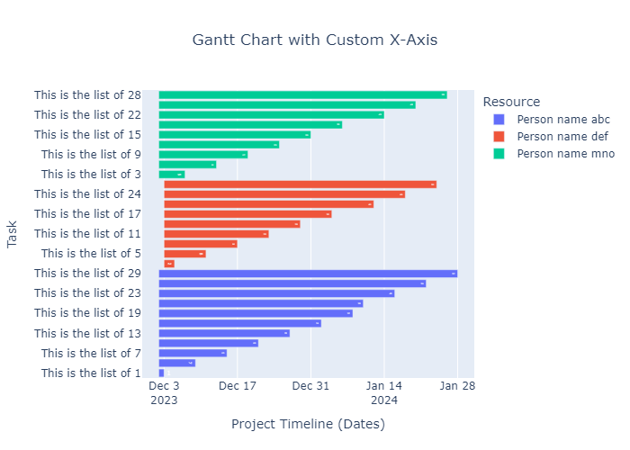
Task | Start | Finish | Resource
This is the list of 1 | 2023-12-02 | 2023-12-03 | Person name abc
This is the list of 2 | 2023-12-03 | 2023-12-05 | Person name def
This is the list of 3 | 2023-12-02 | 2023-12-07 | Person name mno
This is the list of 4 | 2023-12-02 | 2023-12-09 | Person name abc
This is the list of 5 | 2023-12-03 | 2023-12-11 | Person name def
This is the list of 6 | 2023-12-02 | 2023-12-13 | Person name mno
This is the list of 7 | 2023-12-02 | 2023-12-15 | Person name abc
This is the list of 8 | 2023-12-03 | 2023-12-17 | Person name def
This is the list of 9 | 2023-12-02 | 2023-12-19 | Person name mno
This is the list of 10 | 2023-12-02 | 2023-12-21 | Person name abc
This is the list of 11 | 2023-12-03 | 2023-12-23 | Person name def
This is the list of 12 | 2023-12-02 | 2023-12-25 | Person name mno
This is the list of 13 | 2023-12-02 | 2023-12-27 | Person name abc
This is the list of 14 | 2023-12-03 | 2023-12-29 | Person name def
This is the list of 15 | 2023-12-02 | 2023-12-31 | Person name mno
This is the list of 16 | 2023-12-02 | 2024-01-02 | Person name abc
This is the list of 17 | 2023-12-03 | 2024-01-04 | Person name def
This is the list of 18 | 2023-12-02 | 2024-01-06 | Person name mno
This is the list of 19 | 2023-12-02 | 2024-01-08 | Person name abc
This is the list of 20 | 2023-12-02 | 2024-01-10 | Person name abc
This is the list of 21 | 2023-12-03 | 2024-01-12 | Person name def
This is the list of 22 | 2023-12-02 | 2024-01-14 | Person name mno
This is the list of 23 | 2023-12-02 | 2024-01-16 | Person name abc
This is the list of 24 | 2023-12-03 | 2024-01-18 | Person name def
This is the list of 25 | 2023-12-02 | 2024-01-20 | Person name mno
This is the list of 26 | 2023-12-02 | 2024-01-22 | Person name abc
This is the list of 27 | 2023-12-03 | 2024-01-24 | Person name def
This is the list of 28 | 2023-12-02 | 2024-01-26 | Person name mno
This is the list of 29 | 2023-12-02 | 2024-01-28 | Person name abc

