Sheet1
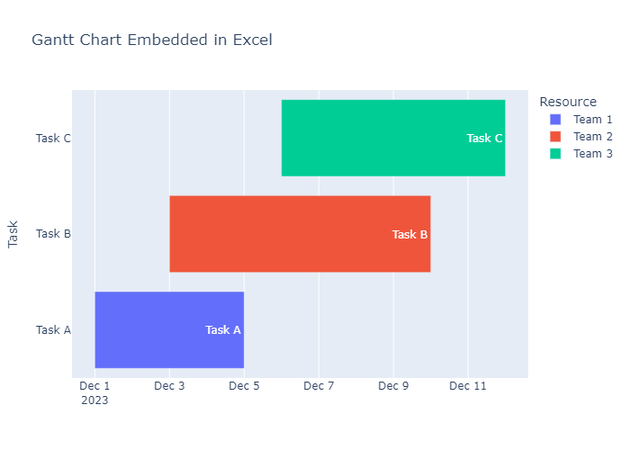
Task | Start | Finish | Resource
Task A | 2023-12-01 | 2023-12-05 | Team 1
Task B | 2023-12-03 | 2023-12-10 | Team 2
Task C | 2023-12-06 | 2023-12-12 | Team 3

