Sheet1
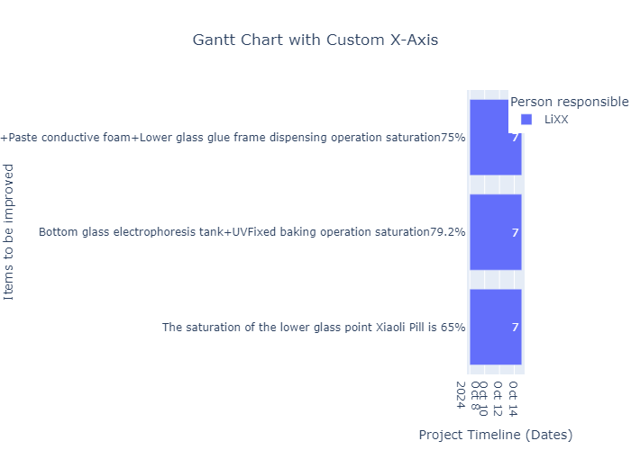
Items to be improved | Description | Improvement direction | Person responsible | Expected start date | Actual start date | Expected completion date | Actual completion date | Improve immediately | Confirmation | appendix
The saturation of the lower glass point Xiaoli Pill is 65% | Low job saturation(lower than95%) | 1. Judgment of value and reduce tasks without added value 2. Inspection of movement quality and human engineering hazards: Reduce the number of movements, work with both hands at the same time, shorten the distance of movements, and make movements easier; eliminate human engineering hazards 3. Automated level inspection: simple and automated import 4. Merge and rearrange new job elements | LiXX | 10/8/24 | 10/8/24 | 10/15/24 | 10/15/24 | yes | LiXX | LiXX
Bottom glass electrophoresis tank+UVFixed baking operation saturation79.2% | Low job saturation(lower than95%) | The improvement direction for the problem 'Bottom glass electrophoresis tank+UVFixed baking operation saturation79.2%' is as follows: 1. Judgment of value and reduce tasks without added value 2. Inspection of movement quality and human engineering hazards: Reduce the number of movements, work with both hands at the same time, shorten the distance of movements, and make movements easier; eliminate human engineering hazards 3. Automated level inspection: simple and automated import 4. Merge and rearrange new job elements. | LiXX | 10/8/24 | 10/8/24 | Expected completion date: 10/15/24 | 10/15/24 | yes | The improvement parameter 'Confirmation' for the problem 'Bottom glass electrophoresis tank+UVFixed baking operation saturation79.2%' is 'yes'. | LiXX
Xiaoliwan wax+Paste conductive foam+Lower glass glue frame dispensing operation saturation75% | Low job saturation(lower than95%) | 1. Judgment of value and reduce tasks without added value 2. Inspection of movement quality and human engineering hazards 3. Automated level inspection 4. Merge and rearrange new job elements | LiXX | 10/8/24 | 10/8/24 | 10/15/24 | 10/15/24 | yes | The improvement parameter 'Confirmation' for the problem 'Xiaoliwan wax+Paste conductive foam+Lower glass glue frame dispensing operation saturation75%' is 'yes'. | LiXX

