dashboard
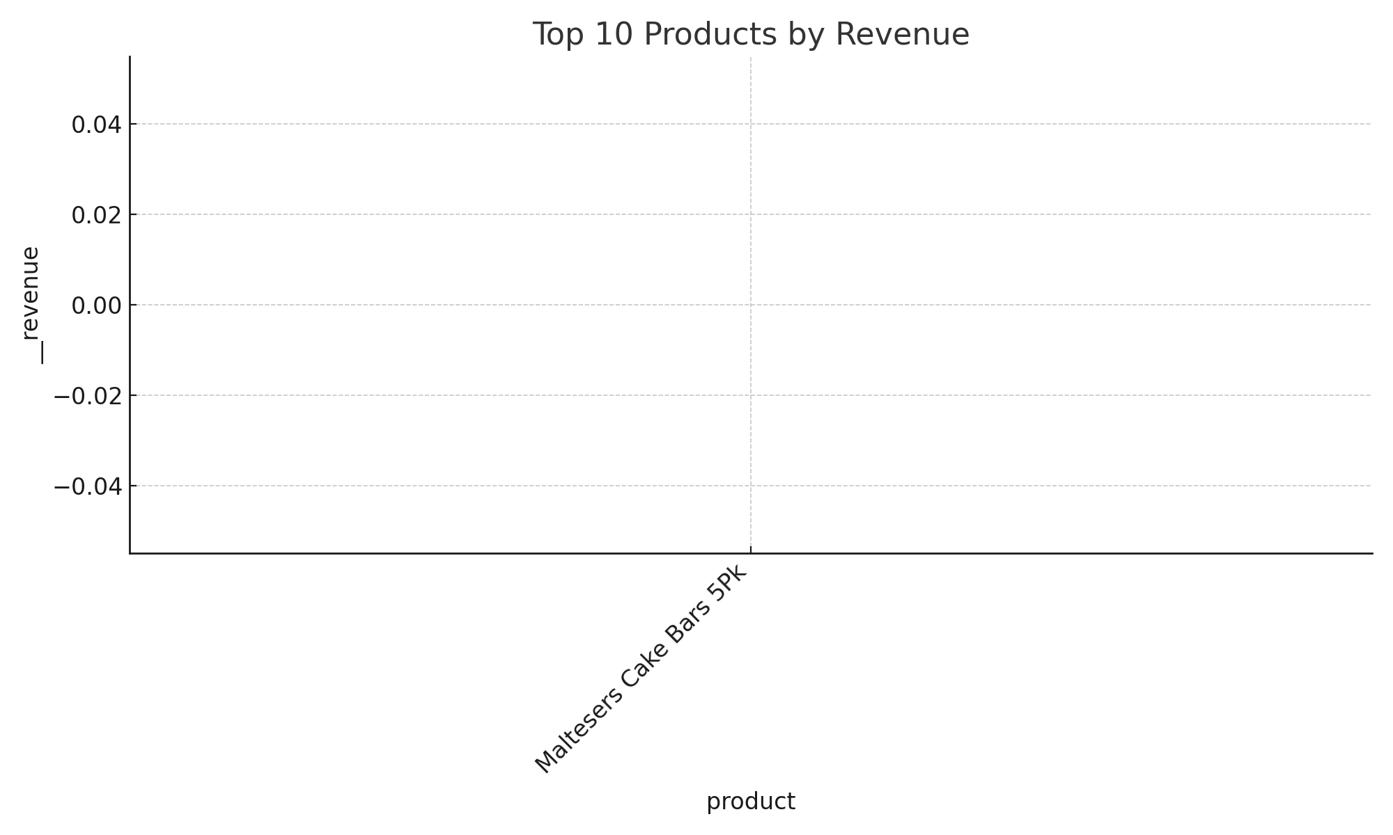
Sandea Operations – Summary Dashboard

