Task 1
 |  | Total Mark Possible | 10
Task | Description
1 | Implement the application logic, including keeping score, a high score, levels etc. | Student Estimated Mark (0...10) | 10
 |  | Lecturer Mark | 10
Screen | 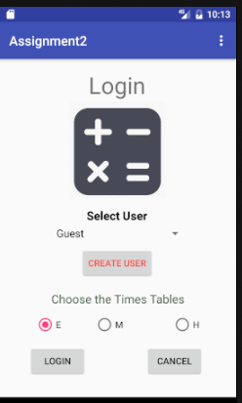 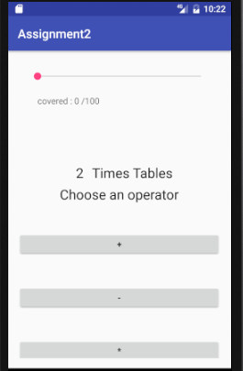 EXAMPLE: Screen shot of the functionality working | 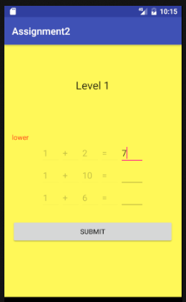 nn |  | 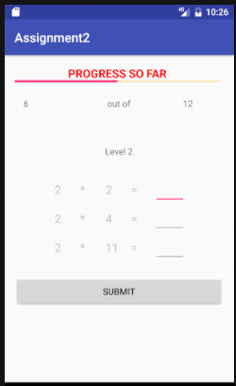 |  | 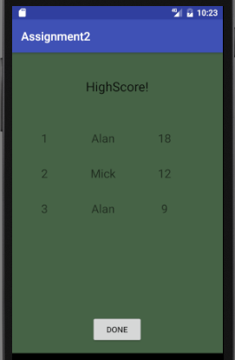
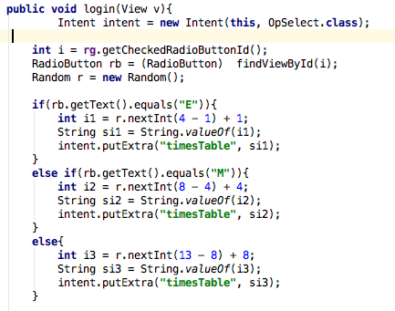 | generating a random number depending the level. If easy level random number will be between 1-3 if meduim level random number between 4-7 if hard random number between 8-12
Code 1 | 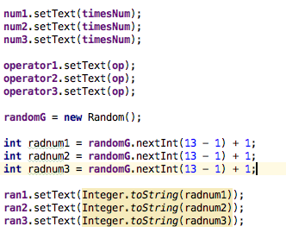 genertating radom numbers and for level 1.
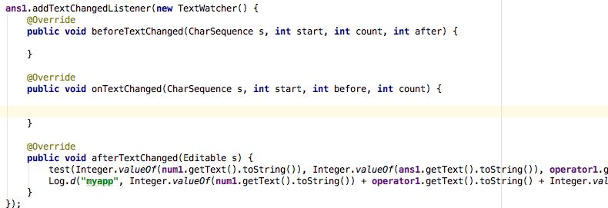 Code 2 | adding listener to users answer and will give the hint higher or lower if its incorrect. |  |  |  | 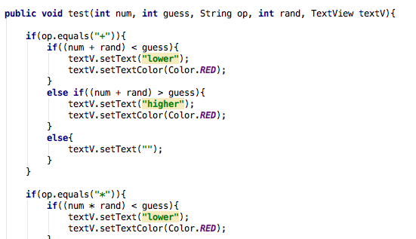
Code 3 | 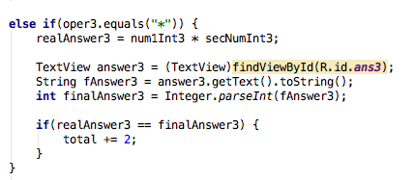 depending on the operater and difficulty level the score total will be increment by a greater number. Eg incremented by 1 for plus and minus and by 2 for multiply
 | 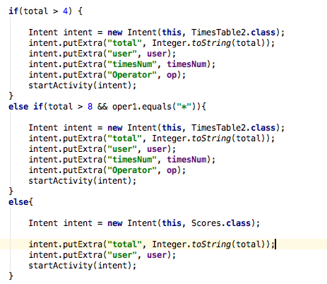
 | depending on the percentage of questions the user got right they will be brought to the second level of the app. If they didn’t score high enough they get brough to high score activity
 | 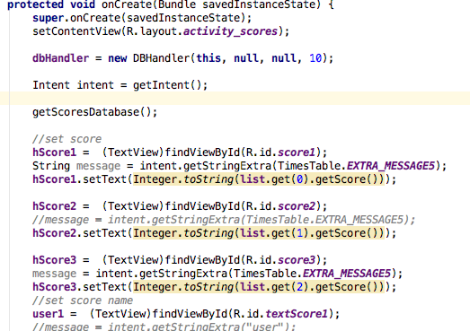 adding the score pasted to the activity to an array list and getting the high scores from the sql and adding them to arraylist and sorting them. Then displaying the top 3 scores. |  | 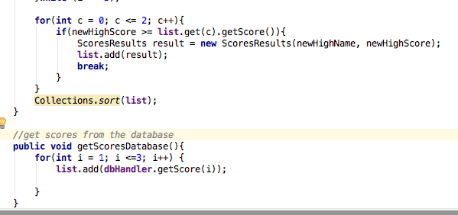
 | only the top 3 scores get saved to the sql.

Task 2
Screen | Description | Total Task Mark Possible | 10
0 | Use radio or toggle buttons & process their events | Your Estimated Mark (0...10) | 10
 | screen shot of main activity with radio button to determine difficulty | Lecturer Mark | 10
Screen | 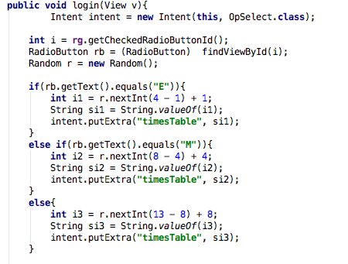 determining which radio button is selected to determine how large of a number is used

Code 1 | declaring the radio group and the radio buttons in the activity to determine which is selected
Code 2 | 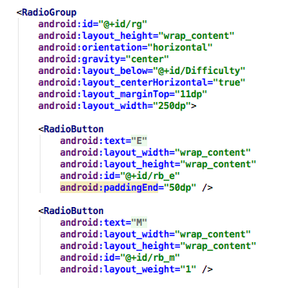 the radio buttons and radio group in the xml file
Code 3 | example code screen shot 3 (if needed)

 | Add more app or code screen shots if you need to.

Task 3
Screen | Description | Total Task Mark Possible | 10
0 | List or spinner & process it's events | Your Estimated Mark (0...10) | 10
 |  | Lecturer Mark | 10
Screen |  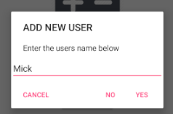 screenshots of the spinner and the popup that allows you to add to the spinner. And confirmation it was added with the spinner expanded | 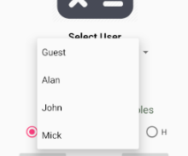

Code 1 | declaring the spinner adding values to it using an arraylist and seting the default value of the spinner to Guest
Code 2 | 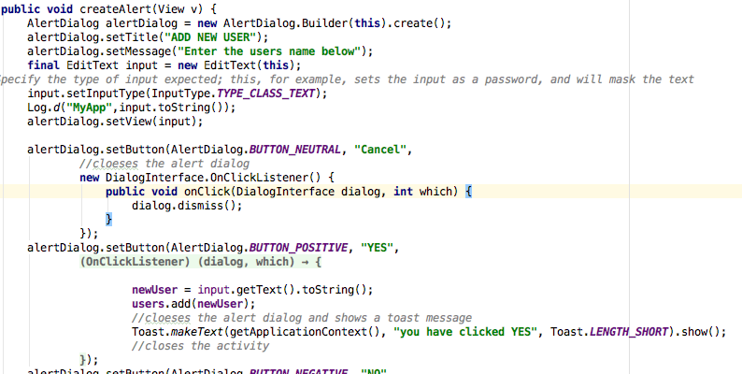 creates the popup that allows you to add to the spinner.
Code 3 | passes the spinner selceted item to another activity to be displayed in high score
code 4 | spinner in xml file

 | Add more app or code screen shots if you need to.

Task 4
Screen | Description | Total Task Mark Possible | 10
0 | A seekbar respoinging to events, a progress bar with secondary progress | Your Estimated Mark (0...10) | 10
 |  | Lecturer Mark | 10
Screen | 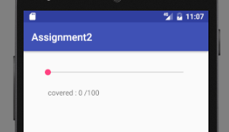 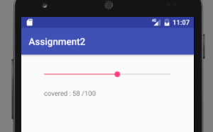 screen shot of seekbar and the text below changing when the seekbar is moved

Code 1 | 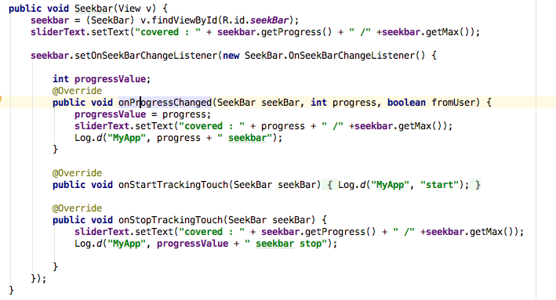 listener on the seekbar so the text in the textview changes when the seekbar changes
Code 2 | 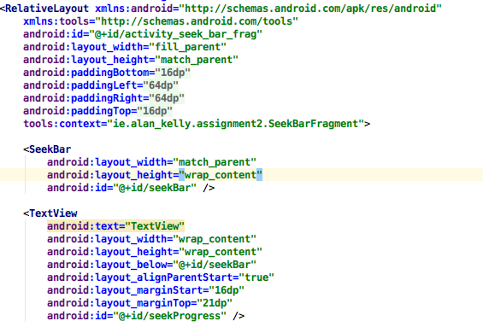 seekbarfragment layout file code
Code 3 | 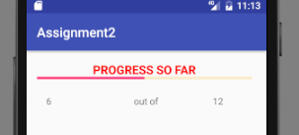 progressbar fragment shows the score the user has when they get to level to
 | the progressbar fragment being pasted data from the level2 activity
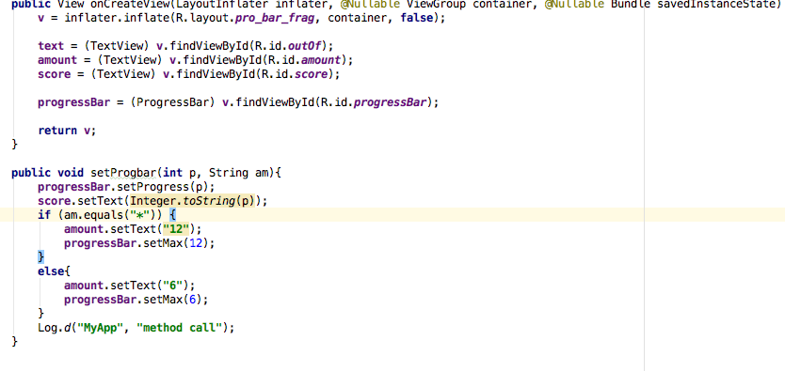 | progressbar code. Showing setting the max value.
 | Add more app or code screen shots if you need to.

Task 5
Screen | Description | Total Task Mark Possible | 10
0 | Gestures: a fling to move between Activities, gestures with your own library to perform some game funtionality. | Your Estimated Mark (0...10) | 5
 |  | Lecturer Mark | 5
Screen | 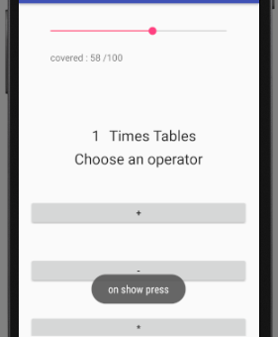 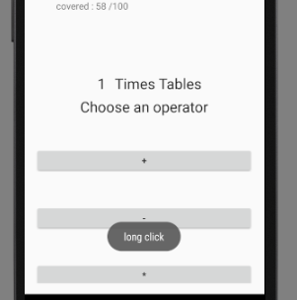 toast messages that pop up whena gesture is used

Code 1 | 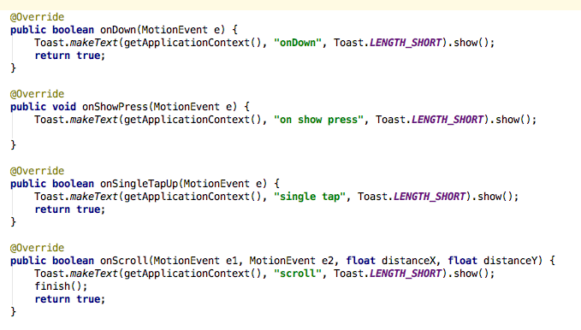 the overridden gestures that are in the interface gresture detector.
Code 2 | the other method that are overridden from the interface gesturedector.
Code 3 | example code screen shot 3 (if needed)

 | Add more app or code screen shots if you need to.

Task 6
Screen | Description | Total Task Mark Possible | 10
0 | Use Menus & Context Menu | Your Estimated Mark (0...10) | 10
 |  | Lecturer Mark | 10
Screen | 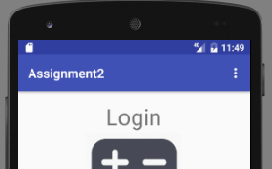 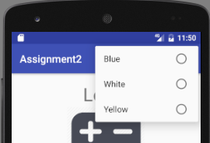 menu in top right corner |  |  | 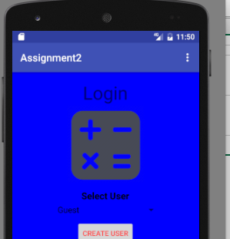

Code 1 | menu code in main activity
Code 2 | the layout a menu uses.
Code 3 | 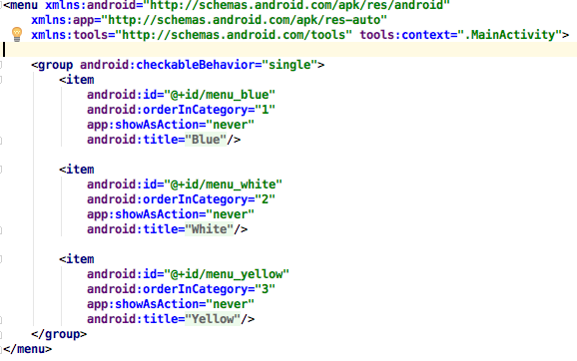 menu.xml code
 | 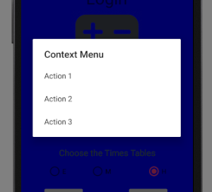 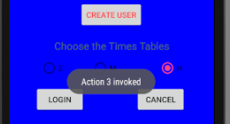 screenshot of the context menu
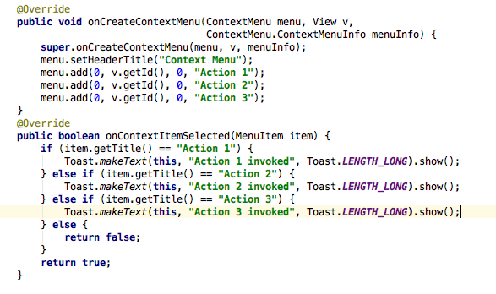 | context menu code
 | Add more app or code screen shots if you need to.

Task 7
Screen | Description | Total Task Mark Possible | 10
0 | Draw a graphic using the Canvas, Paint and colour classes | Your Estimated Mark (0...10) | 10
 |  | Lecturer Mark | 10
Screen | 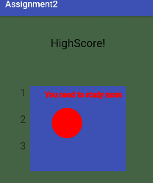 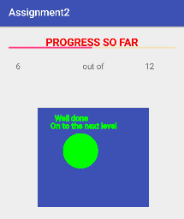 graphic popups the user recieves depending on if they get to second level or not

Code 1 | 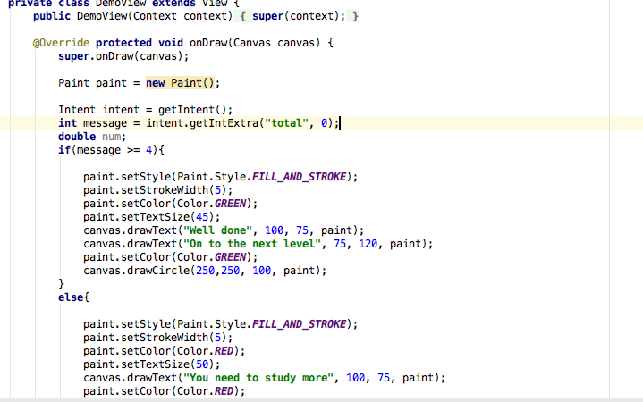 graphic class code
Code 2 | 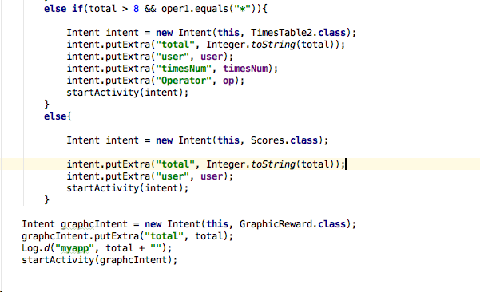 where the graphic class gets called
Code 3 | code in the manifest file to make the grpahic class use a certain style.
 | the graphic class style. Allowing it to be transparent and be able to close it by touching the sides etc.

 | Add more app or code screen shots if you need to.

Task 8
Screen | Description | Total Task Mark Possible | 10
0 | An advanced feature of your own choosing | Your Estimated Mark (0...10) | 10
 | the feature I chosse to use was for the app to use the camera and a fragment for the progressbar | Lecturer Mark | 10
Screen | 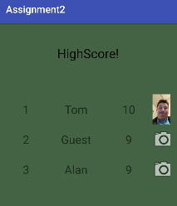 as you can see there is an imageview next to the high score that the user can click to add a picture of themselves. |  | 10

Code 1 | code in manfest file to allow it to work
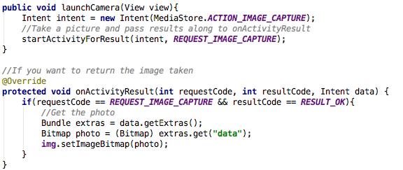 Code 2 | code in activity
Code 3 |  pic of fragment in an activity
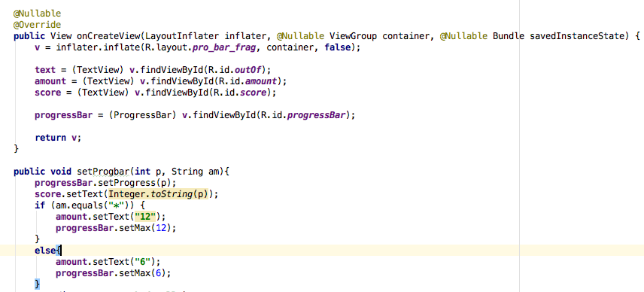 | fragment code in java class
 | code in activity to allow it to talk to fragment. Activity must implement fragment interface to be able to communicate
 | interface in fragment

Task 9
Screen | Description | Total Task Mark Possible | 10
0 | An advanced feature of your own choosing | Your Estimated Mark (0...10) | 10
 | sqlite was the advanced feature I choose | Lecturer Mark | 10
Screen | 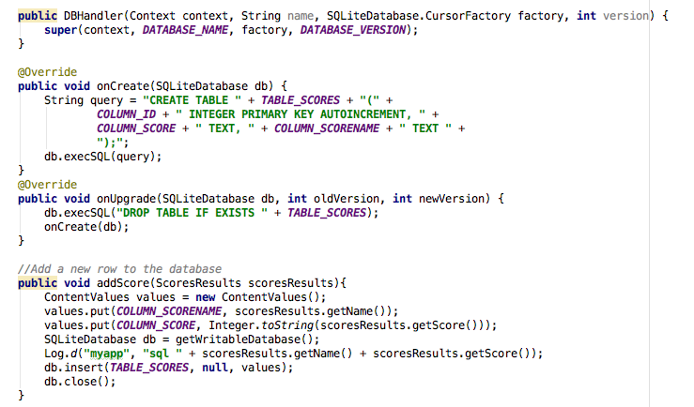 the database handler class that creates, adds, prints and gets rows from the database |  | 10

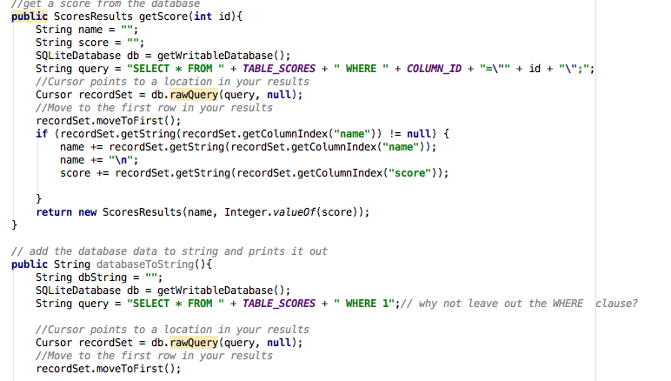 Code 1 | rest of the db handler
Code 2 | 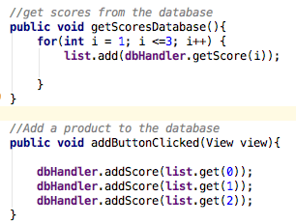 methods in the highscores class that adds and gets the scores to the database.
Code 3 | print out of the highscores from the sql to the log.

 | Add more app or code screen shots if you need to.

Task 10
 | Documentation

Screen | Description | Total Task Mark Possible | 10
0 | Using a coding standard e.g. Commented code, private variables, automatic variables, use extra classes where appropriate etc. (pick only one source file to show comments etc.). List of Class files and what they do. Evaluation - how did it work out for you, what mistakes did you make, what did you learn. | Your Estimated Mark (0...10) | 10
 |  | Lecturer Mark | 10
 | I choose the ScoresResult.java class to show my coding practices

Code | 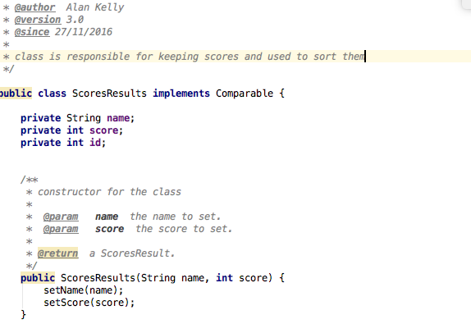 screen shot showing my coding practices in the ScoresResults class | 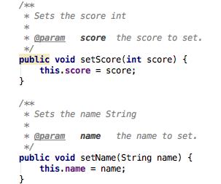
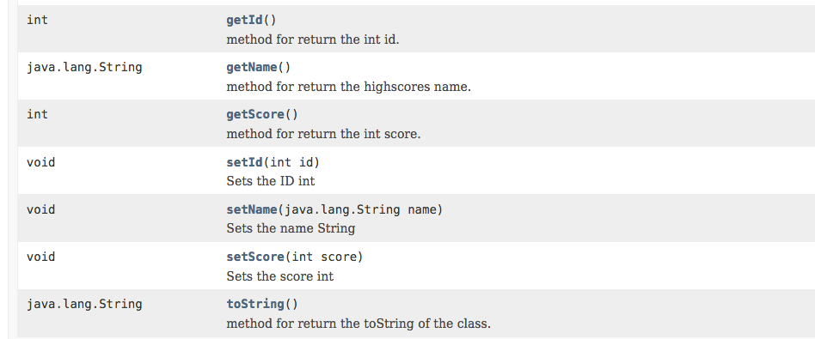 | screenshot of the java docs generated
Classes | List of classes: | Class name
 | The main activity which has a spinner, radio buttons and a few buttons | <mainActivity.java>
 | This is repsonsible for reading and writing to the database | <DBHandler.java>
 | this class responsible for displaying the graphics for task 7 | <GraphicReward.java>
 | This class has a seekbar and buttons. This is were the user selects the operator | <OpSelect.java>
 | This is a fragment that contains a progress bar and some textviews ro display the users score | <ProgressBarFragment.java>
 | this class displays then high scores and has clickable imageviews that open the camera for task 8 | <Scores.java>
 | each instance of this class is a score record containing the name and score of a user | <ScoresResult.java>
 | This is a fragment that contains a seek bar and has a textview and shows the seekbar setting. | <SeekBarFragment.java>
 | this is the first level of the game and contains the seekbar fragment and 3 random maths problems | <TimeTable.java>
 | this is the second level of the game and contains the seekbar fragment and 3 random maths problems | <TimeTable2.java>
 | Evaluation, what was learned, do differently etc.
 | I learned loads about android. I really liked the way the strings were not hardcored in like other languges and the strings file used would be different depending on the languguge chosen. After learning java before I started the module I could see how similar the 2 were. I found the most difficult thing were using fragments but they were very usefull after figuring it out.

