Sheet1
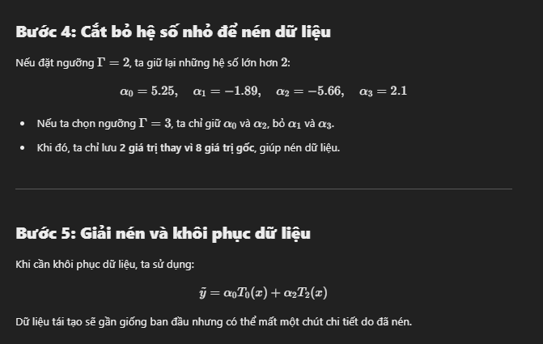
 | PCA |  |  | APCA |  |  | Proposed Method
 | Dataset 1 | Dataset 2 | Dataset 3 | Dataset 1 | Dataset 2 | Dataset 3 | Dataset 1 | Dataset 2 | Dataset 3
Compressed Data Points | 4765 | 4453 | 12519 | 1606 | 1387 | 4911 | 2332 | 2244 | 6712
Compression Ratio | 2.27 | 2.41 | 1.71 | 6.67 | 7.74 | 4.35 | 4.55 | 4.78 | 3.18
RMSE of compression | 0.21 | 0.2 | 0.3 | 0.28 | 0.31 | 0.46 | 0.21 | 0.29 | 0.41

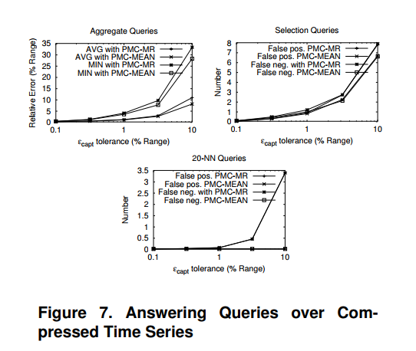
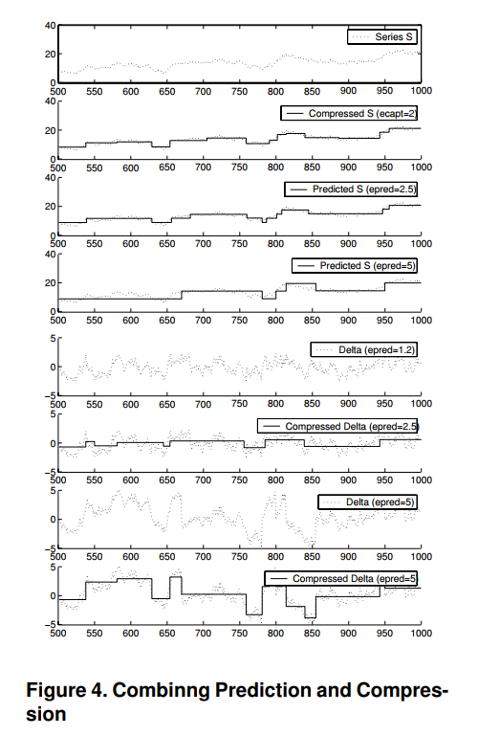
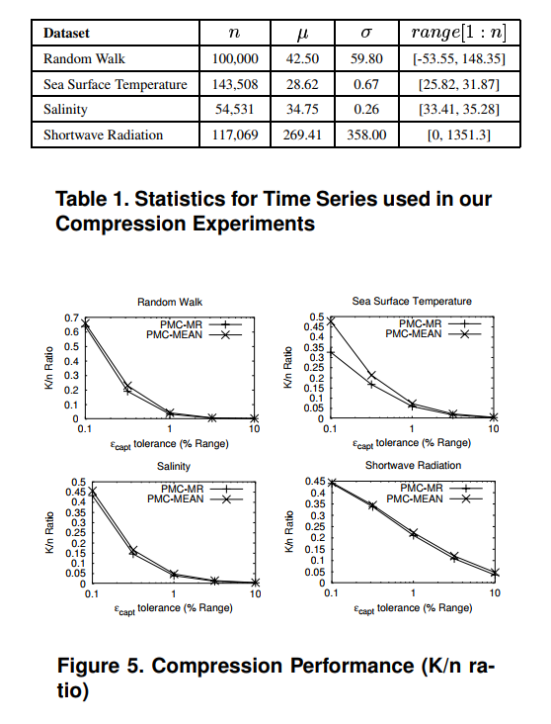
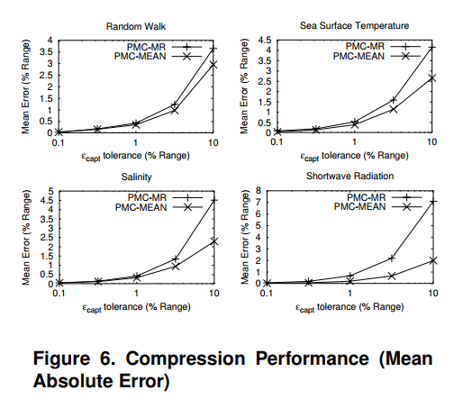

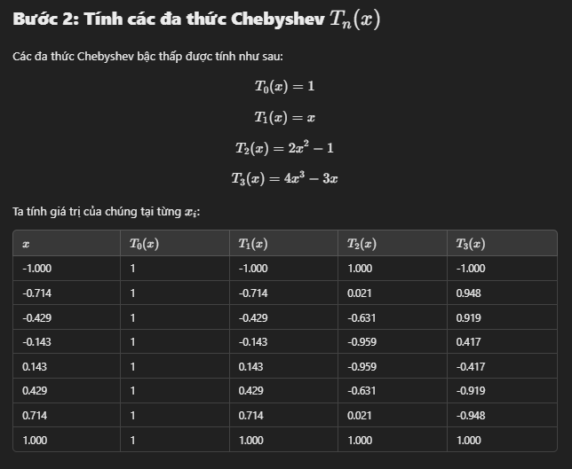
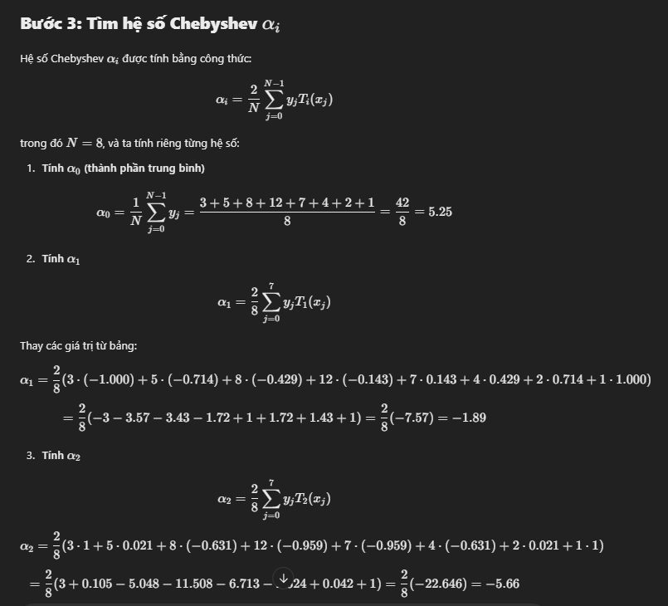
y=[3,5,8,12,7,4,2,1]

