1. Title Page
Instacart Grocery Basket Analysis

Project Name: Instacart Grocery Basket Analysis
Date: 26-Jan-2022
Analyst Name: Alankar C. Dhumal

Contents:
Population Flow
Consistency checks
Wrangling steps
Column derivations
Visualizations
Recommendations

2. Population Flow
Title page

Population flow

Exclusion flag
Condition: max_order < 5
Obervations to be removed: 51,992
Final total count of order_products_all: 238,585

Orders_products_combined
Orders_products_merged
Orders_products_all

Total: 290,620
Total: 290,884
Total: 290,577

1.) The grey boxes in the first row of the population flow represent the original data sets as they were when you downloaded them. In the Total fields you need to add the count of the rows when you imported the data set into Jupyter.
2.) The second row of boxes (coloured) represents the data sets after you manipulated them, e.g., removed missing values and duplicates. In the Total fields you need to add the count of the rows after conducting these operations. This offers a visual oveview of how the data flows throughout the data consistency checks.
3.) The third row, where also the arrows are coloured, represents the merges you performed between the datasets. In the Total fields you need to add the count of the rows in the merged datasets, so that you end up with the final dataset (in the red box). Keep in mind the final dataset should be without exclusions (based on the exclusion flag).

3. Consistency checks
 |  |  |  | Title page
Consistency checks

Dataset | Missing values | Missing values treatment | Duplicates
orders | NA | NA | NA
products | 16 | ommitted | 5
orders_products_prior | NA | NA | NA
customers | NA | NA | NA

4. Wrangling steps
 |  |  |  | Title page
Wrangling steps

Columns dropped | Columns renamed | Columns' type changed | Comment/Reason
eval_set | NA | NA | Irrelevant to the curreent analysis
NA | order_dow' renamed to 'orders_day_of_week' | NA | The new name is more descriptive
 |  | order_id' ,'order_number' changed to str | The intent of the column is to hold a sequential number on which no mathematical calculations will be performed. 'user_id@ was initially changed to 'str' but the following code failed with 'str' type #User_01_details = df_renamed_ords.loc[df_renamed_ords['user_id']==1]# Therefore 'int' has been reinstated for this column
 | order_hour_of_day' renamed to 'Order_time_of_day' |  | The new name is more descriptive
First Name','Surnam' |  |  | Personal Identifiable Information (PII) in these columns
 | n_dependants' renamed to Number of dependants |  | The new name is more descriptive
 | fam_status' :renamed to 'Marital status' |  | The new name is more descriptive
 | STATE' renamed to 'state' |  | To be consistent with other title cases

5. Column derivations
 |  |  |  | Title page

Column derivations and aggregations

In this tab you should add tables below that the frequences of flags/label variables that you produced after deriving them. NB: don't do this for continuous variables, only for flags.
Max_order,'user_avg_price' ,median_order_duration - not possible to produce a frequency table
loyalty_flag
Regular customer 126234
New customer 57692
Loyal customer 54659
spending_habit
Lower spender 231670
Higher spender 6915
'order_frequency'
Frequent customer 152751
Regular customer 47191
Non-frequent customer 30260
Exclude
51,992
Dataset | New column | Column/s it was derived from | Conditions
ords_prods_merge | max_order' | ['user_id'])['order_number'] | max order number for a user_id 'groupby(['user_id'])['order_number'].transform(np.max)
ords_prods_merge | loyalty_flag | max_order | >40 = Loyal <40 but >10, Regular <10 New
ords_prods_merge | user_avg_price' | ['user_id'])['prices'] | mean price for a user_id df.groupby(['user_id'])['prices'].transform(np.mean)
ords_prods_merge | spending_habit | user_avg_price' | <10, lower spender > 10 higher spender
ords_prods_merge | median_order_duration | (['user_id'])['days_since_prior_order'] | median days since prior order groupby(['user_id'])['days_since_prior_order'].transform(np.median)
ords_prods_merge | order_frequency' | median_order_duration | >20, Non-frequent customer > 10 but <20- regular <10 frequent
4.9_final_data_from_part_01.pkl | Exclude | ['max_order'] | ['max_order'] < 5

6. Visualizations
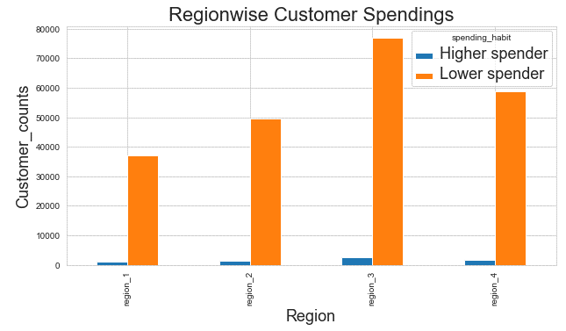
 |  | Title page

Visualisations

In this tab you should include all the visualtions from Exercises 4.9 and 4.10, alongside the questions from the project brief that they answer. Include any commentary on the relationship between different variables.

10 am is the busiest hour | 14 (2pm) generates most revenue |  | Customer Loyalty Flag vs Order Counts

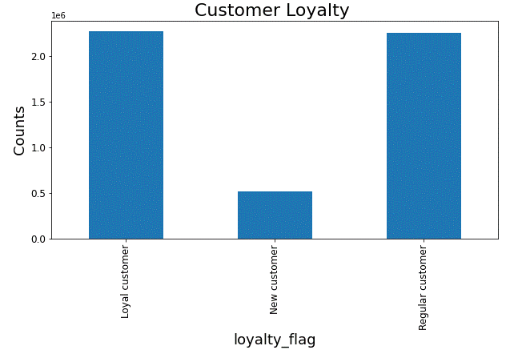
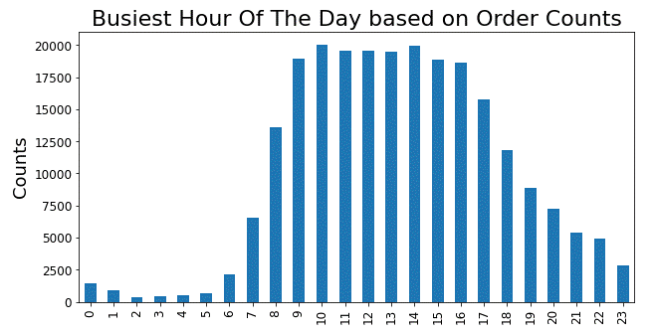
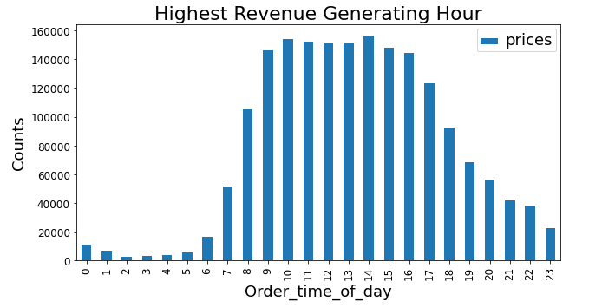

No connection between Age and Number Of Dependants | No connection between Age and Spending

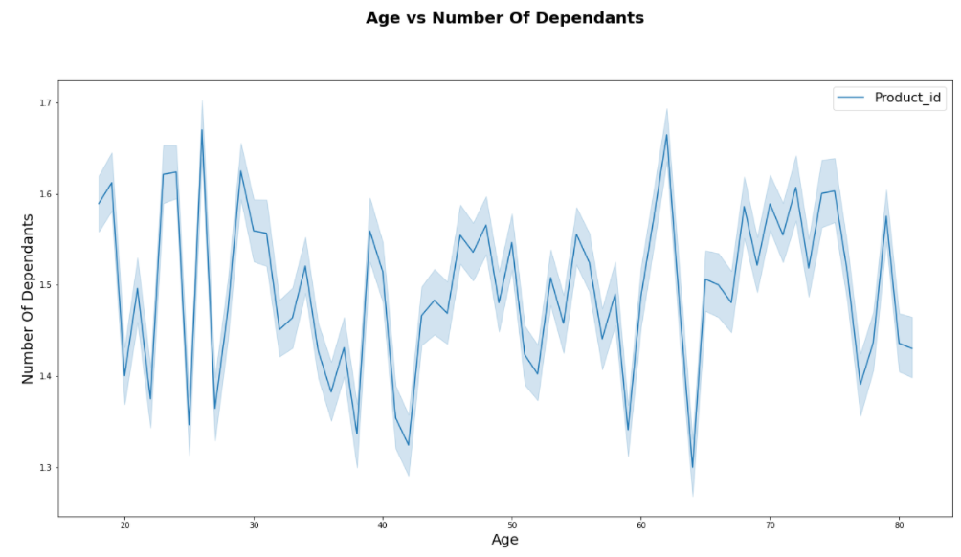
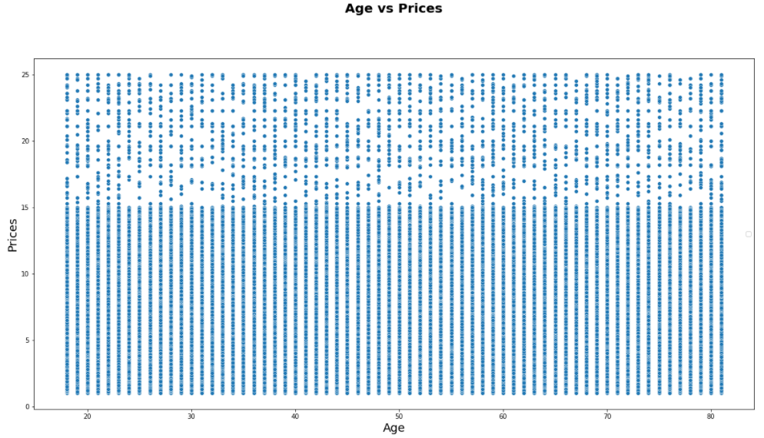

Region_3 has the highest spending and Region_1 has the lowest

7. Recommendations
 |  | Title page

Recommendations

In this tab you should include any recommendations you would made to Instcart in terms of their marketing strategy based on the questions posed in the brief. Every key question has been covered in the Tasks of the Exercises - here you need to add an item - a visualisation or table/crosstable that is showing the answer in the data, acompanied by a comment from you. Please, list the questions below and add the answer underneath.

 | Question | Answer | Plot reference
1 | The sales team needs to know what the busiest days of the week and hours of the day are (i.e., the days and times with the most orders) in order to schedule ads at times when there are fewer orders. | 10 am is the busiest hour of the day Saturday is the busiest day From midnight to 7 am and 7 pm to midnight are the best hrs for advts. Mon,Tue,Wed are the least busy days | Busiest Hour Of The Day.png 'Busiest Day Of Week.png' | Click here to see the charts
2 | They also want to know whether there are particular times of the day when people spend the most money, as this might inform the type of products they advertise at these times. | 14 (2pm) has the highest total of prices. Therefoe that is the time when people spend most money | Highest Revenue Generating Hour.png | Click here to see the charts
3 | Instacart has a lot of products with different price tags. Marketing and sales want to use simpler price range groupings to help direct their efforts. | A scatterplot showing prodcut prices has been produced and attached Products above $15 have broad price ranges where as products priced between $0 to $6 and $6 to $15 show good grouping | Product Prices Distribution.png | Click here to see the charts
4 | Are there certain types of products that are more popular than others? The marketing and sales teams want to know which departments have the highest frequency of product orders. | The following departments have the highest frequency.The chart shows more details 4 - Produce 16- Dairy eggs 19-deli 7- beverages | Departmentwise Product Sales.png | Click here to see the charts
5 | The marketing and sales teams are particularly interested in the different types of customers in their system and how their ordering behaviors differ. For example:
6 | What’s the distribution among users in regards to their brand loyalty (i.e., how often do they return to Instacart)? | Chart based on Order frequency derived from the median of order-duration shows that Region_3 has the most frequent customers | Regionwise Customer Loyalty.png | Click here to see the charts
7 | Are there differences in ordering habits based on a customer’s loyalty status? | Regular-customers have the highest numbers of lower spenders. The chart shows other details | Customer Loyalty vs Spending Habits.png | Click here to see the charts
8 | Are there differences in ordering habits based on a customer’s region? | Region_3 has the largest customer base made up of both higher spender as well as Lower Spenders | Regionwise Customer Spendings.png | Click here to see the charts
9 | Is there a connection between age and family status in terms of ordering habits? | Covered below in the customer profiles
10 | What different classifications does the demographic information suggest? Age? Income? Certain types of goods? Family status? | The following profiles were created. Middle_class_family(age >30,income<150000,kids,married) Senior_single (>30, single/widowed/divorced) Young_family (<=30 yrs,income < 70000,married or living with parents) wealthy_family (income >150000, married Young_single (<30, single/widowed/divorced) The chart shows that the "Middle_class_family" is the biggest customer base across all regions followed by "Senior_single". Young_single is the group which is needed to be pulled up by introducing more products which could attract youngsters | Regionwise Customer Profile Distribution.png wealthy_family_Spendings.png Young_single_Spendings.png Senior_single Spendings.png Middle_class_family Spendings.png | Click here to see the charts
11 | What differences can you find in ordering habits of different customer profiles? Consider the price of orders, the frequency of orders, the products customers are ordering, and anything else you can think of. | Generally Middle_class_family is the leading spender in all departments followed by Senior_single with the following exceptions. 8, Pets = Young_family 2,Other = Young_family & Senior_single almost same Introducing more Pet products and items which would be useful to mid-age male and female customer will be beneficial | Department ID,2-Other.png Department ID,8-Pets.png | Click here to see the charts

7A-Additional Visualizations
