Maine Heat Map
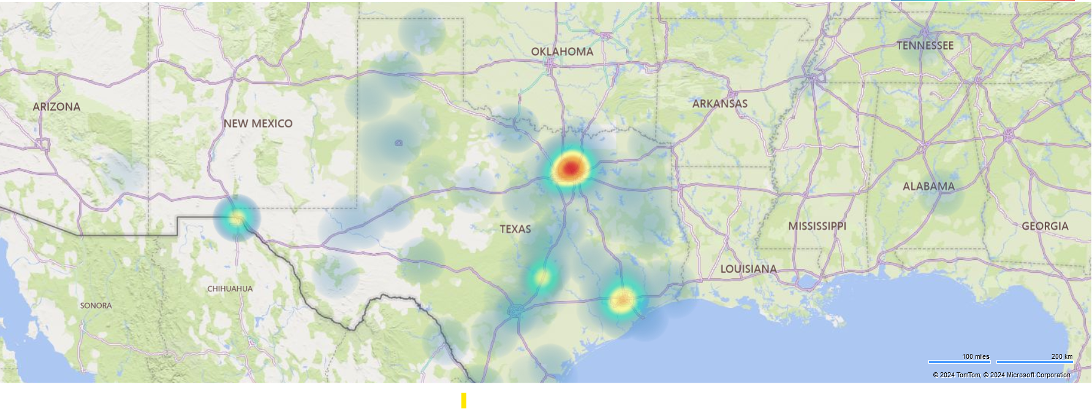
Data 1/1/21 to 9/19/24

Maine Region Map
