ECP
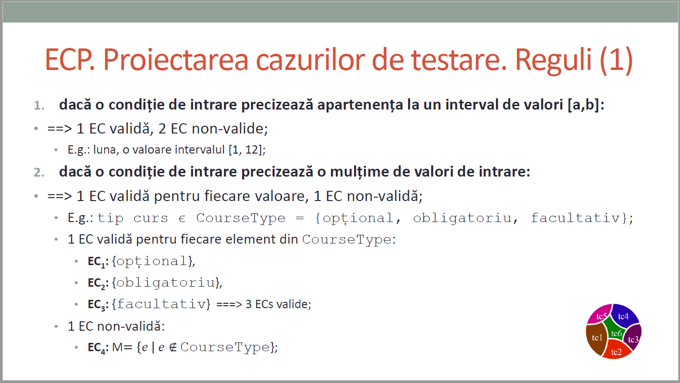
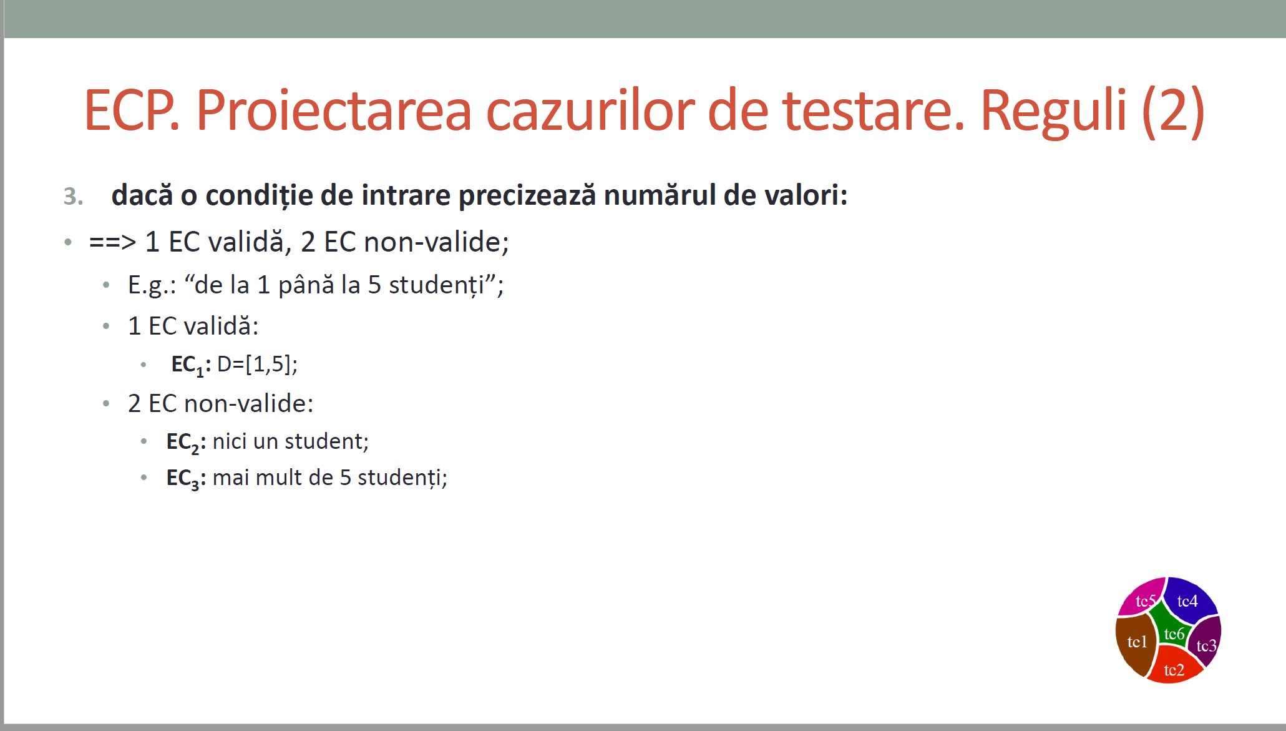
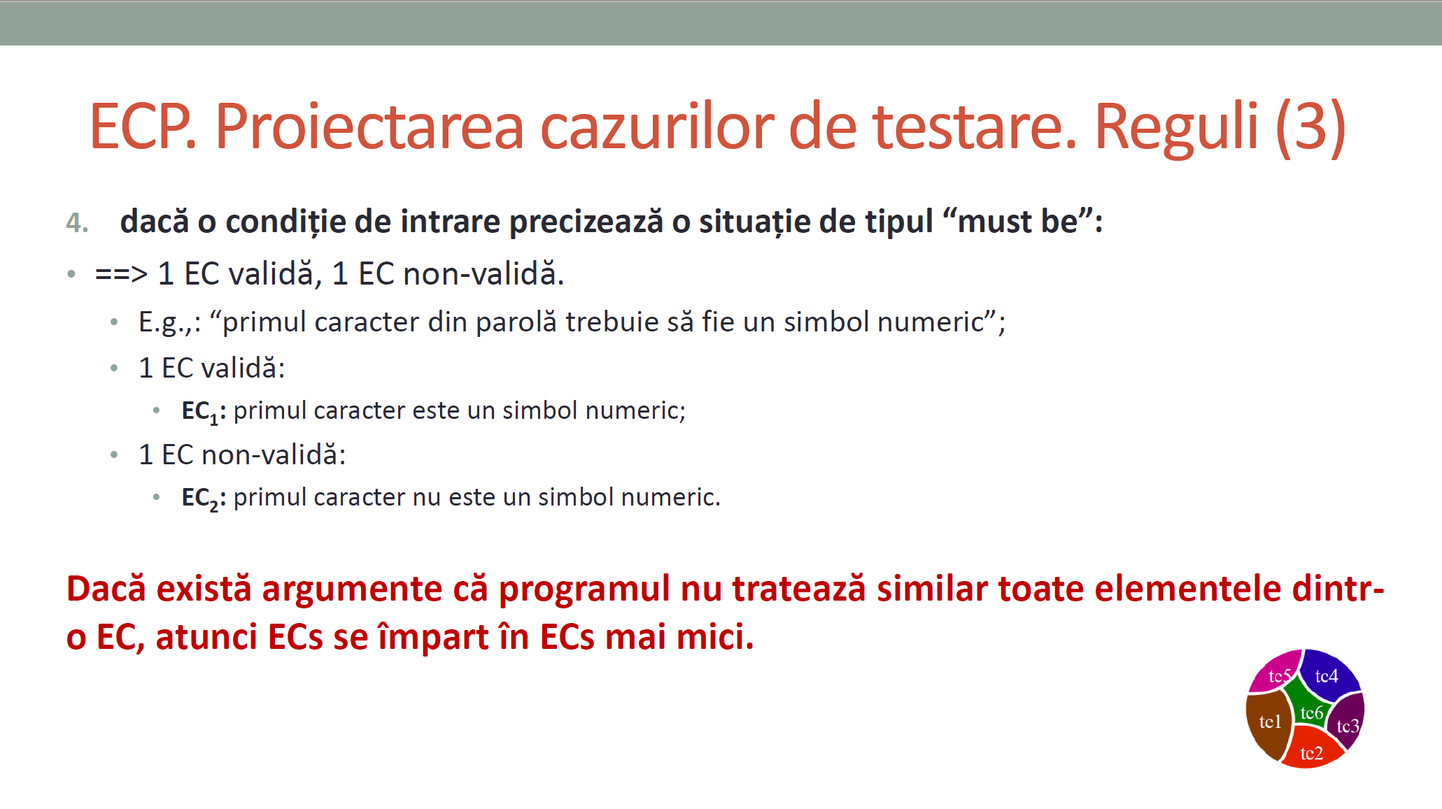
/** * adauga un angajat in repository * @param employee - un angajat cu atributele id, lastName, firstName, cnp, function, salary * @return boolean - false daca employee nu este valid */ public boolean addEmployee(Employee employee);
 |  |  | VVTA, PPFDP Informatica, 2022-2023
 |  |  |  | se vor identifica minimum 4 clase de echivalenta (2 valide, 2 non-valide)
 |  |  |  | se vor proiecta minimum 4 cazuri de testare (2 valide, 2 non-valide) sau se va realiza acoperire ECs de 100%.

 | Identificarea ECs valide/non-valide pentru date de intrare/ieşire |  |  |  |  | Proiectarea cazurilor de testare folosind ECP

 |  |  |  |  | No. TCxx_EC | EC | input data |  |  |  |  | output data
 | No. EC | Condition | Valid EC | Non-valid EC |  |  | firstName | lastName | cnp | salary | enum ocupatii | expected
 | 1 | lungimeFirstName | >=1 |  | 1 | 1,3,5,8,11 | "La" | "Dorin" | 1991141315210 | 1500 | LECTURER | TRUE
 | 2 |  |  | <1 | 2 | 2,3,5,8,11 | null | "Sergiu" | 1881141315210 | 1800 | ASISTENT | FALSE
 | 3 | nume | să conțină doar litere |  | 3 | 1,4,5,8,11 | "Popescu" | "Maria3" | 2991111015610 | -1 | CONFERENTIAR | FALSE
 | 4 |  |  | nu conțin doar litere | 4 | 1,3,6,8,11 | "Laurentiu" | "Sorin" | 188114131521 | 2000 | CONFERENTIAR | FALSE
 | 5 | cnp | lungime==13
 | 6 |  |  | lungime!=13
 | 7 |  |  | NULL
 | 8 | salary | >0
 | 9 |  |  | <1
 | 10 |  |  | NULL
 | 11 | valorile listei de ocupatii | valorile din enum
 | 12 |  |  | valori din afara enum
 | 13 |  |  | NULL
 | 14
 | 15
 | 16
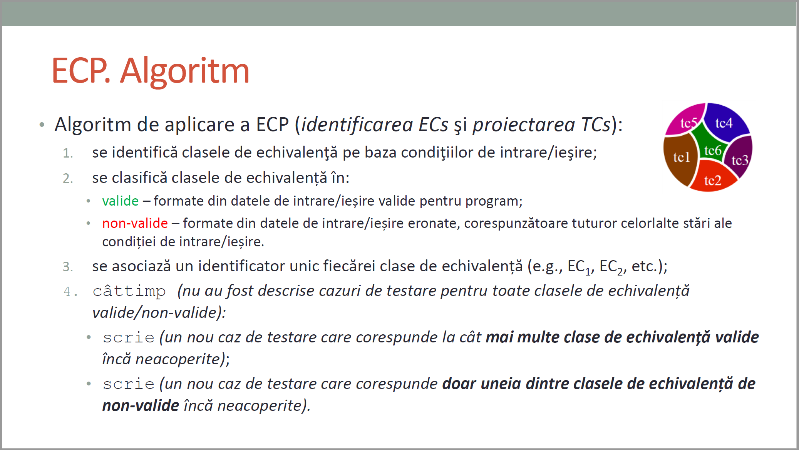
CURS 4

BVA
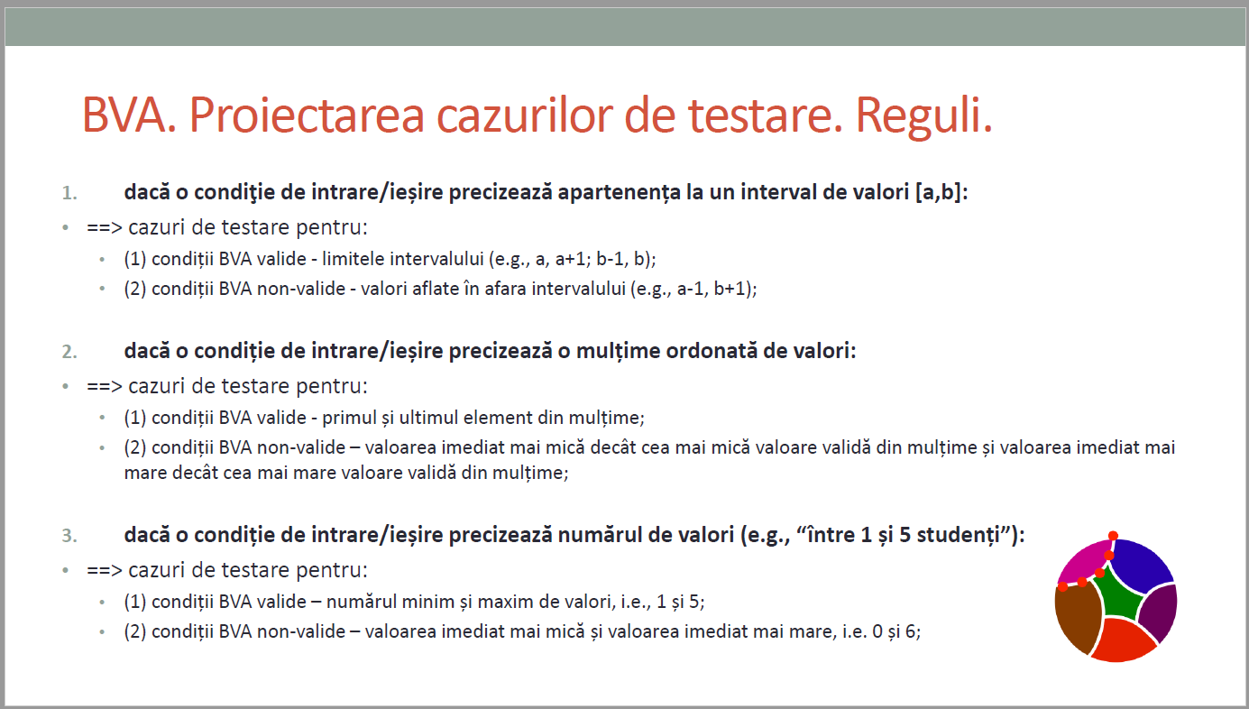
 |  |  |  | VVTA, PPFDP Informatica, 2022-2023
 |  | se vor identifica minimum 4 conditii BVA (2 valide, 2 non-valide)
 |  | se vor proiecta minimum 4 cazuri de testare (2 valide, 2 non-valide)
/** * adauga un angajat in repository * @param employee - un angajat cu atributele id, lastName, firstName, cnp, function, salary * @return boolean - false daca employee nu este valid */ public boolean addEmployee(Employee employee);

 | Identificarea condiţiilor BVA asociate ECs valide pentru date de intrare/ieşire |  |  |  | Proiectarea cazurilor de testare folosind condiţiile BVA

 |  |  |  |  | No TCxx_BVA | BVA condition | Correlated TC | Executable | input data |  |  |  |  | output data
 | Crt. No. | Valid EC | BVA Condition |  |  |  |  |  | firstName | lastName | cnp | salariu | lista functii | expected result
 | a. | lungimeLastName>=1 | 1 | 0 | 1 | 2 | TC01_BVA | TRUE | null | "Sergiu" | 1881141315210 | 1800 | ASISTENT | FALSE
 |  |  | 2 | 1 | 2 | 1 | TC02_BVA | TRUE | C | "Ioana" | 2991241315210 | 2500 | LECTURER | TRUE
 |  |  | 3 | 2 | 3 | 3 | TC01_EC | TRUE | La | "Dorin" | 1991141315210 | 1500 | CONFERENTIAR | TRUE
 | b. | salariu>0 | 4 | -1 | 4 | 4 | TC03_EC | TRUE | Costache | "Maria3" | 2991111015610 | -1 | CONFERENTIAR | FALSE
 |  |  | 5 | 0 | 5 | 5 | TC05_BVA | TRUE | Popescu | "Liviu" | 1991141315214 | 0 | CONFERENTIAR | FALSE
 |  |  | 6 | 1 | 6 | 6 | TC06_BVA | TRUE | Popescu | "Roxana" | 2951111015610 | 1 | ASSISTANT | TRUE
 | c. | lungimeCnp | 7 | 12 | 7 | 7 | TC04_EC | TRUE | Ardean | "Sorin" | 188114131521 | 2000 | CONFERENTIAR | FALSE
 |  |  | 8 | 13 | 8 | 8
 |  |  | 9 | 14 | 9 | 9
 | d. |  | 10 |  | 10 | 10
 |  |  | 11 |  | 11 | 11
 |  |  | 12 |  | 12 | 12
 |  |  | 13 |  | 13 | 13
 |  |  | 14 |  | 14 | 14
 |  |  | 15 |  | 15 | 15
 | e. |  | 16 |  | 16 | 16
 |  |  | 17 |  | 17 | 17
 |  |  | 18 |  | 18 | 18
 |  |  | 19 |  | 19 | 19
 |  |  | 20 |  | 20 | 20
 |  |  | 21 |  | 21 | 21

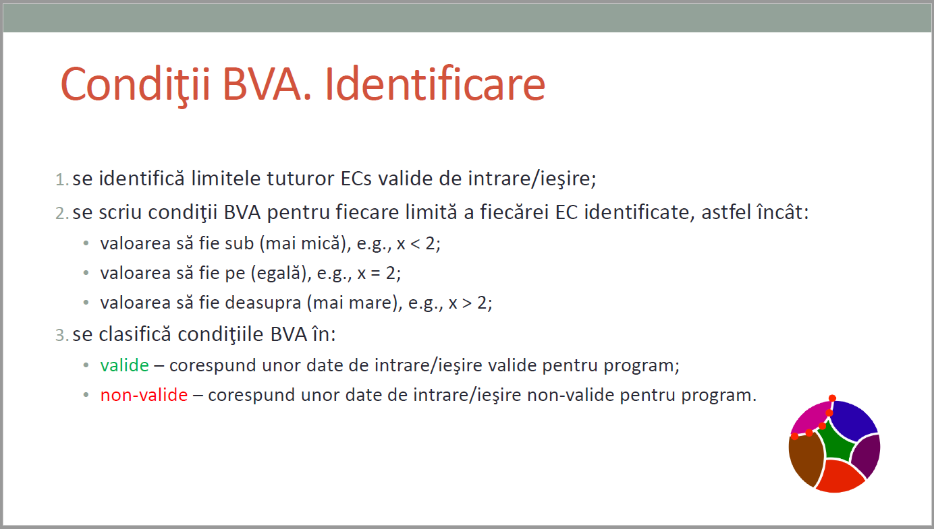
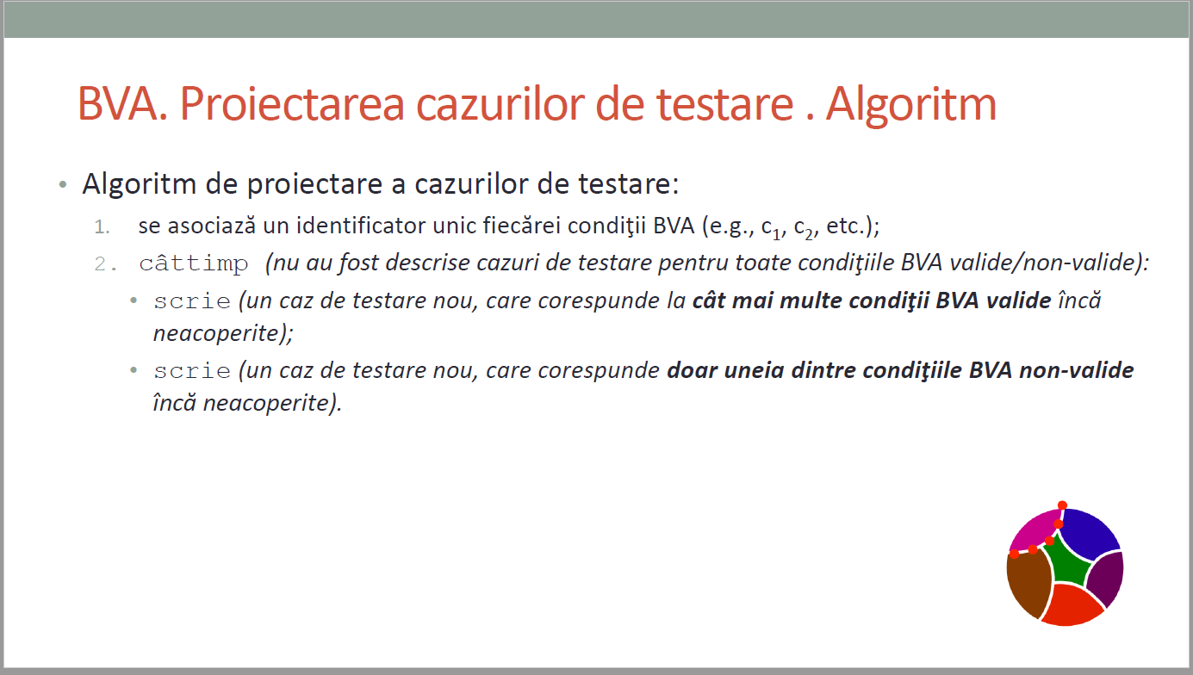
CURS 4

