Munkalap1
 | 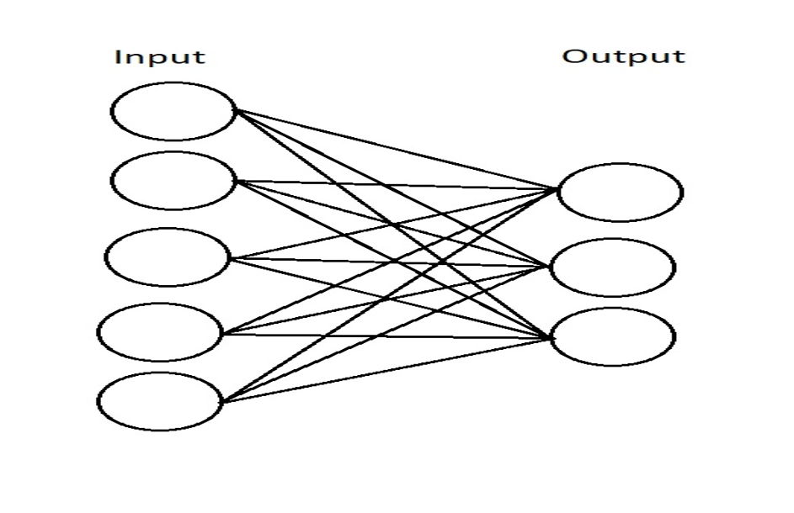
Inputs: |  | Weights: |  |  | Bias:
1 | 0.49671415 | -0.1382643 | 0.64768854 | 0.61185289 | 0.13949386 | 0.29214465 | 12.27231673 | -9.58484495 | -11.42437205
2 | 1.52302986 | -0.23415337 | -0.23413696
3 | 1.57921282 | 0.76743473 | -0.46947439
4 | 0.54256004 | -0.46341769 | -0.46572975
5 | 0.24196227 | -1.91328024 | -1.72491783

 |  |  |  |  |  |  |  |  | Output
 |  |  |  |  |  |  |  |  | 0.99999532051
 |  |  |  |  |  |  | Sigmoid |  | 6.8758258113E-05
 |  |  |  |  |  |  | 0.5 |  | 1.0925806744E-05

