Sheet3
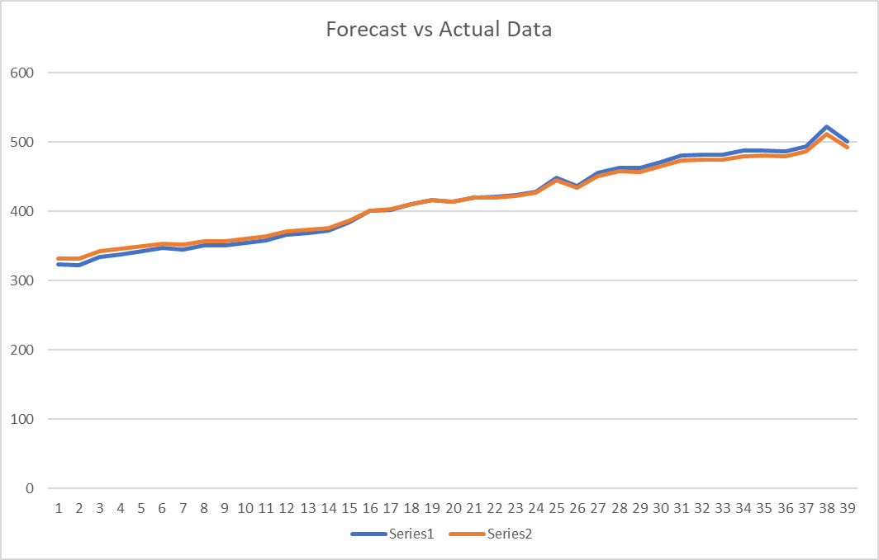
First Difference
 | 4
 | -1
 | 12
 | 4
 | 4
 | 5
 | -2
 | 6
 | 0
 | 3
 | 4
 | 8
 | 3
 | 3
 | 12
 | 16
 | 2
 | 8
 | 6
 | -2
 | 6
 | 1
 | 2
 | 5
 | 20
 | -12
 | 19
 | 8
 | -1
 | 9
 | 9
 | 1
 | 1
 | 5
 | 1
 | -2
 | 8
 | 28
 | -21
Time, t | Actual Data, Yt | First ΔZt1 | Second ΔZt2 | Mean Zt2 | (ΔZt2 - Mean ΔZt2)^2 | r_k | r_kk | Θ1 | RMSE | ARIMA Forecast | Naïve Forecast
1 | 319 |  |  |  |  | -0.4757 | -0.4757 | 0.1 | 53.11043 | C = 411.625
2 | 323 | 4 |  |  |  | -0.06404 | -0.2994 | 0.2 | 47.20927 | 331.8625 | 319
3 | 322 | -1 | -5 | -0.65789473684 | 18.853878116 | 0.1369 | -0.06567 | 0.3 | 41.30811 | 330.9625 | 323
4 | 334 | 12 | 13 |  | 186.53808864 | 0.003453 | 0.03976 | 0.4 | 35.40696 | 341.7625 | 322
5 | 338 | 4 | -8 |  | 53.906509695 | -0.14345 | -0.14578 | 0.5 | 29.5058 | 345.3625 | 334
6 | 342 | 4 | 0 |  | 0.43282548476 |  |  | 0.6 | 23.60464 | 348.9625 | 338
7 | 347 | 5 | 1 |  | 2.7486149584 |  |  | 0.7 | 17.70348 | 353.4625 | 342
8 | 345 | -2 | -7 |  | 40.222299169 |  |  | 0.8 | 11.80232 | 351.6625 | 347
9 | 351 | 6 | 8 |  | 74.959141274 |  |  | 0.9 | 5.901159 | 357.0625 | 345
10 | 351 | 0 | -6 |  | 28.538088643 |  |  |  |  | 357.0625 | 351
11 | 354 | 3 | 3 |  | 13.380193906 |  |  |  |  | 359.7625 | 351
12 | 358 | 4 | 1 |  | 2.7486149584 |  |  |  |  | 363.3625 | 354
13 | 366 | 8 | 4 |  | 21.69598338 |  |  |  |  | 370.5625 | 358
14 | 369 | 3 | -5 |  | 18.853878116 |  |  |  |  | 373.2625 | 366
15 | 372 | 3 | 0 |  | 0.43282548476 |  |  |  |  | 375.9625 | 369
16 | 384 | 12 | 9 |  | 93.274930748 |  |  |  |  | 386.7625 | 372
17 | 400 | 16 | 4 |  | 21.69598338 |  |  |  |  | 401.1625 | 384
Second Difference
 | -5
 | 13
 | -8
 | 0
 | 1
 | -7
 | 8
 | -6
 | 3
 | 1
 | 4
 | -5
 | 0
 | 9
 | 4
 | -14
 | 6
 | -2
 | -8
 | 8
 | -5
 | 1
 | 3
 | 15
 | -32
 | 31
 | -11
 | -9
 | 10
 | 0
 | -8
 | 0
 | 4
 | -4
 | -3
 | 10
 | 20
 | -49
18 | 402 | 2 | -14 |  | 178.01177285 |  |  |  |  | 402.9625 | 400
rkk graph
 | -0.4757
 | -0.2994
 | -0.06567
 | 0.03976
 | -0.14578
19 | 410 | 8 | 6 |  | 44.327562327 |  |  |  |  | 410.1625 | 402
20 | 416 | 6 | -2 |  | 1.8012465374 |  |  |  |  | 415.5625 | 410
21 | 414 | -2 | -8 |  | 53.906509695 |  |  |  |  | 413.7625 | 416
22 | 420 | 6 | 8 |  | 74.959141274 |  |  |  |  | 419.1625 | 414
23 | 421 | 1 | -5 |  | 18.853878116 |  |  |  |  | 420.0625 | 420
24 | 423 | 2 | 1 |  | 2.7486149584 |  |  |  |  | 421.8625 | 421
25 | 428 | 5 | 3 |  | 13.380193906 |  |  |  |  | 426.3625 | 423
26 | 448 | 20 | 15 |  | 245.16966759 |  |  |  |  | 444.3625 | 428
27 | 436 | -12 | -32 |  | 982.32756233 |  |  |  |  | 433.5625 | 448
28 | 455 | 19 | 31 |  | 1002.2222992 |  |  |  |  | 450.6625 | 436
29 | 463 | 8 | -11 |  | 106.95914127 |  |  |  |  | 457.8625 | 455
30 | 462 | -1 | -9 |  | 69.590720222 |  |  |  |  | 456.9625 | 463
31 | 471 | 9 | 10 |  | 113.59072022 |  |  |  |  | 465.0625 | 462
32 | 480 | 9 | 0 |  | 0.43282548476 |  |  |  |  | 473.1625 | 471
33 | 481 | 1 | -8 |  | 53.906509695 |  |  |  |  | 474.0625 | 480
34 | 482 | 1 | 0 |  | 0.43282548476 |  |  |  |  | 474.9625 | 481
35 | 487 | 5 | 4 |  | 21.69598338 |  |  |  |  | 479.4625 | 482
36 | 488 | 1 | -4 |  | 11.16966759 |  |  |  |  | 480.3625 | 487
37 | 486 | -2 | -3 |  | 5.4854570637 |  |  |  |  | 478.5625 | 488
38 | 494 | 8 | 10 |  | 113.59072022 |  |  |  |  | 485.7625 | 486
39 | 522 | 28 | 20 |  | 426.74861496 |  |  |  |  | 510.9625 | 494
40 | 501 | -21 | -49 |  | 2336.9591413 |  |  |  |  | 492.0625 | 522
41 |  |  |  |  |  |  |  |  |  | 505.497 | 501

