client
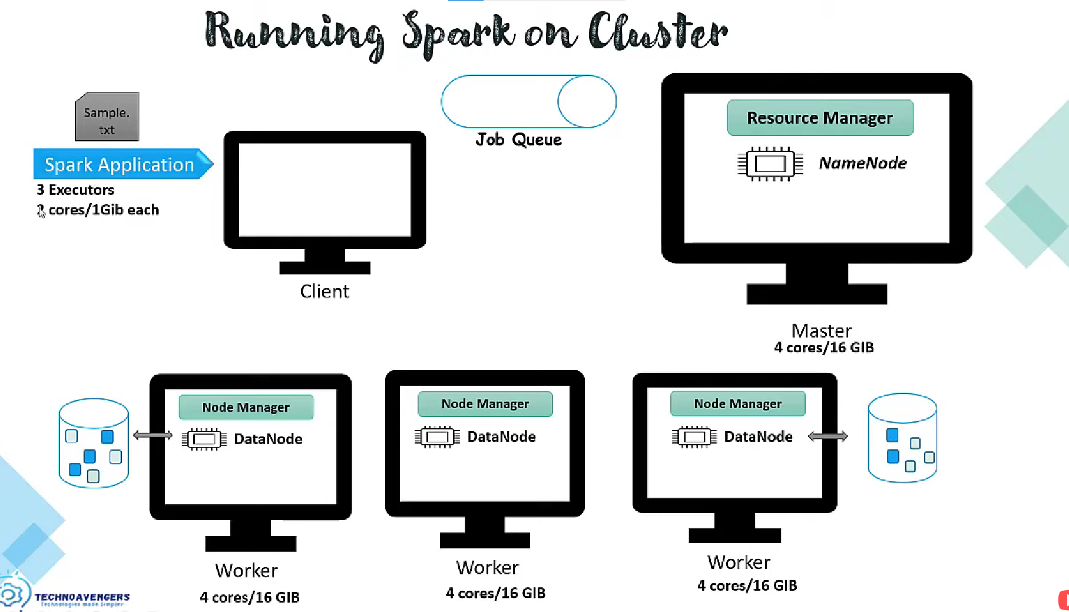
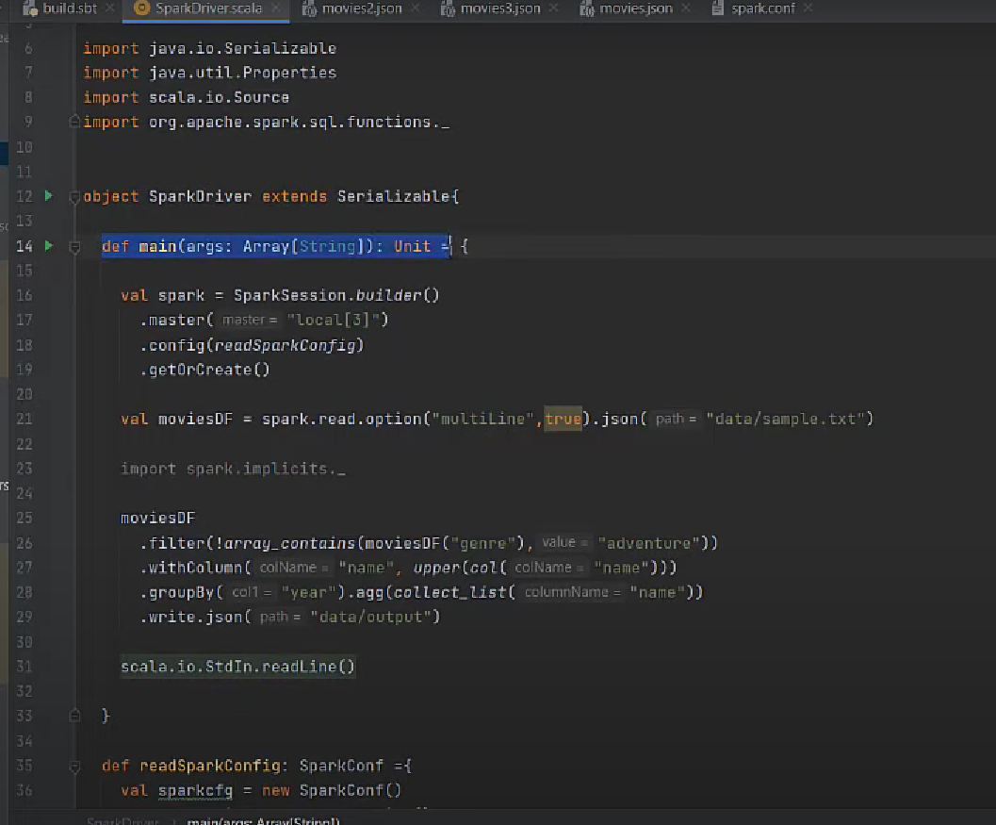

Main class that contain main method is called Driver class in spark.

spark Executors is the same as deploying a spark container.
Sample.txt is inside HDFS, marked as blue in the DataNodes (workers)
./bin/spark-submit \ --class <main-class> \ --master <master-url> \ --deploy-mode client \ --conf <key>=<value> \ ... # other options <application-jar> \ [application-arguments]

When submitting an app, a java process is created.

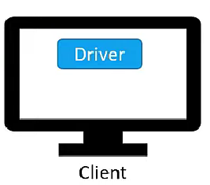

Connects to the NameNode to get the information about the "Sample.txt" file (file in HDFS). NameNode is HDFS. Before provide any info, NameNode checks permissions. After those checks , NameNode returns partition information to the driver.
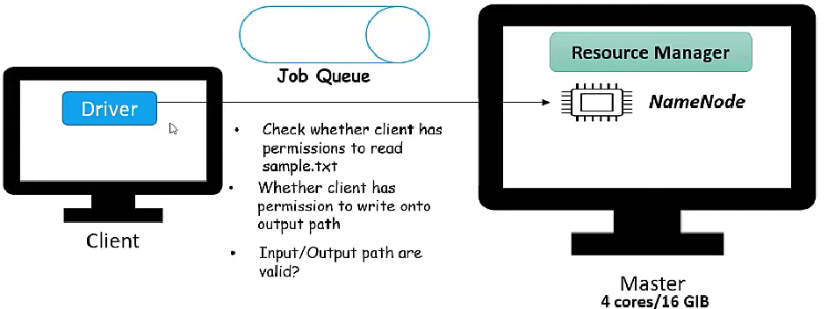
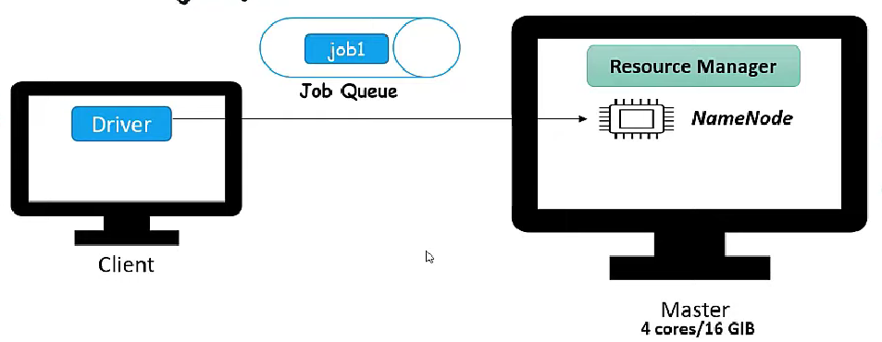

And if everithing if sucessful NM creates a job for the application in the job queue.

With the file information, driver creates logical and physical plan
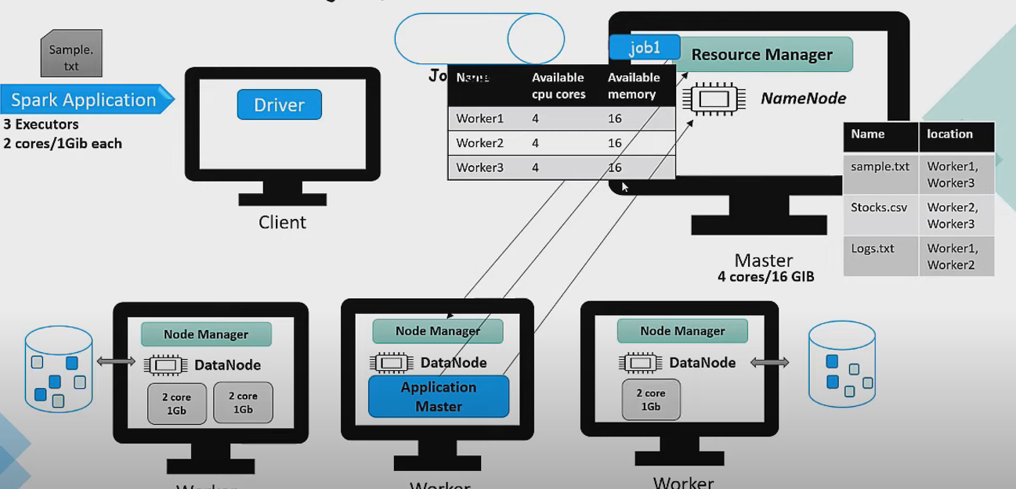

Whether enough resources available in the cluster, Resource Manager will take the job

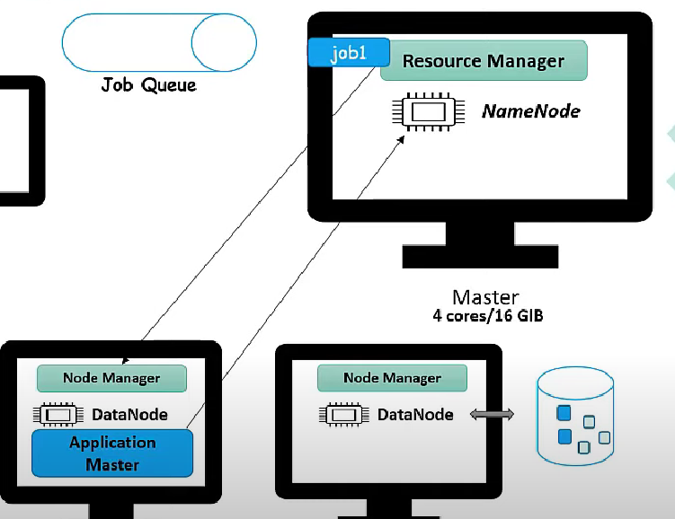

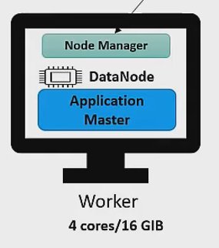
RM creates an application master in any of the worker machines. Every application of YARN is assigned an application master, which is responsible of negotiate resources with the resources manager require to run the application
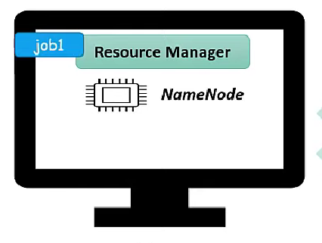
AM figures what amount of resources to use, and where are the file blocks located in order to run there the stage. After that connect to the NM to check the info describe above, so ask to create containers in those machines. The RM checks also for resources available.
If everything is finne, RM will create containers/executors on those machines.

Once executors are created, they register themselves with the driver (and driver decides how the process will be executted into the executors).

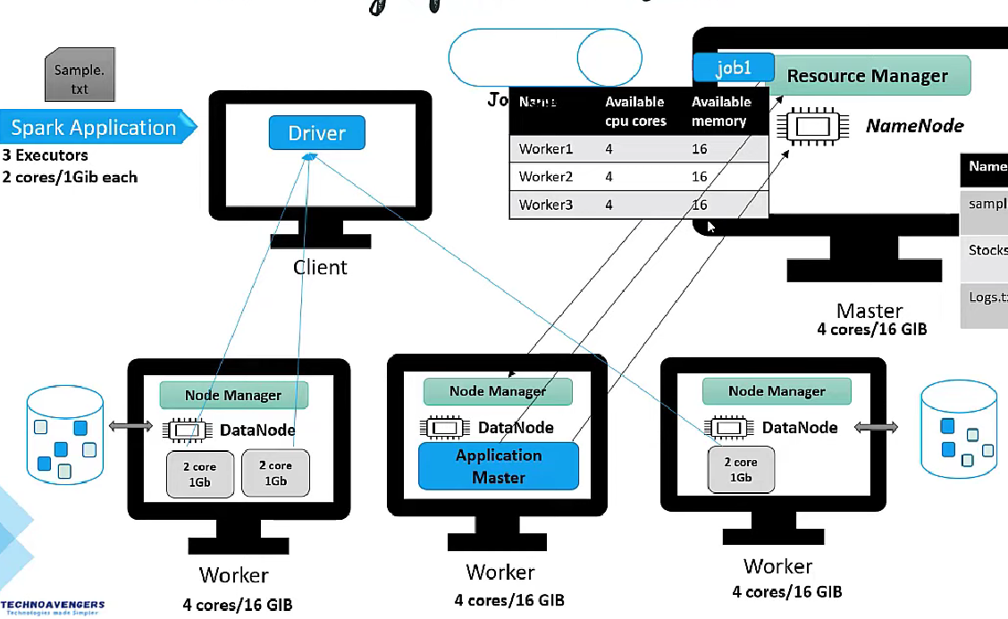

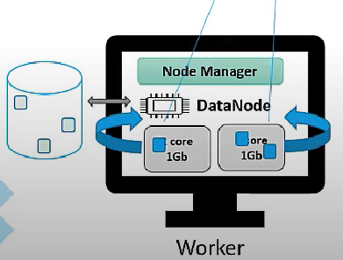

And executors load data into memory, and start its process.

modes
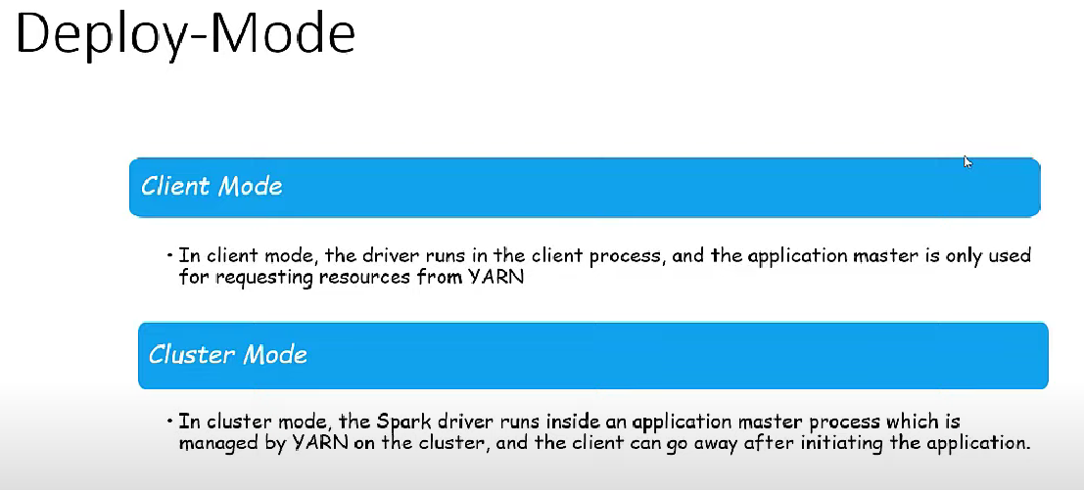

Driver process is the starting point of the application. Once the executors are created, is the driver who controls everything after that.
Driver will:
1. Analize the code, create a logical plan (how the code will be executed in the executors, how many tasks should be there based on the number of partitions), and then a physical plan.
2. The task are assigned to the executors
If there are a 4 core executor, and 2 executors, the degree of parallelism is 8.

shuffle
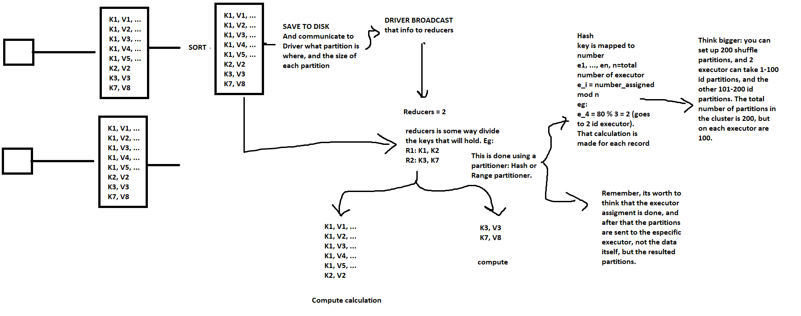

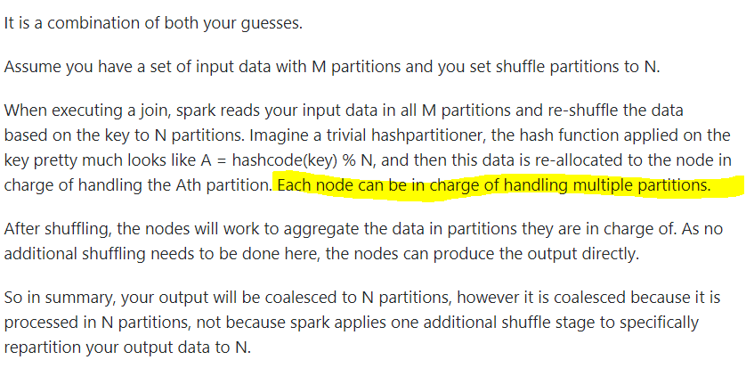

https://stackoverflow.com/questions/51950062/spark-sql-shuffle-partitions-of-200-default-partitions-conundrum

ShuffleMapTask: A ShuffleMapTask divides the elements of an RDD into multiple buckets (based on a partitioner specified in the ShuffleDependency).
ResultTask: A task that sends back the output to the driver application.
https://mallikarjuna_g.gitbooks.io/sparkinternals/content/shuffle-details.html

