Sheet2
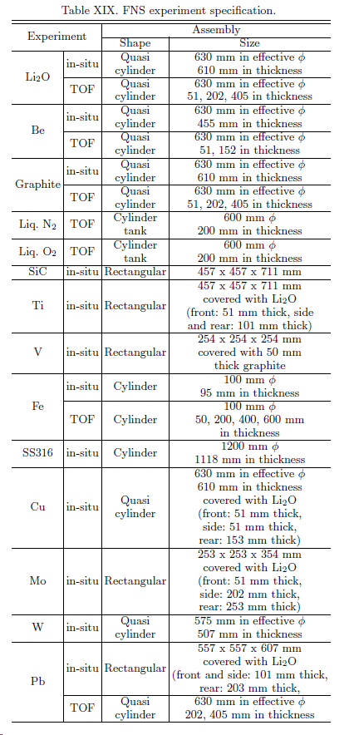
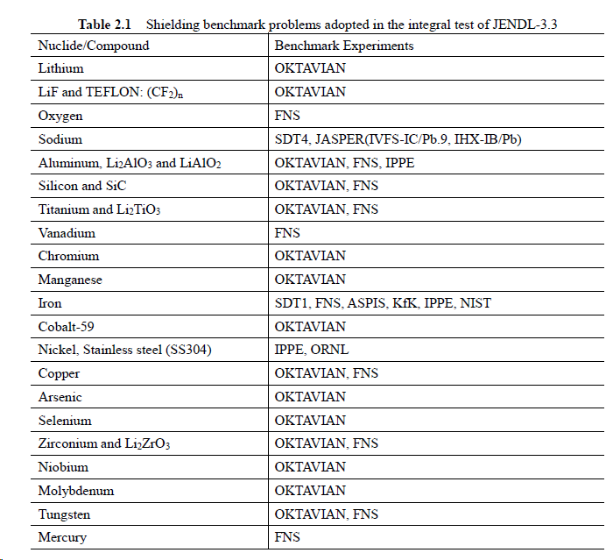
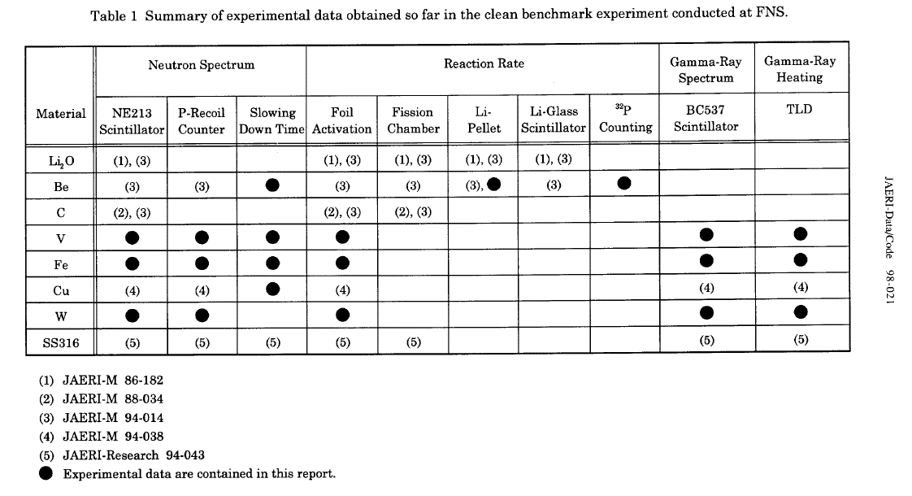
Additional useful tables from documentation

Summary of some FNS experiments | Summary of benchmarks by materials | FNS experimental data and MCNP inputs location in JAERI reports

