websiteFeatures
ID | TYPE | NAME | PRIORITY | OBJECTIVE | PRECONDITIONS | ENTRY CRITERIA | STEPS | EXPECTED RESULT | ACTUAL RESULT | STATUS | EVIDENCE
registration | Positive | Registration feature | High | Test if a register button actually appears on the main page. | PC, Internet access, preferably not having a created account. | N/A | 1. Open Selenium IDE to start recording. Your browser containing the extension should open the following URL: https://www.musixmatch.com/es | Selenium IDE should open the URL from musixmatch website. | The website is opened correctly | Pass | 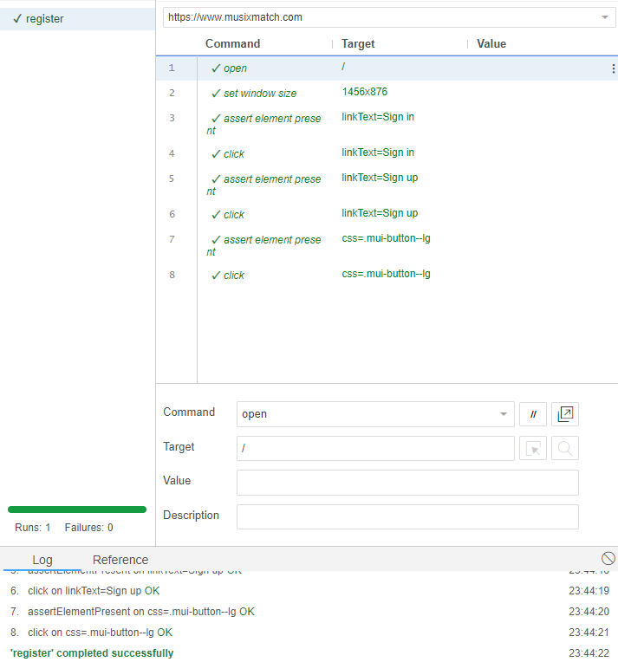
 |  |  |  |  |  |  | 2. First, look for a "Log In" button and click on it. | A Log In button will be displayed on the home page. | There is a Log In button on the home page working correctly.
 |  |  |  |  |  |  | 3. Click on "Registrarse" button | The Sign Up button should appear on the screen. | A Sign-Up button is displayed correctly

login | Positive | Login feature | High | Test if a user would be able to log into his/her account | PC, Internet access, a created account | user, password | 1. Open Selenium IDE to start recording. Your browser containing the extension should open the following URL: https://www.musixmatch.com/es | Selenium IDE should open the URL from musixmatch website. | The website is opened correctly | Pass | 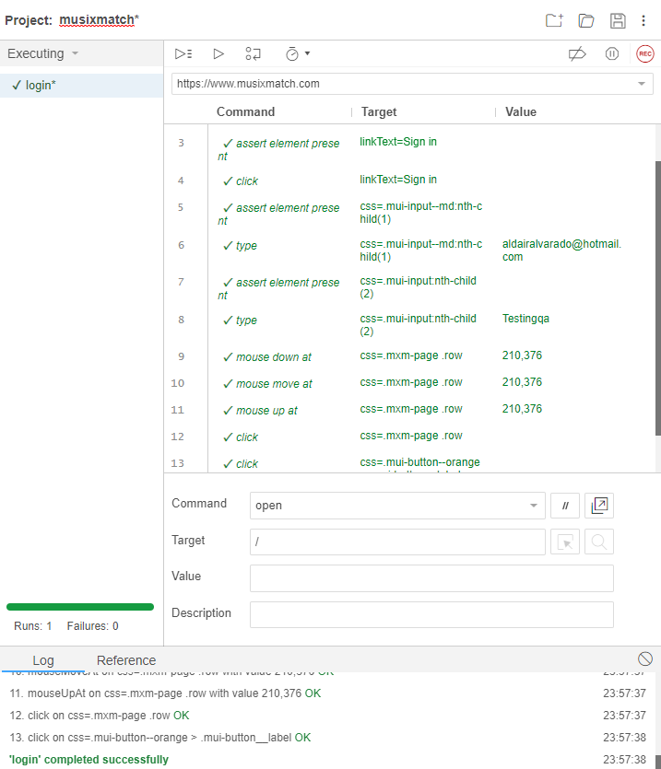
 |  |  |  |  |  |  | 2. Click on the Log In button. | The Log-In button should redirect us to a Sign-In menu. | The Log-In button is working correctly and is redirecting the user to the next menu.
 |  |  |  |  |  |  | 3. Fill the text boxes with your credentials, and sign in by clicking the button. | By writing the correct user and password, the website will log us in. | The Log-In function is working correctly.

music share | Positive | Music Share feature | High (as it's the main function of the website) | Test if a user would be able to like songs once logged in. | PC, Internet access, a created account | user, password account logged-in | 1. Open Selenium IDE to start recording. Your browser containing the extension should open the following URL: https://www.musixmatch.com/es | Selenium IDE should open the URL from musixmatch website. | The website is opened correctly | Pass | 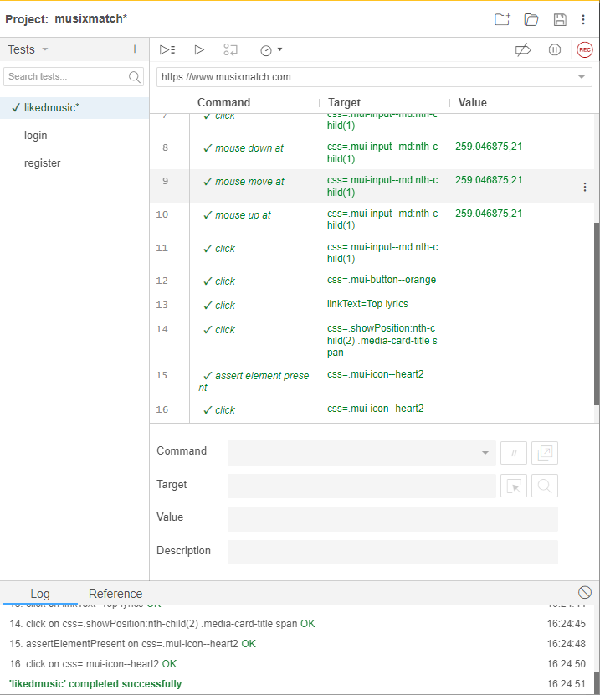
 |  |  |  |  |  |  | 2. Once logged in, clic on Top Lyrics button. | The button will direct us to Top Lyrics menu. | The button is working correctly
 |  |  |  |  |  |  | 3. Search for any song and click on its card. | By clicking on the selected song the page will direct the user to the songid menu. | The button redirect the user to the correct route.
 |  |  |  |  |  |  | 4. Go to the end of the lyrics and click on the heart-shaped button. | The button will save the specific song to our favorite songs list. | The song is saved correctly by clicking on the heart button.

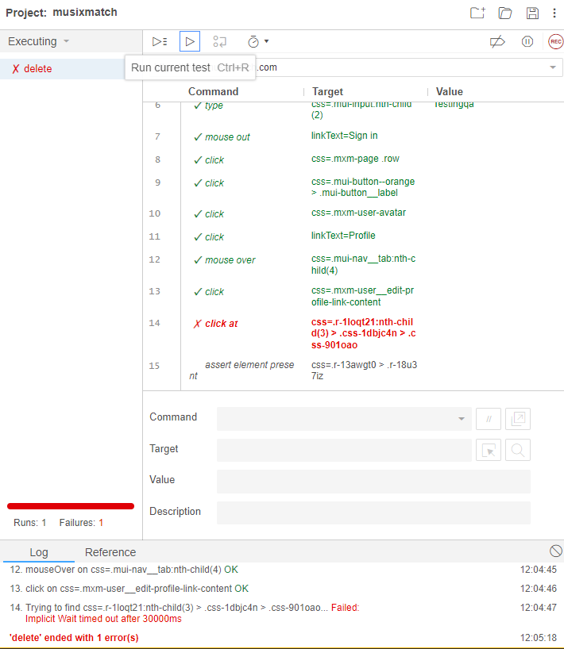
delete account | Positive | Delete feature | High | Test if a user can delete his/her account | PC, Internet access, a created account | user, password | 1. Open Selenium IDE to start recording. Your browser containing the extension should open the following URL: https://www.musixmatch.com/es | Selenium IDE should open the URL from musixmatch website. | The website is opened correctly | Pass
 |  |  |  |  |  |  | 2. Click on the image on the top right corner, and select Profile. | The image should display two options, one of them should be Profile. | Profile button will redirect us to our profile. | Pass
 |  |  |  |  |  |  | 3. Click on Edit Profile. | By clicking on Edit Profile, a list of options should be displayed. | The page shows a list of options to edit the user profile. | Pass
 |  |  |  |  |  |  | 4. At the very bottom, choose the Delete Account option and confirm the decision. | The script should recognize the delete button and confirm the elimination. | The script failed at recognizing the Delete Account option. | Fail

integrationFeatures
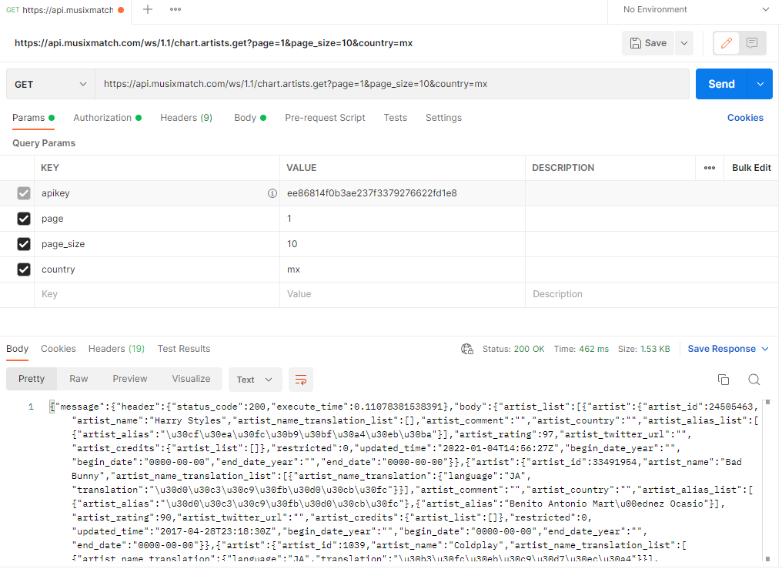
ID | TYPE | NAME | PRIORITY | OBJECTIVE | PRECONDITIONS | ENTRY CRITERIA | STEPS | EXPECTED RESULT | ACTUAL RESULT | STATUS | EVIDENCE
mxtop10 | Positive | Top 10 artists from MX | High | GET from Musixmatch the requested information. | PC, Internet access, Postman, created api account | URL and API method | 1. Open Postman and use the correct URL and GET method. | Postman should get the top 10 artists in Mexico. | The GET method worked correctly. | Pass

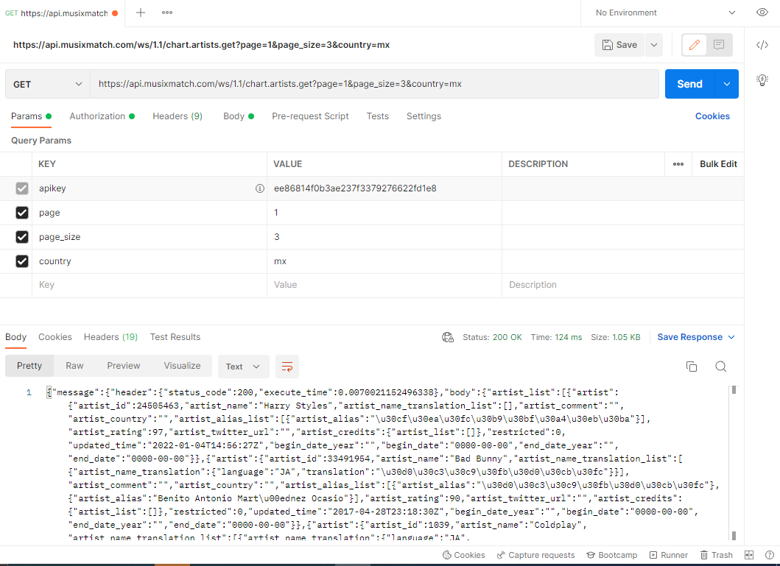
mxtop3info | Positive | Info from top 3 artists from MX | High | GET from Musixmatch the requested information. | PC, Internet access, Postman, created api account | URL and API method | 1. Open Postman and use the correct URL and GET method. | Postman should get the top 3 artists in Mexico. | The GET method worked correctly. | Pass

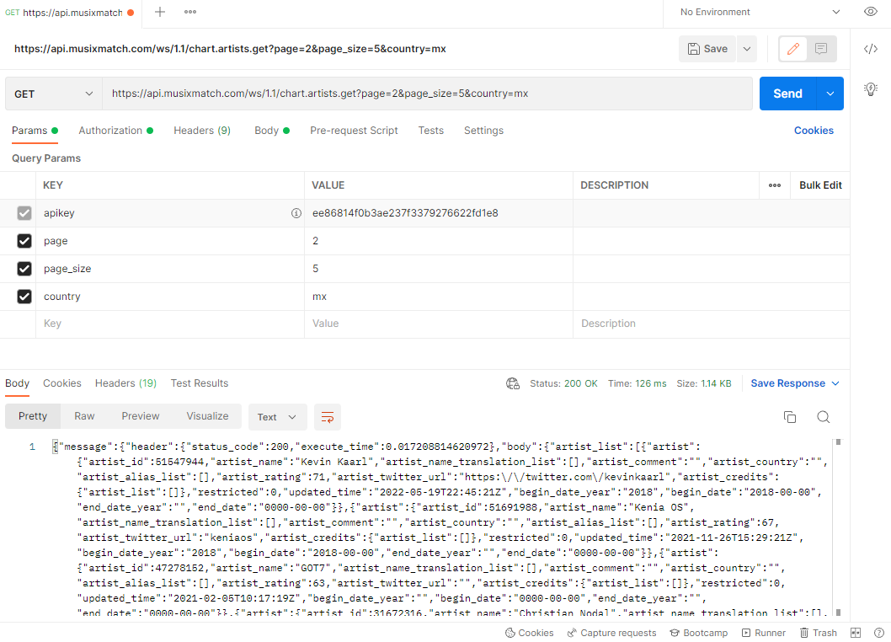
last5top10albums | Positive | Albums from the last 5 in the TOP 10 (does not specify from WHERE) | High | GET from Musixmatch the requested information. | PC, Internet access, Postman, created api account | URL and API method | 1. Open Postman and use the correct URL and GET method. | Postman should get the top 6-10 artists in Mexico. | The GET method worked correctly. | Pass

 |  |  |  |  |  |  | 2. After getting the ID from the last 5 artists from the TOP10, apply album get method. | Postman should get the album of each 6-10 top from MX | The GET method worked correctly.

