Sheet1
14 | 15 | 18 | 23 | 15
19 | 20 | 13 | 15 | 23
23 | 21 | 15 | 20 | 21
16 | 15 | 18 | 18 | 19
19 | 22 | 23 | 21 | 12

a. What is the least amount of time a CEO spent per week in meetings in this sample? The highest?

Highest | 23
Least | 12

b. Use a bin width of 2 hours to prepare a frequency distribution and a percent frequency distribution for the data.

bin width | 2
n | 25

x | y | frequency | relative frequency | frequency percentage
12 | 13 | 2 | 0.08 | 8.00%
13 | 14 | 1 | 0.04 | 4.00%
14 | 15 | 5 | 0.2 | 20.00%
15 | 16 | 1 | 0.04 | 4.00%
16 | 17 | 0 | 0 | 0.00%
17 | 18 | 3 | 0.12 | 12.00%
18 | 19 | 3 | 0.12 | 12.00%
19 | 20 | 2 | 0.08 | 8.00%
20 | 21 | 3 | 0.12 | 12.00%
21 | 22 | 1 | 0.04 | 4.00%
22 | 23 | 4 | 0.16 | 16.00%
 |  | 25

c. Prepare a histogram and comment on the shape of the distribution.
Note: Maam Bred, Picture nilagay ko, Wla kasing hisograpm sa excel 2013. So, Gi manual ko generate ang histogram using python.
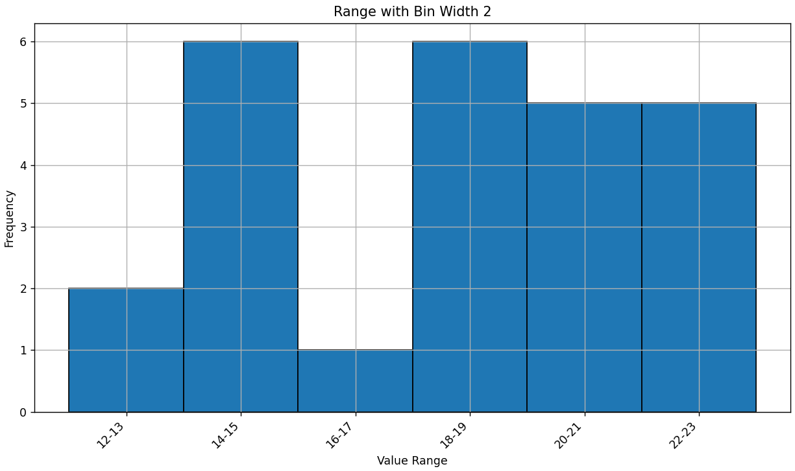

A histogram plot that effectively visualizes the distribution of the numbers in your data list. This plot features several vertical bars, with each bar representing a distinct range of values from the dataset. The x-axis, labeled "Value Range," shows custom labels like "12-13," "14-15," and so on, indicating that each bar encompasses two integer values. The height of each bar, measured along the y-axis (labeled "Frequency"), directly corresponds to how many times numbers within that specific two-value range appear in your dataset. The entire plot is clearly titled "Range with Bin Width 2."

