Goal Seet
Nowlin Plastics
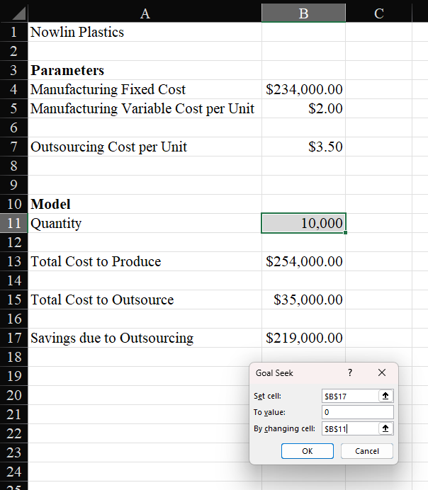
Parameters
Manufacturing Fixed Cost | $234,000.00
Manufacturing Variable Cost per Unit | $2.00

Outsourcing Cost per Unit | $3.50

Model
Quantity | 156,000

Total Cost to Produce | $546,000.00

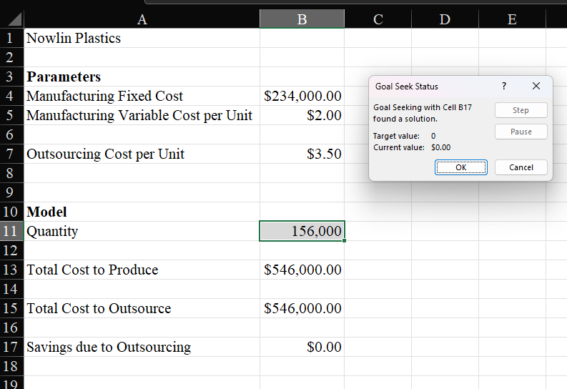
Total Cost to Outsource | $546,000.00

Savings due to Outsourcing | $0.00

