Table 2
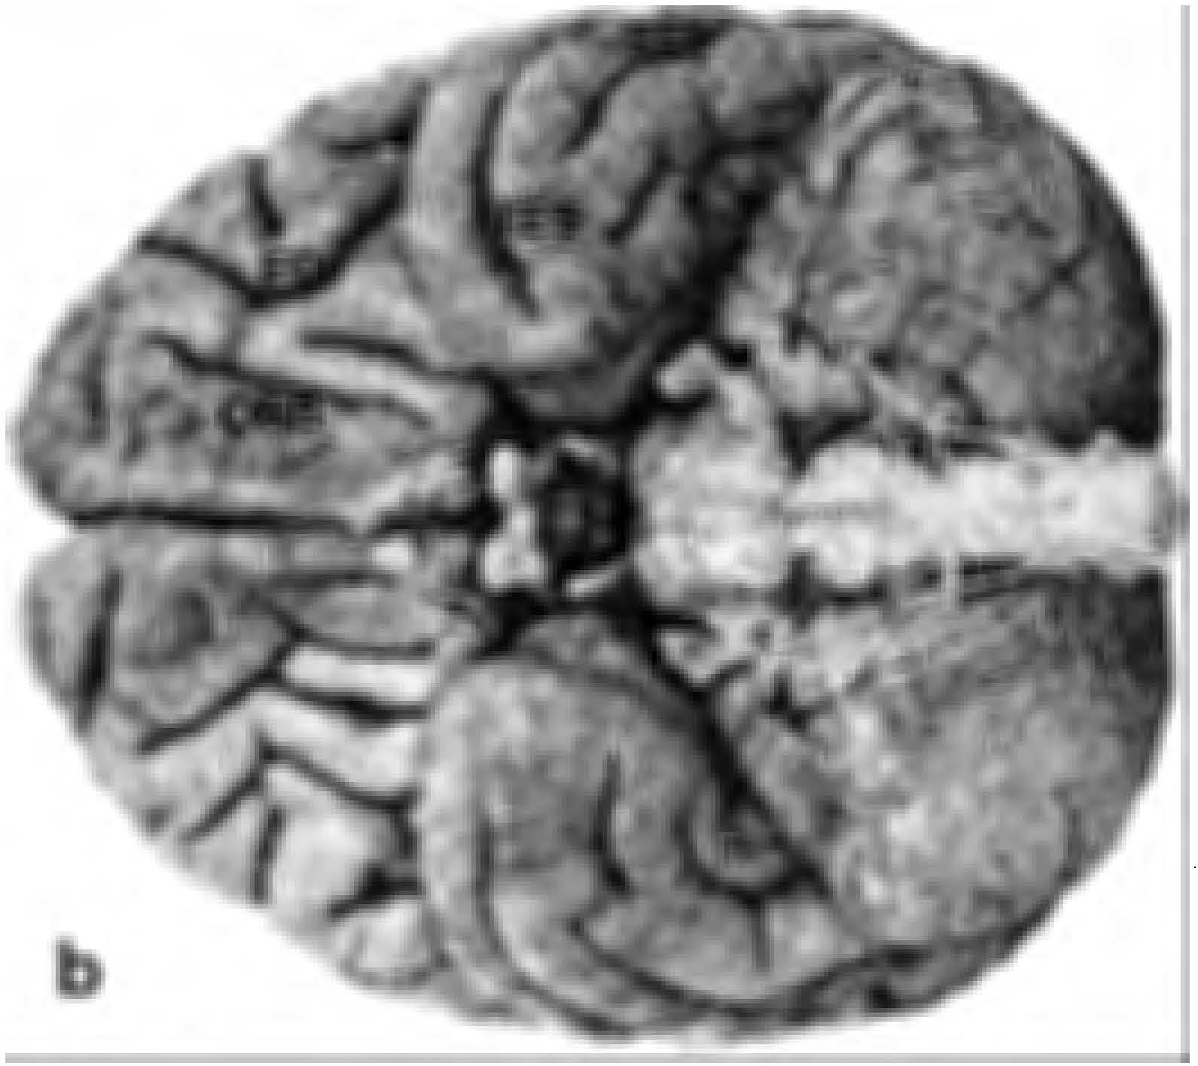
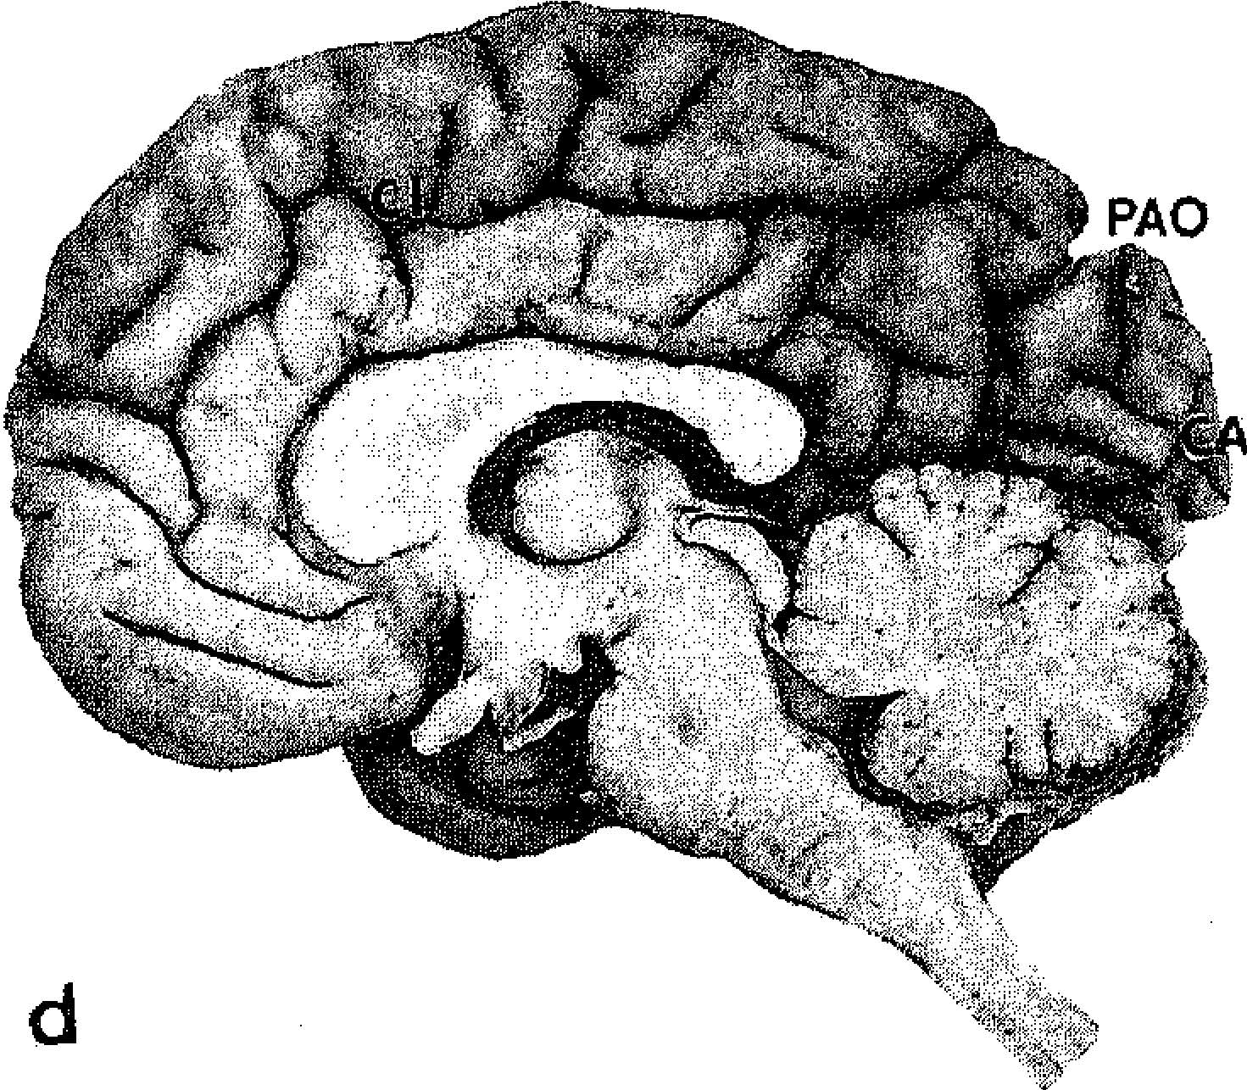
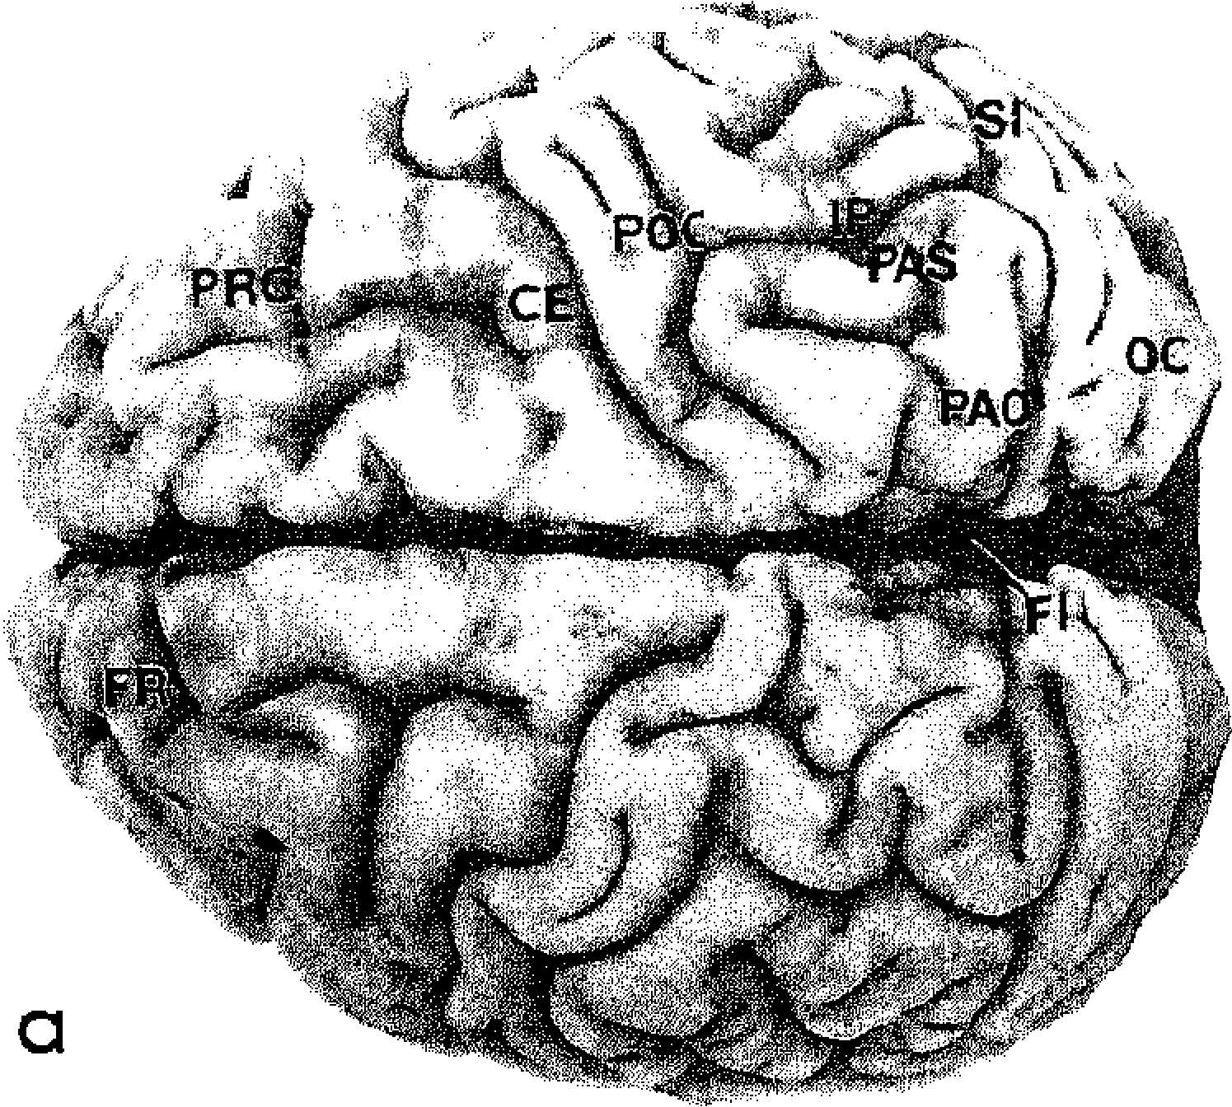 > 1 were found in layers which had cell-packing densities higher than the mean of all layers of a respective area; a GLI < I indicates a lower cell-packing density. The volume proportion of each layer in a cortical area was determined by the ratio between the number of measuring fields in a layer and the total number of measuring fields in all cortical layers of the respective area. MACROSCOPIC APPEARANCE OF THE BRAIN Remarks on the macroscopic anatomy of the orang-utan brain can be found in Bolk (1902) and Connolly (l 950). Very useful, high-quality | 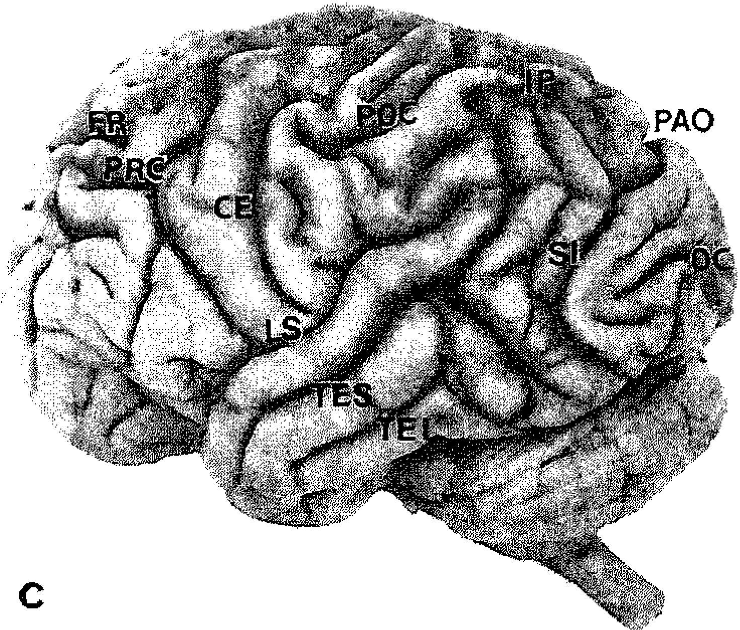 photographs of the orang-utan brain (as well as of other primate brains) have been published by Rctzius ( 1906). The brain of the orang-utan is very compact; this is primarily due to the devel-opment of the telencephalon (Fig. 12-1). In dor-sal view, the brain of an orang-utan is nearly egg-shaped, although the occipital poles are somewhat prominent and separated from each other by a caudally diverging interhemispherical fissure. In lateral view, the rostral part of the tel-encephalon appears to be especially well devel-oped. The height of an orang-utan's brain is re-markable, reaching nearly three-quarters of its total length. The temporal lobe is well developed and its blunt tip is directed rostrally, thereby cre-ating a protrusion of the outer contour of the brain. The cerebellum is quite prominent later- L

FIG. 12-1. Brain of Pongo. (a) Dorsal, (b) ventral, (c) lateral, and (d) medial views. CAL = calcarine sulcus; CE = central sulcus; CI = cingulate sulcus; FI = interhemispheric fissure; FO = frontoorbital sulcus; FR = frontal sulcus; IP = interparietal sulcus; LS = lateral (Sylvian) fissure; OC = occipital sulcus; ORB = orbital sulcus; PAO = parietooccipital sulcus; PAS = superior parietal sulcus; POC = postcentral sulcus; PRC = precentral sulcus; SI = simian sulcus; TEI = inferior temporal sulcus; TES = superior temporal sulcus (From Retzius, 1906).
2012-12-12 21:25:34
--------------------------------------------
one is female, for the other sex not mentioned.

Table 3
ally and especially ventrally, although it remains inconspicuous when viewed from the dorsal as-pect. A typical feature of the orang-utan brain is the keel-like form of the orbital part of the fron-tal lobe, which is best seen when viewed rostro-caudally (c( Retzius, 1906). Additional special brain characteristics need to be described in comparisons with other anthropoid brains, i.e., especially between cercopithecids and the other apes. Comparison with Cercopithecidae Compared with cercopithecids (e.g., Cercopithe-cus, Papio, Macaca, and Cercocebus), the telen-cephalon of Pongo has a very elaborate sulcal pattern (Fig. 12-1). This detail is most conspic-uous in the occipital pole, which is nearly smooth in cercopithecids. A significant part of the difference in the development of the orang-utan's telencephalon can be attributed to the en-largement of the frontal pole, which appears oversized when viewed laterally, in contrast to the frontal pole ofa cercopithecid, which tapers markedly and remains clearly smaller than the occipital pole. Apparently, the cortical region in-volved in the increased size in the rostral pole of the Pongo hemisphere is located much more caudally in cercopithecids. The cerebellum of Pongo also differs from that of cercopithecids in that it is so large, especially ventrally, so that it is nearly as broad as the entire brain. In medial aspect, the interhemispheric fissure appears to be relatively deeper in Pongo than in cercopithe-cids, the former primate also having a more elab-orate sulcal pattern in its medial hemispherical surface. Comparison with Other Apes In features of its brain, Pongo appears more sim-ilar to Gorilla than to Pan. In Pongo and Gorilla, the brain in dorsal outline is egg-shaped, the thicker end lying at the occipital pole. In Pan, as well as in Homo, the anterior part of the brain is much bro | if they are more truncated, as in Pan, because these structures were not preserved in our ma-terial and are not discernible in the illustrations published by other investigators (e.g., Retzius, I 906). Viewed ventrally, the shape of the orang-utan brain is again similar to the gorilla's. In both Pongo and Gorilla, the temporal lobe ap-pears to be less pronounced than in Pan. SULCAL PATTERN Earlier descriptions of sulcal patterns in Pongo demonstrate an enormous amount of variation from individual to individual (e.g., Bischoff, 1876; Connolly, 1950; Fick, 1895a, b; Kiikenthal and Ziehen, 1895; Retzius, 1906). However, some major sulci do occur regularly among dif-ferent specimens and can be described using the nomenclature applicable to human brain anatomy. The frontal lobe is caudally delineated by a central sulcus, which originates near the sulcus lateralis Sylvii and then courses toward the me-dial border of the hemisphere, but which does not extend onto the medial hemispherical sur-face (Fig. 12-1). Rostral to the central sulcus, a precentral sulcus and a frontal sulcus can be identified. These two sulci give rise to secondary sulci. In lateral and ventral views, there is an or-bital sulcus and a frontoorbital sulcus (Retzius, 1906). The frontal pole is divided by several smaller sulci (e.g., the sulcus rectus of Connolly, 1950) which vary from individual to individual in shape and size. Caudal to the central sulcus, a postcentral sul-cus can be found, which can be subdivided into an inferior and a superior segment. The inferior segment may become confluent with the intra-parietal sulcus, which, in turn, may be in close contact with the "sulcus simiarum" (Retzius, 1906). The homology of the "sulcus simiarum" with the sulcus lunarum in Homo has been the subject of much discussion (see Kuhle

a
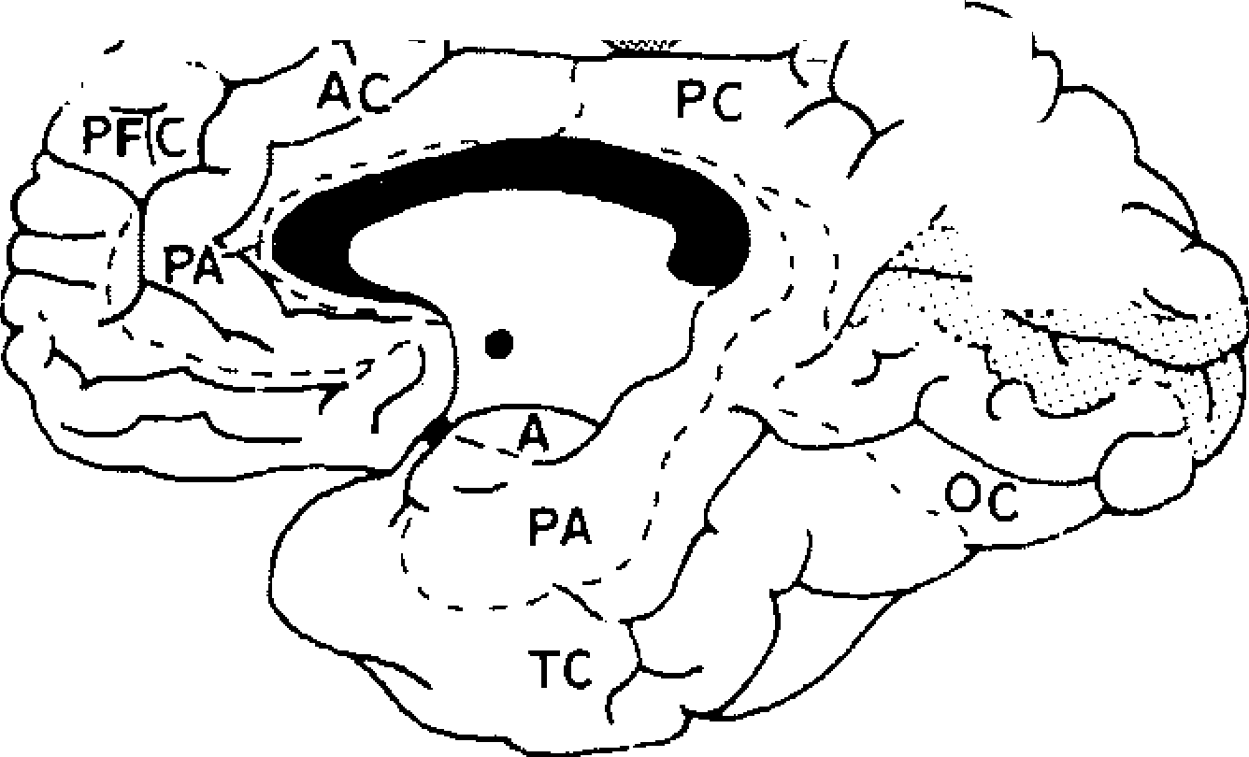
P-·
',�
' \
·�c
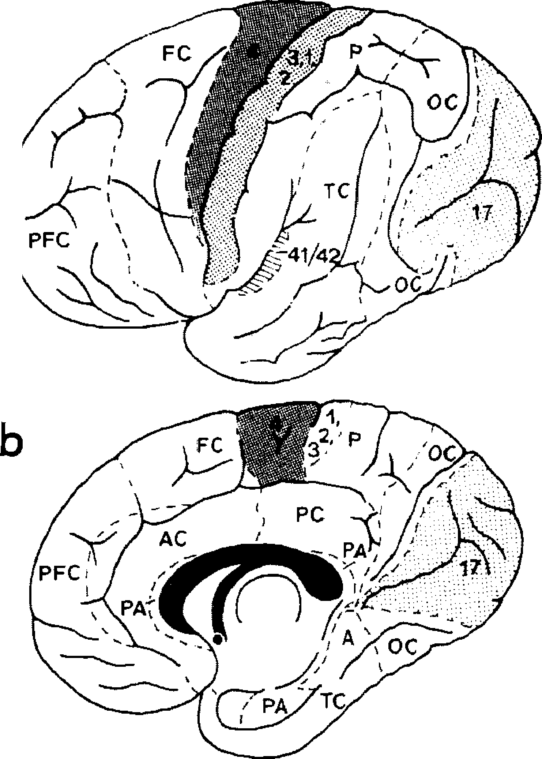 sulcus temporalis inferior as well as some minor, variable sulci. Three major sulci can be seen on the medial aspect of the brain. The first of these is the cin-gulate sulcus, which anteriorly may be accom-panied by a parallel sulcus. The second is the parietooccipital sulcus, which crosses the medial border of the hemisphere and may contact the sulcus simiarum on the lateral aspect of the brain. The third is the calcarine sulcus, which may not even extend onto the lateral surface of the occipital lobe (Connolly, 1950; Retzius, 1906; our own observations). CORTICAL AREAL PATTERN Only two investigations of the cortical areal pat-tern of Pongo have been published. Campbell (1905) produced a map based on the study of cy-toarchitecture, and Mauss (1908, 1911) analyzed myelin-stained material. In spite of some differ-ences in identifying details of the borders on nonprimary cortical areas, these two studies are in nearly perfect agreement on the position and |  | extent of the primary areas (Figs. 12-2 and 12- 3). Mauss's (1908, 1911) area 4 and the respective area in Campbell's (1905) study can be identified as the "motor" area ofGrilnbaum and Sherring-ton (1901, 1903) and Leyton and Sherrington (1917). On the basis of physiological studies, the latter authors identified a motor area immedi-ately rostral to the central sulcus, on the precen-tral gyrus, which extends over the whole length of this sulcus; motor reactions can also be elic-ited deep within the sulcus. Beevor and Horseley (I 890-1891) had earlier reported motor reac-tions to electrical stimuli of Pongo's cortex, but although they observed a somatotopic order, their description does not allow precise topo-graphical identification of the stimulation sites. Leyton and Sherrington (1917) identified two additional motor regions, which lie apart from this "primary" motor field. One of these regions, on the lateral surface of the hemisphere and ros-tral to the precentral gyros, leads to conjugated eye movements and thus resembles the frontal eye field in other primates, including Homo (Smith, 1944; Wagman, 1964). The second motor region occurs on the medial surface of the
3,1,2 d
FIG. 12-2. (a) Lateral and (b) medial view of areal mapping of the cortex in Pongo, based on studies by Mauss (1908, 1911). (c and d) Corresponding views of cortex of Homo, based on studies by Brodmann (1909). 3, 1, 2 = Primary somatosensory cortex; 4 = primary motor cortex; 17 = primary visual cortex; 41/42 = auditory cortex; A= archicortex; AC = anterior cingulate cortex; FC = frontal cortex; OC = occipital cortex; P = parietal cortex; PA = periarchicortex; PC = posterior cingulate cortex; PFC == prefrontal cortex; TC = temporal cortex. All hemispheres are standardized to equal lengths of the hemispheres.
 |  | 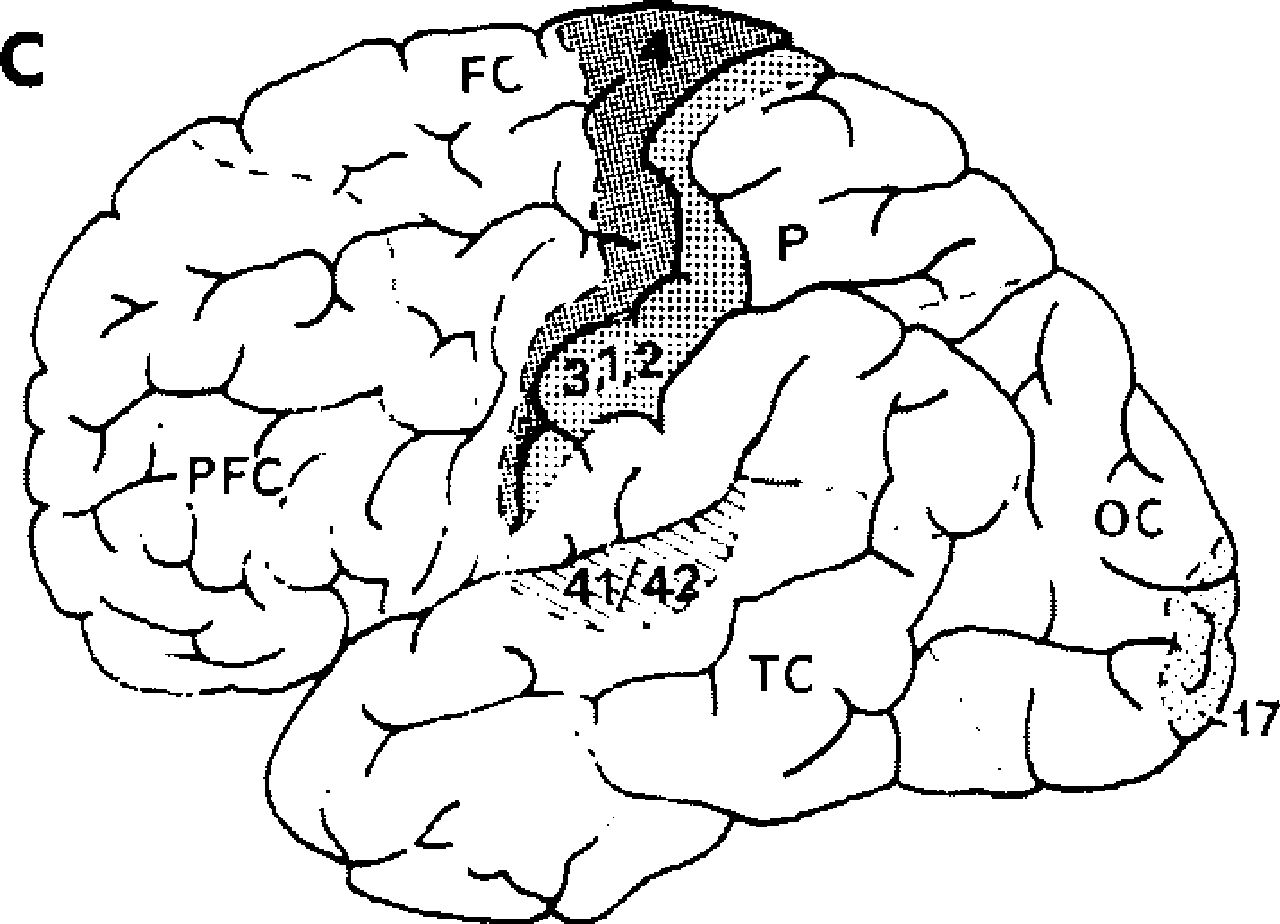

Table 4
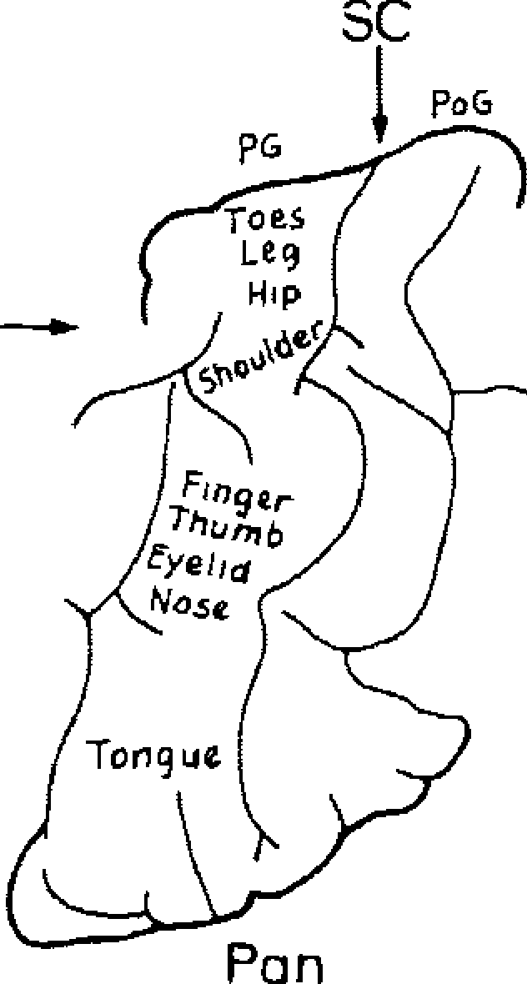
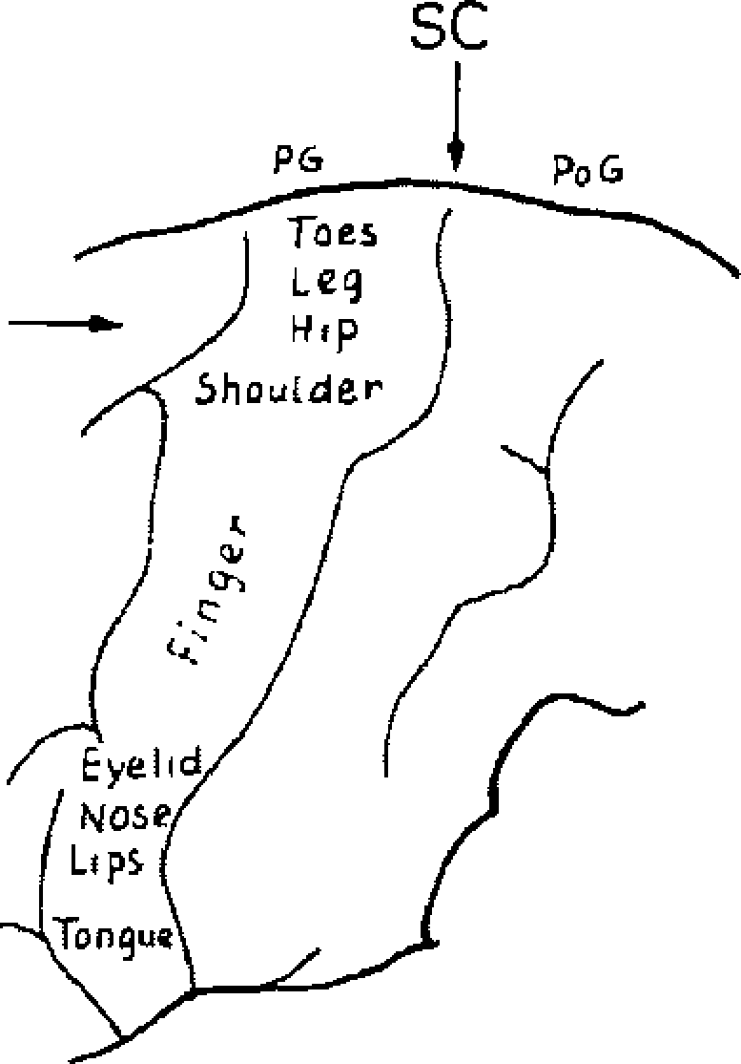
/
(
/
. .... .
.
:
A -, .
�
Gorilla
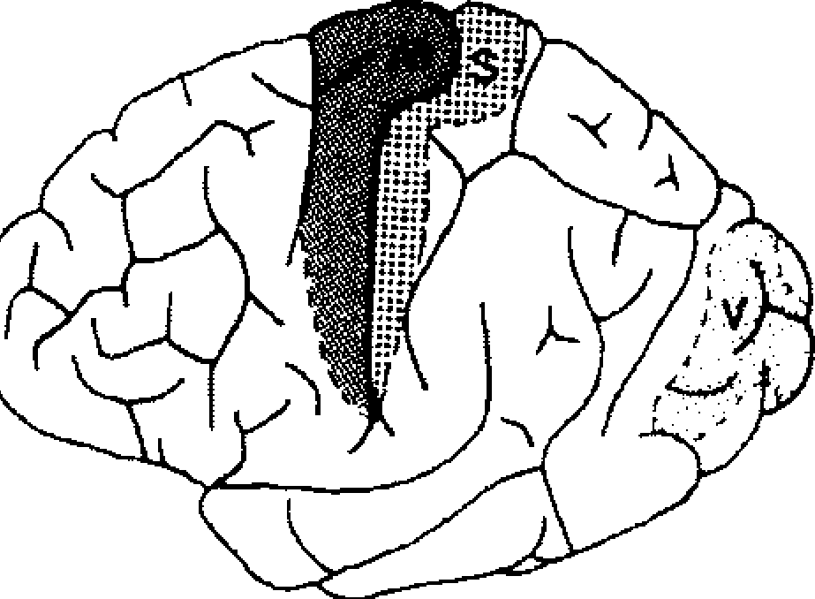 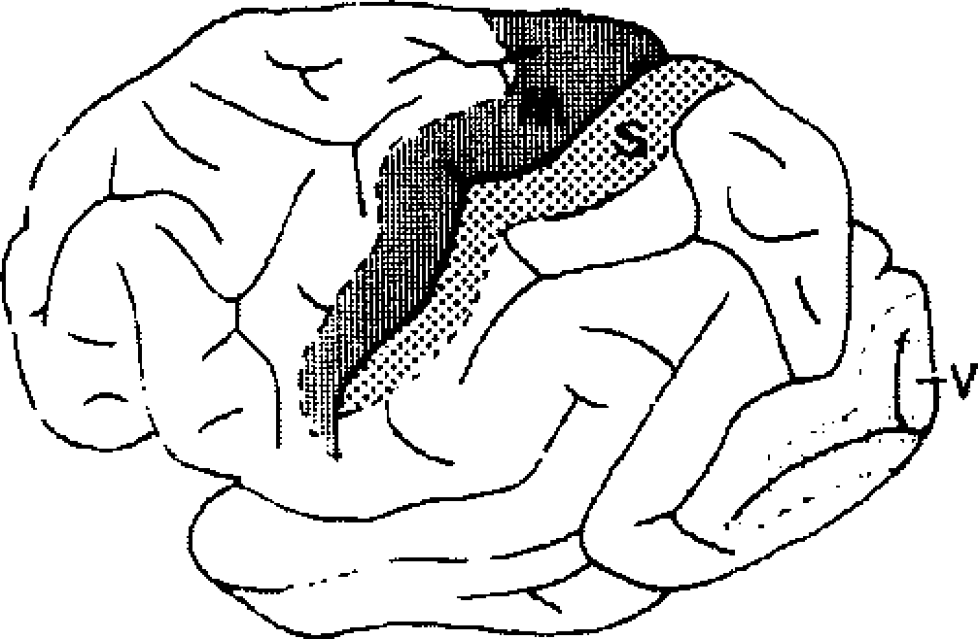 Pon Pongo Gibbon FIG. 12-3. Areal mapping of the cortex in Pan, Pongo, and gibbon (Hy/abates) based on studies by Campbell (1905). A = auditory cortex; M = primary motor cortex; S = primary somatosensory cortex; V = primary visual cor- tex. All hemispheres are shown in lateral view and are standardized to equal lengths of the hemispheres. hemisphere near the cingulate sulcus and is re-sponsible for movements of the shoulder, trunk, wrist, and fingers. This region may be analogous to the supplementary motor area in Homo (Pen-field and Welch, 1951). Upon stimulation of the precentral gyrus, Pan and Gorilla show reactions similar to those of Pongo (Griinbaum and Sherrington, 1901, 1903; Leyton and Sherrington, 1917). Area 4 in Pongo is therefore comparable in position, extent, and function with area 4 in Pan and Gorilla. As such, area 4 in Pongo is also similar to Homo with re-spect to topography (Brodmann, 1909; Forster, 1936; von Economo and Koskinas, 1925) as well as function (Penfield and Rasmussen, 1950). With the exception of the enormously en-larged finger representation area in Homo, the somatotopy in the primary motor area (Fig. 12-4) is very similar among hominoids. The topol-ogy of the different parts of the pyramidal tract is also identical, as is evident in the crura cerebri | 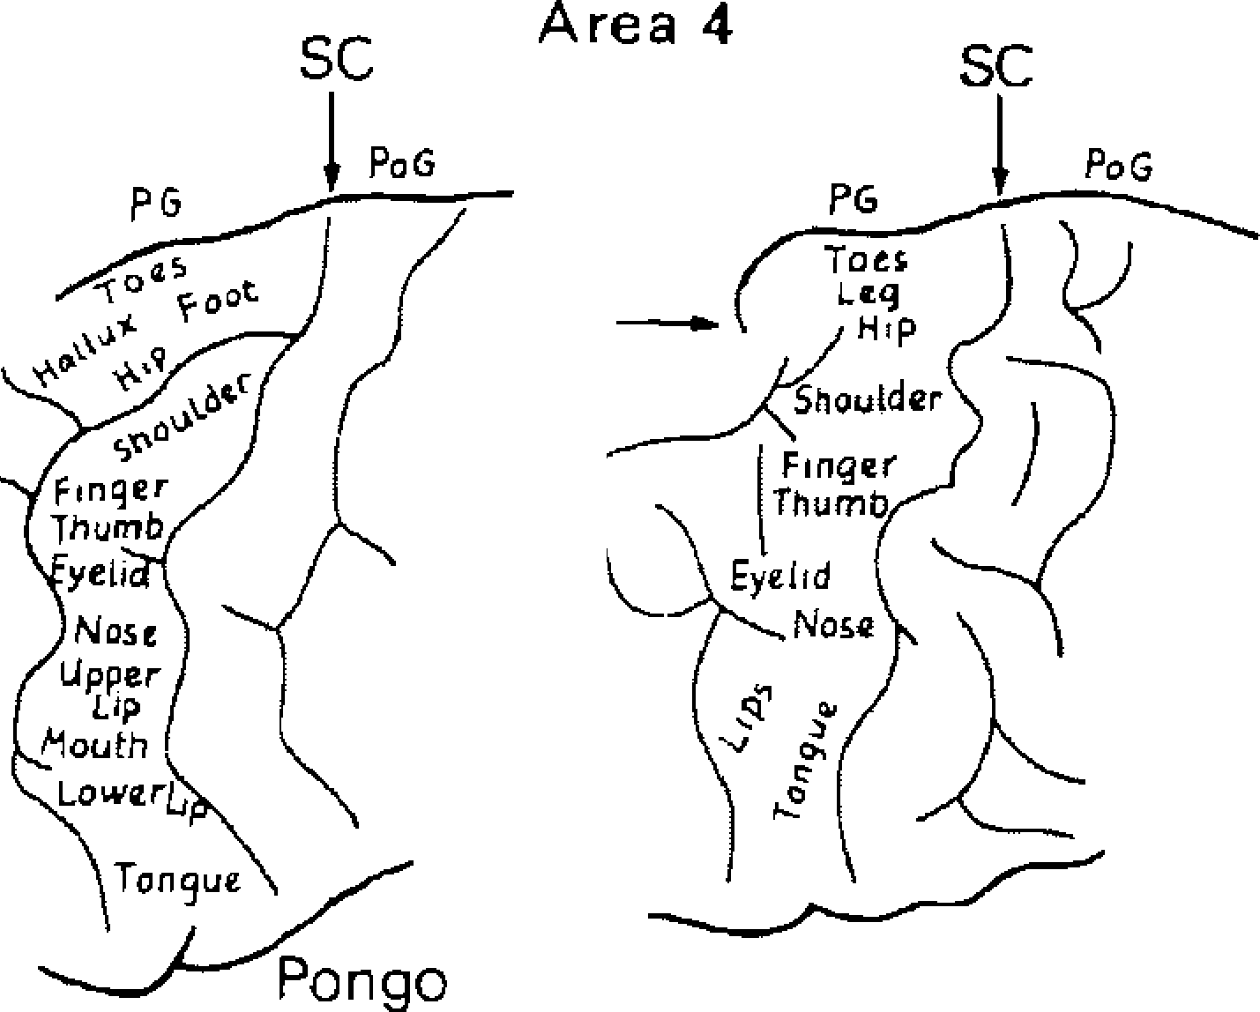 of the hominoids (Forster 1936; Leyton and Sherrington, 1917). For example, fibers for toe and lower extremity movements are positioned most laterally in the crura cerebri. These fibers are followed medially by the fibers for the upper extremity, which, in turn, are followed by those for the fingers. The fibers for the face and tongue lie most medially. Physiological observations of the primary sen- sory areas (Figs. 12-2 and 12-3) of Pongo have not been published. A comparison of the posi-tions and extents of these areas in Campbell's (1905), Mauss's (I 908, 1911), and FilimonofPs (1933) cortical maps of Pongo with those of the primary somatosensory regions (areas 3, 1, 2), visual region (area 17), and auditory regions (areas 41/42) in Homo (Brodmann, 1909) re-veals such a striking resemblance that equivalent functions can be inferred for these areas in the orang-utan. This topological equivalence is cor-roborated by the cytoarchitectural comparison of their laminar pattern (see page 163). The cor- Homo FIG. 12-4. Somatotopic representation in area 4 of Pongo, Gorilla, Pan, and Homo according to the results ofGriin-baum and Sherrington (I 901, I 903), Leyton and Sherring- ton (I 917), and Penfield and Rasmussen (1950). SC = central sulcus; PG = precentral gyrus; POG = postcen- tral gyrus.

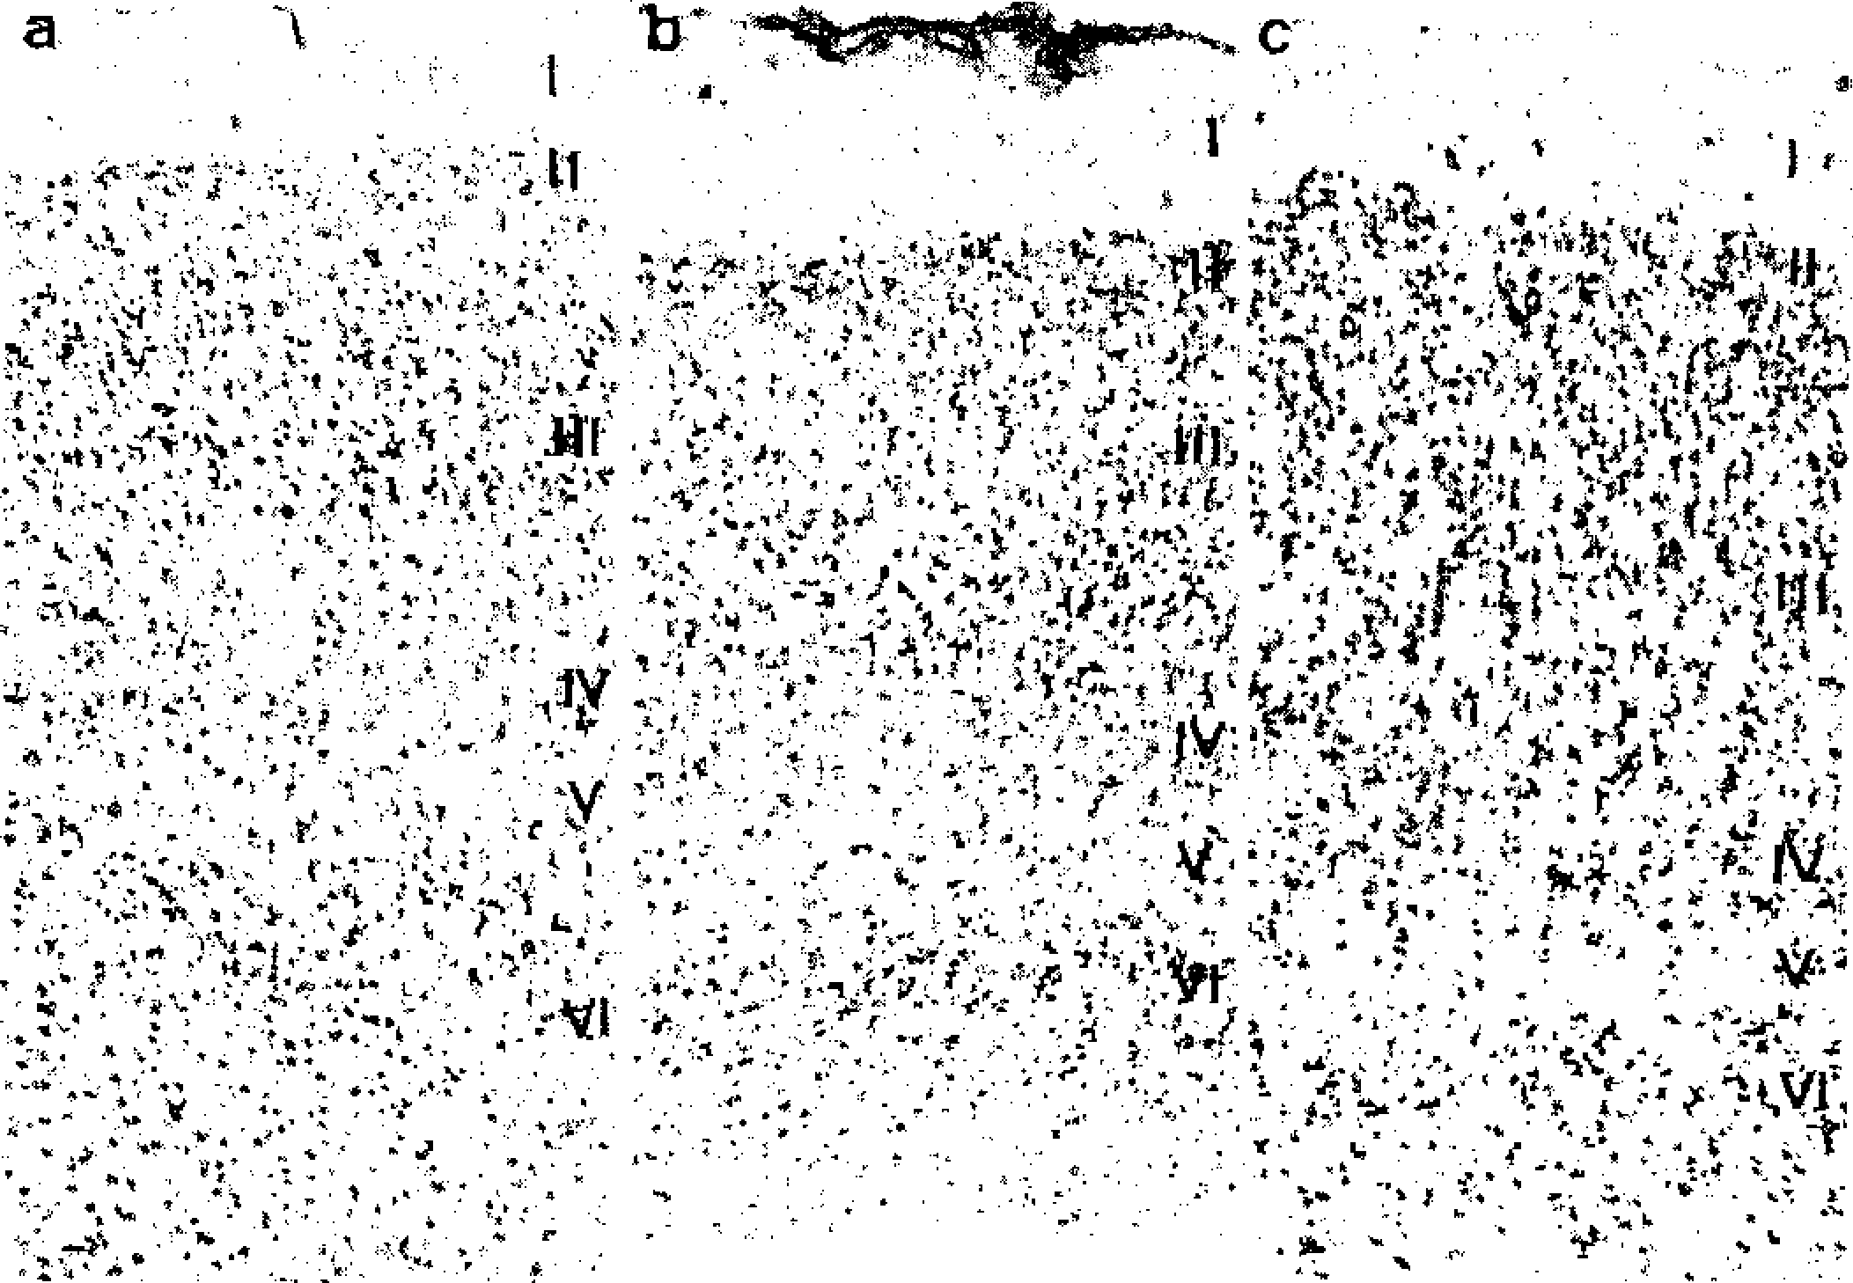
tical map of Pan (Bailey et al., 1950; Campbell, 1905) also displays comparable topological fea-tures for the primary motor, somatosensory, and visual areas. As a rule, the positions of the primary cortical areas in the apes and Homo are very similar; nevertheless, slight differences are obvious. When viewed laterally, area 17 covers only a very small part of the hemisphere in Homo, a greater part in Pan and Gorilla, and the greatest part in the gibbon. The situation in Pongo is very similar in this respect to Pan and Gorilla. The secondary areas (Fig. 12-2) of the Pongo neocortex can be subdivided into many different cortical fields (Campbell, 1905; Mauss, 1908, 1911 ), but the methodological approaches used in these cyto- and myeloarchitectural studies, as well as the lack of any physiological analysis, do not allow for a detailed comparison of both maps in these parts of the neocortex. Therefore, we have only delineated the main groups of the secondary areas, i.e., the prefrontal cortex (PFC), the nonprimary motor cortex (FC), the parietal cortex (P), the nonprimary visual cortex (OC), and the temporal cortex (TC) (Figure 12-2). From a structural perspective, the anterior (AC) and posterior (PC) cingulate cortices, which are found on the medial surface, although representing transitional zones between the iso-and allocortex, are more similar to the isocortex (Vogt, 1976). A very small cortical region, iden-tified as the periarchicortex (PA), is located be-tween the cingulate cortex and the corpus cal-losum. The PA surrounds the allocortex on the medial surface of the hemisphere. The allocortex is represented in this aspect by the archicortex |  | (A), whose primary constituent 1s the hippocampus. The paleocortex, a further part of the allocor-tex, is one of the smallest parts of the cerebral cortex in apes and is extremely reduced in com-parison to prosimians and insectivores (Stephan, 1975). The peripaleocortex, which represents an-other transitional zone, is found on the lateral aspect, between the paleocortex and the isocortex. The cyto- and myeloarchitectonical maps (Figs. 12-2 and 12-3, respectively) of the orang-utan and the gibbon are also similar with regard to the position and extent of the primary cortical areas (Campbell, 1905; Mauss, 1908, 1911 ). Thus, this topological similarity appears as a fundamentally common structure in all primates (cf. Brodmann, I 909; Mauss, 1908, 1911; Zilles et al., l 979a,b, 1982b). Apart from this general similarity, however, some peculiarities are typi-cal for special groups. In prosimians, the elon-gated primary motor and sensory areas are ori-ented along a roughly frontooccipital axis. The shapes of these areas are similar in platyrrhines and in lower catarrhines, but their positions are increasingly divergent from the frontooccipital axis. These areas are oriented nearly perpendic-ularly to the frontooccipital axis in apes and in Homo. Such differences may be influenced by dif-ferent factors, such as skull structure, degree of encephalization (see pages 167-170), neocortical development, and formation of the central sul-cus. Pongo is more similar to Pan, Gorilla, and Homo than to any other catarrhine with respect to the orientation of the primary motor and sen-sory areas.
FIG. 12-5. Cytoarchitecture and laminar structure of area 3 in (a) Pongo. (b) Pan. and (c) Homo. I = molecular layer; II = outer granular layer; III = outer pyramidal layer; fV = inner granular layer; V = inner pyramidal layer; VI = multiform layer. The magnification is identical for all examples.

Table 5


LAMINAR STRUCTURE OF PRIMARY CORTICAL AREAS The primary sensory areas (Figs. 12-5, 12-7, and 12-8) have the typical basic six-layered iso-cortical structure in all hominoids. This struc- | ture reaches the highest degree of differentiation in the primary visual cortex (area 1 7), where layer IV is divided into at least three sublayers. On the other hand, a clearly visible layer IV can-not be detected in the primary motor cortex (area 4), because this region has such a reduced
FIG. 12-6. Cytoarchitecture and laminar structure of area 4 in (a) Pongo, (b) Pan, and (c) Homo. For further explanation see Fig. 5.
FIG. 12-7. Cytoarchitecture and laminar structure of area 17 in (a) Pongo, (b) Pan, and (c) Homo. For further explanation see Fig. 5.

Table 6

·r ,
r�::: :·r·��·)...._.!, ....
. ;�.,.1:•i·,�;' --:.f,�
��,,y��
a 1r'°'. .,.�, . . C ., ' .
 | "': .,,�, �·· .-.�':l |  | FIG. 12-8. Cytoarchitecture and laminar structure of areas 41/42 in (a) Pongo, (b) Pan, and (c) Homo. For further explanation see Fig. 5.
density of small granular cells (Fig. 12-6). How-ever, since one can find the basic six-layered structure ("hornotypische Formation," Brod-mann, 1909), as well as a varying number oflay-ers ("heterotypische Formation," ibid.), in all primates and in other mammals (Braak, 1980; Brodmann, 1909; Hubel and Wiesel, 1977; Jones, 1975; Sanides, 1968; Zilles et al., 1982b), the equivalent areas in hominoids must be dis-tinguished with respect to several parameters, such as structural differences in cell shape and in such quantitative aspects as layer thickness and cell-packing density. Because the quantitative aspects can be objectified by measurement, we decided to use this approach for a comparison between the cortical structure in the primary areas of Pongo, Gorilla, Pan, and Homo. Since difficulties in obtaining well-preserved Pongo brains prohibit the analysis of a statistically suf-ficient sample, we attempted to minimize the ef-fect of variation on absolute size: the variable under consideration (layer thickness or GLI as a measure of the cell-packing density) was set at 1 for the whole cortical thickness as well as for the mean GLI of each of the different cortical areas. Using this approach, the parameter can readily be interpreted as a ratio, i.e., layer thickness can be expressed as the proportion of a single layer |  | to the cortex in percent. The motor cortex of Go-rilla was not available for this analysis. The relative thicknesses of the different corti-cal layers (layer proportions) in area 3 (Fig. 12-9) show a similar pattern in Pongo and Pan. Go-rilla and Homo differ in this respect, because their layer III is markedly thicker. Measurement of the same parameter in areas 4 and 17 reveals a high degree of similarity in the laminar pattern of Pongo and the other hominoids (Figs. 12-10 and 12-11). Pongo does have a higher layer IV proportion in area 41/42 than Gorilla, Pan, and Homo. A comparable feature is, however, evi-dent in the overall pattern of the other layer pro-portions (Fig. 12-12). The standardized GLis of the different layers show comparable patterns in the same cortical field of apes and humans (Figs. 12-13 to 12-16). The sensory cortical areas are roughly character-ized by high GLI values in layers II-IV (Figs. 12-13, 12-15, and 12-16). Area 3 in Pongo dif-fers to a minor degree from the other apes and Homo in that, compared with layers III and IV, it has a rather low GLI in layer II and a high GLI in layers V and VI. In all large hominoids, the maximum values for the primary motor cortex (Fig. 12-14) are found in layer II followed by (in descending order) layer III, layer V, and layer

Table 7
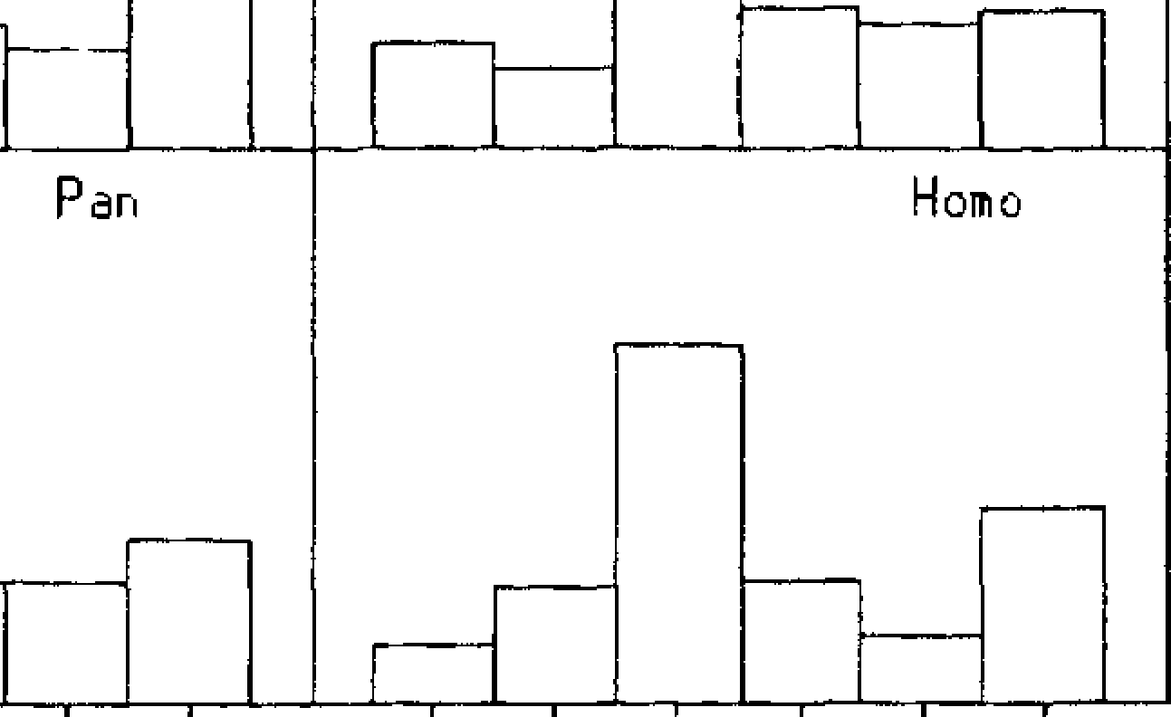
50
40
30
20
10
0
50
40
30
20
10
0
Pon go
Gor ii la
II Ill IU u UI
II III JU u U I
L a
0 p 0
0 n
Pongo
Pan
Homo
FIG. 12-9. Layer proportions in area 3 of the large hominoids (Pongo, Gorilla, Pan, and Homo) for the different cortical laminae. |  |  | Cortical !avers in area 3
n
0
L a so y e 40 30 p 20 r 0 10 p 0 r 50 t i 40 0 30

i 20
n 10
FIG. 12-10. Layer proportions in area 4 of the large hominoids (data unavailable for Gorilla) for the |  | r. 0 | II III u VI II III u VI
different cortical laminae. Cortical Javers in area 4
L
a y |  | 50
e |  | 40
 |  | 30
p r |  | 20
0 |  | 10
Pongo Pan | Gori! la Homo
p 0
0 so 40
0 30 20 fl 10 FIG. 12-11. Layer proportions in 1/. 0 II III !Va IUb !Uc U UI I II III IVa !Ub !Uc u VI area I 7 of the large hominoids for the different cortical laminae. Cortical !avers in area 17

Table 8
Pongo
L a 50 40 30 20 | Gor ilia
0 10 p 0 0
n
1 40 0 30 n :� --nl 0 -'-L--..,---'-�J.....�'---T L�.J_� --'-'-,-�'-.�J--c---'C-,- L�-'-,----J---"

Pongo
Gorilla
Pan
Homo
d
I
I. I I I I I JU U U I I I III IU U Ul Cort1cal !avers 1n area 41/42 |  |  |  | FIG. 12-12. Layer proportions in areas 41/42 of the large hominoids for the different cortical laminae.
2.0 s 1.5 a 1.0 n 0.5 a 0 2.0 G 1.5 L 1.0

0.5 0 | II III IU U U I II III IIJ UI Cortical !avers in area 3 |  |  | FIG. !2-!3. Standardized GL!s of the different layers in area 3 of the large hominoids (Pongo, Gorilla, Pan, and Homo).
Pongo

Par, |  | Homo

a
d
0
I
2.0 s 1.5 t 1.0 n 0.5 a r
d 2.0
G 1.5 L 1.0
0.5 0 |  |  | FIG. 12-14. Standardized GL!s of II III u UI II III u UI the different layers in area 4 of the large hominoids (data unavailable Cortical !avers in area 4 for Gorilla).

Table 9
 | Gorilla

a
d
I
0
Pon go
Gorilla
Par,
Homo
Pan
2.0 s 1.5 t 1.0 n 0. 5 a r d 2.0 G 1.5 L 1.0
FrG. 12-15. Standardized GL!s of the different layers in area 17 of the large hominoids. |  |  | 0.5 0 |  |  | II III IUa IUb !Uc U VI I Il!Il!Ua!IJbIIJcU VJ Cortical lave rs in area 17
d
I
FIG. 12-16. Standardized GL!s of the different layers in areas 41/42 of the large hominoids. |  | 2.0 s 1.5 a 1.0 n 0.5 a 0 2.0 G 1.5 L ].0 0.5 0 |  | II III IU U UI II III IV U Ul Cortical !avers in area 41/42
VI. In summary, the cytoarchitectural structure of the primary neocortical areas is quantitatively similar in Pongo, Gorilla, Pan, and Homo, if layer thickness and cell packing density are con-sidered as relative (standardized) values. We can, therefore, state that the evolution of the neocortex in at least the large hominoids has led to a comparable basic structure in primary sensory cortical areas on one side and to a differ-ent laminar pattern in the primary motor areas. Our analysis of the cytoarchitectural pattern of the primary cortical areas with quantitative methods corroborates Campbell's (1905) and Brodmann's (1909) findings, which failed to un-cover any fundamental differences between the apes and Homo in these parts of the neocortex. ENCEPHALIZATION The "level" of brain development, as reflected by a brain-body relationship, can be quantita- |  |  |  |  | tively expressed as an encephalization or pro-gression index (Stephan, 1967a,b). This index is designed to reflect the relationship between the brain weight of a given species and that of a hy-pothetical insectivore of the same body size. In-sectivores are taken as the basal comparison be-cause insectivore-like animals are thought to most closely approximate the primitive mam-malian condition and because their level of brain development is the lowest among extant mam-mals. The latter is particularly true of the Mala-gasy tenrecines, e.g., Tenrec and Echinops (Ste-phan, 1967c). The brain-body relationship in this tenrecid subfamily, which subsumes species of a variety of body sizes, can be described allo-metrically in a double logarithmic system with brain weight on the ordinate and body weight on the abscissa. In this system, the brain-body weight relation can be approximated by a regres-sion line with a slope of0.63 and a y-intercept of l.6128 (Stephan eta!., 1981; Stephan et al., 1986, in press). This regression line appears suitable

Table 13
the species because it uses species-specific brain weights, rather than individual brain weights, as its basis. Within the telencephalon, we measured the neocortex (gray plus white matter without gray of area striata), the area striata, the hippocam-pus, the regio entorhinalis, the paleocortex (regio prepiriformis, regio retrobulbaris, tuberculum olfactorium, and corpus amygdaloideum), the septum, and the corpus striatum (nucleus cau-datus and putamen). These areas were deline-ated in the Netherlands brain series (see Mate-rials and Methods section) and had to be corrected for the effect of shrinkage as well. In this case the correction factor was the ratio of the fresh volume of the telencephalon of our speci-men (77.2% of total brain, see Table 12-2) and the volume of the telencephalon in the Nether-lands brain series. Table 12-2 lists the fresh volumes of the dif-ferent structures in Pongo along with their pro-portion in the whole brain. The calculated indi-ces are given in Table 12-3. The corresponding indices for Gorilla, Pan, Hylobates, and Homo were calculated from the data of Stephan et al. (1981, in press). The index for the medulla oblongata is similar in Pongo and Gorilla. The higher values in Pan, Hy/abates, and Homo are probably due to an en-larged pyramidal system, which passes through the medulla before entering the spinal cord. |  |  | Therefore, this result may not necessarily point out relevant differences in the function of the medulla oblongata proper, which controls var-ious basic vegetative functions such as breathing, but it could be an indication ofa more highly developed pyramidal system in Pan, Hy-lobates, and Homo as compared with Pongo and Gorilla. The indices of the cerebellum are most similar among Pan, Pongo, and Gorilla, with the lowest value occurring in Gorilla. The index is some-what higher in Hylobates, but it does not reach that of Homo. Since one of the main functions of the cerebellum is the coordination of motor activity, the low cerebellar volume index of Go-rilla may well be reflective of the primarily ter-restrial nature of this hominoid. Since both are actively arboreal, one would expect the index of Pongo to approach that of Hylobates most closely, but the index of Pan is slightly higher than the orang-utan's. The higher cerebellar index in Pan may, however, be related to the higher degree of neocorticalization of this hom-inoid (see below), since such development leads to elaborate connections of the neocortex with the cerebellum (especially the neocerebellum). Neocorticalization surely contributes in part to the high index in Homo. The mesencephalic index is lowest in Gorilla, somewhat higher in Pongo and Pan, and highest in Hylobates and Homo. In addition to the nu-
TABLE 12-2. Volumes of Brain Components and Their Percentages of Total Brain Volume
Structure | Fresh Volume (cc3) | Percentage of Total Brain Volume1
Medulla oblongata | 5.5 | 1.8
Cerebellum (without pons) | 42.9 | 13.9
Pons | 4.3 | 1.4
Mesencephalon | 4.0 | 1.3
Diencephalon | 13.5 | 4.4
Telencephalon | 238.3 | 77.2
Neocortex | 219.8 | 71.2
Gray (without area striata) | 129.9 | 42.1
Gray area striata | 8.4 | 2.7
White matter | 81.5 | 26.4
Hippocampus | 2.7 | 0.9
Regio entorhinalis | 1.3 | 0.4
Paleocortex | 2.4 | 0.8
Regio praepiriformis | 1.0 | 0.3
Corpus amygdaloideum | 1.4 | 0.5
Septum | 0.6 | 0.2
Corpus striatum | 11.5 | 3.7
Globus pallidus | 1.8 | 0.6
1 Excluding ventricles and nerves.

2019-10-09 21:18:41
--------------------------------------------
not actually weighed - based on literature, see column before.

Table 14
� '-
172 ZILLESAND REHKAMPER TABLE 12-3. Indices of Brain Structure Size in Pongoand Other Hominoidea
Structure | Slope | Y-Intercept | Pongo | Gorilla | Pan | llylobates | Homo
Whole brain | 0.63 | 1.6128 | 8.48 | 8.37 | 11.41 | 10.71 | 30.12
Medulla oblongata | 0.60 | 0.7930 | 1.28 | 1.17 | 1.49 | 2.02 | 2.01
Cerebellum (including pons) | 0.67 | 0.5690 | 8.60 | 8.08 | 8.85 | 9.92 | 22.10
2012-12-12 21:05:52
--------------------------------------------
stephan-like data for pongo pygmaeus orang-utan
Mesencephalon | 0.54 | 0.5690 | 2.99 | 2.28 | 3.06 | 3.69 | 5.49
Diencephalon | 0.60 | 0.4765 | 6.52 | 6.28 | 8.19 | 10.64 | 14.40
Telencephalon | 0.63 | 1.3570 | 10.93 | 11.16 | 15.91 | 14.38 | 43.41
Neocortex | 0,67 | 0.4790 | 49.25 | 49.00 | 72.73 | 66.50 | 199.15
Hippocampus | 0.57 | 0.5870 | 1.39 | 1.70 | 2.15 | 5.00 | 4.81
Regio entorhinalis | 0.60 | 0.0805 | 1.51 | 2.20 | 2.67 | 5.26 | 6.61
Paleocortex ( + corpus amygdaloideum) | 0.57 | 1.0391 | 0.43 | 0.61 | 0,55 | 0.84 | 1.49
Septum | 0.57 | -0.0346 | 1.34 | 1.75 | 2.03 | 2.36 | 5,10
Corpus striatum (nucleus caudatus/putamen) | 0.6 | 0.2570 | 9.18 | 7.83 | 10.80 | 14.77 | 20.56
Indices are based on a regression line through the corresponding data in Tenrecinae. Slopes and y-intercepts are from Stephan et al., 1987a; data from genera other than Pongo are from Stephan et al., 198 l,
cleus ruber and the substantia nigra, which are parts of the extrapyramidal system, the mesen-cephalon contains the colliculi superior and in-ferior. The superior colliculus is associated with the visual system, especially the coordination of eye movement, while the inferior colliculus is as-sociated with the auditory system; the extrapyr-amidal system plays a role in movements and postural adjustments. It is tempting to try to in-terpret differences among the hominoids in their mesencephalic indices with regard to their re-spective degrees of arboreality vs. terrestriality, but at present the necessary physiological data are lacking. The orang-utan's diencephalic index is some-what higher than in Gorilla, but it is clearly lower than in Pan; Hylobates and Homo have much higher indices. Most of the diencephalon connects the telencephalon with sensory affer-ents and lower centers of the brain; there are elaborate reciprocal connections with the neo-cortex. As indicated in other studies, the devel-opment of the diencephalon appears to be cor-related with that of the telencephalon, e.g., as seen in insectivores (Stephan, 1967b,c), primates (Stephan, 1972; Stephan et al., in press), and bats (Stephan and Pirlot, 1970). This also seems to be the case in the orang-utan. A detailed qualitative description of the thalamus in Pongo can be found in Simma (1957) and some quantitative data in Hopf (1965) and Kraus and Gihr (1965) (see also Chapter 13, this volume). With regard to the telencephalon, Pongo yields the lowest value of the hominoids, even though the difference between it and the gorilla is small; Pan and Hy/abates have higher indices, and Homo greatly surpasses all. Brain evolution in vertebrates has generally been characterized by |  |  |  | an increased development of the telencephalon, a region which claims at least representative areas of all sensory systems in addition to wield-ing some control over all other brain functions; this enlargement is very obvious in mammals, especially primates (Stephan et al., 1981). The differences among the hominoids in telence-phalic enlargement might be correlated with dif-ferences not only in diet, but in food procure-ment activity. For example, Pongo and Gorilla are essentially herbivorous and "lethargic" feed-ers, at least in comparison with the more omni-vorous and "frenetic" chimpanzee; Hylobates is an active arborealist. The Old World monkeys may provide an analogous situation: the more "lethargic," herbivorous colobine monkeys have a lower telencephalic index than their more om-nivorous cercopithecine counterparts (Stephan et al., 1981). The allometric data on the neocortex are ofin-terest because of the important role of this telen-cephalic component (Stephan, 1972). Neocorti-cal volume has been regarded to be the most suitable parameter for defining the evolutionary level of brain development (Stephan, 1967b). In this regard, Pongo is just barely higher than Go-rilla in neocortical volume, whereas Pan and, somewhat less so, Hylobates are clearly distin-guished by higher indices; the index in Homo again surpasses all other hominoids. The pri-mary representation areas of motor and sensory systems are located in a relatively small part of the neocortex. This part seems to decrease as the level of encephalization increases (Zilles et al., 1982b). Apparently, most of the remainder of the neocortex has the function of integrating in-formation from different cortical areas. It can be justifiably argued that a stronger development of

