Table 8
r
r
parison were calculated with the CAIC computer program (Purvis & Rambaut, 1995). Prior to regression analyses, the contrasts were checked for proper standardization (Garland, Dickerman, Janis, & Jones, 1993). For most of the comparisons, the equal branch-length model properly standardized the contrasts, as determined by regressing the absolute value of the contrasts against their standard deviations (Garland, Harvey, & Ives, 1992). The comparisons that were not properly standardized were those between the EQs and play scores for marsupials and the comparison across orders. For the marsupial comparisons, application of Grafen's (1989) method of arbitrary (i.e., unequal) branch lengths also did not properly standardize the data. We therefore transformed the unequal branch lengths by using the square root of the values (as suggested by Garland et al., 1992) to obtain properly standardized contrasts. For interorder comparisons, the EQ values were not properly standard­ ized by any of the following: square-root, cube-root, or log transformations of the branch lengths derived from the different models, or of the original data (shown in Table 1). Because improperly standardized contrasts can result in inflated Type I error rates (Garland et al., 1992), we analyzed the interorder data in two different ways. First, we performed a regression analysis using orders as independent data points. Although this violates the assumptions of independence of the data because of a shared ancestry, the use of higher taxon averages has been used in other studies as a means for controlling for phylogenetic effects (Harvey & Pagel, 1991). Second, we analyzed the contrasts of the equal branch-lengths model despite the improper standardization of the EQ contrasts. We chose this model because it tends to be more conservative than the other branch-length models (Martins & Garland, 1991), and its EQ contra | of the unstandardized independent contrasts also revealed a sig­ nificant polynomial relationship, F(2, 11) = 19.57, p < .01, = .77. These results suggest that throughout mammalian evolution, increases in the prevalence and complexity of play have been correlated with increases in EQ. For the intraorder familial comparisons, only 1 of the 10 anal­ yses revealed a significant relationship, that between sex play and brain size in primates (Table 5). However, even this relationship disappeared once humans, which were extreme outliers for the family Hominidae (see Table 4), were removed. Although none of the species-level intraorder comparisons involving transformed scores were significant (Table 6), three of the comparisons involv­ ing untransformed scores were significant. For primates, brain size and sex play were significantly correlated, F(l, 58) = 9.09, p < .01, r = .14, but again, as for the family-level comparison, this appeared to be due to the inclusion of humans. For marsupials, both EQ and play frequency, F(l, 50) = 7.57, p = .01, = .13, and EQ and play wrestling, F(l, 42) = 4.82, p = .03, r = .lO, were significantly correlated. Therefore, it appears that at the level of family and species differences within orders, the relative size of the brain or the neocortex does not predict the prevalence or complexity of play in either juvenile rodents or adult primates. Some evidence supports such a relationship for marsupials, but even for this group, the evidence is far from consistent. Discussion Do You Need a Large Brain to Play? Comparison across mammalian orders revealed a significant positive relationship between play and brain size. That is, orders of mammals containing larger brained species also contain more species that are playful. This finding thus provides quantitative support for the hypothesis that play is more prevalent and more complex i

r

r

Table 9
._
.---c=
-c=
-----
Isoodon obesulus Perameles gunii Macrotis lagotis delpMohnoideslphvisrgdionmiaensutisca Dasyurus hallucatus --Dasyurus maculatus Dasyurus viverrinus Dasyuroides byrnei Dasycercus cristicaudata Sarcophilus harrisii Phascogale tapoatafa Antechinomys laniger Antechinus stuartii Sminthopsis crassicaudata Planigale ingrami ._ Planigale maculata Myrmecobiusfasciatus Vombatus ursinus Lasiorhinus latifrons Phascolarctos cinereus Petaurus australis Petaurus breviceps Dactylopsi/a trivirgata Gymnobelideus leadbeateri ----Tarsipes rostratus Pseudocheirus peregrinus Petauroides vo/ans Trichosurus vulpecula Cercartetus nanus Burramys parvus - • ABcernoobnagtieas peyngimcialleautsa Aepyprymnus rufescens Potorous tridactylus Hypsiprymnodon moschatus orcopsis luctuosa Lagorchestes conspicillatus - Macropus parryi Macropus rufogriseus -""'.,':.::::::::::: Macropus eauggileinsii •-----c= Macropus dorsalis
• c=Di -• ._- ._
--
---------
----D 1.. ----
._--c=
Macropus faliginosus Macropus giganteus Macropus rufas Macropus robustus Macropus anti/opinus ---- Wa/labia bico/or Thylogale thetis --•--Thylogale billardierii Thy/ogale stigmatica Petrogale /ateralis .. •-- Petrogale assimilis Petrogale penicil/ata Dendro/agus dorianus Dendrolagus lumholtzi
Figure 1. The phylogenetic relationship of the species of marsupials used in this study. The phylogeny was derived from a number of sources (Burk, Westerman, & Springer, 1998; Flannery, 1989; Kirsch et al., 1997).
although at the family level, the correlation between neocortex size and play frequency approached significance (p = .06). Therefore, the present analyses provide conflicting evidence for the hypothesis that play is more prevalent or more complex in large-brained species: This relationship is robust for comparisons between orders but either absent or weak in within-order compar­ isons. Indeed, it should be noted that for all three orders, some of the most playful species had the smallest relative brain sizes, and some of the largest brained species were the least playful. These findings suggest that only large increases in brain size, as evident across orders, may have had a role in the evolution of play within the class Mammalia. This is consistent with other comparisons of large taxonomic units (i.e., classes, orders; see Fagen, 1981; Ortega & Bekoff, 1987). The present findings, however, also | suggest that smaller differences in brain size among species within orders are not important for evolutionary changes in play. The negligible role of within-order differences is consistent with the effects of domestication and with experimental ablations of the neocortex. Domesticated breeds are more playful than their wild progeni­ tors (Budiansky, 1999), yet they exhibit reductions in brain size of up to 30% (Kraska, 1988). Indeed, it is the brain areas that develop last, such as the neocortex, that exhibit the largest reductions in size (Kruska, 1988). This is consistent with our analyses that show that neither overall brain size nor neocortex size predict play prevalence or complexity in most cases. Similarly, removal of the neocortex at birth does not diminish play in either juvenile ham­ sters (Murphy, Macl,ean, & Hamilton, 1981) or juvenile rats


_{- l=} Macropus parma
.

Table 10
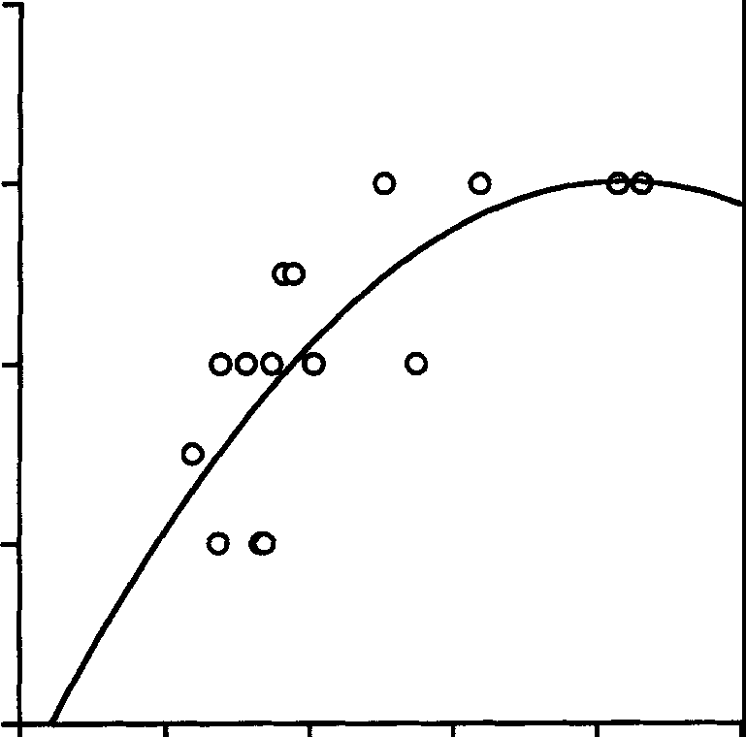 4 a) 3 e 0u (I) e>a, |  |  |  |  |  |  | Table 5 Results of the Regression Analysis of Family-Level Independent Contrasts of Play Scores Against Relative Brain and Neocortex Size for Marsupialia and Primates Taxon and neural Type of play measurement score F df r p Marsupialia
2 |  |  |  |  |  |  |  |  |  |  |  |  |  |  | Brain | Play frequency |  | 2.18 | 1, 10 | 0.42 | 0.17
 |  |  |  |  |  |  |  |  |  |  |  |  |  |  |  | Play wrestling |  | 0.94 | 1, 6 | 0.37 | 0.37
 |  |  |  |  |  |  |  |  |  |  |  |  |  |  | Neocortex | Play frequency |  | 4.68 | 1, 9 | 0.59 | 0.06
 |  |  |  |  |  |  |  |  |  |  |  |  |  |  | Primates | Play wrestling |  | 1.96 | 1, 5 | 0.53 | 0.22
1 |  |  |  |  |  |  |  |  |  |  |  |  |  |  | Brain | Sex play |  | 10.02 | 1, 8 | 0.75 | 0.01
 |  |  |  |  |  |  |  |  |  |  |  |  |  |  |  | Sex play" |  | 3.57 | 1, 8 | 0.56 | 0.10
 |  |  |  |  |  |  |  |  |  |  |  |  |  |  |  | Non-sex play |  | 0.11 | 1, 8 | 0.12 | 0.74
 |  |  |  |  |  |  |  |  |  |  |  |  |  |  |  | Total play |  | 1.57 | 1, 8 | 0.41 | 0.25
 |  |  |  |  |  |  |  |  |  |  |  |  |  |  | Neocortex | Sex play |  | 2.95 | 1, 7 | -0.55 | 0.13
0 |  |  |  |  |  |  |  |  |  |  |  |  |  |  |  | Non-sex play |  | 0.50 | 1, 7 | -0.26 | 0.50
 |  | 0 |  | 0.5 | 1.5 |  |  | 2 |  | 2.5 |  |  |  |  |  | Total play |  | 1.73 | 1, 7 | -0.45 | 0.23
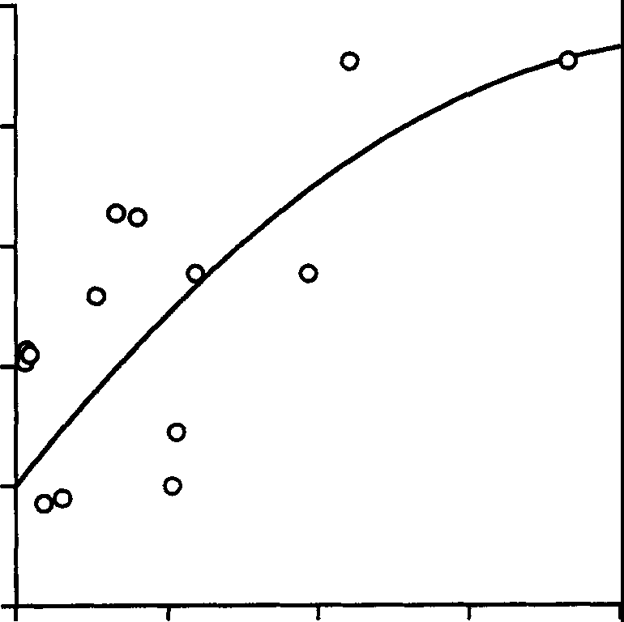 EQ b) 0.8 0.6 .a.l 0 |  |  |  |  |  |  |  |  |  |  | • Excluding humans. complexity increases. However, variation within the range be­ tween one threshold level and the next has no further bearing on play. At a broad level, this implies that the increase in brain size shown by the average carnivore compared with the average rodent increases the likelihood that play is present among more species of carnivores. However, which carnivores play, and how they do so, may have little to do with intraorder variation in brain size. Thus although a large increase in brain size increases the likelihood that play will occur, whether it occurs or not depends on the presence of additional selective factors (Bekoff & Byers, 1998; Pellis & Iwaniuk, 1999a, 1999b, 2000b). This possibility is supported by our analysis showing that the strength of the relationship between Table 6 Results of the Species-Level Independent Contrasts Analysis of Play Scores and Relative Brain Size in Rodents, Marsupials, and Primates
.-(;.I;) C (.) >, | 0.4 0.2
al

 | 0

 | -0.2
 |  | 0 |  | 0.25 | 0.5 |  |  | 0.75
EQ Contrasts |  |  |  |  |  |  |  |  |  |  |  |  |  | Taxon and neural |  |  | Type of play
Figure 2. Scatter plots showing the relationship between brain size (i.e., |  |  |  |  |  |  |  |  |  |  |  |  |  | measurement |  |  | score | F | df | r | p
encephalization quotient or EQ) and play among mammalian orders using raw scores (a) and independent contrasts (b). The line of best fit for both (a) and (b) was derived from a polynomial model. as the scores were not transformed to logarithmic values.
Rodents
Brain |  |  |  | Complexity index |  | 2.83 |  | 1, 11 | -0.45 |  |  | 0.12
 |  |  |  | Play wrestling |  | 0.41 |  | 1, 17 | -0.15 |  |  | 0.53
 |  |  |  | Play fighting |  | 1.22 |  | 1, 17 | -0.26 |  |  | 0.28
 |  |  |  | Locomotor play |  | 0.01 |  | 1, 17 | -0.03 |  |  | 0.92
 |  |  |  | Total play |  | 0.76 |  | 1, 17 | -0.21 |  |  | 0.40
Marsupials
(Panksepp, Normansell, Cox, & Siviy, 1994; Pellis, Pellis & |  |  |  |  |  |  |  |  |  |  |  |  | Brain |  |  | Play frequency |  | 3.40 | 1, 50 | 0.26 | 0.07
Whishaw, 1992), further showing that the cortex need not be |  |  |  |  |  |  |  |  |  |  |  |  |  |  |  | Play wrestling |  | 3.87 | 1,42 | -0.29 | 0.06
physically present for play to occur. The significant comparisons found in this study for marsupials may reflect the wide variation in |  |  |  |  |  |  |  |  |  |  |  |  | Neocortex |  |  | Play frequency Play wrestling |  | 1.35 1.88 | 1,46 1, 39 | .17 -.22 | .25 .18
Primates
Brain |  |  | Sex play |  |  | 3.29 |  | 1, 58 | -0.01 |  |  | 0.96
 |  |  | Non-sex play |  |  | 0.05 |  | 1,59 | 0.03 |  |  | 0.83
 |  |  | Total play |  |  | 2.00 |  | 1,57 | 0.18 |  |  | 0.16
Neocortex |  |  | Sex play |  |  | 0.21 |  | 1, 29 | 0.01 |  |  | 0.65
 |  |  | Non-sex play |  |  | 0.73 |  | 1, 28 | -0.03 |  |  | 0.40
 |  |  | Total play |  |  | 0.20 |  | 1, 28 | -0.08 |  |  | 0.66
brain sizes in this order compared with the others. Indeed, the only significant correlations found for primates involved the inclusion of humans, which again would have markedly increased the vari­ ance in the data set. A model consistent with these findings is that the relationship between play and brain size may be stepwise, so that with an expansion of the brain above a threshold level, play prevalence and |  |  |  |  |  |  |  |  |  |  |  |  |  | Note. None of the results were significant.

