Table 3
of the striatum that may underlie cognitive and behavioral features of the disorder. In these regions in ASD, the caudate has been shown to involve struc-tural increases in size (Langen et al., 2007, 2012) and reductions of total neuronal density (Wegiel et al., 2014). We utilized postmortem tissue from ten adult individuals including a unique sample of five WS and five age-, sex-, and hemisphere-matched typically-developing (TD) control subjects, to measure the density of neurons and glia in the rostral striatum. METHODS Materials Subjects were adults, ranging in age from 18 to 45 years at time of death and included two males and two females with genetically confirmed diagnoses of WS, and one male (WS1) with a behaviorally confirmed diagnosis of WS with significant cardiac history consistent with the genetic disor-der’s biomedical profile, for which no genetic information was available (Table 1). These five specimens in the Ursula Bellugi Williams Syndrome Brain Collection met the crite-ria for inclusion based on completeness of the targeted ROIs. Another set of five age, sex, and right hemisphere-matched specimens from five adult TD cases were provided by University of Maryland Brain and Tissue Bank (UMBTB), a repository of the NIH NeuroBioBank. Tissue Processing Blocks including the rostral portion of the striatum were used in our analyses owed to the close association of these territories with functional connectivity with regions of the prefrontal cortex (Fudge and Haber, 2002; Haber, 2003; Haber et al., 2006; Delmonte et al., 2013; Averbeck et al., 2014; Jarbo and Verstynen, 2015). For each WS brain, 3–4 cm thick blocks of tissue from the right hemisphere were removed and cryoprotected using successive concentrations of 10, 20, and 30% buffered sucrose solutions, and sec-tioned at 40 lm on a Leica SM2010 freezing microtome. TD subjects were dissected foll | 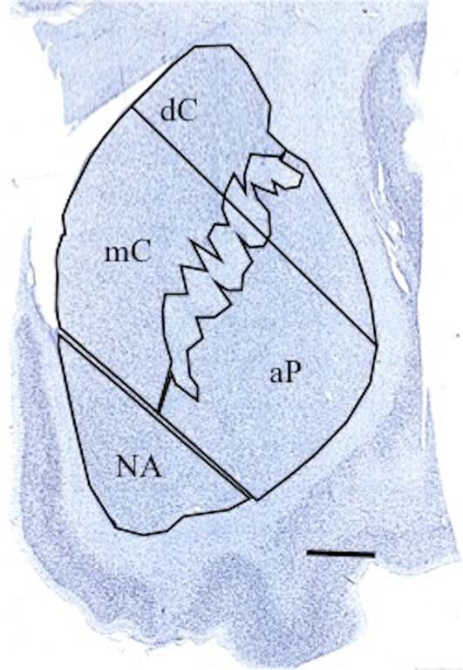 Figure 1 Anatomical regions of interest in the associative territories of the dorsal (dC) and medial caudate nucleus (mC), associative putamen (aP), and nucleus accumbens (NA) regions. The dorsal portion of the putamen, which receives primarily sensorimotor projections, was not mea-sured. Scale bar 5 5 mm. [Color figure can be viewed at wileyonlinelibrary.com] Anatomical Regions of Interest (ROIs) The striatum is organized topographically by the overlap-ping projections it receives from cortical territories, which have been categorized on the basis of functionally signifi-cant loops (Holt et al., 1997; Nakano et al., 2000; Fudge and Haber, 2002; Haber, 2003; Choi et al., 2012). The regions of interest targeted were in the associative and lim-bic territories in the dorsal (dC) and medial caudate nucleus (mC), associative putamen (aP), and nucleus accumbens (NA) regions (Fig. 1), comprised of areas corresponding to cognitive and limbic loops (Holt et al., 1997; Nakano et al., 2000; Haber, 2003) and reward systems (Balleine et al., 2007; Delgado, 2007; Tanaka et al., 2015). Stereological quantification took place in a consistent manner between sections and cases, within these nuclei as described below. Dorsal Caudate Nucleus (dC) The caudate head emerges anterior to the appearance of the lateral ventricle and caudal to the genu of the corpus cal-losum in coronal sections. It is bounded laterally by the emerging fibers of the internal capsule, which separates it from the putamen. Medially, the caudate is bounded by the

Table 5
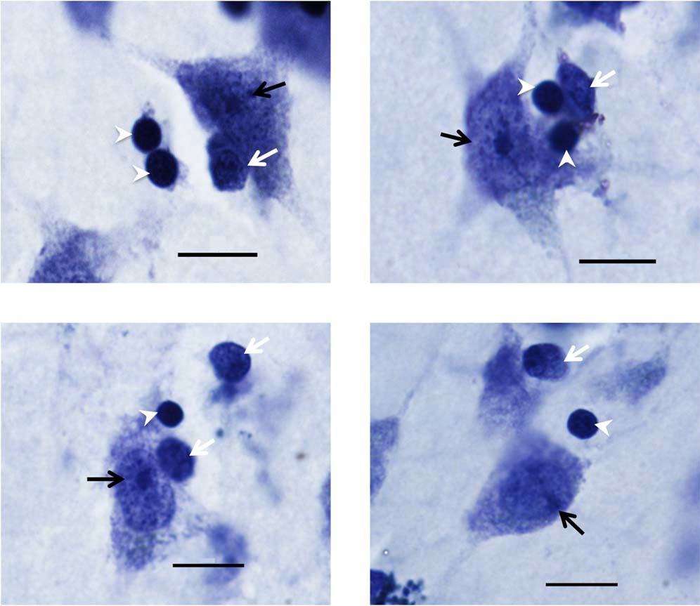
Figure 2 Photomicrographs of Nissl stained cells in the dorsal caudate (top left), medial caudate (top right), putamen (bottom left), and nucleus accumbens (bottom right) regions. Neurons (black arrow) were distinguished from oligodendrocytes (white arrowheads) and other glia (white arrows) by their large size and distinctively stained nucleolus. Image taken at 1003 (1.4 NA). Scale bar 5 10 lm. [Color figure can be viewed at wileyonlinelibrary.com]
Glia were distinguished from neurons and non-cellular arti- facts by the presence of darkly stained cytoplasm, smaller size, and the lack of a distinctive nucleolus (Sherwood et al., 2006; Kreczmanski et al., 2007). Following initial glia counts, we also chose to focus specifically on oligodendrocytes due to their relative abundance within the caudate nucleus, and their distinctive morphology. Oligodendrocytes were identified using criteria described in the literature; as smaller and rounder than astrocytes and microglia, and more darkly-stained, with a more compact nucleus and less granular-appearing cytoplasm, and lacking a distinctive nucleolus in contrast to immature neurons (Baumann and Pham-Dinh, 2001; Hamidi et al., 2004; Pelvig et al., 2008; Karlsen and Pakkenberg, 2011; Morgan et al., 2014) (Fig. 2). Given the heterogeneity in morphotypes of activated microglia (Morgan et al., 2014) and the difficulty in distinguishing these from astrocytes in Nissl-stained tissue, only oligodendrocytes were quantified. Additional immunostaining will be implemented in future series to quantify these elements independently. Endothelial cells were sparsely present within the tissue, but were not quantified. Neuron and glia density for the regions measured was estimated by dividing the number of cells by the projected | volume of the sampled region in each ROI using planimet- ric sampling in StereoInvestigator. A target of 100–200 cells of each type was counted per region of interest with a coefficient of error (Gundersen m 5 1) less than 0.1. Statistical Analysis Independent 2-tailed t-tests (p < 0.05) with Welch’s correc-tion were calculated using GraphPad Prism software to compare means for neuron density, glia density, glia-to-neuron ratio, and soma volume. Grubb’s Outlier test was applied to all data to determine if any single value was a statistically significant outlier, but no outliers were detected and no data points were removed. RESULTS Results for all regions of interest are summarized in Table 2 and Figure 3. Table 3 and Figure 4 summa-rize results for oligodendrocytes in the mC and dC only. A significantly higher density of glia was found in the dC (Fig. 3B), as well as an increase in the ratio

Table 6
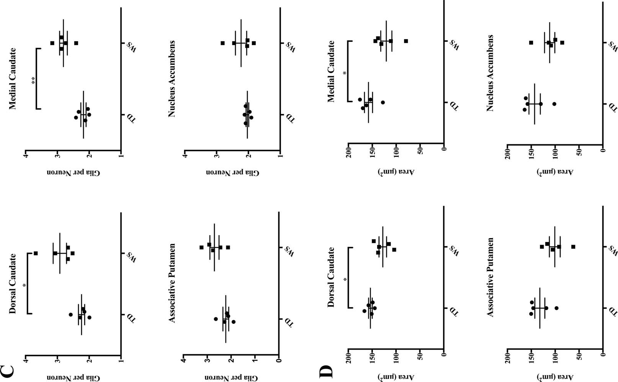
Table 2 Summary of Results, Statistical Analyses, and Percent Change for Average Neuron and Glia Density, Glia to Neuron Ratio, and Neuronal Soma Area in the Dorsal (dC) and Medial (mC) Caudate Nucleus, Associative Putamen (aP), and Nucleus Accumbens (NA) Regions of the Striatum in Typically Developing (TD) Individuals and Individuals with Williams syndrome (WS)
 |  | dC |  | mC | aP | NA
Average neuron density | WS | 19,496 6 1471 |  | 22,935 6 843 | 26,629 6 2610 | 27,736 6 2632
 | TD | 21,061 6 776 |  | 24,931 6 1210 | 26,509 6 1129 | 28,734 6 3455
Average percent change |  | 26.51% |  | 26.85% | 12.37% | 16.32%
t-statistics |  | t 5 0.9408 |  | t 5 1.354 | t 5 0.422 | t 5 0.2299
 |  | df 5 6.065 |  | df 5 7.144 | df 5 5.447 | df 5 7.473
P-value |  | 0.382 |  | 0.217 | 0.967 | 0.824
Average glia density | WS | 58,304 6 3595 |  | 65,990 6 4266 | 73,106 6 8075 | 60,597 6 4502
 | TD | 47,156 6 2482 |  | 55,046 6 4213 | 59,100 6 4754 | 58,750 6 7743
Average percent change |  | 125.42% |  | 122.63% | 128.92% | 112.24%
t-statistics |  | t 5 2.552 |  | t 5 1.826 | t 5 1.495 | t 5 0.2062
 |  | df 5 7.108 |  | df 5 7.999 | df 5 6.476 | df 5 6.427
P-value |  | 0.038* |  | 0.105 | 0.182 | 0.843
Glia per neuron | WS | 2.92 6 0.21 |  | 2.81 6 0.01 | 2.70 6 0.19 | 2.23 6 0.18
 | TD | 2.24 6 0.10 |  | 2.18 6 0.08 | 2.22 6 0.12 | 2.03 6 0.04
Average percent change |  | 131.97% |  | 129.23% | 123.61% | 19.67%
t-statistics |  | t 5 2.947 |  | t 5 4.286 | t 5 2.108 | t 5 1.094
 |  | df 5 5.647 |  | df 5 6.896 | df 5 6.782 | df 5 4.443
P-value |  | 0.028* |  | 0.004** | 0.074 | 0.330
Average soma area (lm2) | WS | 128 6 8 |  | 121 6 12 | 101 6 11 | 112 6 11
 | TD | 154 6 4 |  | 158 6 8 | 132 6 11 | 143 6 12
Average percent change |  | 216.62% |  | 221.76% | 223.27% | 220.14%
t-statistics |  | t 5 2.964 |  | t 5 2.603 | t 5 2.029 | t 5 1.952
 |  | df 5 5.755 |  | df 5 7.275 | df 5 7.952 | df 5 7.919
p-value |  | 0.026* |  | 0.034* | 0.077 | 0.087
of glia to neurons (Fig. 3C). In the mC, an increased ratio of glia to neurons (Fig. 3C), and a significant increase in oligodendrocyte density (Fig. 4) was found. Overall, neuron density did not vary significantly between WS and TD for any regions sampled. Total glia density was elevated significantly in the dC, and mean density of glia was also higher in the mC and aP, but these values did not reach statistical significance. Dorsal Caudate Nucleus A significant increase in the total density of glia was found in the dC (58,304 6 3595 WS vs. 47,156 6 2482 glia/mm3; p 5 0.038). The ratio of glia to neurons was also significantly elevated (2.92 WS vs. 2.24 TD glia/neuron, p 5 0.028). Oligoden-drocyte density was higher on average in WS (33,810 6 3742 cells/mm3, Fig. 4) than in TD sub- jects (25,281 6 1343 cells/mm3), though these results did not reach statistical significance (P 5 0.085). Though no significant difference in neuron density was found (19,496 6 1471 WS vs. 21,061 6 776 cells/mm3 TD), mean neuronal soma area was smaller in WS (128 6 8 lm2) than in TD subjects (154 6 4 lm2, P 5 0.026). |  |  | Medial Caudate Nucleus Average density of glia was slightly elevated in the WS as compared to TD subjects (65,990 6 4266 vs. 55,046 6 4213 glia/mm3) though this did not reach significance (p 5 0.105). However, the ratio of glia to neurons in the medial caudate was significantly ele-vated in WS as compared to TD subjects (2.81 vs. 2.18 glia/neuron, p 5 0.004). Additionally, a signifi-cant increase of oligodendrocyte density was found in the caudate in WS subjects (40,605 6 3161 cells/ mm3) as compared to TD controls (27,375 6 2566 cells/mm3; p 5 0.012). No significant difference in overall neuron density was observed between TD and WS subjects in the mC (22,935 6 843 WS vs. 24,931 6 1210 TD neurons/mm3), though average soma area was significantly smaller in WS (121 6 12 lm2) as compared to TD (158 6 8 lm2, p 5 0.034). Associative Putamen Glia density was higher on average in WS as com-pared to TD cases (73,106 6 8075 vs. 59,100 6 4754 glia/mm3), but this did not reach statistical signifi- cance (p 5 0.182). The ratio of glia to neurons in the
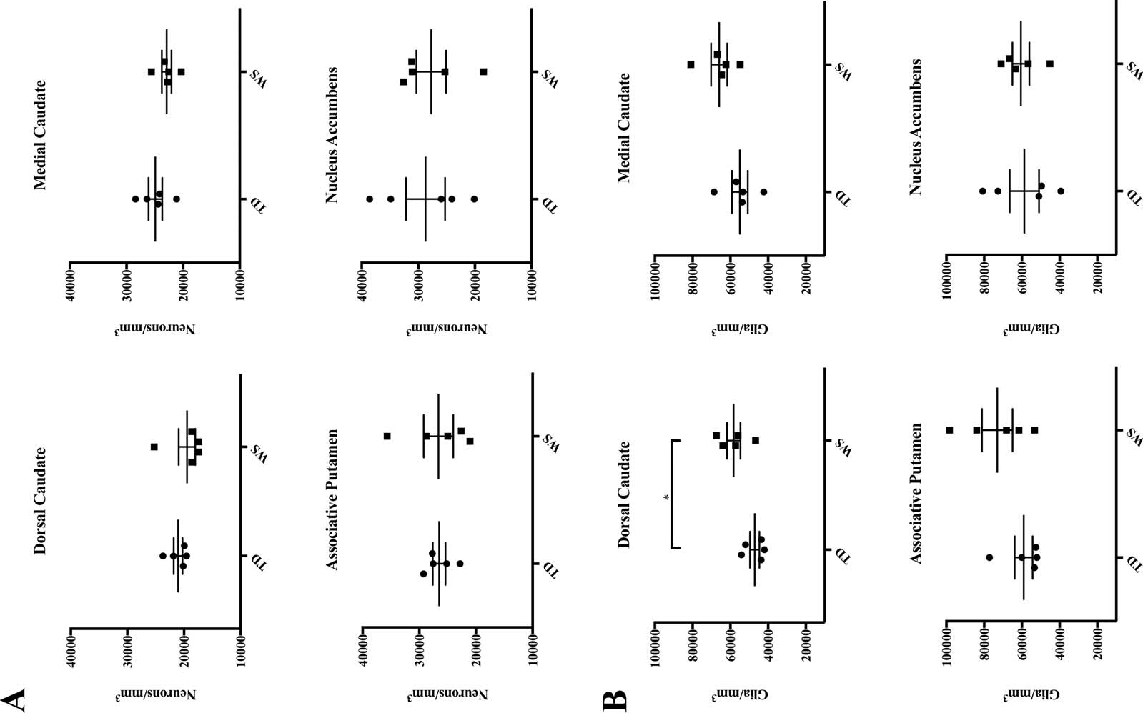
1932846x, 2018, 5, Downloaded from https://onlinelibrary.wiley.com/doi/10.1002/dneu.22554 by <Shibboleth>-member@bath.ac.uk, Wiley Online Library on [04/09/2026]. See the Terms and Conditions (https://onlinelibrary.wiley.com/terms-and-conditions) on Wiley Online Library for rules of use; OA articles are governed by the applicable Creative Commons License

Table 7
Table 3 Summary of Results and Statistical Analyses for Density of Oligodendrocytes and Percent Change in the Medial (mC) and Dorsal (dC) Regions of the Caudate Nucleus in Typically Developing (TD) Individuals and Individu-als with Williams Syndrome (WS)
 |  |  | dC | mC
Oligodendrocyte density | WS |  | 33,810 6 3742 | 40,605 6 3161
t-statistics p-value | TD |  | 25,281 6 1343 t 5 2.145 df 5 5.014 0.085 | 27,375 6 2566 t 5 3.249 df 5 7.675 0.012*
Average percent increase |  |  | 135.63% | 151.35%
Oligodendrocytes: percent of total glia | WS |  | 57.41% | 62.20%
 | TD |  | 53.77% | 50.55%
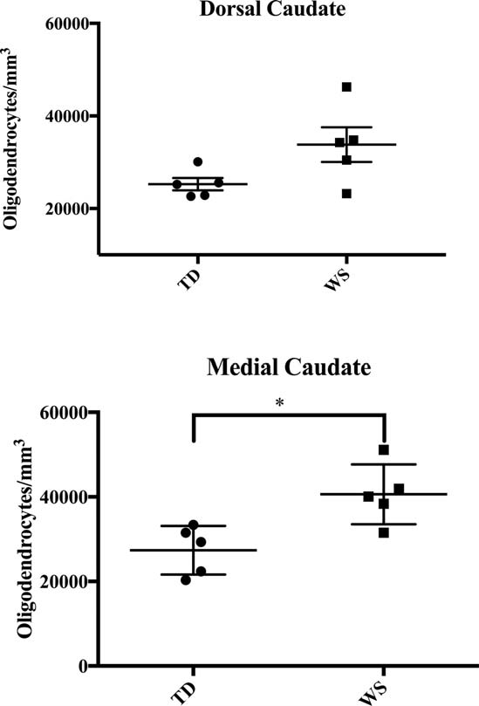 associative putamen was slightly elevated in WS as compared to TD subjects (2.70 vs. 2.22 glia per neu-ron), though this also did not reach statistical signifi-cance (p 5 0.074). Mean soma area was also slightly decreased in the associative putamen, but did not reach statistical significance (p 5 0.077). Nucleus Accumbens No significant differences were observed in the nucleus accumbens region for neuron density (27,736 WS vs. 28,734 TD, p 5 0.824), glia density (60,597 WS vs. 58,750 TD, p 5 0.843), or glia-to-neuron ratio (2.23 Figure 4 Density of oligodendrocytes in the dorsal and medial caudate nucleus. |  | WS vs. 2.03 TD, p 5 0.330) between WS and TD sub- jects. Average soma area was modestly smaller in WS (112 6 11 lm2) than in TD (143 6 12 lm2) subjects, but this did not reach significance (p 5 0.087). DISCUSSION Summary Mean glia density was significantly elevated in the dC, and increased glia density was observed across all ROIs of the caudate and putamen, but not in the NA. The glia-to-neuron ratio was significantly ele-vated in subjects with WS in the medial caudate (p 5 0.004), and although average glia-to-neuron ratio was higher in the associative putamen, this did not reach significance (p 5 0.068). (Fig. 3C). Signifi-cant differences in the density of neurons in territo-ries of the striatum were not observed between WS and TD subjects. Average values of glia density were greater in WS as compared to TD controls in the associative territories of the caudate and putamen but not in the limbic nucleus accumbens region. Average neuronal soma area was consistently smaller across all regions of interest in WS (Fig. 3D). Specific cognitive and neurological impairments in Williams syndrome have been noted in individuals diagnosed with the disorder. Brains of individuals with Williams syndrome tend to be smaller overall than in typically-developing individuals (Jernigan and Bellugi, 1990), with notable size reductions found in the parietal lobule (Eckert et al., 2005), occipital grey matter (Reiss et al., 2000), intraparietal sulcus and orbitofrontal cortex (Meyer-Lindenberg et al., 2005; Fan et al., 2017). Functional abnormali-ties have been demonstrated with respect to primary auditory (Levitin et al., 2003) and visual perception (Galaburda et al., 2002; Atkinson et al., 2007). Addi-tionally, deficits in object-focused and spatial cogni- tion and memory have implicated the dorsal visual

Table 9
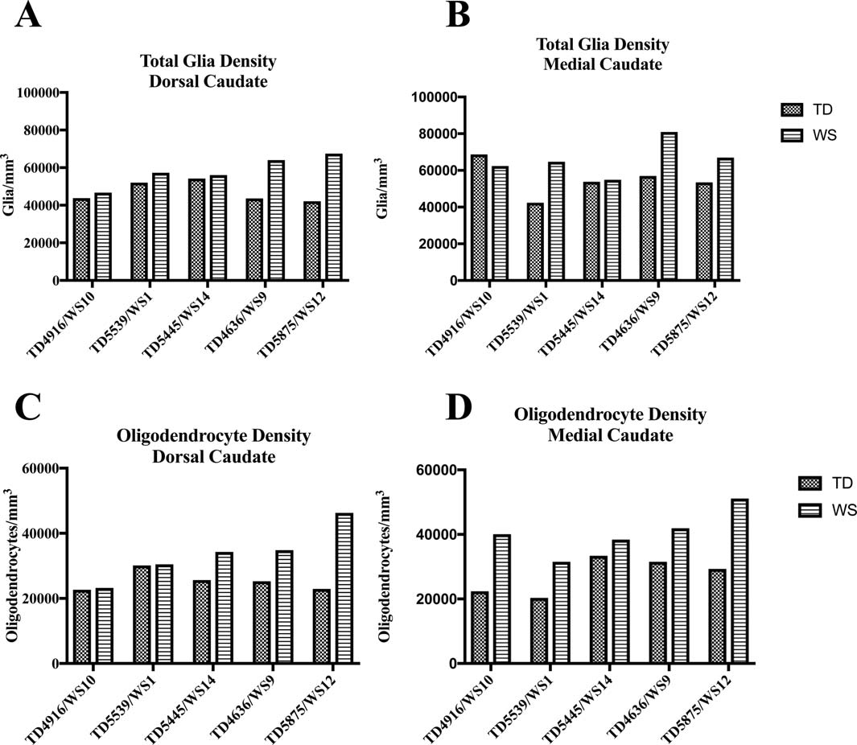
Figure 5 Individual values for density of total glia (A/B) and oligodendrocytes (C/D) in the dorsal and medial caudate nucleus in matched pairs.
shown abnormalities in cerebral angiogenesis, as well as disrupted development of endothelial cells (Enkh-mandakh et al., 2009), attributed to the resulting down-regulation of endothelial growth factor receptor-2 gene. These disruptions in vasculature and endothelial cell development likely have important consequences for the fate of migrating oligodendrocytes. In particu-lar, oligodendrocytes may not effectively migrate into white matter, leading to their excessive numbers in grey matter. This likely has important implications for understanding hypoactivity in frontostriatal circuitry that underlies deficits in behavioral control seen in WS. Specifically, the functional role of oligodendro-cytes in myelination may point to mechanisms under-lying dysfunction of frontostriatal connectivity related to hypomyelination and associated white matter abnormalities. Significant reductions in white matter volume that outpace deficits in gray matter are reported in struc-tural imaging studies of WS (Faria et al., 2012). Stud-ies of white matter architecture using diffusion tensor imaging (DTI) have demonstrated aberrations in fiber tract directionality and coherence (Marenco et al., | 2007). Increased fractional anisotropy (FA) was also observed in the superior longitudinal fasciculus in WS, which may reflect deficits in myelination (Alba-Fer-rara and de Erausquin, 2013). The role of oligodendro-cytes in the complex relationship between myelination in gray and white matter, and white matter architecture in WS, bears further study. Future research will utilize advanced techniques to examine fiber densities and myelination in frontal and striatal regions of interest. Developmental Considerations A major limitation in postmortem studies of many neurodevelopmental disorders includes lack of a suf-ficient developmental sample. This is particularly true in WS, given the rarity of the disorder. Though there is no comprehensive data available examining average lifespan in individuals with WS, death in early middle age is not uncommon due to cardiac complications of the disorder, and may represent a peak in mortality. Accordingly, three of our subjects (WS9, WS 12, and WS 14) are very close in age, and similar patterns can be observed in these individuals

