Table 2
Price, 1994), studies of the prefrontal cortex of apes are scarce. Here we address the issue of the homology of area 10 on the basis of quantifiable cytoarchitectonic cri-teria. We estimate the overall volume of the area in hominoids, and we explore aspects of its organiza-tion, including the relative size of cortical layers, numbers of neurons, and neuropil space. On the basis of the comparative information, we reconstruct aspects of the evolution of area 10 in hominoid and hominid brains. MATERIALS AND METHODS Materials Subjects of all extant hominoids (humans, chim-panzees, bonobos, gorillas, orangutans, and gibbons) were studied. One Old World monkey, the rhesus monkey, was also included as an outgroup compar-ison. Two to ten hemispheres per species were in-cluded in the qualitative part of the investigation, and one hemisphere (right) per species was quanti-fied. The quantified specimens were selected on the basis of the quality of staining and of the consistency in the fixation protocol and processing procedures. Included are adult individuals of both sexes, except for the bonobo, which is represented by a 2-year-old subject (exact age is not known for apes; the human was 75 years old). None of the subjects died of neu-rological disease. All quantified specimens were emerged in 4% formalin within a few hours after the natural death of the subject, and were processed and stained in the same manner (Semendeferi et al., 1998). They were cut at 20 µm, and every tenth or fifteenth section was stained with a modification of the Gallyas silver stain for neuronal perikarya (Gal-lyas, 1971; Merker, 1983). Methods Estimates of volumes. The volume of the cortical gray of area 10 was obtained from histological sec-tions with the use of stereological techniques that estimate unbiased volume of brain structures and other irregularly shaped objects with a precision better than 5% | only a small portion of the total volume) throughout the cortical depth, starting at the pial surface and ending at the white/gray matter interface. A characteristic profile for each species was de-rived by standardizing individual profiles to the same relative width, and then averaging the GLIs. The x-axis represents the relative cortical depth of the area, and the y-axis represents the GLI value which shows the percent-area covered by cell bodies vs. neuropil space (for more details see Semendeferi et al., 1998). Subsequently, mean GLI values were calculated for the entire profile, and for three groups of cortical layers whose boundaries could be identi-fied reliably across species (supragranular layers II and III, layer IV, and infragranular layers V and VI). Relative size of cortical layers. The above pro-files were used in the following manner to help de-termine the thickness of the cortical layers and the mean GLI values within each layer. Area 10 in all seven species was measured in the same manner. Microscopic sections of the cortex were projected through a camera lucida over each profile. By this means, profile curves were directly superimposed onto the image of the histological section, enabling the maxima and minima of the profile to be matched with the cytoarchitectonically and qualitatively de-fined layers. Neuronal counts. The total number of neurons was determined for area 10 by applying the optical fractionator, a modern stereological method for ob-taining estimates of total numbers of neurons in a cortical area (West and Gundersen, 1990; West et al., 1991; Hyman et al., 1998). Neurons were iden-tified and counted in a light microscope, using a 60X-oil immersion objective with a numerical aper-ture of 1.4 (Semendeferi et al., 1998). RESULTS Cytoarchitecture of area 10 The results of the cytoarchitectonic evalua

Fig. 1. Photomicrographs of human area 10. A: Cortical layers I–VI. Scale bar = 1 mm. Arrow marks location of magnified histological section shown in B (scale bar = 500 µm) C: Coronal section through the frontal pole. Arrow marks presence of area 10.
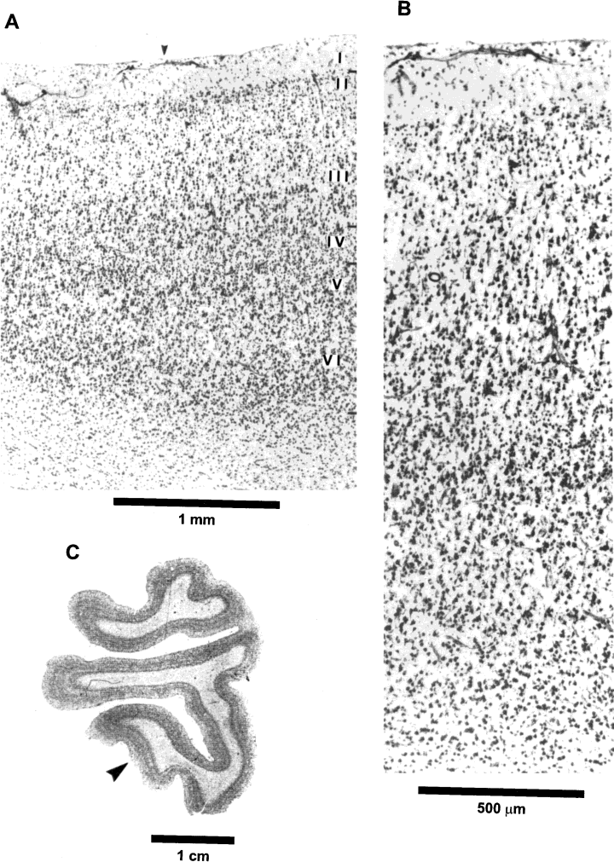

TABLE 1. Cytoarchitectonic features of area 101 Human Chimpanzee Bonobo Gorilla2 Orangutan Gibbon Macaque

Table 4
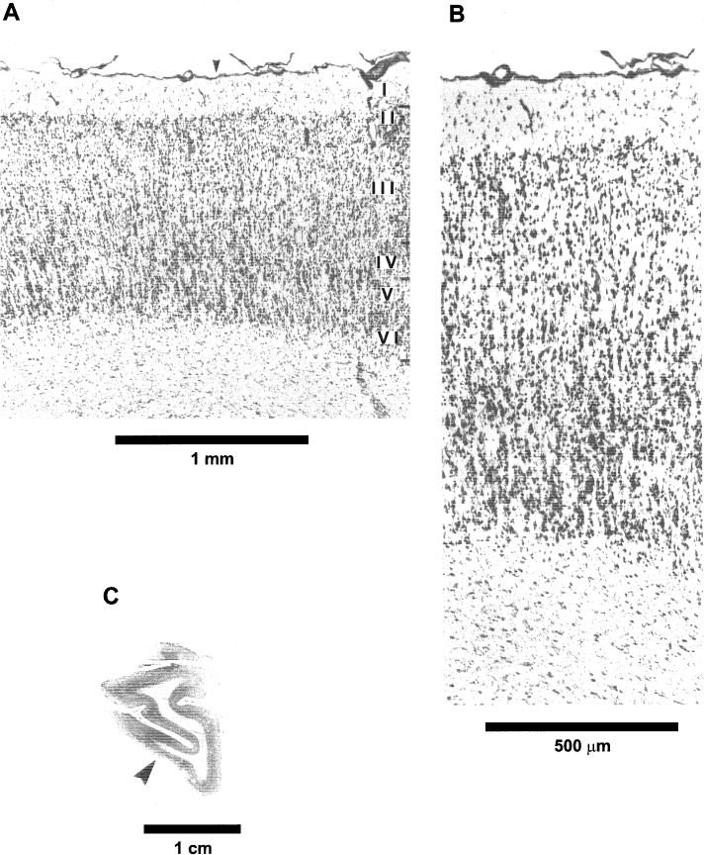
Fig. 2. Photomicrographs of chimpanzee area 10. Magnifications and arrows are as in Figure 1.
of the layers. Its cells have a medium stain intensity. Layer III has a homogeneous appearance in cell-packing density and in cell size. It is a wide layer, with cells that are darkly stained. Layer IV is thin but clearly present and contains pale to medium-stained cells. Layer V has a clear border with IV. It includes densely packed and darkly stained pyra-mids in Va, but a less densely packed Vb. In layer VI, cells are dark and the gray matter-white matter border is sharp (Fig. 3). | The neighboring cortical areas on the mesial and dorsal surfaces have an extremely thin layer IV and very prominent pyramids in IIIb and Va. In addi-tion, on the mesial surface, layer II becomes promi-nent and the borders of layer IV become irregular at locations. Unlike those of the human and the chim-panzee, the frontal cortices of the bonobo and the rest of the hominoids have not been mapped before, and thus reference to neighboring areas cannot be made with specific numeric or alphabetic designa-

Table 5
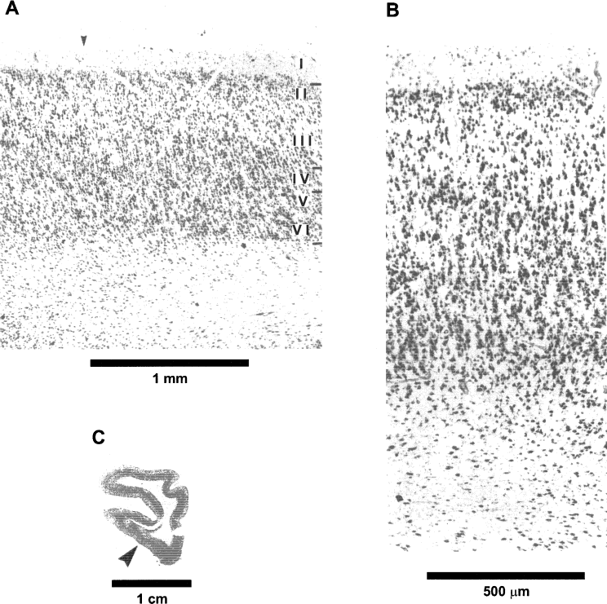
Fig. 3. Photomicrographs of bonobo area 10. Magnifications and arrows are as in Figure 1.
tions. The distinction is based on the cytoarchitec-tonic features presented here, and there is an obvi-ous need for an extensive study of all cortical areas of the prefrontal cortex. Gorilla. The frontal pole of the gorilla is investi-gated in two hemispheres (one brain). The frontal pole in this ape has a distinct appearance. Layers II and Va are very prominent, and because of this, the cortex as a whole does not have the homogeneous appearance that it has in the other hominoid brains. Layer I is narrow, while layer II has a medium width; it is prominent and its cells are dark. Layer III is wide, some of its pyramidal cells have a slight size gradient with a medium staining intensity, and some are dark, large pyramids. Layer IV is very thin and its cells are pale, while layer V is very promi- | nent with large, dark pyramids. Layer VI includes darkly stained cells (Fig. 4). The cortical area that forms the frontal pole differs from the surrounding areas in a variety of features. The neighboring cortical area on the mesial surface has pyramids in layer IIIb that are larger and more prominent. The cortex appears to have three darker bands (layers IIIb, Va, and II). On the orbital surface the cortex changes, having a very prominent layer Va and VIa, with larger and more darkly stained cells. Layer II remains very prominent as well. Some, but not all, of the cortical features of the gorilla frontal pole resemble those of the rest of the hominoids. The prominence of layers II and Va is unique to this species and does not meet all the cytoarchitectonic criteria established in this study

Table 6
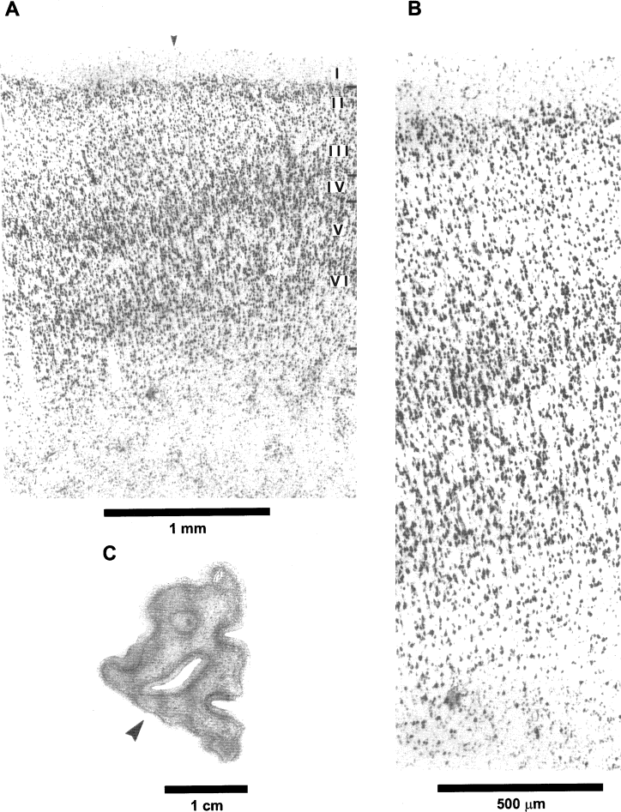
Fig. 4. Photomicrographs of gorilla frontal pole cortex. Magnifications and arrows are as in Figure 1.
for homology with area 10. Consequently, on the basis of the material included here, the homology of the cortex forming the frontal pole in the gorilla, and area 10 in the rest of the hominoids, is questionable. Examination of more specimens is imperative in | order to clarify this issue and test these preliminary findings. Orangutan. Three hemispheres (two brains) of the orangutan are included in the analysis of the

Table 7
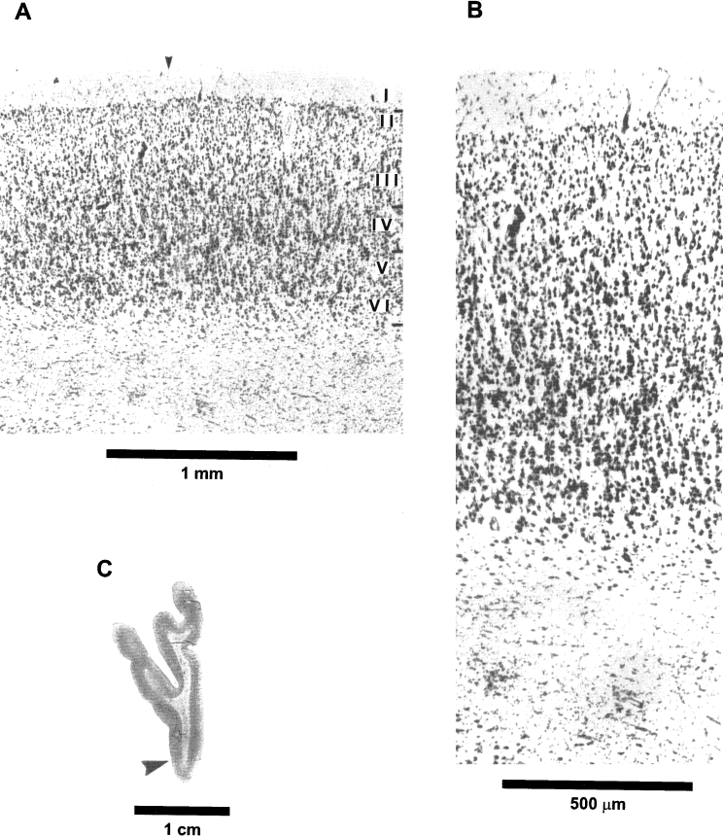
Fig. 5. Photomicrographs of orangutan area 10. Magnifications and arrows are as in Figure 1.
frontal pole. The cortex forming the frontal pole in this species has a homogeneous appearance, similar to that of the two chimpanzee species and the hu-man. Layer I is thin to medium in width, and layer II is very thin and includes dark cells. Layer III is homo-geneous and wide, with large and dark pyramids that are larger closer to the borders with layer IV, and almost equal in size to those in layer V. Layer IV is thin, has clear borders with III and V, and has a | medium staining intensity in its small cells. Layer Vb has a slightly lower cell-packing density than Va, whose pyramids are medium sized and darkly stained. Layer VI is medium in size and includes large pyramids. It has clear borders with the white matter (Fig. 5). Area 10 in the orangutan is surrounded by other cortical areas that are located in more caudal parts of the frontomarginal sulcus and on the mesial and orbital surfaces. Specifically, in more caudal sec-

Table 9
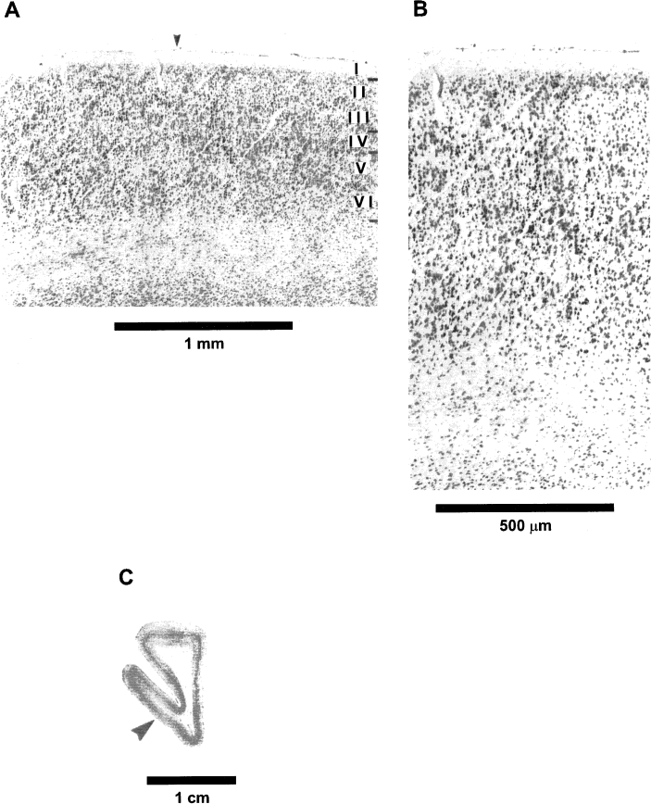
Fig. 6. Photomicrographs of gibbon area 10. Magnifications and arrows are as in Figure 1.
and is almost twice as large as expected (Y = 14.22 cm3). When plotted in a log-log scale (least squares) (Fig. 8b), the human value appears to be as large as expected (Y = 1.13 vs. 1.15). The small sample size does not allow for a conclusive allometric analysis of area 10. We suggest that both in absolute terms and relative to the rest of the brain, area 10 in humans is much larger than in apes; the use of more specimens will establish whether it is also allometrically en-larged. | Grey-level index. The GLI profiles record the variation in cell body density through the depth of the cortex. Peaks in the profile (increased GLI val-ues) indicate that more space is occupied by cell bodies. In the human brain, the profile is unimodal and has relatively lower values in the supragranular layers (Fig. 9). The overall mean GLI value is the lowest among the primates (Table 3). The distribution of values in the mean GLI profile of chimpanzee area 10 is very homogeneous. The

Table 11
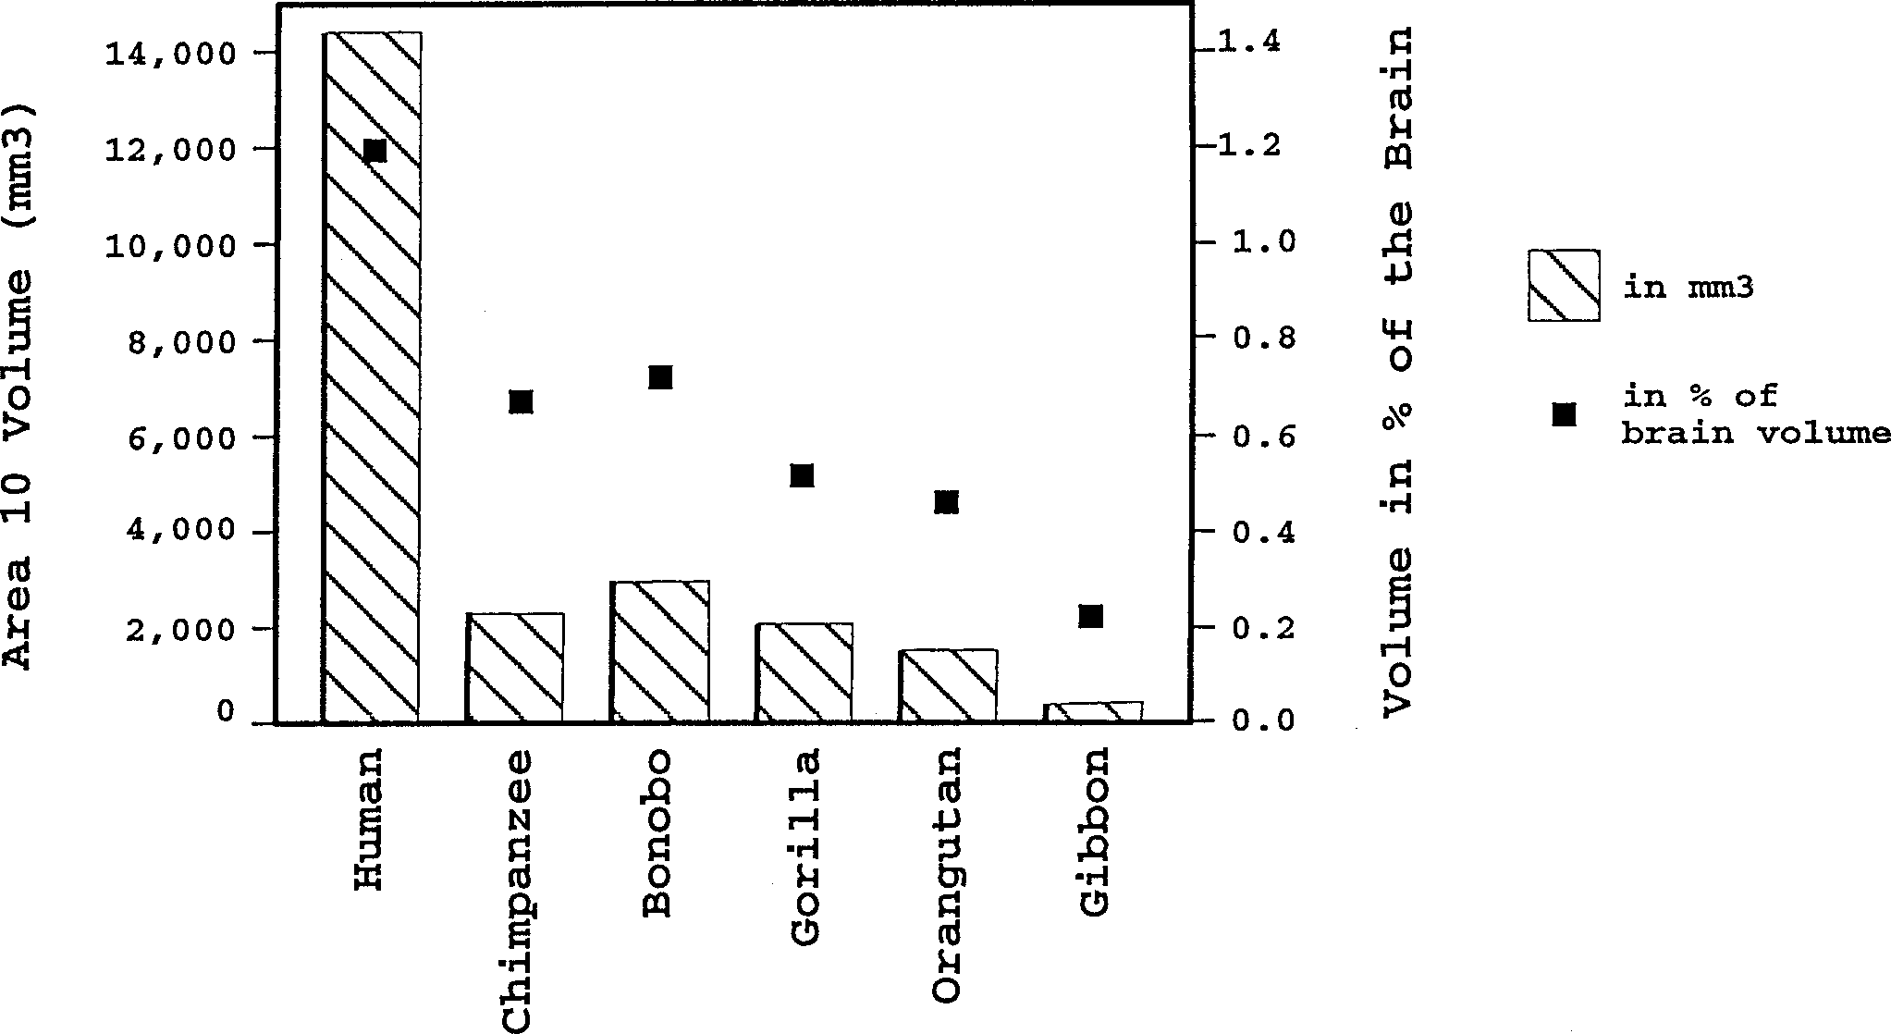
Fig. 7. Absolute and relative size of area 10 in right hemisphere. Columns represent absolute values in cubic millimeters, and squares represent relative values in percentage of total brain volume.
multiple staining techniques? Are there species-spe-cific patterns in the organization or the size of area 10? What can be said about the evolution of this higher-order association area in the human and ape lines? Comparison with previous studies Brodmann (1909) studied comparatively the cor-tex of several primate species; in his maps, he intro-duces numbers for specific cortical areas in humans and other primates. Although area 10 in his human map refers to the frontal pole, the area designated as 10 that appears in his cercopithecid map does not refer to the frontal pole of that species. “Area fron-topolaris“ of Cercopithecus is called ”field 12,” whereas area 10 refers to an “area orbitalis ex-terna.” It is of interest that Brodmann (1909) stated that the frontal pole in Cercopithecus corresponds more closely to area 11 in the human brain, and that a homology between the human and “monkey” fron-tal cortical types is very unclear. In contrast to Brod-mann (1909) and in agreement with later studies (Walker, 1940; Petrides and Pandya, 1994), we were able to demonstrate the presence of a homologous area 10 in the frontal pole of humans and other primates. Economo and Koskinas (1925) identified area FE as a distinct cortical type constituting the human frontal pole that corresponds to Brodmann’s area 10. Economo and Koskinas (1925) recognized some vari-ation in the structure of FE, and stated that FE is not the same everywhere. The findings of the | present study are in agreement with the general description of FE, though we have not identified any subdivisions of area 10 in the human brain. The human, chimpanzee and macaque cortex were studied by Bonin and Bailey (1947; see also Bailey et al., 1950; Bailey and Bonin, 1951). This group did not assign letters or numbers to individual cortical areas, but instead subdivided the entire iso-cortex into a few major categories with no further subdivisions. Regarding the frontal cortices in hu-mans, Bailey and Bonin (1951, p. 197) criticized any attempt (especially that of Economo and Koskinas, 1925) to identify multiple subdivisions. They stated, “Quite apart from the extreme variability of the pattern and size of the frontal gyri, it is evident that the distinction between FD and FE is very precari-ous and based on no feature which would seem from any viewpoint to be important.” Although we appre-ciate the difficulties in identifying individual cortical areas, we were able to demonstrate the distinct pres-ence of area 10, which forms the frontal pole in the human brain. Regarding the macaque, Bonin and Bailey (1947, p. 30) include the cortex constituting the frontal pole under FD, which “covers practically the entire frontal lobe anterior to the arcuate sul-cus,” and they discussed some of its variants (one is in the banks of the sulcus principalis, and another is in the anterior bank of the inferior limb of the arcu-ate sulcus). Bonin and Bailey (1947, p. 31) stated, “The cells become generally somewhat smaller as the tip is approached, as Economo has described for the human brain. One might on this basis label a

Table 12
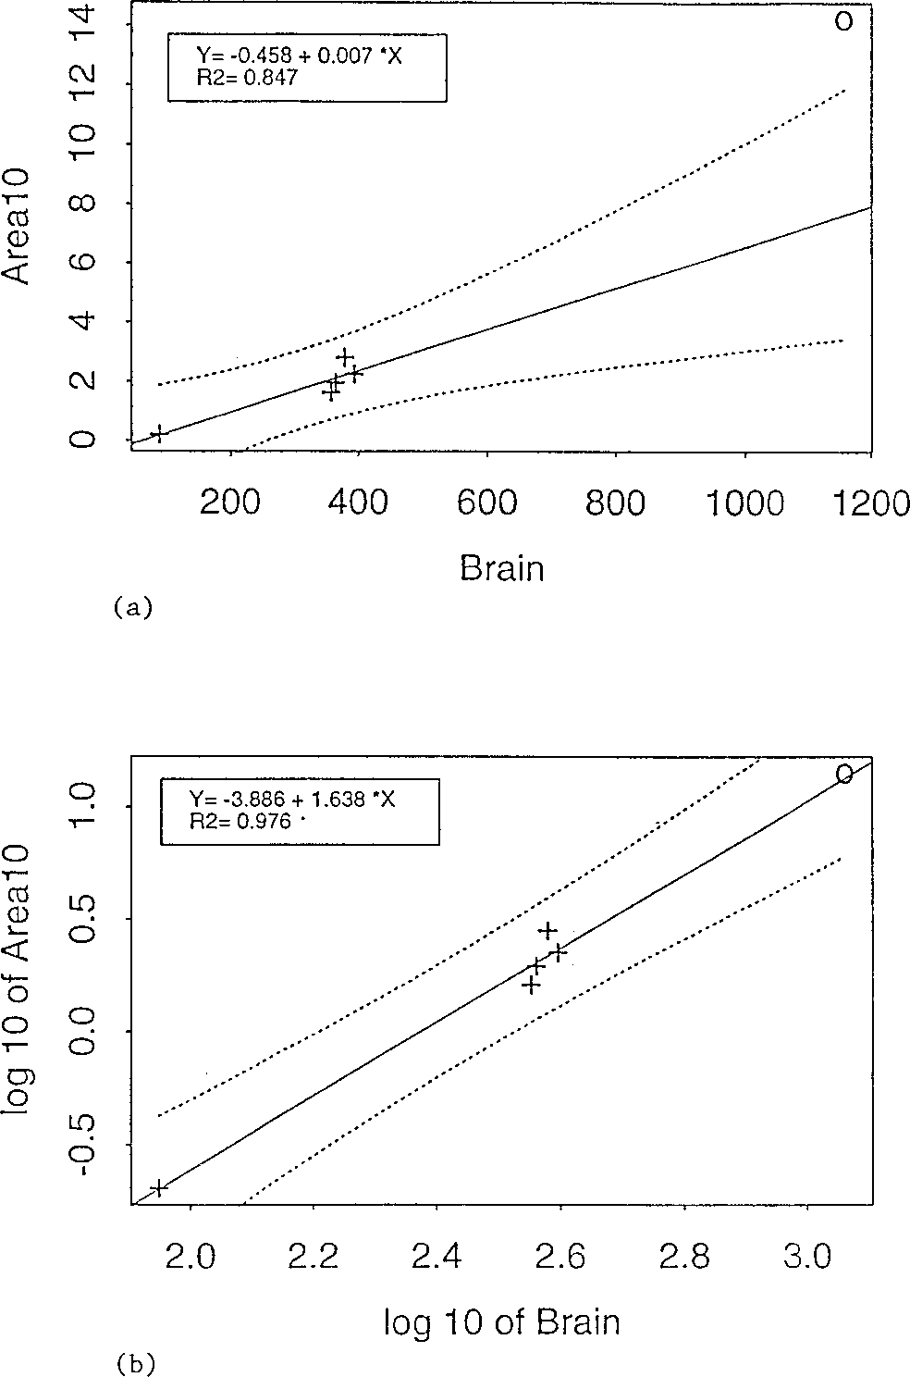 Fig. 8. Allometric plots in (a) linear scale and (b) log-log scale including best fit regression lines (least squares) through all nonhuman hominoid values. Crosses represent great and lesser apes; circles represent humans. variant FDE.” Of particular interest is their study of the chimpanzee frontal cortex. Bailey et al. (1950, p. 40) recognized as distinct (from FD) a cortical type that “has smaller and more closely packed cells than has FD,” and that “the fourth layer is fairly thick; it contains a dense population of pale granules.” Like Bailey et al. (1950), we identify a distinct area form-ing the frontal pole of chimpanzee area 10. Sanides (1970) recognized a separate cortical type constituting the human frontal pole (the frontopolar zone or FpZ), which he described as a very thin, well-granularized cortex. Nevertheless, unlike our own observations, he stated that there are two com-ponents, a pars convexa and a pars orbitalis. The findings of the present study are in agreement with the general description of area 10 in the ma-caque as provided by Walker (1940) and Preuss and Goldman-Rakic (1991). Walker (1940) placed area 10 on the frontal pole and the lateral part of the gyrus rectus. Preuss and Goldman-Rakic (1991) de-scribed the frontal pole in terms of the development of layer IV in Nissl staining and degrees of fiber myelination. | Our findings support in particular the idea dis-cussed by Barbas and Pandya (1989), Morecraft et al. (1992), and Carmichael and Price (1994) in favor of the presence of two components in the frontal pole of the macaque. Barbas and Pandya (1989) de-scribed a mediodorsal and a ventrolateral compo-nent of area 10. Morecraft et al. (1992) identified in the macaque the orbital sector of the frontal pole (area 10) as part of the orbitofrontal granular cortex or, OFg. This type of cortex is characterized by in-creased granularization (in relation to more orbit-ally located cortices), which leads to the appearance of a six-layered granular cortex. Carmichael and Price (1994) also distinguished two components (or-bital and medial) within the macaque frontal pole, on the basis of numerous immunocytochemical methods. Petrides and Pandya (1994) identified, as we do in the present study, a homologous area 10 in the hu-man and macaque frontal pole. They describe the frontal pole of the human brain as being cell-sparse and pale in its overall appearance, in comparison to the surrounding areas. Hof et al. (1995) mapped the human orbitofrontal cortex, using cytoarchitecture and immunohistochemistry. In the most anterior part of the orbital surface, they recognized a fronto-polar area (FP). They suggestedd that FP corre-sponds to the cytoarchitectonically defined area 10 and part of Brodmann’s area 11, as well as part of area FE of Economo and Koskinas (1925). In addi-tion, their study revealed that this area of the or-bital cortex is characterized by a relatively increased density of neurofilament protein-immunoreactive pyramidal neurons in layers III, V, and VI. We have not used immunohistochemistry in our study and, although we agree with regards to the identification and presence of area 10 on the orbital surface, we have not tested

Table 13
Fig. 9. Grey-level index (GLI) profiles (solid lines represent mean values; dotted lines represent standard deviation) of human, chimpanzee, bonobo, and gorilla (above) and orangutan, gibbon, and macaque (below). Peaks in profiles represent areas covered more by cell bodies leaving less space available for connections.
TABLE 3. Grey-level index in area 101 |  |  | Average |  |  | TABLE 4. Relative width of cortical layers in area 101 Mean Standard deviation
Cortical Standard Layer standard mean2 deviation Layers mean3 deviation |  |  |  |  | Human Layer I 11.0 2.83
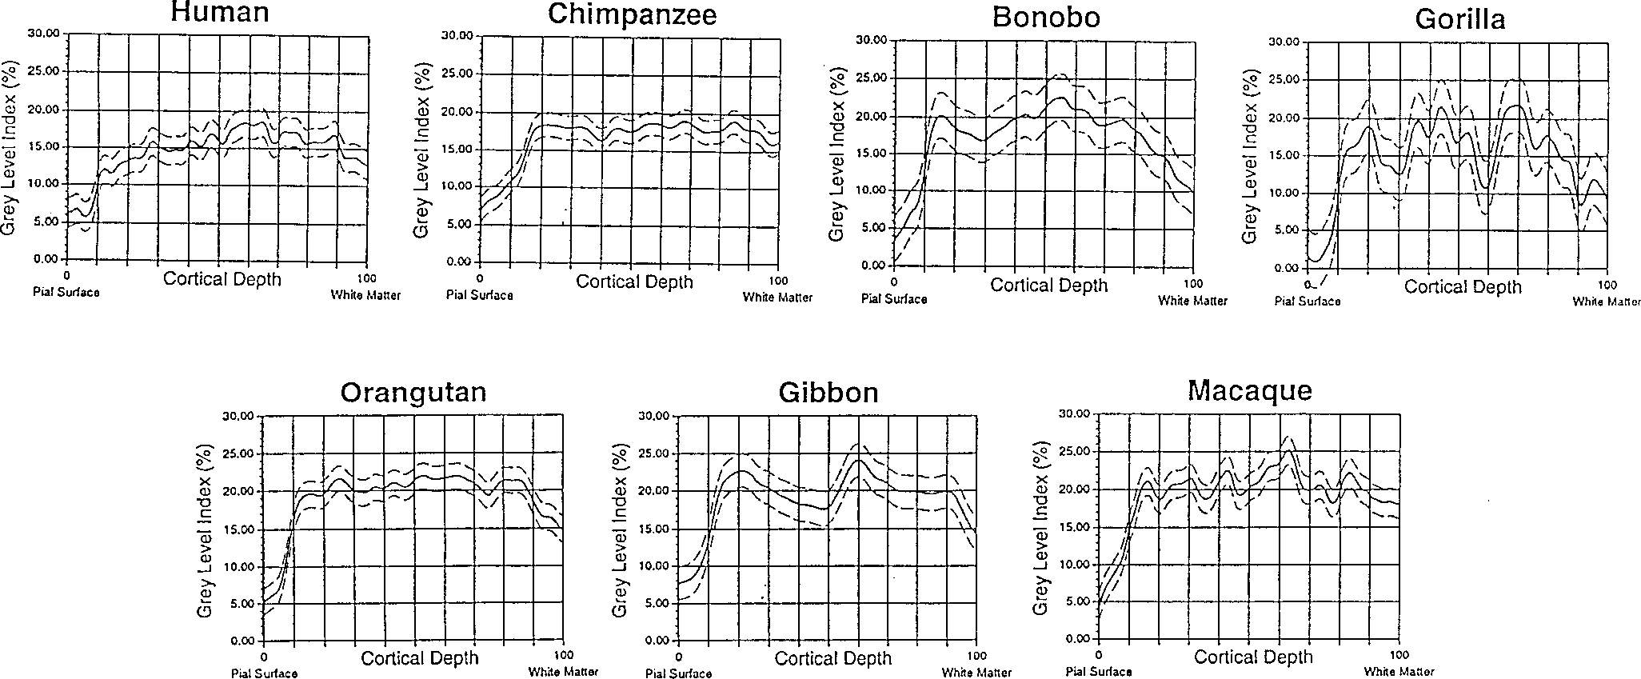
Human 15.17 1.8926 II, III 14.40 1.9375 IV 18.04 0.6749 V, VI 16.04 1.6770 Chimpanzee 17.52 1.5751 II, III 16.69 2.6288 IV 18.45 0.3298 V, VI 17.95 1.0200 Bonobo 18.17 3.0265 II, III 18.95 2.4088 IV 21.60 0.9547 V, VI 16.21 3.4732 Gorilla 15.87 3.5655 II, III 16.43 3.2118 IV 17.87 1.0712 V, VI 15.05 4.2290 Orangutan 20.10 1.7282 II, III 19.81 1.9910 IV 21.49 0.2924 V, VI 19.65 2.2236 Gibbon 19.80 2.3440 II, III 19.43 2.4329 IV 21.64 2.2680 V, VI 19.56 1.9485 Macaque 20.34 1.8557 II, III 20.16 1.7844 IV 24.03 0.9154 V, VI 19.91 2.1464 1 Values reflect percent of area occupied by cell bodies. 2 Mean GLI values of cortical layers II–VI. 3 Mean GLI values for the supragranular (II, III), granular (IV), and infragranular (V, VI) layers. Measurements were obtained from one hemisphere per species at multiple locations. 11). In all of the above species, area 10 is character-ized by the following: layer I is medium in width; layer II is thin and distinguishable, but not promi-nent; layer III is very wide and includes cells that are stained darkly and that are slightly larger su-perficial to layer IV, where their size is almost that of the pyramids in layer V; layer IV is clearly present, includes small cells, and has distinguish-able borders with layers III and V; layer V has a slightly more prominent Va, which translates into larger, darkly stained pyramidal cells in high den- |  |  |  | Layers II, III 43.0 2.83 Layer IV 6.0 1.41 Layers V, VI 40.0 1.41 Chimpanzee Layer I 11.5 3.54 Layers II, III 44.5 0.71 Layer IV 8.0 0.0 Layers V, VI 36.0 4.24 Bonobo Layer I 10.5 2.12 Layers II, III 46.5 3.54 Layer IV 8.0 1.41 Layers V, VI 35.0 7.1 Gorilla Layer I 10.0 1.41 Layers II, III 34.0 2.83 Layer IV 6.5 0.71 Layers V, VI 49.5 4.95 Orangutan Layer I 8.5 0.71 Layers II, III 37.0 4.24 Layer IV 7.5 0.71 Layer V, VI 47.0 4.24 Gibbon Layer I 9.0 0.0 Layers II, III 42.0 0.0 Layer IV 11.0

Layer I | 11.5 | 2.12
Layers II, III | 43.0 | 4.24
Layers IV | 6.0 | 0.0
Layers V, VI | 39.5 | 2.12

Table 14
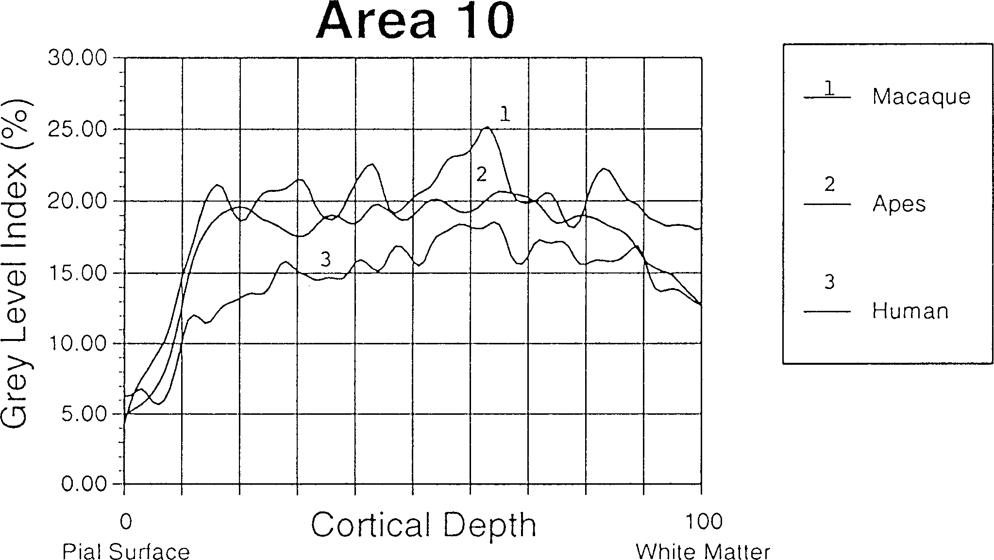
TABLE 5. Neuronal density (per mm3) and total numbers of neurons in area 101 Density of |  | profiles (Fig. 10). As demonstrated by the similar shape of the profiles, humans and apes share throughout the depth of their cortex a similar rela-
Species | neurons SE Total numbers |  |  | tionship of space occupied by cell bodies vs. connec-
Human 34,014 2,700 254,400,000 Chimpanzee 60,468 5,650 64,500,000 Bonobo 55,690 6,300 63,500,000 Gorilla 47,300 4,300 45,900,000 Orangutan 78,182 5,800 63,000,000 Gibbon 86,190 6,250 8,000,000 1 Estimates refer to one hemisphere (right) per species. sures. Area 10 in the human, chimpanzee, and bo-nobo shares a similar ratio in relative width of the cortical layers. It has larger supragranular layers, known to be involved in short and long association connections, and smaller infragranular layers in-volved in connections with subcortical structures and, to some extent, long association connections (Table 4). In the rest of the hominoids the infra-granular layers occupy a larger percent of the corti-cal depth, and in the macaque the two values are nearly equal. Layer IV neurons connect cortical neu-rons within functional columns and/or connect ad-joining columns. Across all primates studied, layer IV is the thinnest layer and varies from 6 –11%, followed by acellular layer I (9 –11.5% of total corti-cal thickness). With respect to the space occupied by cell bodies vs. neuropil space (largely occupied by connections), there are several observations based on the GLI |  |  | tions. It is also clear from the peaks in the profiles that the granular layer (layer IV) is the one with the highest concentration of cell bodies and less neuropil space across species. Furthermore, larger primate brains are known to have decreased cell-packing density when compared to smaller-sized primate brains (Armstrong, 1990); area 10 proves to be no exception. As evidenced by the relative position of the profiles (ape profile at the top and human profile at the bottom), this area is more densely packed with cell bodies in apes than in humans. This may indicate that area 10 in humans has more space available for extrinsic and intrinsic connections. Of particular interest is the fact that the supragranular layers stand out more in the human brain by having an even lower distribution of values when compared to the rest of the hominoids. Humans seem to have more space available for connections in layers II and III, which may indicate increased communication between area 10 and other higher-order association areas in our species. Both the qualitative and quantitative observa- tions of this study suggest that not all of the species studied share the same homogeneous patterns in the cortex of the frontal pole. Specifically, the gorilla frontal pole includes many of the cytoarchitectonic features described above, but also features that are
Fig. 10. Comparative plots of GLI profiles in area 10 of the human, ape, and macaque. The human profile has lower values in the part of the cortex occupied by supragranular layers.

Table 15
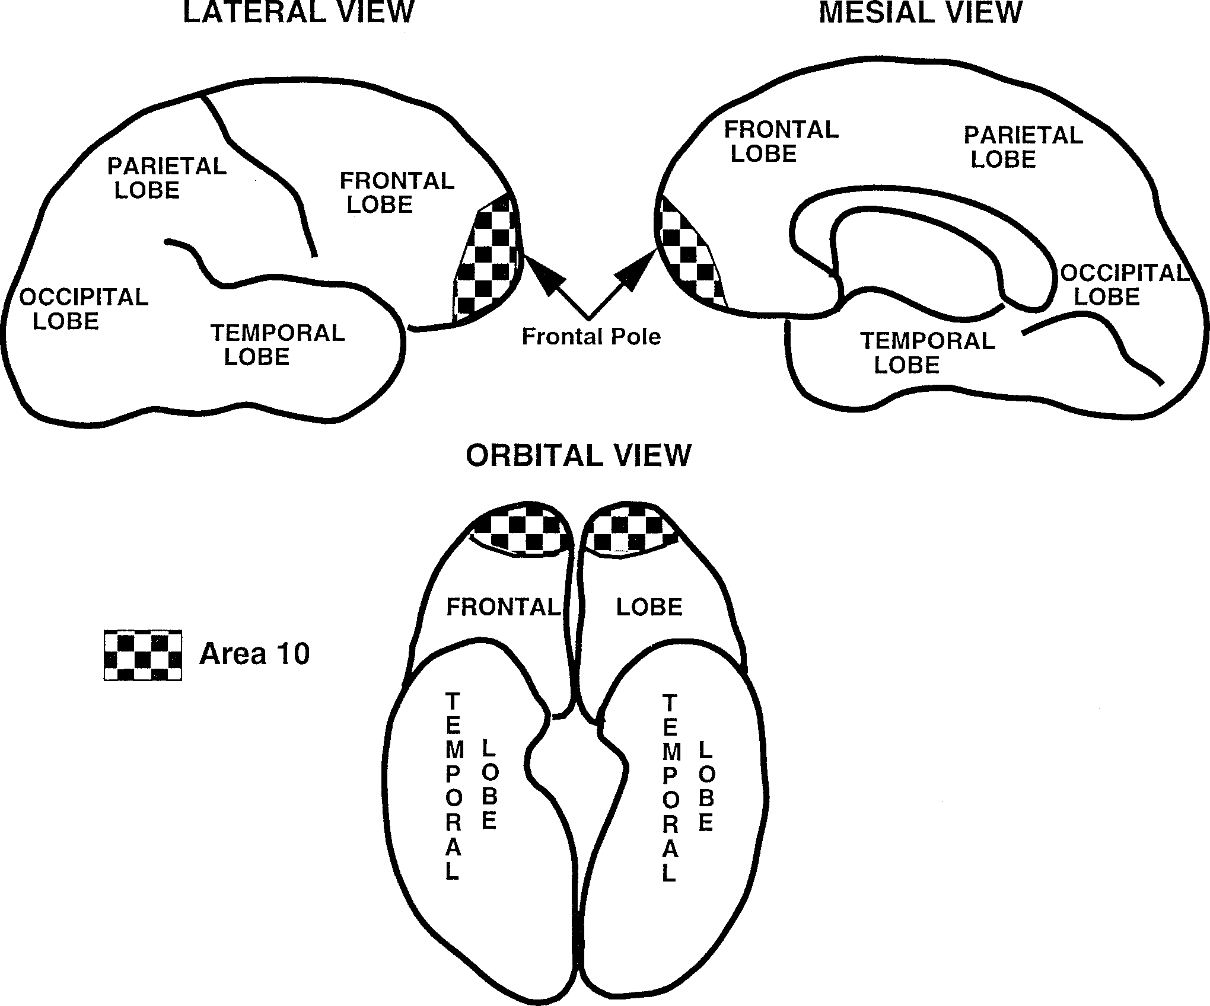
Fig. 11. Graphic representation of approximate location and extent of area 10 in the frontal pole of a hominoid brain.
absent in other hominoids that make homology with area 10 questionable. The distinct appearance of the cortex of the gorilla frontal pole may be related to a species-specific modification of area 10 or to the emergence of a new cortical area. It is of interest that many of the features characterizing the frontal pole in this great ape are present in the dorsal com-ponent of the gibbon frontal pole. The frontal pole of the gibbon, unlike that of other hominoids, is com-posed of two cortical areas. Area 10 forms the orbital component of the frontal pole and has an appearance very similar to the human, chimpanzee, bonobo, and orangutan frontal pole. The dorsal part of the frontal pole belongs to a separate cortical area (area 9?) that remains to be investigated. More specimens and ad-ditional immunostaining for cellular phenotypes are needed in order to clarify the issue. Finally, as was discussed in the literature review, many recent studies of the prefrontal cortex of the macaque sup-port the presence of two distinct components, an | orbital and a dorsal (Barbas and Pandya, 1989; Morecraft et al., 1992; Carmichael and Price, 1994). These views are fully supported by qualitative ob-servations made in this study which suggest the presence of a restricted, orbital component in the macaque frontal pole, one that shares most struc-tural features with area 10 in the hominoids. Evolutionary scenario Consideration of the comparative information suggests that area 10 may have undergone a shift in its extent and topographic location during hominoid evolution. In primates ancestral to the extant homi-noids, area 10 occupied a restricted location in the orbital part of the frontal pole. In the line leading to gibbons, the topographic location and probably the extent of area 10 did not change appreciably. In Asian and African large-bodied hominoids, area 10 came to occupy the entire frontal pole and is now present in orangutans, chimpanzees, bonobos, and

