Table 1
www.sciencemag.org/content/349/6243/74/suppl/DC1
Supplementary Materials for
Cortical folding scales universally with surface area and thickness, not number of neurons
Bruno Mota and Suzana Herculano-Houzel*
*Corresponding author. E-mail: suzanahh@gmail.com
Published 3 July 2015, Science 349, 74 (2015) DOI: 10.1126/science.aaa9101
This PDF file includes: Materials and Methods Fig. S1 Table S1 References
Materials and Methods We compiled data on numbers of neurons, cortical surface area, volume of the cortical gray matter, cortical thickness and folding index for one single cortical hemisphere for 74 species: 38 spread over 7 clades from our own previous studies (14- 21) and 45 from others (including 6 species that overlapped with our dataset [1,22-24]). In our own dataset, all data (including numbers of cortical neurons) were available for 24 of the 38 species; the dataset from other studies lacks numbers of neurons, but had all other variables available for 38 species (6 of which overlap with our dataset). The entire dataset for which cortical surface area, cortical thickness and folding index were available consists of 55 species (Supplementary Table S1). Numbers of neurons in our dataset were obtained using the isotropic fractionator (33), which has been shown to yield estimates that are similar to those obtained with stereology (34).
To test our model, we made paper balls of sheets of A4 office paper of different surface areas and thickness by dividing sheets in half in a geometric series, and stacking different numbers of sheets before crumpling them. Once each crumpled paper ball relaxed, its diameter was measured along the three principal orthogonal axes and used to calculate the exposed surface area of the equivalent ellipsoid. The folding index for each paper ball was calculated as the ratio between the total surface area of the unfolded paper and the equivalent surface area of the crumpled paper ball. Allometric relationships (power laws) for biological cortices and crumpled paper balls were calculated using JMP 9.0 (SAS, USA).
Our model for the folding of self-avoiding membranes subjected to internal bulk forces is based on the axonal growth/contraction response to traction forces; that is, it is based on the plastic rather than elastic response to the longitudinal forces generated by cortical growth. Like Van Essen’s longitudinal tension-driven folding hypothesis (35), it is also a connectivity-driven folding mechanism, although one based on differential elongation rather than longitudinal tension of axons.
A consequence of this hypothesis is that axonal tension in a (quasi-)static cortex is the (quasi-)equilibrium state in which the external applied force and the internal tension of each axon are balanced such that the axon’s size remains constant. This corresponds to a minimum energy state, and implies that in a fully developed or growing cortex the direction of measured stress in a small volume of white matter should be along the average direction of its constituting axonal fibers (i.e., parallel to the principal component of the diffusion tensor in MRI), and its magnitude should be a function of their directional coherence. This is compatible to what has been found in literature (36).
In a microscopic scale, our model is based on the way axons respond plastically (i.e., changing their permanent lengths over an extended period [26,27]) to the external longitudinal forces that should arise from the expansion of the total cortical surface (from increases in neuronal numbers and size). Above a certain threshold, axons elongate at linearly with applied force; but they contract if the applied force falls below the threshold. Thus, if l is the length of an axon, its elongation rate is
𝑑𝑙 = 𝑣( 𝐹 − 𝐹 )
𝑑𝑡 |  |  | !"# !
The contraction force F0 can be considered the gradient of a linear potential. Assuming the same holds true for the external forces, one can write
𝑑𝑙 = −𝑣∇(𝑈 − F 𝑙)
𝑑𝑡 |  |  | !"# !
Mathematically, this equation describes a tethered particle in a viscous Newtonian fluid, subject to a constant internal longitudinal force and external forces. Assuming the external forces change slowly, the particle will eventually settle in a position that minimizes its total potential energy, where the forces will be in equilibrium and therefore l will be constant. This equilibrium state correspond to the configuration in which axonal length l is minimized, subject to the external constraints from which the external forces are derived (an unconstrained minimization of length would of course imply l=0). Assuming further that F0 is proportional to the cross-sectional area of the axon, so that the internal energy associated with each axon is proportional to its volume, then the cortex will assume a configuration that minimizes the total white matter volume, subject to external constraints. The proportionality constant will have dimension of a (negative) pressure. Since a growing cortex will also have to exert work against the cerebrospinal fluid, we can define a volumetric energy for the cortex that is simply 𝐸! = 𝑝 + 𝑝!" 𝑉! 𝐸! = 𝑝 + 𝑝!" (𝑉 − 𝑇𝐴!) where pcs is the pressure of the cerebral-spinal fluid.
To this volume energy term one must add a surface term due to the energy associated with the shape of the cortical surface, so as to insure that it never intersects itself, plus whatever other surface energy terms ones cares to include. The self-avoiding term takes the form 𝐸![𝑠, 𝑛] = 𝑑!𝑥!𝑑!𝑥!𝛿! 𝑠 𝑥! − 𝑠 𝑥! Λ! 𝑛 𝑥! − 𝑛(𝑥!)
{𝑠 𝑥
𝑥
where 𝑥 is the internal 2-dimensional coordinates of a point in the cortical surface
and | , 𝑛 | } is its 3-dimensional mapping into respectively the parallel and normal
components of its position in space with respect to the cortical surface, and Λ! 𝑢 = 𝑇 − 2 𝑢 if -T/2<u<T/2 and zero otherwise (37).
The second biologically-inspired element in the model is not strictly necessary to guarantee gyrification, but provides a mechanism whereby it occurs hierarchically, starting with the formation of the deepest sulci connecting more distant regions and progressing to increasingly smaller features. Diffusion magnetic resonance imaging analyses of axonal bundles in white matter have shown that they typically cross each
other in orthogonal directions (38). In a spherical cortex (for simplicity of discussion) of radius R, an axon connecting points in the surface separated by an angle θ will process radially down distance r, then follow an arc parallel to the surface of length (R-r) θ, then up r again back to the surface. The total axonal length will thus be 𝑙 = 2𝑟 + (𝑅 − 𝑟)𝜃
By checking the sign of its first derivative for different values of θ, it can be shown that l(r) will be minimized for r=0 if θ<116o, and for r=R if θ>116o. Thus, axons will naturally segregate between deep long-distance connections, and shorter-range, shallow connections. As the cortical surface increases, the resulting forces will make it expand preferentially in directions that will elongate the least amount of axons for the same gain in area. Thus, regions well connected by deep fibers will remain close, forming sulci, and those with fewer such connections will expand into lobular gyri; as the curvature inside the gyri increases, axons for which shallow connections were energetically preferred will be pulled by the resulting forces into now less energetic deep fiber configurations within the gyrus. Further cortical area expansion will in this manner form a new generation of sulci and gyri, as cortical expansion continues this process is iterated. All sulci and gyri will originally form at the same scale, but the surface expansion means that earlier- forming structures will become larger and deeper and will connect more distant regions, and that the larger structures will themselves be composed of smaller ones iteratively, down to the minimal, fundamental scale at which they are originally formed. This structure of nested self-similar structures precisely characterizes a fractal object. Of course, the fractal nature of the cortex is an approximation that only remains valid for scales greater than the fundamental scale as calculated below (otherwise, the cortex would have infinitely small gyri).
!
This putative (truncated) fractal shape allows us to apply a so-called Flory approximation to the surface energy term, which relies on assuming scale-invariance between the intrinsic and extrinsic sizes of a thin membrane. Importantly, at least under this mean field approximation, it is possible to show that other possible surface terms are sub-dominant to the self-avoiding term. Minimizing the total energy, one then obtains 𝑇𝐴! = 𝑘 𝐴!/!
!"#
Crucially, the exponent 5/4 implies that the quantity k is adimensional, and thus the relation between 𝐴! and 𝐴! is invariant when areas are measured in units of T2. The fundamental length scale is then 𝑑!"# = 𝑇/𝑘! , a simple multiple of average thickness T. The transition between gyrified and non-gyrified cortices occurs simply when 𝐴! = 𝐴! = 𝑑! ; that is, when the cortical size becomes comparable to the fundamental scale, as measured in units of average thickness. Incidentally, notice that 𝑘 ∝ 𝑝 + 𝑝!", and pcs is within a few percent of atmospheric pressure for all mammals in our dataset except the deep-diving cetaceans, for which pcs varies with depth, but must on average be much higher than in terrestrial species. As can be seen above, a higher value of pcs (and thus k) implies a greater degree of cortical
folding. This might explain the apparently still slightly excessive folding in cetacean cortices compared to other mammals shown in Figure 3a.
Fig. S1.
The product T1/2 AG scales as a similar function of AE across sites of the cerebral cortex within individuals and across individuals of the same species. a, each data point corresponds to one coronal section of a complete antero-posterior series of sections across the cerebral cortex of one individual of the following species: human (black), non- human primates (red), glires (green), afrotheria (blue, including the elephant) and artiodatyls (pink). The function plotted for all data points, which include smooth cortical
 | 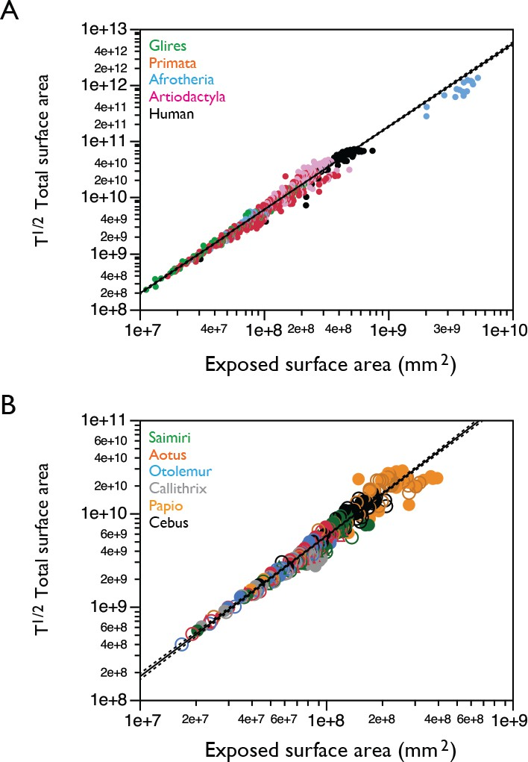

sections, has an exponent of 1.482±0.008 (r2=0.975, p<0.0001). b, primate data shown in a but with individuals of a same species labeled in different markers of the same color. The function plotted for all data points has an exponent of 1.506±0.016 (r2=0.956, p<0.0001). T, AG and AE measured in mm and mm2. Data from (15-17, 19-21).

