dw1
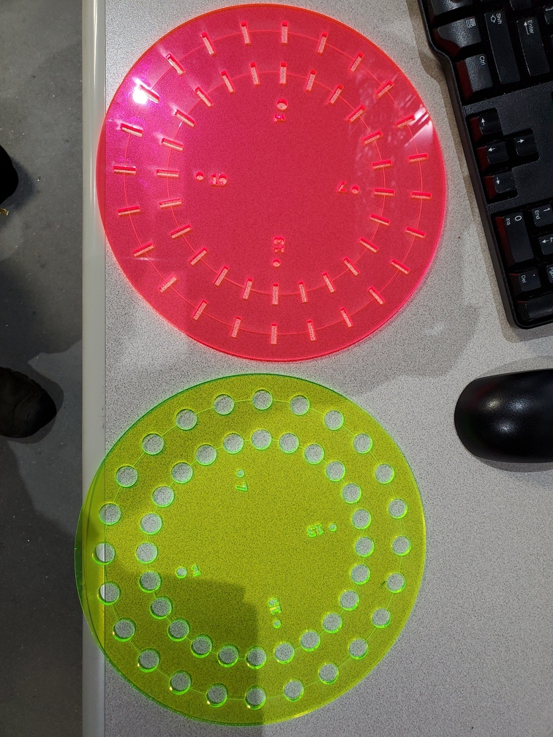
Double wheel |  |  | Experimenters:
Version: 9 |  |  |  | Change edge at start? |  | No | Close shutter at end? |  | Yes | Add element to filename? | No | Number of repetitions | 1

 |  | File name |  | Scan numbers and plotting |  |  | Photon delivery |  |  | Sample metadata |  |  | Scan parameters |  |  | Motors
Slot number | Ring | Measure this slot? | Filename | Number of repetitions | Starting scan number | Plotting mode | Element symbol | Absorption edge | Focused/ unfocused beam | Sample composition or stoichiometry | Preparation of sample for XAS measurement | Comment – anything else you want to say about your sample | Scan boundaries | Step sizes | Integration times | Sample X (absolute position, mm) | Sample y (absolute position, mm) | Slit width (absolute width, mm) | Detector X
Default | Outer | Yes | best_sample_ever | 1 | next | transmission | Cu | K | unfocused | YBa2Cu3O7 | powder on tape | Welcome to BMM | -200 -30 -10 25 15k | 10 2 0.3 0.05k | 0.5 0.5 0.5 0.5
1 | Outer | Yes
2 | Outer | Yes
3 | Outer | Yes
4 | Outer | Yes
5 | Outer | Yes
6 | Outer | Yes
7 | Outer | Yes
8 | Outer | Yes
9 | Outer | Yes
10 | Outer | Yes
11 | Outer | Yes
12 | Outer | Yes
13 | Outer | Yes
14 | Outer | Yes
15 | Outer | Yes
16 | Outer | Yes
17 | Outer | Yes
18 | Outer | Yes
19 | Outer | Yes
20 | Outer | Yes
21 | Outer | Yes
22 | Outer | Yes
23 | Outer | Yes
24 | Outer | Yes
1 | Inner | Yes
2 | Inner | Yes
3 | Inner | Yes
4 | Inner | Yes
5 | Inner | Yes
6 | Inner | Yes
7 | Inner | Yes
8 | Inner | Yes
9 | Inner | Yes
10 | Inner | Yes
11 | Inner | Yes
12 | Inner | Yes
13 | Inner | Yes
14 | Inner | Yes
15 | Inner | Yes
16 | Inner | Yes
17 | Inner | Yes
18 | Inner | Yes
19 | Inner | Yes
20 | Inner | Yes
21 | Inner | Yes
22 | Inner | Yes
23 | Inner | Yes
24 | Inner | Yes
Instructions:
1. Add the names of all team members to the green box in row 1
2. Default values for all parameters go in line 6
3. Sample-specific parameters are entered in rows 7+
4. Default values from line 6 will be used for all cells left blank in rows 7+
5. Specify motor/slit positions in columns R,S,T; leave blank for no motion
6. Specify detector position in column U, blank means to not move the detector
6. Do not add rows above row 7
7. Do not add columns before column AE
8. The wheel is correctly mounted if the numbers can be read when facing the wheel

dw2
Double wheel |  |  | Experimenters:
Version: 9 |  |  |  | Change edge at start? |  | No | Close shutter at end? |  | Yes | Add element to filename? | No | Number of repetitions | 1

 |  | File name |  | Scan numbers and plotting |  |  | Photon delivery |  |  | Sample metadata |  |  | Scan parameters |  |  | Motors
Slot number | Ring | Measure this slot? | Filename | Number of repetitions | Starting scan number | Plotting mode | Element symbol | Absorption edge | Focused/ unfocused beam | Sample composition or stoichiometry | Preparation of sample for XAS measurement | Comment – anything else you want to say about your sample | Scan boundaries | Step sizes | Integration times | Sample X (absolute position, mm) | Sample y (absolute position, mm) | Slit width (absolute width, mm) | Detector X
Default | Outer | Yes | best_sample_ever | 1 | next | transmission | Cu | K | unfocused | YBa2Cu3O7 | powder on tape | Welcome to BMM | -200 -30 -10 25 15k | 10 2 0.3 0.05k | 0.5 0.5 0.5 0.5
1 | Outer | Yes
2 | Outer | Yes
3 | Outer | Yes
4 | Outer | Yes
5 | Outer | Yes
6 | Outer | Yes
7 | Outer | Yes
8 | Outer | Yes
9 | Outer | Yes
10 | Outer | Yes
11 | Outer | Yes
12 | Outer | Yes
13 | Outer | Yes
14 | Outer | Yes
15 | Outer | Yes
16 | Outer | Yes
17 | Outer | Yes
18 | Outer | Yes
19 | Outer | Yes
20 | Outer | Yes
21 | Outer | Yes
22 | Outer | Yes
23 | Outer | Yes
24 | Outer | Yes
1 | Inner | Yes
2 | Inner | Yes
3 | Inner | Yes
4 | Inner | Yes
5 | Inner | Yes
6 | Inner | Yes
7 | Inner | Yes
8 | Inner | Yes
9 | Inner | Yes
10 | Inner | Yes
11 | Inner | Yes
12 | Inner | Yes
13 | Inner | Yes
14 | Inner | Yes
15 | Inner | Yes
16 | Inner | Yes
17 | Inner | Yes
18 | Inner | Yes
19 | Inner | Yes
20 | Inner | Yes
21 | Inner | Yes
22 | Inner | Yes
23 | Inner | Yes
24 | Inner | Yes
Instructions:
1. Add the names of all team members to the green box in row 1
2. Default values for all parameters go in line 6
3. Sample-specific parameters are entered in rows 7+
4. Default values from line 6 will be used for all cells left blank in rows 7+
5. Specify motor/slit positions in columns R,S,T; leave blank for no motion
6. Specify detector position in column U, blank means to not move the detector
6. Do not add rows above row 7
7. Do not add columns before column AE
8. The wheel is correctly mounted if the numbers can be read when facing the wheel

dw3
Double wheel |  |  | Experimenters:
Version: 9 |  |  |  | Change edge at start? |  | No | Close shutter at end? |  | Yes | Add element to filename? | No | Number of repetitions | 1

 |  | File name |  | Scan numbers and plotting |  |  | Photon delivery |  |  | Sample metadata |  |  | Scan parameters |  |  | Motors
Slot number | Ring | Measure this slot? | Filename | Number of repetitions | Starting scan number | Plotting mode | Element symbol | Absorption edge | Focused/ unfocused beam | Sample composition or stoichiometry | Preparation of sample for XAS measurement | Comment – anything else you want to say about your sample | Scan boundaries | Step sizes | Integration times | Sample X (absolute position, mm) | Sample y (absolute position, mm) | Slit width (absolute width, mm) | Detector X
Default | Outer | Yes | best_sample_ever | 1 | next | transmission | Cu | K | unfocused | YBa2Cu3O7 | powder on tape | Welcome to BMM | -200 -30 -10 25 15k | 10 2 0.3 0.05k | 0.5 0.5 0.5 0.5
1 | Outer | Yes
2 | Outer | Yes
3 | Outer | Yes
4 | Outer | Yes
5 | Outer | Yes
6 | Outer | Yes
7 | Outer | Yes
8 | Outer | Yes
9 | Outer | Yes
10 | Outer | Yes
11 | Outer | Yes
12 | Outer | Yes
13 | Outer | Yes
14 | Outer | Yes
15 | Outer | Yes
16 | Outer | Yes
17 | Outer | Yes
18 | Outer | Yes
19 | Outer | Yes
20 | Outer | Yes
21 | Outer | Yes
22 | Outer | Yes
23 | Outer | Yes
24 | Outer | Yes
1 | Inner | Yes
2 | Inner | Yes
3 | Inner | Yes
4 | Inner | Yes
5 | Inner | Yes
6 | Inner | Yes
7 | Inner | Yes
8 | Inner | Yes
9 | Inner | Yes
10 | Inner | Yes
11 | Inner | Yes
12 | Inner | Yes
13 | Inner | Yes
14 | Inner | Yes
15 | Inner | Yes
16 | Inner | Yes
17 | Inner | Yes
18 | Inner | Yes
19 | Inner | Yes
20 | Inner | Yes
21 | Inner | Yes
22 | Inner | Yes
23 | Inner | Yes
24 | Inner | Yes
Instructions:
1. Add the names of all team members to the green box in row 1
2. Default values for all parameters go in line 6
3. Sample-specific parameters are entered in rows 7+
4. Default values from line 6 will be used for all cells left blank in rows 7+
5. Specify motor/slit positions in columns R,S,T; leave blank for no motion
6. Specify detector position in column U, blank means to not move the detector
6. Do not add rows above row 7
7. Do not add columns before column AE
8. The wheel is correctly mounted if the numbers can be read when facing the wheel

