set1
Glancing angle |  | Experimenters:
Version: 6 |  |  | Change edge at start? |  | No | Close shutter at end? |  | Yes | Add element to filename? | No

 | File name |  | Scan numbers |  |  | Photon delivery |  |  | Glancing angle | Sample metadata |  |  | XAFS Scan parameters |  |  | Motor position |  |  |  | Ancillary information
Spinner number | Measure this spinner? | Filename | Number of repetitions | Starting scan number | Spin? | Element symbol | Absorption edge | Focused/ unfocused beam | Sample pitch (deg) | Sample composition or stoichiometry | Preparation of sample for XAS measurement | Comment – anything else you want to say about your sample | Scan boundaries | Step sizes | Integration times | Alignment method | Sample pitch abs. pos. (deg) | Sample y abs. pos. (mm) | Detector X | URL | DOI | CIF
Default | Yes | best_sample_ever | 1 | next | Yes | Cu | K | focused | 2 | YBa2Cu3O7 | film on substrate | Welcome to BMM | -200 -30 -10 25 15k | 10 2 0.5 0.05k | 1 1 1 1 | Automatic
1 | Yes
2 | Yes
3 | Yes
4 | Yes
5 | Yes
6 | Yes
7 | Yes
8 | Yes

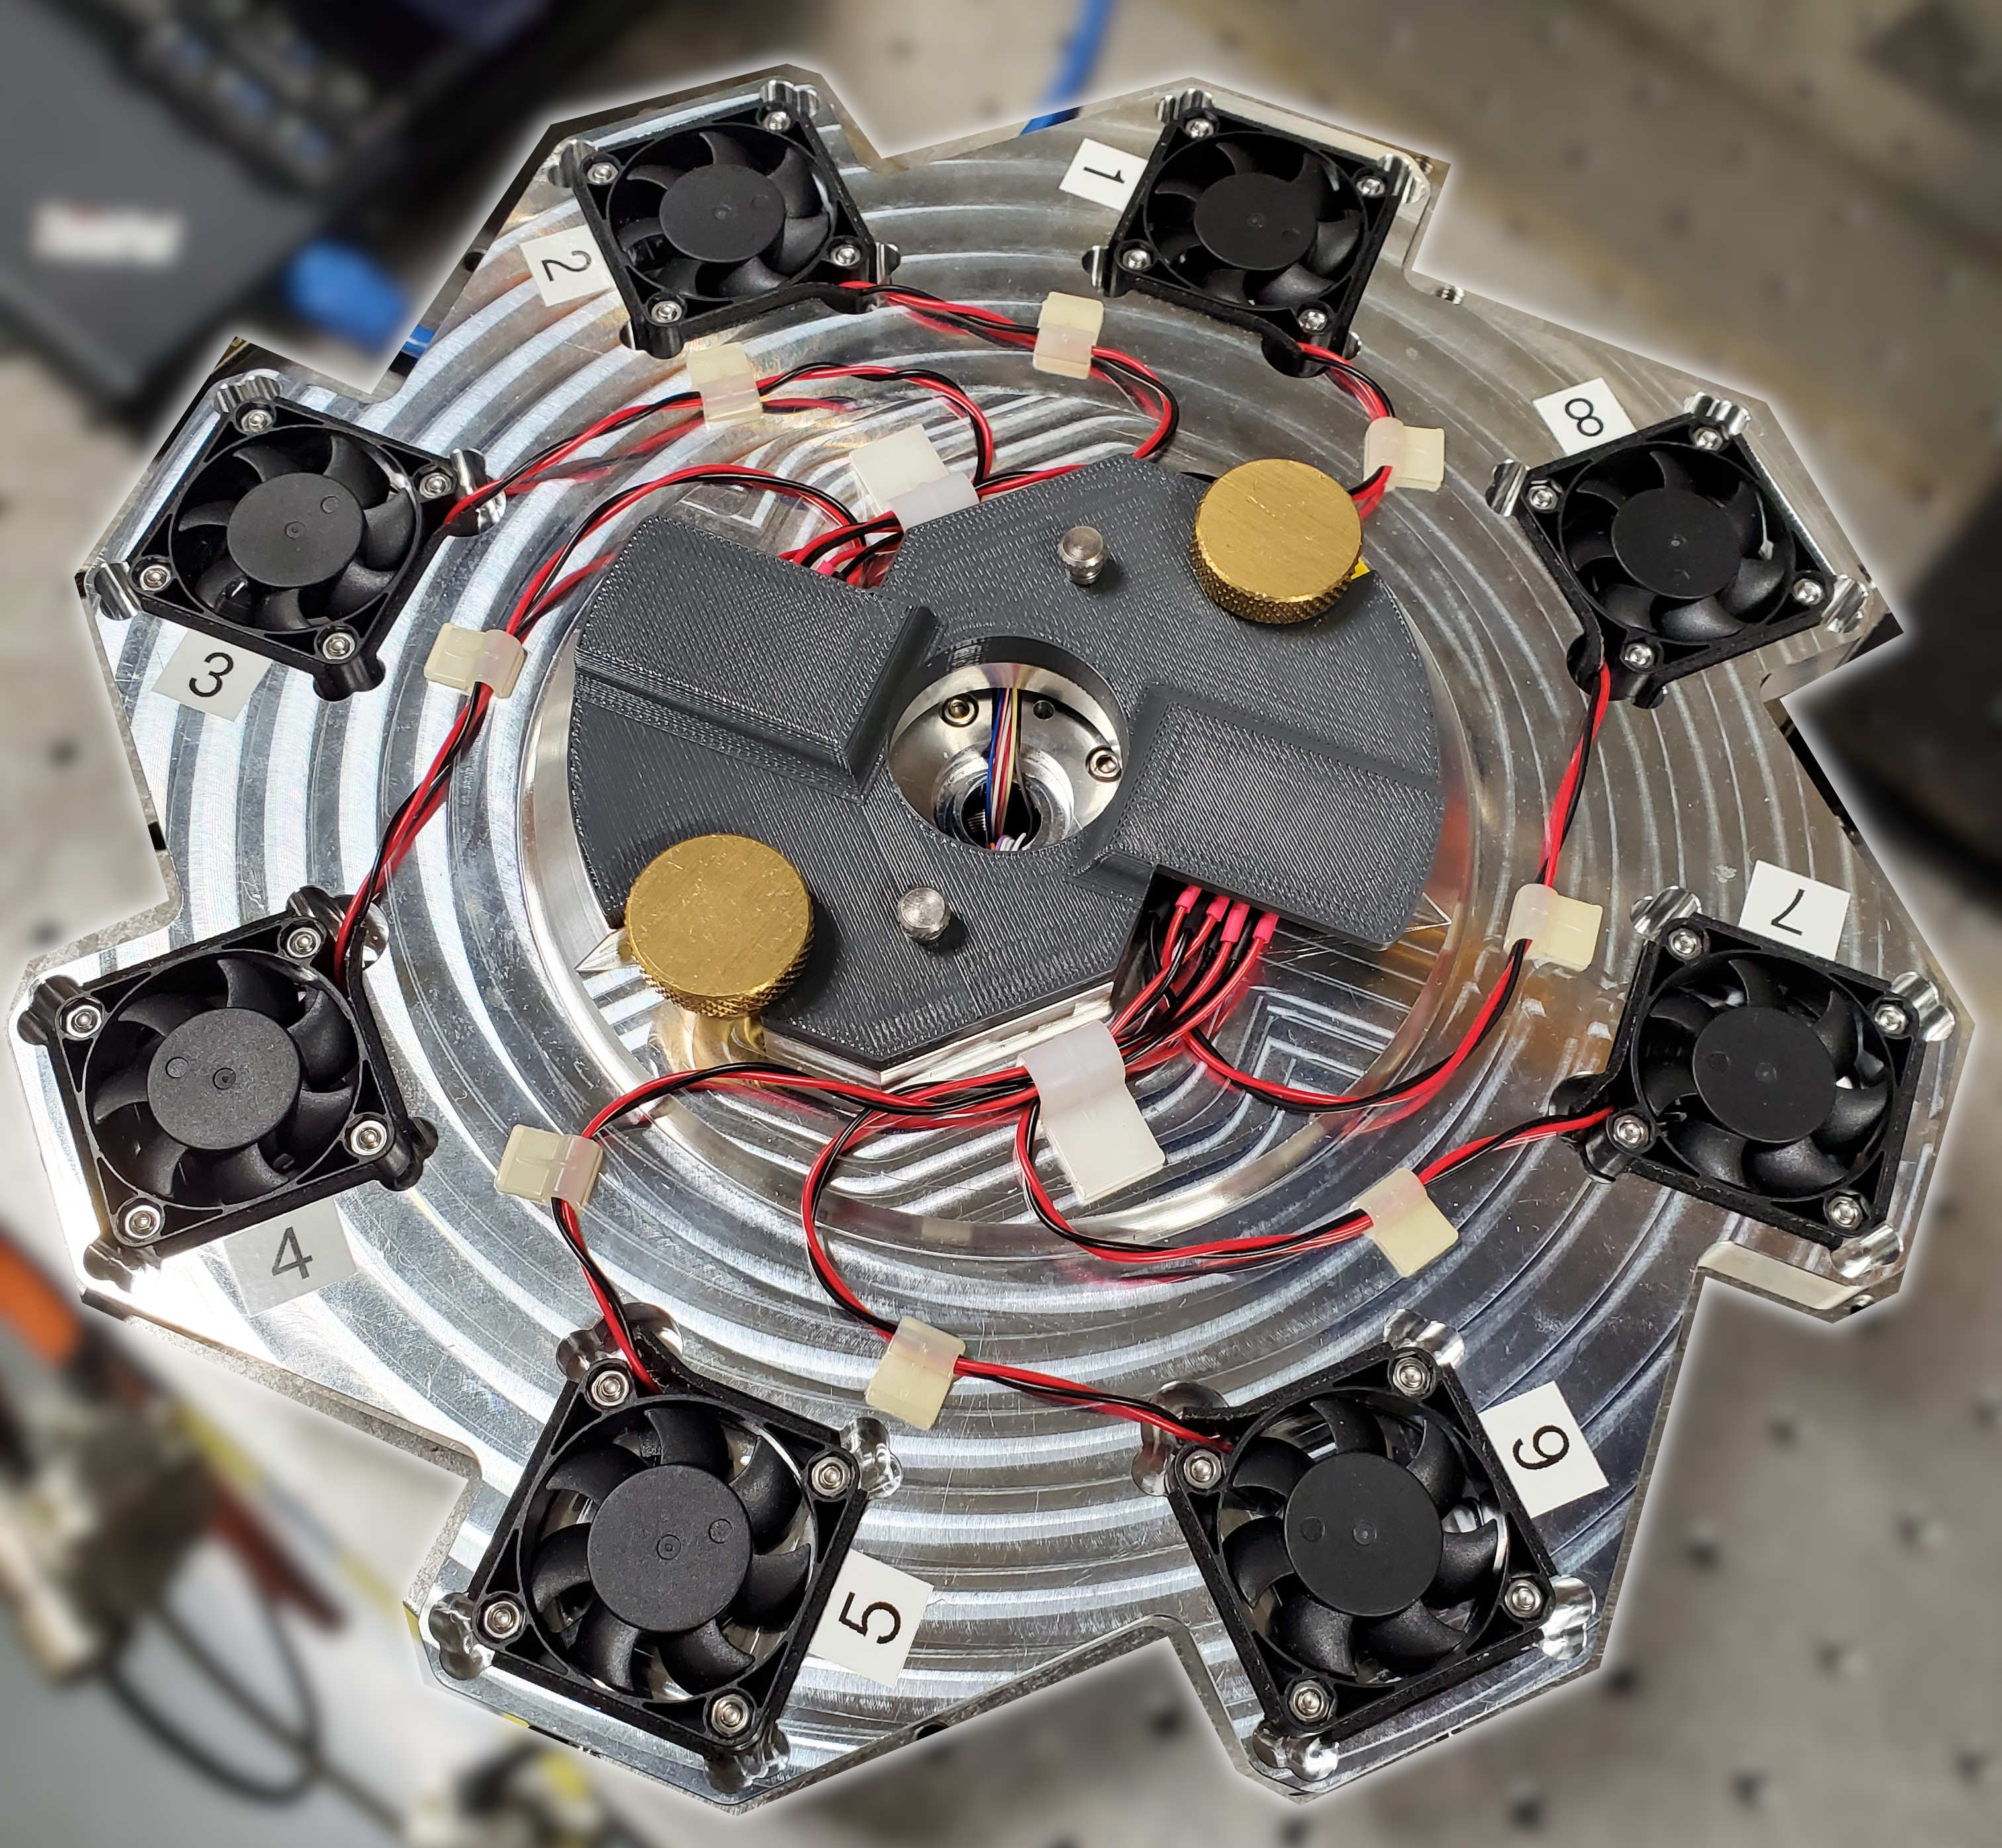
Instructions:
1. Add the names of all team members to the green box in row 1
2. Default values for all parameters go in line 6
3. Sample-specific parameters are entered in rows 7+
4. Default values from line 6 will be used for all cells left blank in rows 7+
5. Specify pitch and y motor positions and the method for finding them in columns R, S, T
6. If column R is “Manual”, columns S and T must be filled in
7. Specify detector position in column U, blank means to not move detector
8. Do not add rows above row 7
9. Do not add columns before column AE

set2
Glancing angle |  | Experimenters:
Version: 6 |  |  | Change edge at start? |  | No | Close shutter at end? |  | Yes | Add element to filename? | No

 | File name |  | Scan numbers |  |  | Photon delivery |  |  | Glancing angle | Sample metadata |  |  | XAFS Scan parameters |  |  | Motor position |  |  |  | Ancillary information
Spinner number | Measure this spinner? | Filename | Number of repetitions | Starting scan number | Spin? | Element symbol | Absorption edge | Focused/ unfocused beam | Sample pitch (deg) | Sample composition or stoichiometry | Preparation of sample for XAS measurement | Comment – anything else you want to say about your sample | Scan boundaries | Step sizes | Integration times | Alignment method | Sample pitch abs. pos. (deg) | Sample y abs. pos. (mm) | Detector X | URL | DOI | CIF
Default | Yes | best_sample_ever | 1 | next | Yes | Cu | K | focused | 2 | YBa2Cu3O7 | film on substrate | Welcome to BMM | -200 -30 -10 25 15k | 10 2 0.5 0.05k | 1 1 1 1 | Automatic
1 | Yes
2 | Yes
3 | Yes
4 | Yes
5 | Yes
6 | Yes
7 | Yes
8 | Yes

Instructions:
1. Add the names of all team members to the green box in row 1
2. Default values for all parameters go in line 6
3. Sample-specific parameters are entered in rows 7+
4. Default values from line 6 will be used for all cells left blank in rows 7+
5. Specify pitch and y motor positions and the method for finding them in columns R, S, T
6. If column R is “Manual”, columns S and T must be filled in
7. Specify detector position in column U, blank means to not move detector
8. Do not add rows above row 7
9. Do not add columns before column AE

set3
Glancing angle |  | Experimenters:
Version: 6 |  |  | Change edge at start? |  | No | Close shutter at end? |  | Yes | Add element to filename? | No

 | File name |  | Scan numbers |  |  | Photon delivery |  |  | Glancing angle | Sample metadata |  |  | XAFS Scan parameters |  |  | Motor position |  |  |  | Ancillary information
Spinner number | Measure this spinner? | Filename | Number of repetitions | Starting scan number | Spin? | Element symbol | Absorption edge | Focused/ unfocused beam | Sample pitch (deg) | Sample composition or stoichiometry | Preparation of sample for XAS measurement | Comment – anything else you want to say about your sample | Scan boundaries | Step sizes | Integration times | Alignment method | Sample pitch abs. pos. (deg) | Sample y abs. pos. (mm) | Detector X | URL | DOI | CIF
Default | Yes | best_sample_ever | 1 | next | Yes | Cu | K | focused | 2 | YBa2Cu3O7 | film on substrate | Welcome to BMM | -200 -30 -10 25 15k | 10 2 0.5 0.05k | 1 1 1 1 | Automatic
1 | Yes
2 | Yes
3 | Yes
4 | Yes
5 | Yes
6 | Yes
7 | Yes
8 | Yes

Instructions:
1. Add the names of all team members to the green box in row 1
2. Default values for all parameters go in line 6
3. Sample-specific parameters are entered in rows 7+
4. Default values from line 6 will be used for all cells left blank in rows 7+
5. Specify pitch and y motor positions and the method for finding them in columns R, S, T
6. If column R is “Manual”, columns S and T must be filled in
7. Specify detector position in column U, blank means to not move detector
8. Do not add rows above row 7
9. Do not add columns before column AE

