Introduction
THE HUMAN FREEDOM INDEX 2017
A GLOBAL MEASUREMENT OF PERSONAL, CIVIL, AND ECONOMIC FREEDOM
Ian Vásquez and Tanja Porčnik
www.cato.org/human-freedom-index
The Human Freedom Index (HFI) presents a broad measure of human freedom, understood as the absence of coercive constraint. It uses 79 distinct indicators of personal and economic freedom in the following areas:
■ Rule of Law
■ Security and Safety
■ Movement
■ Religion
■ Association, Assembly, and Civil Society
■ Expression and Information
■ Identity and Relationships
■ Size of Government
■ Legal System and Property Rights
■ Access to Sound Money
■ Freedom to Trade Internationally
■ Regulation of Credit, Labor, and Business
The Human Freedom Index (HFI) is the most comprehensive freedom index so far created for a globally meaningful set of countries. The HFI covers 159 countries for 2015, the most recent year for which sufficient data is available. The index ranks countries beginning in 2008, the earliest year for which a robust enough index could be produced.
The Cato Institute | 1000 Massachusetts Ave, N.W. | Washington, DC 20001-5403 | +1 (202) 842 0200
© 2017 by the Cato Institute, the Fraser Institute, and the Friedrich Naumann Foundation for Freedom.

HFI 2015 Map
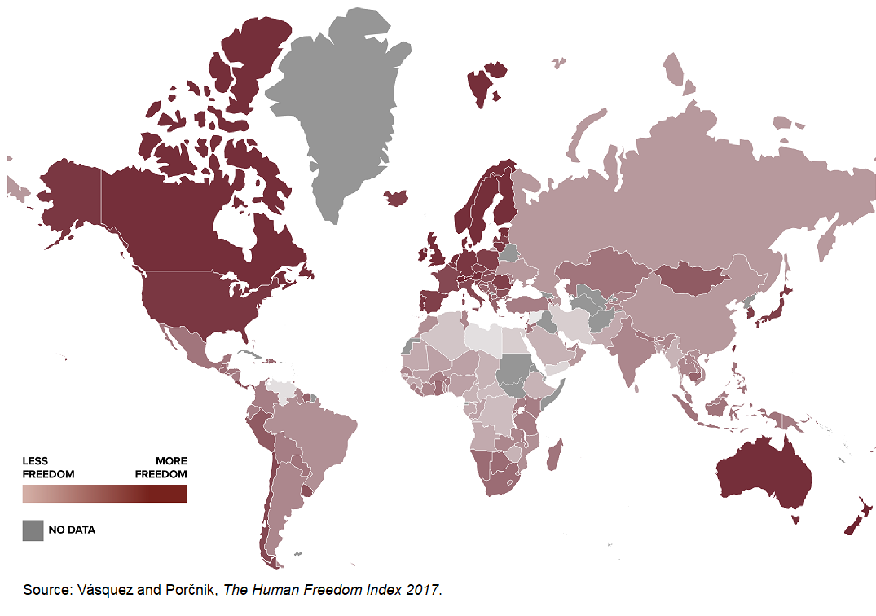

HFI 2015 Sub-Indices & Changes
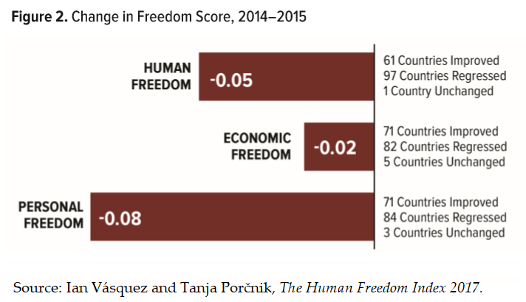
Rank | Δ Freedom Rank | Country/Territory | Personal Freedom | Economic Freedom | Human Freedom | Δ Freedom Score
47 | 3 | Albania | 7.78 | 7.54 | 7.66 | 0.12
153 | -1 | Algeria | 5.25 | 4.84 | 5.05 | -0.01
142 | 6 | Angola | 5.72 | 5.40 | 5.56 | 0.19
108 | 14 | Argentina | 8.05 | 4.88 | 6.46 | 0.13
54 | 0 | Armenia | 7.11 | 7.60 | 7.36 | -0.04
5 | 0 | Australia | 9.22 | 7.99 | 8.60 | -0.04
12 | -1 | Austria | 9.38 | 7.66 | 8.52 | -0.03
128 | 3 | Azerbaijan | 5.83 | 6.38 | 6.10 | -0.02
53 | 2 | Bahamas | 7.50 | 7.30 | 7.40 | 0.04
88 | 14 | Bahrain | 6.00 | 7.38 | 6.69 | 0.09
133 | 4 | Bangladesh | 5.52 | 6.32 | 5.92 | -0.02
78 | 0 | Barbados | 7.20 | 6.47 | 6.83 | -0.11
22 | -5 | Belgium | 9.19 | 7.44 | 8.31 | -0.04
112 | 9 | Belize | 6.37 | 6.50 | 6.43 | 0.07
97 | -6 | Benin | 7.45 | 5.77 | 6.61 | -0.09
75 | 3 | Bhutan | 6.62 | 7.11 | 6.87 | -0.07
100 | -17 | Bolivia | 7.13 | 6.03 | 6.58 | -0.34
57 | -1 | Bosnia and Herzegovina | 7.93 | 6.61 | 7.27 | -0.07
63 | 22 | Botswana | 6.87 | 7.37 | 7.12 | 0.30
120 | -23 | Brazil | 6.89 | 5.75 | 6.32 | -0.33
115 | -52 | Brunei Darussalam | 6.08 | 6.76 | 6.42 | -0.71
41 | 2 | Bulgaria | 8.26 | 7.39 | 7.83 | -0.03
94 | -7 | Burkina Faso | 7.41 | 5.87 | 6.64 | -0.15
150 | -22 | Burundi | 4.47 | 6.08 | 5.27 | -0.92
58 | 16 | Cambodia | 7.26 | 7.21 | 7.23 | 0.27
145 | -11 | Cameroon | 4.95 | 5.92 | 5.44 | -0.64
11 | -7 | Canada | 9.13 | 7.94 | 8.54 | -0.16
49 | 0 | Cape Verde | 8.35 | 6.66 | 7.51 | -0.05
151 | 3 | Central African Republic | 5.69 | 4.62 | 5.16 | 0.19
148 | 1 | Chad | 5.50 | 5.26 | 5.38 | 0.08
37 | 0 | Chile | 8.23 | 7.77 | 8.00 | -0.01
130 | 6 | China | 5.62 | 6.40 | 6.01 | 0.04
93 | 16 | Colombia | 6.90 | 6.40 | 6.65 | 0.18
152 | 4 | Congo, Democratic Republic of | 4.83 | 5.45 | 5.14 | 0.23
137 | 4 | Congo, Republic of | 6.65 | 4.81 | 5.73 | 0.02
38 | 2 | Costa Rica | 8.26 | 7.52 | 7.89 | -0.01
117 | 1 | Cote d'Ivoire | 6.88 | 5.88 | 6.38 | -0.01
43 | 2 | Croatia | 8.48 | 7.02 | 7.75 | -0.04
25 | 4 | Cyprus | 8.64 | 7.79 | 8.21 | 0.10
25 | -4 | Czech Republic | 8.96 | 7.46 | 8.21 | -0.08
8 | -2 | Denmark | 9.36 | 7.77 | 8.56 | -0.08
70 | -11 | Dominican Republic | 6.78 | 7.21 | 7.00 | -0.25
89 | 7 | Ecuador | 7.48 | 5.88 | 6.68 | 0.02
155 | -5 | Egypt | 3.86 | 5.73 | 4.79 | -0.45
67 | -9 | El Salvador | 7.05 | 7.13 | 7.09 | -0.20
13 | 3 | Estonia | 9.01 | 7.95 | 8.48 | 0.09
146 | -4 | Ethiopia | 5.25 | 5.53 | 5.39 | -0.19
62 | 6 | Fiji | 7.68 | 6.68 | 7.18 | 0.15
6 | 1 | Finland | 9.40 | 7.75 | 8.58 | -0.04
33 | -1 | France | 8.74 | 7.33 | 8.04 | -0.05
143 | -3 | Gabon | 5.28 | 5.76 | 5.52 | -0.29
119 | -20 | Gambia, The | 5.46 | 7.24 | 6.35 | -0.26
40 | 2 | Georgia | 7.74 | 8.01 | 7.87 | -0.02
16 | -4 | Germany | 9.22 | 7.69 | 8.45 | -0.05
65 | -5 | Ghana | 7.67 | 6.53 | 7.10 | -0.14
60 | -9 | Greece | 8.06 | 6.36 | 7.21 | -0.24
64 | -2 | Guatemala | 6.52 | 7.69 | 7.11 | -0.09
140 | 3 | Guinea | 5.46 | 5.75 | 5.60 | 0.07
121 | 12 | Guinea-Bissau | 6.91 | 5.65 | 6.28 | 0.19
104 | 14 | Guyana | 6.60 | 6.45 | 6.53 | 0.14
78 | -6 | Haiti | 7.14 | 6.53 | 6.83 | -0.14
81 | 18 | Honduras | 6.28 | 7.30 | 6.79 | 0.18
2 | -1 | Hong Kong | 8.79 | 8.97 | 8.88 | -0.15
44 | -6 | Hungary | 8.19 | 7.30 | 7.74 | -0.26
31 | -6 | Iceland | 9.01 | 7.23 | 8.12 | -0.12
102 | 3 | India | 6.46 | 6.63 | 6.55 | -0.03
78 | -3 | Indonesia | 6.67 | 7.00 | 6.83 | -0.12
154 | 5 | Iran | 4.35 | 5.31 | 4.83 | 0.31
4 | 4 | Ireland | 9.17 | 8.19 | 8.68 | 0.09
46 | 7 | Israel | 7.87 | 7.49 | 7.68 | 0.24
35 | -1 | Italy | 8.74 | 7.30 | 8.02 | -0.02
59 | 2 | Jamaica | 7.15 | 7.30 | 7.22 | 0.02
27 | -1 | Japan | 8.93 | 7.47 | 8.20 | -0.01
76 | 13 | Jordan | 6.21 | 7.47 | 6.84 | 0.09
76 | 14 | Kazakhstan | 6.49 | 7.18 | 6.84 | 0.12
89 | -1 | Kenya | 6.24 | 7.11 | 6.68 | -0.10
29 | 1 | Korea, Republic of | 8.79 | 7.54 | 8.17 | 0.06
125 | -3 | Kuwait | 5.70 | 6.62 | 6.16 | -0.18
102 | 1 | Kyrgyz Republic | 6.21 | 6.89 | 6.55 | -0.02
106 | -8 | Laos | 5.98 | 6.98 | 6.48 | -0.14
24 | -2 | Latvia | 8.72 | 7.75 | 8.23 | -0.04
108 | 4 | Lebanon | 6.01 | 6.91 | 6.46 | 0.04
96 | 7 | Lesotho | 6.68 | 6.58 | 6.63 | 0.05
100 | -8 | Liberia | 6.37 | 6.80 | 6.58 | -0.10
157 | 0 | Libya | 3.79 | 4.95 | 4.37 | -0.28
18 | 2 | Lithuania | 8.75 | 7.92 | 8.34 | 0.00
13 | -1 | Luxembourg | 9.33 | 7.63 | 8.48 | -0.03
60 | -3 | Macedonia | 7.25 | 7.17 | 7.21 | -0.10
81 | -14 | Madagascar | 7.14 | 6.44 | 6.79 | -0.26
91 | 2 | Malawi | 7.46 | 5.86 | 6.66 | -0.02
97 | 12 | Malaysia | 6.02 | 7.19 | 6.61 | 0.14
136 | -5 | Mali | 5.88 | 5.90 | 5.89 | -0.23
21 | -4 | Malta | 8.95 | 7.70 | 8.33 | -0.03
139 | 6 | Mauritania | 5.75 | 5.56 | 5.66 | 0.21
39 | -6 | Mauritius | 7.73 | 8.04 | 7.88 | -0.19
73 | 2 | Mexico | 6.92 | 6.95 | 6.93 | -0.02
83 | -17 | Moldova | 7.00 | 6.56 | 6.78 | -0.31
50 | -2 | Mongolia | 7.57 | 7.43 | 7.50 | -0.16
51 | -4 | Montenegro | 8.11 | 6.77 | 7.44 | -0.23
122 | 4 | Morocco | 6.18 | 6.29 | 6.23 | 0.02
122 | -14 | Mozambique | 6.85 | 5.62 | 6.23 | -0.28
144 | 7 | Myanmar | 5.67 | 5.26 | 5.47 | 0.27
69 | -5 | Namibia | 7.28 | 6.76 | 7.02 | -0.10
74 | 10 | Nepal | 7.30 | 6.49 | 6.90 | 0.04
9 | 3 | Netherlands | 9.37 | 7.74 | 8.55 | 0.05
3 | 0 | New Zealand | 9.25 | 8.48 | 8.86 | 0.06
87 | -12 | Nicaragua | 6.16 | 7.28 | 6.72 | -0.23
137 | -2 | Niger | 5.73 | 5.74 | 5.73 | -0.29
133 | 6 | Nigeria | 5.45 | 6.38 | 5.92 | 0.09
7 | 2 | Norway | 9.47 | 7.67 | 8.57 | -0.02
126 | -6 | Oman | 5.60 | 6.62 | 6.11 | -0.26
141 | 4 | Pakistan | 5.21 | 5.93 | 5.57 | 0.13
48 | -2 | Panama | 7.71 | 7.59 | 7.65 | -0.03
86 | 7 | Papua New Guinea | 7.11 | 6.42 | 6.76 | 0.09
72 | -1 | Paraguay | 6.99 | 6.91 | 6.95 | -0.04
51 | 0 | Peru | 7.44 | 7.44 | 7.44 | -0.02
71 | 15 | Philippines | 6.46 | 7.47 | 6.97 | 0.16
32 | -10 | Poland | 8.81 | 7.34 | 8.08 | -0.20
22 | -3 | Portugal | 9.09 | 7.53 | 8.31 | -0.04
112 | -1 | Qatar | 5.42 | 7.43 | 6.43 | -0.01
28 | 0 | Romania | 8.66 | 7.72 | 8.19 | 0.02
126 | -14 | Russia | 5.63 | 6.60 | 6.11 | -0.31
65 | 13 | Rwanda | 6.63 | 7.57 | 7.10 | 0.16
149 | -2 | Saudi Arabia | 4.50 | 6.24 | 5.37 | -0.02
108 | 4 | Senegal | 6.76 | 6.16 | 6.46 | 0.04
55 | 9 | Serbia | 7.85 | 6.75 | 7.30 | 0.19
45 | -5 | Seychelles | 8.01 | 7.42 | 7.71 | -0.18
107 | 23 | Sierra Leone | 7.17 | 5.78 | 6.47 | 0.33
18 | 16 | Singapore | 7.86 | 8.81 | 8.34 | 0.29
33 | -3 | Slovakia | 8.76 | 7.31 | 8.04 | -0.06
36 | 3 | Slovenia | 9.02 | 7.00 | 8.01 | 0.02
68 | 13 | South Africa | 7.50 | 6.63 | 7.07 | 0.13
30 | 6 | Spain | 8.77 | 7.51 | 8.14 | 0.11
135 | -7 | Sri Lanka | 5.17 | 6.65 | 5.91 | -0.29
56 | 14 | Suriname | 7.91 | 6.67 | 7.29 | 0.27
91 | 25 | Swaziland | 6.53 | 6.79 | 6.66 | 0.26
13 | 2 | Sweden | 9.32 | 7.65 | 8.48 | 0.03
1 | 1 | Switzerland | 9.33 | 8.44 | 8.89 | 0.03
159 | -1 | Syria | 2.86 | 5.22 | 4.04 | -0.51
18 | 8 | Taiwan | 8.98 | 7.70 | 8.34 | 0.13
118 | -46 | Tajikistan | 5.93 | 6.80 | 6.37 | -0.61
99 | 0 | Tanzania | 6.27 | 6.92 | 6.59 | -0.02
105 | -12 | Thailand | 6.29 | 6.75 | 6.52 | -0.15
131 | -15 | Timor-Leste | 5.62 | 6.29 | 5.96 | -0.45
129 | 9 | Togo | 6.44 | 5.70 | 6.07 | 0.14
84 | -3 | Trinidad and Tobago | 7.04 | 6.50 | 6.77 | -0.16
111 | 15 | Tunisia | 6.55 | 6.32 | 6.44 | 0.22
84 | -16 | Turkey | 6.71 | 6.82 | 6.77 | -0.26
94 | 12 | Uganda | 6.03 | 7.25 | 6.64 | 0.09
132 | -17 | Ukraine | 6.53 | 5.38 | 5.95 | -0.46
116 | 8 | United Arab Emirates | 5.29 | 7.50 | 6.39 | 0.07
9 | 1 | United Kingdom | 9.05 | 8.05 | 8.55 | -0.02
17 | 7 | United States | 8.83 | 7.94 | 8.39 | 0.12
42 | 2 | Uruguay | 8.43 | 7.16 | 7.79 | -0.05
158 | -3 | Venezuela | 5.76 | 2.92 | 4.34 | -0.61
124 | 1 | Vietnam | 6.05 | 6.30 | 6.17 | -0.07
156 | -3 | Yemen, Rep. | 3.02 | 6.17 | 4.59 | -0.42
112 | -5 | Zambia | 6.10 | 6.75 | 6.43 | -0.11
146 | -2 | Zimbabwe | 5.17 | 5.61 | 5.39 | -0.13

Sources: Vásquez and Porčnik, The Human Freedom Index 2017; Gwartney et al., Economic Freedom of the World: 2017 Annual Report.

HFI 2015 PF & EF
 | EF
IV (Least Free) | 6.021
III | 6.65825
II | 6.8520512821
I (Most Free) | 7.6575
9.3337535284 | 8.44
8.7925048746 | 8.97
9.2485154468 | 8.48
9.1712355703 | 8.19
9.2151312479 | 7.99
9.4043964649 | 7.75
9.4690434831 | 7.67
9.3580817432 | 7.77
9.366650955 | 7.74
9.0498209115 | 8.05
9.1301162892 | 7.94
9.3804621454 | 7.66
9.3190526571 | 7.65
9.0128515006 | 7.95
9.3293012868 | 7.63
9.215403609 | 7.69
8.8304235619 | 7.94
8.9832826588 | 7.7
7.8628345877 | 8.81
8.7522499664 | 7.92
8.953159325 | 7.7
9.1856792633 | 7.44
9.0909967559 | 7.53
8.7163316288 | 7.75
8.6390623007 | 7.79
8.9584333015 | 7.46
8.9277139497 | 7.47
8.6635538449 | 7.72
8.7907520847 | 7.54
8.7744071417 | 7.51
9.0066175201 | 7.23
8.8123727932 | 7.34
8.7420132402 | 7.33
8.760944626 | 7.31
8.7397108952 | 7.3
9.0225591077 | 7
8.231656573 | 7.77
8.2574821506 | 7.52
7.7259367387 | 8.04
7.73767967 | 8.01
8.2621253089 | 7.39
8.4283708377 | 7.16
8.4831467327 | 7.02
8.1860174156 | 7.3
8.0098738167 | 7.42
7.8704296418 | 7.49
7.7807785288 | 7.54
7.7141325932 | 7.59
8.3513961045 | 6.66
7.5745399341 | 7.43
...
PF | EF
IV (Least Free) | 6.02
III | 6.66
II | 6.85
I (Most Free) | 7.66

Sources: Vásquez and Porčnik, The Human Freedom Index 2017; Gwartney et al., Economic Freedom of the World: 2017 Annual Report.

HFI Categories 2008-15
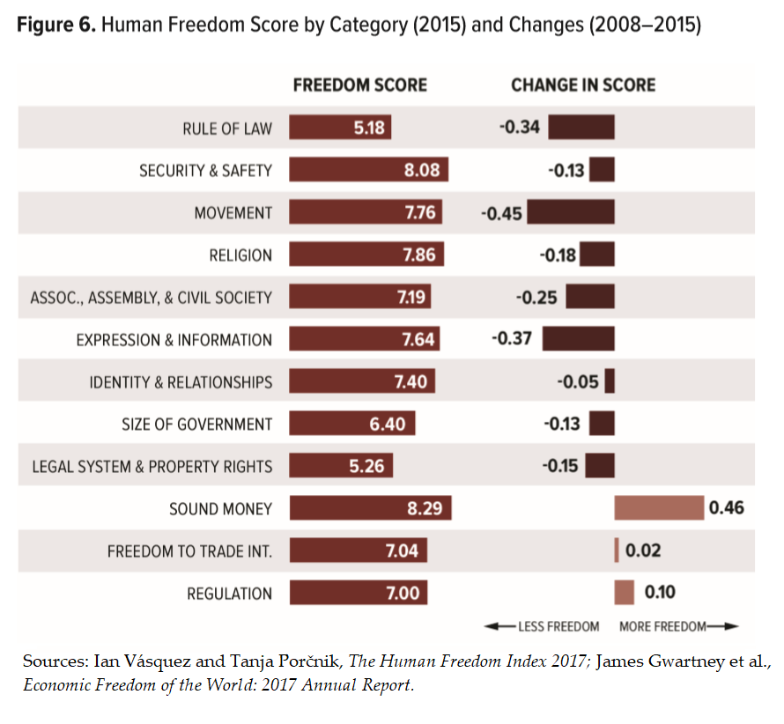
Human Freedom Index: Categories | 2008 | 2015 | 2008-2015
Rule of Law | 5.52 | 5.18 | -0.34
Security and Safety | 8.21 | 8.08 | -0.13
Movement | 8.20 | 7.76 | -0.45
Religion | 8.04 | 7.86 | -0.18
Association, Assembly & Civil Society | 7.45 | 7.19 | -0.25
Expression & Information | 8.01 | 7.64 | -0.37
Identity and Relationships* | 7.46 | 7.40 | -0.05
Size of Government | 6.53 | 6.40 | -0.13
Legal System & Property Rights | 5.40 | 5.26 | -0.15
Sound Money | 7.82 | 8.29 | 0.46
Freedom to trade internationally | 7.02 | 7.04 | 0.02
Regulation | 6.90 | 7.00 | 0.10
Sources: Vásquez and Porčnik, The Human Freedom Index 2017; Gwartney et al., Economic Freedom of the World: 2017 Annual Report.
* We have omitted the Legal Gender indicator from the calculations used in this figure because it is the only indicator in the HFI that appears in only one year (2015).

HFI Regions 2008-2015
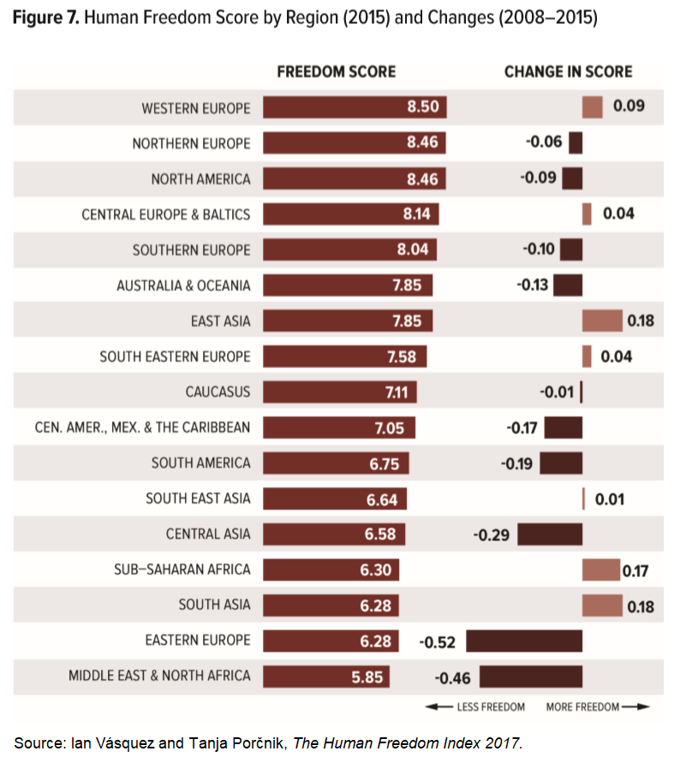
Region | Human Freedom (2008) | Human Freedom (2015) | Δ Freedom Score (2008-15)
Australia & Oceania | 7.98 | 7.85 | -0.13
Caucasus | 7.12 | 7.11 | -0.01
Central America, Mexico & the Caribbean | 7.22 | 7.05 | -0.17
Central Asia | 6.87 | 6.58 | -0.29
Central Europe & Baltics | 8.10 | 8.14 | 0.04
East Asia | 7.67 | 7.85 | 0.18
Eastern Europe | 6.81 | 6.28 | -0.52
Middle East & North Africa | 6.31 | 5.85 | -0.46
North America | 8.55 | 8.46 | -0.09
Northern Europe | 8.53 | 8.46 | -0.06
South America | 6.94 | 6.75 | -0.19
South Asia | 6.11 | 6.28 | 0.18
South East Asia | 6.63 | 6.64 | 0.01
South Eastern Europe | 7.54 | 7.58 | 0.04
Southern Europe | 8.14 | 8.04 | -0.10
Sub-Saharan Africa | 6.14 | 6.30 | 0.17
Western Europe | 8.40 | 8.50 | 0.09
Source: Vásquez and Porčnik, The Human Freedom Index 2017.

HFI 2015 Income by Region
7.8523603533 | 22463.995852
7.1113063114 | 11301.348951
7.0475498403 | 12585.693961
6.5846476422 | 9800.1609931
8.1407350212 | 26902.419214
7.8497672248 | 30092.931715
6.281735187 | 12112.019036
5.8465529542 | 31709.142614
8.4601349628 | 47886.532811
8.4627191868 | 47261.935236
6.7528577861 | 13860.88019
6.2848360539 | 5779.9764741
6.6359569107 | 21324.981876
7.5811390141 | 15178.732457
8.0375115835 | 30311.070372
6.3036298966 | 4554.3815332
8.496906695 | 51664.115101
Region | Human Freedom | Income per Capita
Australia & Oceania | 7.85 | $22,464
Caucasus | 7.11 | $11,301
Central America, Mexico & the Caribbean | 7.05 | $12,586
Central Asia | 6.58 | $9,800
Central Europe & Baltics | 8.14 | $26,902
East Asia | 7.85 | $30,093
Eastern Europe | 6.28 | $12,112
Middle East & North Africa | 5.85 | $31,709
North America | 8.46 | $47,887
Northern Europe | 8.46 | $47,262
South America | 6.75 | $13,861
South Asia | 6.28 | $5,780
South East Asia | 6.64 | $21,325
South Eastern Europe | 7.58 | $15,179
Southern Europe | 8.04 | $30,311
Sub-Saharan Africa | 6.30 | $4,554
Western Europe | 8.50 | $51,664
Source: Vásquez and Porčnik, The Human Freedom Index 2017.
Note: Gross domestic product (GDP) per capita, purchasing power parity (constant 2011 US$). Countries with no GDP per capita data were omitted from the calculations.

HFI 2015 Women by Region
Central Europe & Baltics | 10
North America | 10
Western Europe | 9.9603174603
Northern Europe | 9.8571428571
Eastern Europe | 9.6428571429
Southern Europe | 9.5833333333
East Asia | 9.4642857143
South America | 9.4345238095
South Eastern Europe | 9.4196428571
Australia & Oceania | 9.375
Central America, Mexico & the Caribbean | 8.6479591837
Central Asia | 8.5714285714
Caucasus | 8.2142857143
South East Asia | 7.5974025974
Sub-Saharan Africa | 6.8485481998
South Asia | 6.130952381
Middle East & North Africa | 4.1833333333
Region | Women-Specific Personal Freedom
Australia & Oceania | 9.38
Caucasus | 8.21
Central America, Mexico & the Caribbean | 8.65
Central Asia | 8.57
Central Europe & Baltics | 10.00
East Asia | 9.46
Eastern Europe | 9.64
Middle East & North Africa | 4.18
North America | 10.00
Northern Europe | 9.86
South America | 9.43
South Asia | 6.13
South East Asia | 7.60
South Eastern Europe | 9.42
Southern Europe | 9.58
Sub-Saharan Africa | 6.85
Western Europe | 9.96
Source: Vásquez and Porčnik, The Human Freedom Index 2017.

HFI 2015 Income
 | Human Freedom and Income
Least Free | 10345.50917
 | 14003.867238
 | 13167.271419
Most Free | 38870.602929
Freedom Rank | Country/Territory | Human Freedom (Score) | Human Freedom (Quartile) | Income per Capita
47 | Albania | 7.66 | 2 | $11,025
153 | Algeria | 5.05 | 4 | $13,724
142 | Angola | 5.56 | 4 | $6,231
108 | Argentina | 6.46 | 3 | $19,101
54 | Armenia | 7.36 | 2 | $8,180
5 | Australia | 8.60 | 1 | $43,832
12 | Austria | 8.52 | 1 | $44,075
128 | Azerbaijan | 6.10 | 4 | $16,699
53 | Bahamas | 7.40 | 2 | $21,670
88 | Bahrain | 6.69 | 3 | $44,508
133 | Bangladesh | 5.92 | 4 | $3,133
78 | Barbados | 6.83 | 2 | $15,390
22 | Belgium | 8.31 | 1 | $41,723
112 | Belize | 6.43 | 3 | $8,061
97 | Benin | 6.61 | 3 | $1,987 | Sources: Vásquez and Porčnik, The Human Freedom Index 2017; World Bank, World Development Indicators.
75 | Bhutan | 6.87 | 2 | $7,736
100 | Bolivia | 6.58 | 3 | $6,532 | Note: Gross domestic product (GDP) per capita, purchasing power parity (constant 2011 US$). Countries with no GDP per capita data were omitted from the calculations.
57 | Bosnia and Herzegovina | 7.27 | 2 | $10,902
63 | Botswana | 7.12 | 2 | $15,356
120 | Brazil | 6.32 | 4 | $14,666
115 | Brunei Darussalam | 6.42 | 3 | $74,600
41 | Bulgaria | 7.83 | 2 | $17,000
94 | Burkina Faso | 6.64 | 3 | $1,551
150 | Burundi | 5.27 | 4 | $749
58 | Cambodia | 7.23 | 2 | $3,291
145 | Cameroon | 5.44 | 4 | $2,991
11 | Canada | 8.54 | 1 | $42,983
49 | Cape Verde | 7.51 | 2 | $5,919
151 | Central African Republic | 5.16 | 4 | $626
148 | Chad | 5.38 | 4 | $2,048
37 | Chile | 8.00 | 1 | $22,537
130 | China | 6.01 | 4 | $13,570
93 | Colombia | 6.65 | 3 | $12,985
152 | Congo, Democratic Republic of | 5.14 | 4 | $750
137 | Congo, Republic of | 5.73 | 4 | $5,543
38 | Costa Rica | 7.89 | 1 | $14,914
117 | Cote d'Ivoire | 6.38 | 3 | $3,251
43 | Croatia | 7.75 | 2 | $20,636
25 | Cyprus | 8.21 | 1 | $30,383
25 | Czech Republic | 8.21 | 1 | $30,381
8 | Denmark | 8.56 | 1 | $45,484
70 | Dominican Republic | 7.00 | 2 | $13,372
89 | Ecuador | 6.68 | 3 | $10,777
155 | Egypt | 4.79 | 4 | $10,096
67 | El Salvador | 7.09 | 2 | $7,845
13 | Estonia | 8.48 | 1 | $27,329
146 | Ethiopia | 5.39 | 4 | $1,533
62 | Fiji | 7.18 | 2 | $8,756
6 | Finland | 8.58 | 1 | $38,994
33 | France | 8.04 | 1 | $37,766
143 | Gabon | 5.52 | 4 | $16,837
119 | Gambia, The | 6.35 | 3 | $1,588
40 | Georgia | 7.87 | 1 | $9,025
16 | Germany | 8.45 | 1 | $43,784
65 | Ghana | 7.10 | 2 | $3,930
60 | Greece | 7.21 | 2 | $24,095
64 | Guatemala | 7.11 | 2 | $7,293
140 | Guinea | 5.60 | 4 | $1,184
121 | Guinea-Bissau | 6.28 | 4 | $1,424
104 | Guyana | 6.53 | 3 | $7,063
78 | Haiti | 6.83 | 3 | $1,651
81 | Honduras | 6.79 | 3 | $4,311
2 | Hong Kong | 8.88 | 1 | $53,490
44 | Hungary | 7.74 | 2 | $24,831
31 | Iceland | 8.12 | 1 | $42,674
102 | India | 6.55 | 3 | $5,754
78 | Indonesia | 6.83 | 2 | $10,368
154 | Iran | 4.83 | 4 | $16,010
4 | Ireland | 8.68 | 1 | $60,944
46 | Israel | 7.68 | 2 | $31,971
35 | Italy | 8.02 | 1 | $34,245
59 | Jamaica | 7.22 | 2 | $8,105
27 | Japan | 8.20 | 1 | $37,818
76 | Jordan | 6.84 | 2 | $8,491
76 | Kazakhstan | 6.84 | 2 | $23,522
89 | Kenya | 6.68 | 3 | $2,836
29 | Korea, Republic of | 8.17 | 1 | $34,178
125 | Kuwait | 6.16 | 4 | $69,329
102 | Kyrgyz Republic | 6.55 | 3 | $3,238
106 | Laos | 6.48 | 3 | $5,434
24 | Latvia | 8.23 | 1 | $23,057
108 | Lebanon | 6.46 | 3 | $13,087
96 | Lesotho | 6.63 | 3 | $2,777
100 | Liberia | 6.58 | 3 | $785
157 | Libya | 4.37 | 4 | $11,193
18 | Lithuania | 8.34 | 1 | $26,971
13 | Luxembourg | 8.48 | 1 | $95,311
60 | Macedonia | 7.21 | 2 | $12,760
81 | Madagascar | 6.79 | 3 | $1,376
91 | Malawi | 6.66 | 3 | $1,089
97 | Malaysia | 6.61 | 3 | $24,989
136 | Mali | 5.89 | 4 | $1,919
21 | Malta | 8.33 | 1 | $34,380
139 | Mauritania | 5.66 | 4 | $3,602
39 | Mauritius | 7.88 | 1 | $18,864
73 | Mexico | 6.93 | 2 | $16,668
83 | Moldova | 6.78 | 3 | $4,747
50 | Mongolia | 7.50 | 2 | $11,409
51 | Montenegro | 7.44 | 2 | $15,291
122 | Morocco | 6.23 | 4 | $7,286
122 | Mozambique | 6.23 | 4 | $1,118
144 | Myanmar | 5.47 | 4 | $5,071
69 | Namibia | 7.02 | 2 | $9,913
74 | Nepal | 6.90 | 2 | $2,301
9 | Netherlands | 8.55 | 1 | $46,354
3 | New Zealand | 8.86 | 1 | $34,646
87 | Nicaragua | 6.72 | 3 | $4,961
137 | Niger | 5.73 | 4 | $897
133 | Nigeria | 5.92 | 4 | $5,671
7 | Norway | 8.57 | 1 | $63,670
126 | Oman | 6.11 | 4 | $40,139
141 | Pakistan | 5.57 | 4 | $4,695
48 | Panama | 7.65 | 2 | $20,674
86 | Papua New Guinea | 6.76 | 3 | $2,621
72 | Paraguay | 6.95 | 2 | $8,639
51 | Peru | 7.44 | 2 | $11,768
71 | Philippines | 6.97 | 2 | $6,875
32 | Poland | 8.08 | 1 | $25,299
22 | Portugal | 8.31 | 1 | $26,548
112 | Qatar | 6.43 | 3 | $119,749
28 | Romania | 8.19 | 1 | $20,538
126 | Russia | 6.11 | 4 | $24,124
65 | Rwanda | 7.10 | 2 | $1,716
149 | Saudi Arabia | 5.37 | 4 | $50,724
108 | Senegal | 6.46 | 3 | $2,297
55 | Serbia | 7.30 | 2 | $13,278
45 | Seychelles | 7.71 | 2 | $25,525
107 | Sierra Leone | 6.47 | 3 | $1,316
18 | Singapore | 8.34 | 1 | $80,892
33 | Slovakia | 8.04 | 1 | $28,254
36 | Slovenia | 8.01 | 1 | $29,097
68 | South Africa | 7.07 | 2 | $12,425
30 | Spain | 8.14 | 1 | $32,216
135 | Sri Lanka | 5.91 | 4 | $11,062
56 | Suriname | 7.29 | 2 | $14,767
91 | Swaziland | 6.66 | 3 | $8,054
13 | Sweden | 8.48 | 1 | $45,488
1 | Switzerland | 8.89 | 1 | $56,511
159 | Syria | 4.04 | 4 | N/A
18 | Taiwan | 8.34 | 1 | N/A
118 | Tajikistan | 6.37 | 3 | $2,641
99 | Tanzania | 6.59 | 3 | $2,491
105 | Thailand | 6.52 | 3 | $15,237
131 | Timor-Leste | 5.96 | 4 | $2,151
129 | Togo | 6.07 | 4 | $1,351
84 | Trinidad and Tobago | 6.77 | 3 | $31,283
111 | Tunisia | 6.44 | 3 | $10,750
84 | Turkey | 6.77 | 3 | $23,382
94 | Uganda | 6.64 | 3 | $1,693
132 | Ukraine | 5.95 | 4 | $7,465
116 | United Arab Emirates | 6.39 | 3 | $65,975
9 | United Kingdom | 8.55 | 1 | $38,509
17 | United States | 8.39 | 1 | $52,790
42 | Uruguay | 7.79 | 2 | $19,831
158 | Venezuela | 4.34 | 4 | $17,665
124 | Vietnam | 6.17 | 4 | $5,667
156 | Yemen, Rep. | 4.59 | 4 | $2,641
112 | Zambia | 6.43 | 3 | $3,627
146 | Zimbabwe | 5.39 | 4 | $1,891
Sources: Vásquez and Porčnik, The Human Freedom Index 2017; Economist Intelligence Unit, Democracy Index 2015.

Note: Democracy here measures electoral process and pluralism, functioning of government, political participation, and political culture.

HFI 2015 Democracy
 | 2015 Human Freedom & Democracy
8.8868767642 | 9.0075
8.8812524373 | 5.775
8.8642577234 | 9.0775
8.6806177852 | 8.56
8.602565624 | 8.76
8.5771982325 | 8.865
8.5695217415 | 9.91
8.5640408716 | 9.0425
8.5533254775 | 8.7925
8.5499104558 | 8.035
8.5350581446 | 8.85
8.5202310727 | 8.3175
8.4845263285 | 9.3875
8.4814257503 | 7.6075
8.4796506434 | 8.6775
8.4527018045 | 8.515
8.3852117809 | 8.005
8.3416413294 | 7.435
8.3364172938 | 5.91
8.3361249832 | 7.0025
8.3265796625 | 8.06
8.3128396316 | 7.5575
8.310498378 | 7.39
8.2331658144 | 6.9325
8.2145311504 | 7.13
8.2092166507 | 7.5675
8.1988569749 | 7.7475
8.1917769225 | 6.22
8.1653760424 | 7.8325
8.1422035708 | 8.0175
8.1183087601 | 9.545
8.0761863966 | 6.585
8.0360066201 | 7.6875
8.035472313 | 6.91
8.0198554476 | 7.84
8.0112795539 | 7.255
8.0008282865 | 7.3675
7.8887410753 | 7.5175
7.8829683693 | 7.9225
7.873839835 | 5.88
7.8260626544 | 6.865
7.7941854188 | 7.7175
7.7515733663 | 6.6075
7.7430087078 | 6.64
7.7149369084 | #N/A
7.6802148209 | 8.175
7.6603892644 | 5.48
7.6520662966 | 6.78
7.5056980523 | 7.4875
7.5022699671 | 6.22
...
Freedom Rank | Country/Territory | Human Freedom | Democracy
1 | Switzerland | 8.89 | 9.01
2 | Hong Kong | 8.88 | 5.77
3 | New Zealand | 8.86 | 9.08
4 | Ireland | 8.68 | 8.56
5 | Australia | 8.60 | 8.76
6 | Finland | 8.58 | 8.87
7 | Norway | 8.57 | 9.91
8 | Denmark | 8.56 | 9.04
9 | Netherlands | 8.55 | 8.79
9 | United Kingdom | 8.55 | 8.04
11 | Canada | 8.54 | 8.85
12 | Austria | 8.52 | 8.32
13 | Sweden | 8.48 | 9.39
13 | Estonia | 8.48 | 7.61
13 | Luxembourg | 8.48 | 8.68
16 | Germany | 8.45 | 8.52
17 | United States | 8.39 | 8.01 | Sources: Vásquez and Porčnik, The Human Freedom Index 2017; Economist Intelligence Unit, Democracy Index 2015.
18 | Taiwan | 8.34 | 7.44
18 | Singapore | 8.34 | 5.91
18 | Lithuania | 8.34 | 7.00
21 | Malta | 8.33 | 8.06
22 | Belgium | 8.31 | 7.56
22 | Portugal | 8.31 | 7.39
24 | Latvia | 8.23 | 6.93
25 | Cyprus | 8.21 | 7.13
25 | Czech Republic | 8.21 | 7.57
27 | Japan | 8.20 | 7.75
28 | Romania | 8.19 | 6.22
29 | Korea, Republic of | 8.17 | 7.83
30 | Spain | 8.14 | 8.02
31 | Iceland | 8.12 | 9.55
32 | Poland | 8.08 | 6.59
33 | France | 8.04 | 7.69
33 | Slovakia | 8.04 | 6.91
35 | Italy | 8.02 | 7.84
36 | Slovenia | 8.01 | 7.26
37 | Chile | 8.00 | 7.37
38 | Costa Rica | 7.89 | 7.52
39 | Mauritius | 7.88 | 7.92
40 | Georgia | 7.87 | 5.88
41 | Bulgaria | 7.83 | 6.87
42 | Uruguay | 7.79 | 7.72
43 | Croatia | 7.75 | 6.61
44 | Hungary | 7.74 | 6.64
45 | Seychelles | 7.71 | N/V
46 | Israel | 7.68 | 8.18
47 | Albania | 7.66 | 5.48
48 | Panama | 7.65 | 6.78
49 | Cape Verde | 7.51 | 7.49
50 | Mongolia | 7.50 | 6.22
51 | Montenegro | 7.44 | 5.75
51 | Peru | 7.44 | 6.17
53 | Bahamas | 7.40 | N/V
54 | Armenia | 7.36 | 3.53
55 | Serbia | 7.30 | 6.55
56 | Suriname | 7.29 | 6.40
57 | Bosnia and Herzegovina | 7.27 | 4.43
58 | Cambodia | 7.23 | 4.30
59 | Jamaica | 7.22 | 6.96
60 | Greece | 7.21 | 6.97
60 | Macedonia | 7.21 | 5.61
62 | Fiji | 7.18 | 5.65
63 | Botswana | 7.12 | 7.48
64 | Guatemala | 7.11 | 5.56
65 | Rwanda | 7.10 | 3.11
65 | Ghana | 7.10 | 6.74
67 | El Salvador | 7.09 | 6.17
68 | South Africa | 7.07 | 7.47
69 | Namibia | 7.02 | 5.83
70 | Dominican Republic | 7.00 | 6.43
71 | Philippines | 6.97 | 6.27
72 | Paraguay | 6.95 | 5.85
73 | Mexico | 6.93 | 6.50
74 | Nepal | 6.90 | 4.57
75 | Bhutan | 6.87 | 5.21
76 | Jordan | 6.84 | 3.95
76 | Kazakhstan | 6.84 | 2.87
78 | Indonesia | 6.83 | 6.95
78 | Barbados | 6.83 | N/V
78 | Haiti | 6.83 | 3.23
81 | Madagascar | 6.79 | 4.89
81 | Honduras | 6.79 | 5.68
83 | Moldova | 6.78 | 5.82
84 | Trinidad and Tobago | 6.77 | 6.82
84 | Turkey | 6.77 | 5.67
86 | Papua New Guinea | 6.76 | 5.63
87 | Nicaragua | 6.72 | 4.88
88 | Bahrain | 6.69 | 2.91
89 | Ecuador | 6.68 | 5.57
89 | Kenya | 6.68 | 5.41
91 | Swaziland | 6.66 | 2.91
91 | Malawi | 6.66 | 5.39
93 | Colombia | 6.65 | 6.15
94 | Burkina Faso | 6.64 | 4.70
94 | Uganda | 6.64 | 4.98
96 | Lesotho | 6.63 | 6.48
97 | Benin | 6.61 | 5.68
97 | Malaysia | 6.61 | 6.65
99 | Tanzania | 6.59 | 5.66
100 | Liberia | 6.58 | 4.80
100 | Bolivia | 6.58 | 5.28
102 | Kyrgyz Republic | 6.55 | 5.42
102 | India | 6.55 | 7.39
104 | Guyana | 6.53 | 5.81
105 | Thailand | 6.52 | 4.75
106 | Laos | 6.48 | 2.47
107 | Sierra Leone | 6.47 | 4.37
108 | Argentina | 6.46 | 6.79
108 | Senegal | 6.46 | 5.84
108 | Lebanon | 6.46 | 4.68
111 | Tunisia | 6.44 | 6.93
112 | Belize | 6.43 | N/V
112 | Qatar | 6.43 | 2.95
112 | Zambia | 6.43 | 6.01
115 | Brunei Darussalam | 6.42 | N/V
116 | United Arab Emirates | 6.39 | 2.70
117 | Cote d'Ivoire | 6.38 | 3.18
118 | Tajikistan | 6.37 | 2.14
119 | Gambia, The | 6.35 | 3.12
120 | Brazil | 6.32 | 6.42
121 | Guinea-Bissau | 6.28 | 1.89
122 | Morocco | 6.23 | 4.73
122 | Mozambique | 6.23 | 4.80
124 | Vietnam | 6.17 | 3.68
125 | Kuwait | 6.16 | 3.93
126 | Russia | 6.11 | 3.26
126 | Oman | 6.11 | 2.77
128 | Azerbaijan | 6.10 | 2.43
129 | Togo | 6.07 | 3.23
130 | China | 6.01 | 3.55
131 | Timor-Leste | 5.96 | 7.06
132 | Ukraine | 5.95 | 5.36
133 | Bangladesh | 5.92 | 5.47
133 | Nigeria | 5.92 | 4.68
135 | Sri Lanka | 5.91 | 6.63
136 | Mali | 5.89 | 5.51
137 | Niger | 5.73 | 3.64
137 | Congo, Republic of | 5.73 | 2.90
139 | Mauritania | 5.66 | 3.85
140 | Guinea | 5.60 | 3.19
141 | Pakistan | 5.57 | 4.25
142 | Angola | 5.56 | 3.38
143 | Gabon | 5.52 | 3.66
144 | Myanmar | 5.47 | 4.52
145 | Cameroon | 5.44 | 3.62
146 | Zimbabwe | 5.39 | 3.01
146 | Ethiopia | 5.39 | 3.83
148 | Chad | 5.38 | 1.22
149 | Saudi Arabia | 5.37 | 2.05
150 | Burundi | 5.27 | 2.46
151 | Central African Republic | 5.16 | 1.38
152 | Congo, Democratic Republic of | 5.14 | 2.20
153 | Algeria | 5.05 | 3.84
154 | Iran | 4.83 | 2.33
155 | Egypt | 4.79 | 3.24
156 | Yemen, Rep. | 4.59 | 2.58
157 | Libya | 4.37 | 2.08
158 | Venezuela | 4.34 | 4.85
159 | Syria | 4.04 | 1.79
Sources: Vásquez and Porčnik, The Human Freedom Index 2017; Economist Intelligence Unit, Democracy Index 2015.

Note: Democracy here measures electoral process and pluralism, functioning of government, political participation, and political culture.

