exo 3-routage
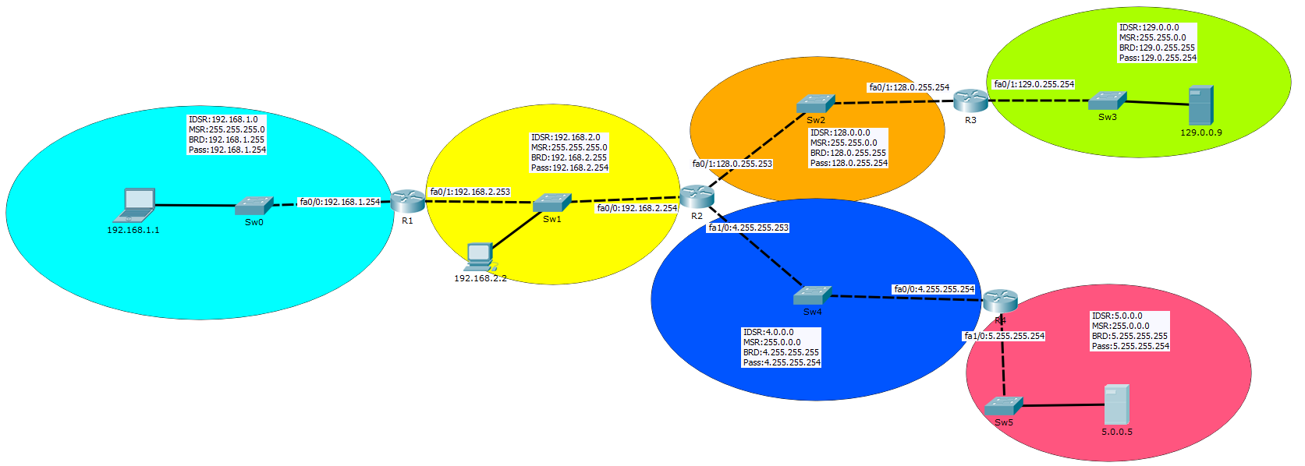

R1 |  |  |  |  | R2 |  |  |  |  | R3 |  |  |  |  | R4
Type | IDSR | CIDR | INTERFACE | PASSERELLE | Type | IDSR | CIDR | INTERFACE | PASSERELLE | Type | IDSR | CIDR | INTERFACE | PASSERELLE | Type | IDSR | CIDR | INTERFACE | PASSERELLE
C = connectée | 192,168,1,0 | //24 | fa0/0 | 192,168,1,254 | S= static | 192,168,1,0 | //24 | fa0/0 | 192,168,2,253 | S= static | 192,168,1,0 | //24 | fa0/0 | 128.0.255.253 | S= static | 192,168,1,0 | //24 | fa0/0 | 4.255.255.253
C = connectée | 192,168,2,0 | //24 | fa0/1 | 192,168,2,253 | C = connectée | 192,168,2,0 | //24 | fa0/0 | 192,168,2,254 | S= static | 192,168,2,0 | //24 | fa0/0 | 128.0.255.253 | S= static | 192,168,2,0 | //24 | fa0/0 | 4.255.255.253
S= static | 128.0.0.0 | //16 | fa0/1 | 192,168,2,254 | C = connectée | 128.0.0.0 | //16 | fa0/1 | 128.0.255.253 | C = connectée | 128.0.0.0 | //16 | fa0/0 | 128.0.255.254 | S= static | 128.0.0.0 | //16 | fa0/0 | 4.255.255.253
S= static | 129.0.0.0 | //16 | fa0/1 | 192,168,2,254 | S= static | 129.0.0.0 | //16 | fa0/1 | 128.0.255.254 | C = connectée | 129.0.0.0 | //16 | fa0/1 | 129.0.255.254 | S= static | 129.0.0.0 | //16 | fa0/0 | 4.255.255.253
S= static | 4.0.0.0 | //8 | fa0/1 | 192,168,2,254 | C = connectée | 4.0.0.0 | //8 | fa1/0 | 4.255.255.253 | S= static | 4.0.0.0 | //8 | fa0/0 | 128.0.255.253 | C = connectée | 4.0.0.0 | //8 | fa0/0 | 4.255.255.254
S= static | 5.0.0.0 | //8 | fa0/1 | 192,168,2,254 | S= static | 5.0.0.0 | //8 | fa1/0 | 4.255.255.254 | S= static | 5.0.0.0 | //8 | fa0/0 | 128.0.255.253 | C = connectée | 5.0.0.0 | //8 | fa1/0 | 5.255.255.254

