Summary
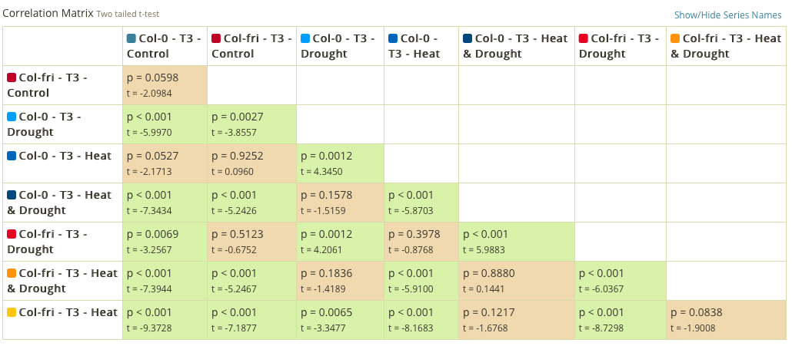
LEF-values
Timepoint | Treatment | Col-0 | Col-Fri | MULTISPEQ DATA (one-way ANOVA test)
T1 | C | 26.995 | 27.956
 | HT | 29.921 | 30.836
T2 | C | 24.417 | 28.046
 | D | 26.294 | 27.200
 | HT | 26.688 | 29.753
 | HT&D | 28.179 | 29.059
T3 | C | 26.939 | 28.357
 | D | 30.711 | 28.642
 | HT | 28.299 | 32.406
 | HT&D | 31.557 | 31.479

LEF

