Sheet1
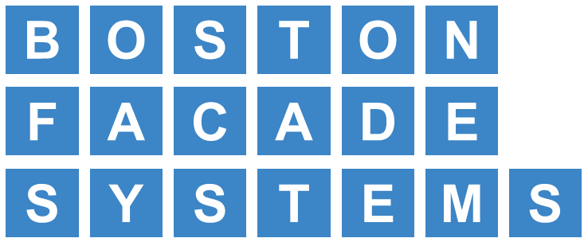 |  |  |  |  | PROPOSAL
 |  |  |  |  | DATE:
ACM. Trespa. Terracotta & Specialty Metal Panels |  |  |  |  | This proposal may be withdrawn by us if not accepted within 30 days.
15 Erie Drive |  |  |  |  | E-mail:
Natick, MA 01760
PH: 617-458-2000 |  |  |  |  | Phone:
To:
 |  |  |  |  | Job Name / location:

 |  |  |  |  | Job number:

We hereby submit specifications and estimates for:

 | ADD/ALT: ENGINEERING DESIGN AND CALCULATIONS |  |  |  |  |  | : $4500
 | NOTE: Air Vapor barrier behind all exterior panel system not included
NOTE: THIS IS A BUDGETARY NUMBER ONLY PENDING FINAL SCOPE REVIEW & ENGINEERING CRITERIA
 |  | PRICING GOOD FOR 30 DAYS DUE TO INDUSTRY-WIDE PRICE ESCALATION

 | NIC: blocking, framing, plywood substrate, police details & street permits,
 | thru-wall flashings, flashings not associated with the panel installations,
 | custom colors* (except where noted), winter conditions
 | *** all contracts to have "BPS conditions for Metal Panels/Siding" attached.
We propose hereby to furnish materials and labor - complete in accordance with above specifications for the sum of:
 |  |  |  |  |  |  | TOTAL:
Payment to be made as follows: |  |  |  | AIA Format
All material to be as specified. All work to be performed in a professional manner according to standard practices. Any alteration or deviation from above specifications involving additional costs will be executed only upon written orders and will be an extra charge. . Payment is due in full within thirty (30) days of the date of the invoice. Interest will be charged on outstanding balances at twelve percent (12%) per annum. In the event of nonpayment, Boston Facade Systems will be entitled to recover its reasonable attorney fees, collection agency costs and all court costs or related fees incurred in any collection efforts.
 |  |  |  |  |  | Akshita Patel

 |  |  |  |  |  |  | Authorized Signature
Acceptance of Proposal - The above prices, specifications and conditions are satisfactory and hereby accepted. You are authorized to do the work as specified. Payment as outlined above.

 |  |  | Date: |  |  |  | Signature

