DREAM5 website scores
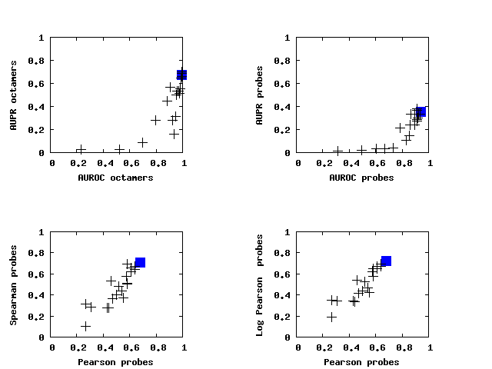
Team | Model type | Final Rank | Pearson | PearsonLOG | Spearman | AUROC 8mer | AUPR 8mer
YourTeam | YourMethod | 1 (1.6) | 0.678 (1) | 0.726 (1) | 0.706 (1) | 0.991 (3) | 0.676 (2)
Team_D | k-mer | 2 (2.4) | 0.641 (2) | 0.674 (3) | 0.639 (5) | 0.994 (1) | 0.7 (1)
Team_F | Other | 3 (4.8) | 0.61 (5) | 0.673 (4) | 0.655 (4) | 0.976 (5) | 0.545 (6)
Team_E | PWM | 4 (5.0) | 0.637 (3) | 0.694 (2) | 0.673 (3) | 0.952 (8) | 0.522 (9)
Team_G | k-mer | 5 (5.4) | 0.573 (7) | 0.621 (7) | 0.574 (7) | 0.994 (2) | 0.674 (4)
Team_J | Other | 6 (6.0) | 0.612 (4) | 0.65 (5) | 0.623 (6) | 0.965 (7) | 0.524 (8)
Team_I | Other | 7 (7.0) | 0.581 (6) | 0.647 (6) | 0.692 (2) | 0.94 (10) | 0.306 (11)
Team_H | Other | 8 (8.8) | 0.469 (11) | 0.417 (13) | 0.367 (13) | 0.991 (4) | 0.676 (3)
Team_C | Other | 9 (8.8) | 0.518 (9) | 0.523 (11) | 0.484 (11) | 0.975 (6) | 0.53 (7)
Team_9 | Other | 10 (9.4) | 0.497 (10) | 0.575 (8) | 0.562 (8) | 0.941 (9) | 0.248 (12)
Team_A | k-mer | 11 (10.0) | 0.533 (8) | 0.461 (12) | 0.431 (12) | 0.925 (13) | 0.584 (5)
Team_12 | k-mer | 12 (11.2) | 0.461 (12) | 0.544 (9) | 0.538 (9) | 0.929 (12) | 0.15 (14)
Team_K | k-mer | 13 (11.4) | 0.461 (13) | 0.54 (10) | 0.531 (10) | 0.93 (11) | 0.156 (13)
Team_B | PWM | 14 (13.2) | 0.267 (14) | 0.189 (14) | 0.1 (14) | 0.891 (14) | 0.462 (10)
Team_14 | PWM | 15 (15.0) | 0.0 (15) | 0.0 (15) | 0.0 (15) | 0.487 (15) | 0.003 (15)

