MAIN
NAME | Alek Turkmen
COLLABORATORS | Jude Pizzone, (Shreyas Krish)
 |  | INPUTS
 |  | ENTER DATA/FORMULAS
INPUT PARAMETERS
W'e | 100 | W, electrical input power at full power)
W_glass | 10 | lb, weight of empty tank
Geometry (outer dims)
L | 0.508 | m, length of tank
W | 0.254 | m, width of tank
H | 0.3048 | m, height of tank
Fixed Temperatures
T_initial | 15 | oC, initial temperature
T_inf | 21 | oC, ambient temperature (assumed constant)
T_set | 27 | oC, set point temperature (target)
Thermal Properties |  |  | I chose to do annealed glass
rho_glass | 2,520 | kg/m^3, density of glass | CITE SOURCE HERE
c_glass | 720 | J/kg/K, specific heat of glass | https://www.omnicalculator.com/construction/glass-weight#:~:text=Annealed%20glass%20is%20typically%20set,is%20around%202%2C520%20kg%2Fm%C2%B3.
rho_H2O | 999 | kg/m^3, density of H2O
c_H2O | 4200 | J/kg/K, specific heat of H2O
Heat Transfer Coefficients
U_surface | 13 | W/m^2/K, HT coef for H2O surface
U_sides | 8.5 | W/m^2/K, HT coef for outside wall
U_floor | 3 | W/m^2/K, HT coef for floor

DERIVED PARAMETERS |  |  | v=m/d | v=t*A
M_glass | 4.53592 | kg, mass of glass | m=v*d
A_glass | 0.5935472 | m^2, outer area of glass
t_glass | 0.003032561276 | m, thickness of glass
M_H2O | 39.28962465 | kg, mass of H2O
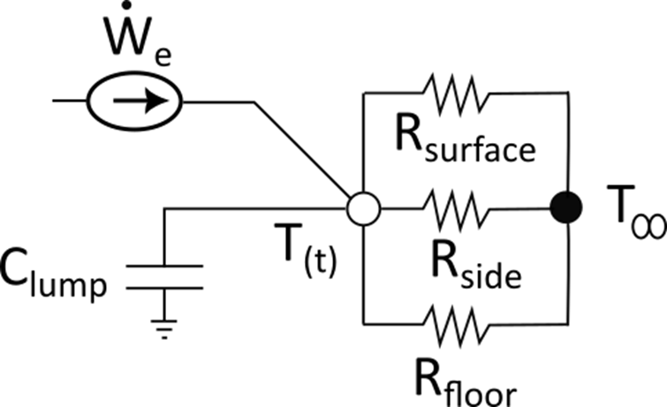
Asurf = Afloor | 0.129032 | m^2, surface area of floor and surface
Asides | 0.4645152 | m^2, surface area of outside side walls
CAPACITANCES
C_glass | 3265.8624 | J/K, total capacitance of glass
C_H2O | 165016.4235 | J/K, total capacitance of H2O
C_lump | 168282.2859 | J/K, total lumped capacitance
RESISTANCES
R_surface | 0.5961550385 | K/W, thermal resistance at surface
R_side | 0.2532684804 | K/W, thermal resistance at side wall
R_floor | 2.5833385 | K/W, thermal resistance at floor
R_equiv | 0.1663093455 | K/W, equivalent thermal resistance
TIME CONSTANT
tau | 27986.91683 | sec, time constant of lumped node
STEADY-STATE (even tho' you don't reach it…)
T_ss | 37.63093455 | oC, steady state temperature (if heater left on)
TARGET
q_target | 0.4697523439 | dimensionless temperature when set point is reached

RESULTS
time to target | 21145.50524 | sec, time to reach target temperature
time to target | 5.873751456 | hours
W'e_reset | 36.0773472 | W, power to maintain target

SIMULATION
GENERATE A PLOT OF TEMPERATURE VS TIME |  |  |  |  |  | INPUTS
tau | 7.774143564 | hour, time constant (from MAIN) |  |  |  | ENTER DATA/FORMULAS
t_target | 5.873751456 | hours, time to target (from MAIN)
 |  |  |  |  |  |  | tss | 37.63093455 | rtop | 0.5961550385
steps | 20 | number of steps chosen for plot (like length of linspace) |  |  |  |  | tstart | 15 | rside | 0.2532684804
dt | 0.2936875728 | hours, time step between points |  |  |  |  |  |  | rfloor | 2.5833385
time (hr) | q | T (oC) | Q'top (W) | Q'side (W) | Q'floor (W) | Q'net (W) |  |  | Watts (W)
0 | 1 | 15 | 0 | 0 | 0 | 0 | ENTER FORMULAS INTO THIS ROW, THEN COPY DOWN, THEN MAKE A FORMATTED PLOT OF TEMP VS TIME, AND OF THE 4 HEAT TRANSFER VS TIME
0.2936875728 | 0.9629271852 | 15.83899245 | 1.407339353 | 3.312660324 | 0.32477062 | 5.044770297
0.5873751456 | 0.9272287639 | 16.64688108 | 1.355165322 | 3.189850681 | 0.3127304589 | 4.857746462
0.8810627184 | 0.8928537836 | 17.42481901 | 1.304925529 | 3.071593937 | 0.3011366605 | 4.677656127
1.174750291 | 0.8597531806 | 18.17391659 | 1.256548266 | 2.957721304 | 0.2899726769 | 4.504242247
1.468437864 | 0.8278797101 | 18.89524301 | 1.209964485 | 2.84807025 | 0.2792225735 | 4.337257309
1.762125437 | 0.7971878789 | 19.58982784 | 1.165107696 | 2.742484269 | 0.2688710067 | 4.176462972
2.05581301 | 0.7676338803 | 20.25866245 | 1.121913874 | 2.640812657 | 0.2589032017 | 4.021629733
2.349500583 | 0.7391755316 | 20.90270147 | 1.080321369 | 2.542910299 | 0.2493049312 | 3.872536599
2.643188155 | 0.711772214 | 21.52286416 | 1.040270815 | 2.448637456 | 0.2400624957 | 3.728970766
2.936875728 | 0.6853848145 | 22.12003567 | 1.001705047 | 2.357859573 | 0.2311627032 | 3.590727324
3.230563301 | 0.6599756701 | 22.69506835 | 0.9645690216 | 2.270447082 | 0.2225928511 | 3.457608954
3.524250874 | 0.6355085143 | 23.24878296 | 0.9288097328 | 2.186275217 | 0.2143407076 | 3.329425658
3.817938447 | 0.6119484248 | 23.7819698 | 0.8943761416 | 2.105223841 | 0.2063944942 | 3.205994477
4.111626019 | 0.5892617742 | 24.29538991 | 0.8612191005 | 2.027177267 | 0.1987428693 | 3.087139237
4.405313592 | 0.5674161815 | 24.78977608 | 0.8292912842 | 1.9520241 | 0.1913749117 | 2.972690296
4.699001165 | 0.5463804665 | 25.26583397 | 0.798547122 | 1.879657072 | 0.1842801051 | 2.862484299
4.992688738 | 0.5261246046 | 25.72424306 | 0.7689427324 | 1.809972893 | 0.1774483229 | 2.756363948
5.286376311 | 0.5066196846 | 26.16565763 | 0.7404358609 | 1.742872103 | 0.170869814 | 2.654177778
5.580063884 | 0.4878378668 | 26.59070771 | 0.7129858193 | 1.678258928 | 0.1645351891 | 2.555779937
5.873751456 | 0.4697523439 | 27 | 0.686553428 | 1.616041146 | 0.1584354065 | 2.46102998
1.5 | 0.4697523439 | 27 | 0.686553428 | 1.616041146 | 0.1584354065 | 2.46102998 | THIS ROW IS TO SHOW TIME AT SET POINT

