CNN training graphs
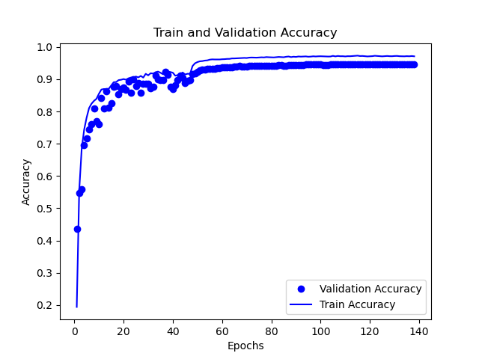
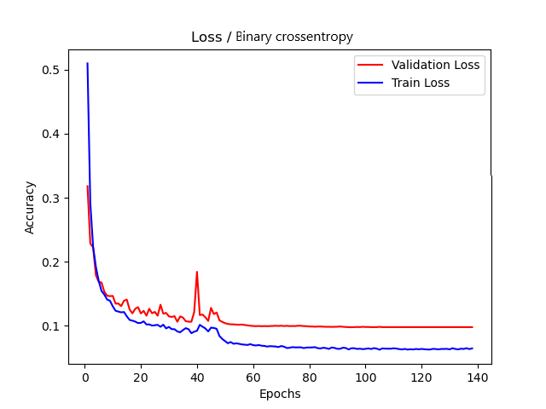

Dataset collection process
Simulation data (MainSimulation.py - CNN)
YOLOv3 data
(PredictYOLOv3.py - YOLOv3)
Unified data
(UnifyDataset.py - YOLOv3)
Dataset collection iteration 1
Simulation data (MainSimulation.py - CNN)
YOLOv3 data
(PredictYOLOv3.py - YOLOv3)
Unified data
(UnifyDataset.py - YOLOv3)
Dataset collection iteration n
Combine datasets
(CombineDatasets.py)
FinalDataset.csv

