Pen testing
Test Case ID: | Test-1233
Test Case Name: | Pen testing
Status: | New
Test Type: | Functional
Creation Date: | 2023-03-01
Priority: | Medium
Execution Date: | 2023-03-04
Step # | Steps: | Expected Result | Version (Build) #
 |  |  | Pass/Fail | Comments
1 | The pen shape | The pen is convenient to use | Pass
2 | Clutching the pen | The pen writes smoothly | Pass
3 | Material quality | Material quality is good | Pass
4 | Clutching the pen for writing different papers | The pen writes on the different papers | Pass
5 | The pen has sharp corners | The pen has not sharp corners | Pass
6 | The pen pressure is not great | The pen is normal | Pass
7 | Thrown off the table | The pen is normal | Pass
8 | Throw in to the water | The pen is write | Pass
9 | The pen writing after first opening | The pen is good writing | Failed | writes badly
Test Data: | None
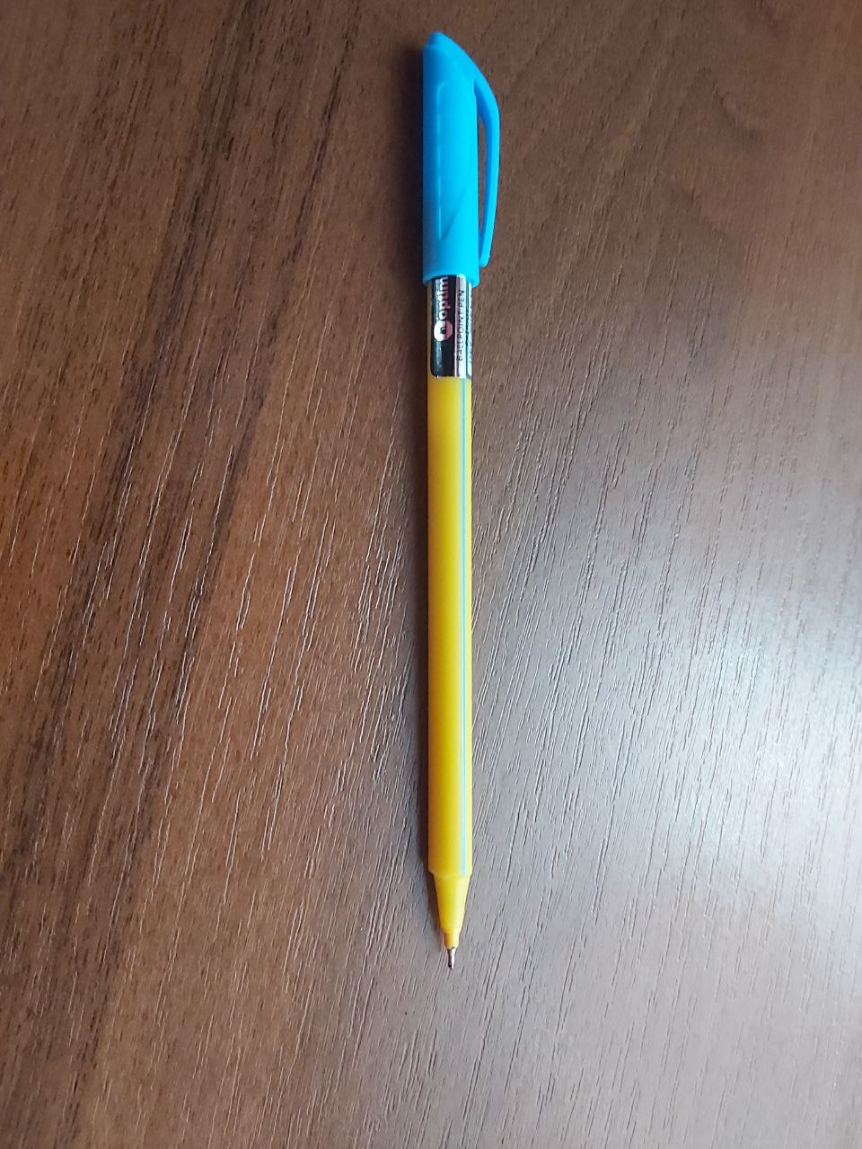
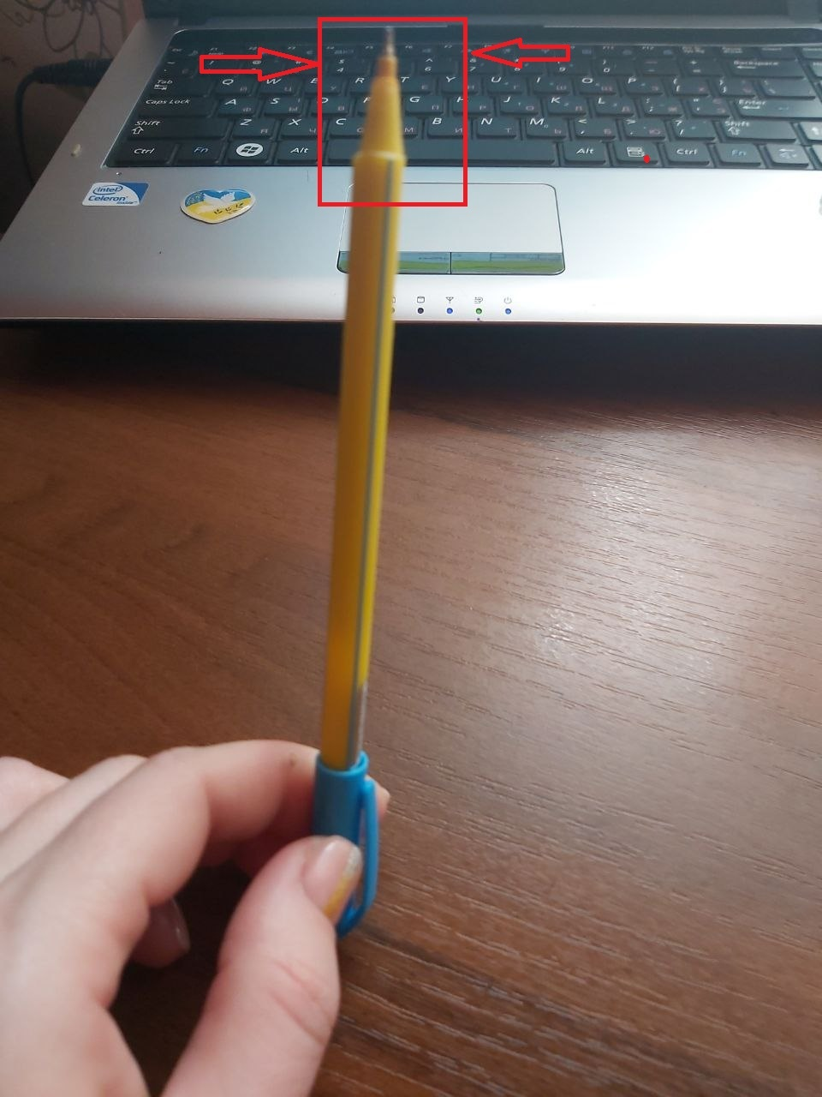
Attachments:

