Sheet1
Type: Bug

Summery: Invalid inputs allowed

Environment: Test, Google Chrome - Version 83.0.4103.116 (64-bit)
1. Go to: https://www.buzzsneakers.com/SRB_rs/ 2. Click on search button 3. Search for Nike 4. Click on first item 5. Pick any size 6. Click on kolicina input and add 0 7. Click on dodaj button
Expected result: You should get error message when try to set 0 in kolicina input
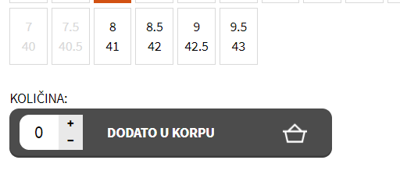 Actual result: You don’t get error message when you add 0 to kolicin input
Labels: Quantity input
Reporter: Aleksandar Zorica

