Sheet1
Type: Bug

Summery: Invalid inputs allowed

Environment: Test, Google Chrome - Version 83.0.4103.116 (64-bit)
1. Go to: https://www.buzzsneakers.com/SRB_rs/ 2. Click on search button 3. Search for Nike 4. Click on first item 5. Pick any size 6. Click on kolicina input and add ./asw 7. Click on dodaj button 8. You should get error message
Expected result: You should get error message when try to set letters or specific characters in kolicina input
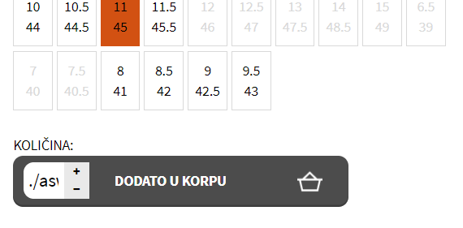 Actual result: You don’t get error message when you add letters or specific characters to kolicin input
Labels: Quantity input
Reporter: Aleksandar Zorica

