Bug report
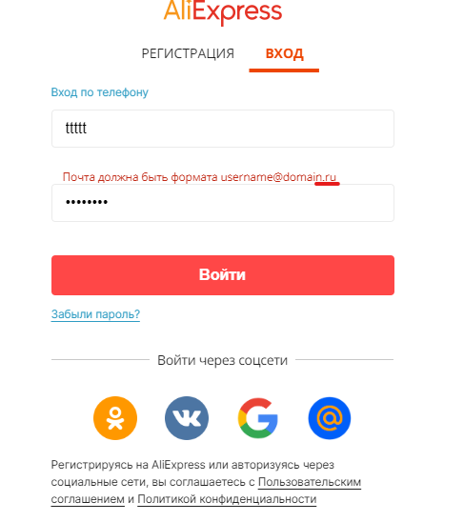
№ 1 | Summary | Email format description contains information only about .ru domen (test case №11)
 | Severity | Trivial
 | Description | 1. Go to https://aliexpress.ru/
 |  | 2. Go to "Sign in"
 |  | 3. Iput invalid e-mail
 |  | Result: Error message: "Почта должна быть формата username@domain.ru"
 |  | Expexted result: Error message must contains informations about differents domens (ru/com/net..)

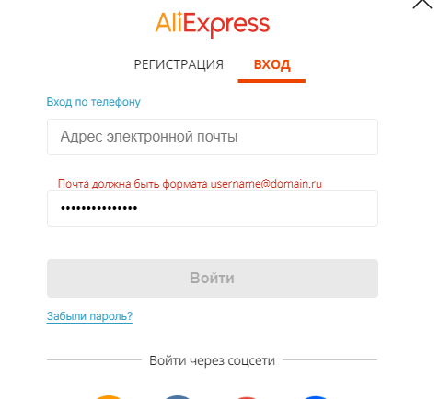
№ 2 | Summary | Show/hide password button isn't active until the password is entered in the correct format (test case №11)
 | Severity | Trivial
 | Description | 1. Go to https://aliexpress.ru/
 |  | 2. Go to "Sign in"
 |  | 3. Iput valid password
 |  | 4. Iput invalid e-mail or leave this field empty
 |  | Result: Error message: "Почта должна быть формата username@domain.ru"
 |  | Result: Show/hide password button is not active
 |  | Expexted result: User can see the password in any case

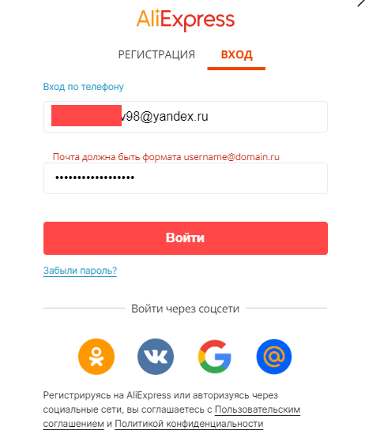
№ 3 | Summary | The message about the incorrect form of mail doesn't disappear after correction (test case №11)
 | Severity | Trivial
 | Description | 1. Go to https://aliexpress.ru/
 |  | 2. Go to "Sign in"
 |  | 3. Iput invalid e-mail
 |  | 4. Iput valid password
 |  | 5. Correct the e-mail format
 |  | Result: The message about the incorrect form of mail doesn't disappear
 |  | Result: The message about the incorrect form of mail must disappear after correction
 |  | Expexted result: User can see the password in any case
 |  | Note: Successful authorization is possible

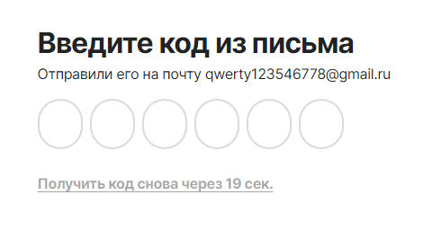
№ 4 | Summary | The message with verification code sents to non-existent e-mail (test case №16)
 | Severity | Trivial
 | Summary | 1. Go to https://aliexpress.ru/
 |  | 2. Go to "Sign in"
 |  | 3. Go to "Forgot password"
 |  | 4. Iput non - existent e-mail
 |  | 5. Click on continue button
 |  | Result: Verification code windows is opened
 |  | Expexted result: Error message: "Your e-mail is incorrect"

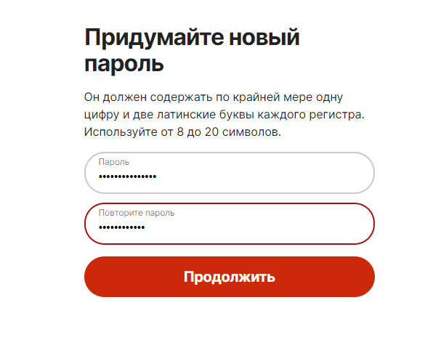
№ 5 | Summary | Show/hide password button is not active until passwords in both fields ('Password'/'Repeat the password') isn't the same (test case №23)
 | Severity | Trivial
 | Summary | 1. Go to https://aliexpress.ru/
 |  | 2. Go to "Sign in"
 |  | 3. Go to "Forgot password"
 |  | 4. Iput exisiting e-mail
 |  | 5. Click on continue button
 |  | 6. Iput correct verification code
 |  | 7. Input differet valid passwords in each fields
 |  | Result: Show/hide password button is not active
 |  | Expexted result: User can see the password in any case

