Отчеты о дефекте
ID | Environment | Summary | Priority | Pre-conditions | Test data | Steps | Actual result | Expected result | Attachments | Comments
1 | Windows 10 Pro 22H2, Yandex browser 22.11.0.2419 (64-bit) | Profile's dropdown: "null' instead of user's name | Low | 1. Location "Russia" was selected | - | 1. Go to https://aliexpress.ru/ 2. Log in like a user 3. Go to “Профиль”>”Отзывы на товары” 4. Hover the cursor on profile's dropdown | Message: “И снова здравствуйте, NULL” | Message: “И снова здравствуйте, ‘User’s name'” | 1 | -
2 | Windows 10 Pro 22H2, Yandex browser 22.11.0.2419 (64-bit) | Cards & Bank Accounts: lack of localization | Medium | 1. Location "Russia" was selected | - | 1. Go to https://aliexpress.ru 2. Log in as a user 3. Go to “Профиль”>”Отзывы на товары”>”Cards & Bank Accounts” | Lack of localization of the section | The section is fully localized for users from Russia | 2 | -
3 | Windows 10 Pro 22H2, Yandex browser 22.11.0.2419 (64-bit) | Dropshipping Center: path not found | High | 1. Location "Russia" was selected | - | 1. Go to https://aliexpress.ru 2. Log in as a user 3. Go to “Профиль”>”Отзывы на товары”>”Dropshipping center” | Error «Path not found» | Section “Dropshipping center” is opened | 3 | -

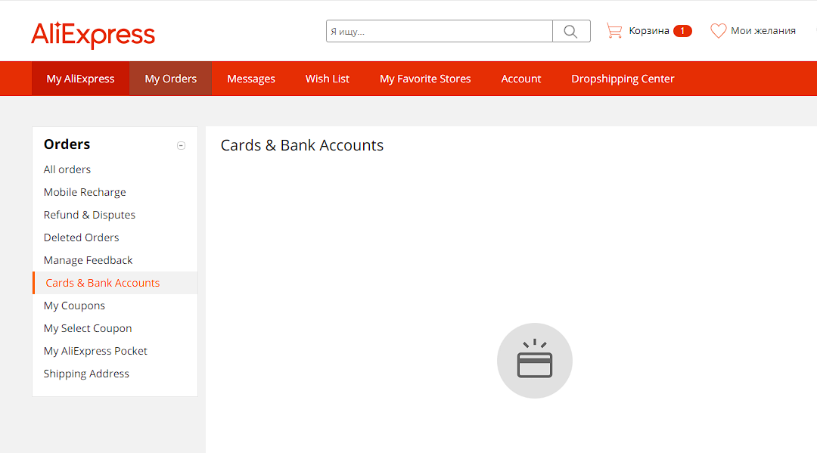
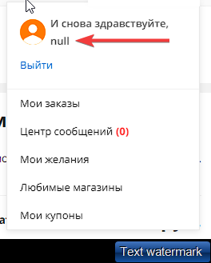
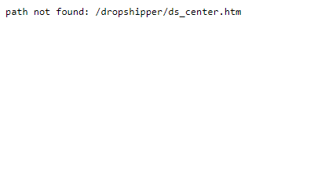
 | Attachments
1
 |  | 2 |  |  |  |  | 3

