0913-Results
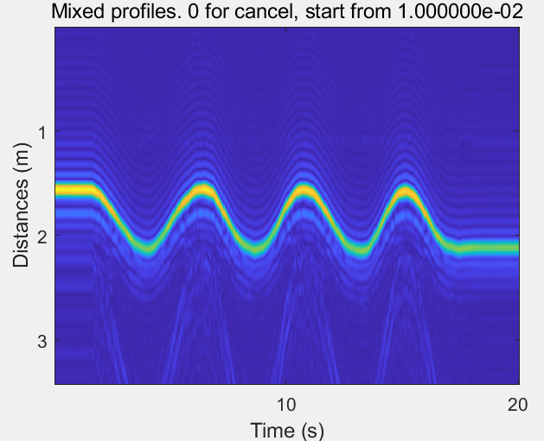
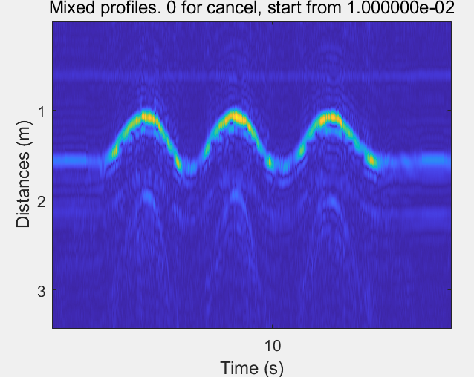
GT Distance | SS | SS+Lens | PA
FMCW | 0.017 | 0.006 | 0.0086
2DMUSIC | 0.015 | 0.0054 | 0.0079
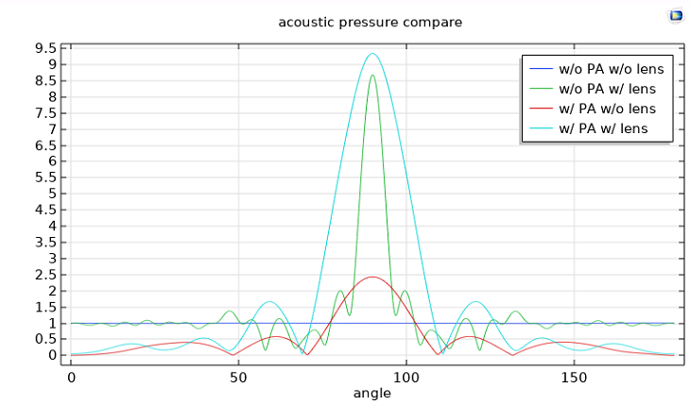

AoA Error
GT Distance | SS | SS+Lens | PA
1D Music | 1.534 | 0.438 | 0.829
2D Music | 1.328 | 0.412 | 0.781

Signal SNR | Distance Error | AoA Error
0.25 | 0.044 | 3.21
1 | 0.027 | 2.12
3.2 | 0.021 | 1.98
4 | 0.018 | 1.58

Dist Error
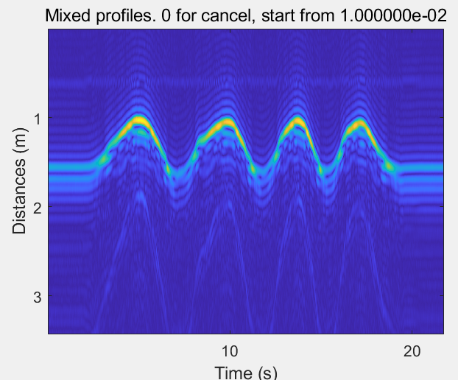
Signal SNR | AoA Error
0.25 | 3.21
1 | 2.12
3.2 | 1.98
4 | 1.58

