Futures
 | r | 5.00
 |  |  |  | https://www.cmegroup.com/markets/interest-rates/stirs/eurodollar.contractSpecs.html
Weekday | d | r % | RG | https://www.cmegroup.com/education/files/sofr-futures-contract-specifications.pdf
Mon | 1 | 5.80 | 1.00016
$R_{G}=$ $\left[\prod_{i}{\left\{1+\left(\frac{d_{i}}{360}\right)∗\left(\frac{r_{i}}{100}\right)\right\}−1} \right]∗ \left(\frac{360}{\sum_{i}{d_{i}}}\right)∗100$
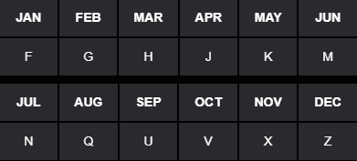
Tues | 1 | 0.76 | 1.00002
Wed | 1 | 3.11 | 1.00009
Thurs | 1 | 3.44 | 1.00010
$R_{A}=$ ${\left(\sum_{i}{\left(\frac{d_{i}}{360}\right)∗\left(\frac{r_{i}}{100}\right)}\right)}/{\sum_{i}{d_{i}}}∗100$
Fri | 3 | 2.94 | 1.00025
Mon | 1 | 5.67 | 1.00016
Tues | 1 | 6.05 | 1.00017
Wed | 1 | 9.21 | 1.00026
Thurs | 1 | 6.26 | 1.00017
Fri | 3 | 2.58 | 1.00021

 | nDays | RA | RG
 | 14 | 4.0612 | 4.0640

 | Frequency | Monthly | Quarterly
 | Compounding | Arithmetic | Geometric

 | Future | FA | FG
 | Quote | 95.9388 | 95.9360

