Futures
 | r | 5.00

Weekday | d | r % | RG | https://www.cmegroup.com/markets/interest-rates/stirs/eurodollar.contractSpecs.html
Mon | 1 | 2.24 | 1.00006 | https://www.cmegroup.com/education/files/sofr-futures-contract-specifications.pdf
Tues | 1 | 8.10 | 1.00023
$R_{G}=$ $\left[\prod_{i}{\left\{1+\left(\frac{d_{i}}{360}\right)∗\left(\frac{r_{i}}{100}\right)\right\}−1} \right]∗ \left(\frac{360}{\sum_{i}{d_{i}}}\right)∗100$
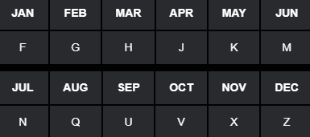
Wed | 1 | 2.08 | 1.00006
Thurs | 1 | 3.03 | 1.00008
Fri | 3 | 2.05 | 1.00017
$R_{A}=$ ${\left[\sum_{i}{\left(\frac{d_{i}}{360}\right)∗\left(\frac{r_{i}}{100}\right)}\right]}/{\sum_{i}{d_{i}}}∗100$
Mon | 1 | 5.55 | 1.00015
Tues | 1 | 8.23 | 1.00023
Wed | 1 | 7.25 | 1.00020
Thurs | 1 | 6.29 | 1.00017
Fri | 3 | 3.98 | 1.00033

 | nDays | RA | RG
 | 14 | 4.3471 | 4.3503

 | Frequency | Monthly | Quarterly
 | Compounding | Arithmetic | Geometric

 | Future | FA | FG
 | Quote | 95.6529 | 95.6497

