Tabelle1
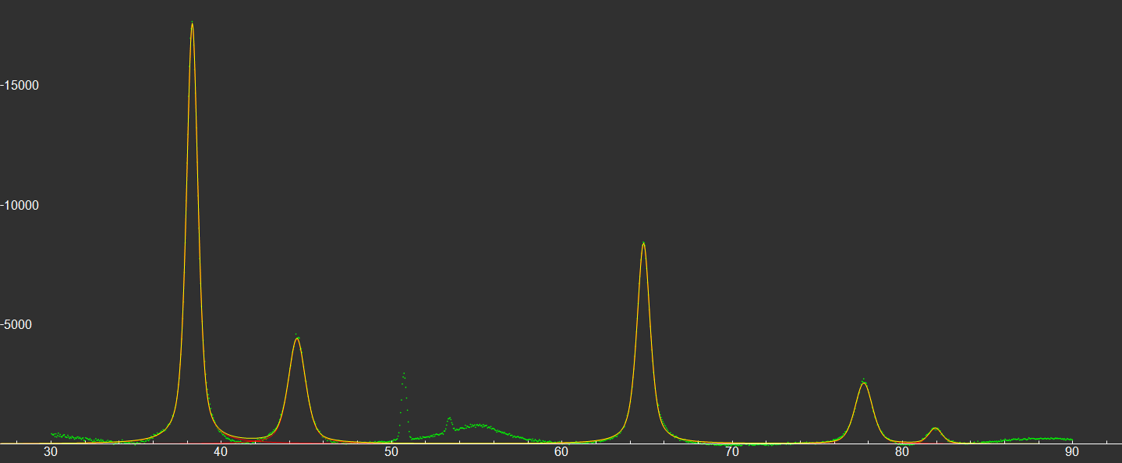
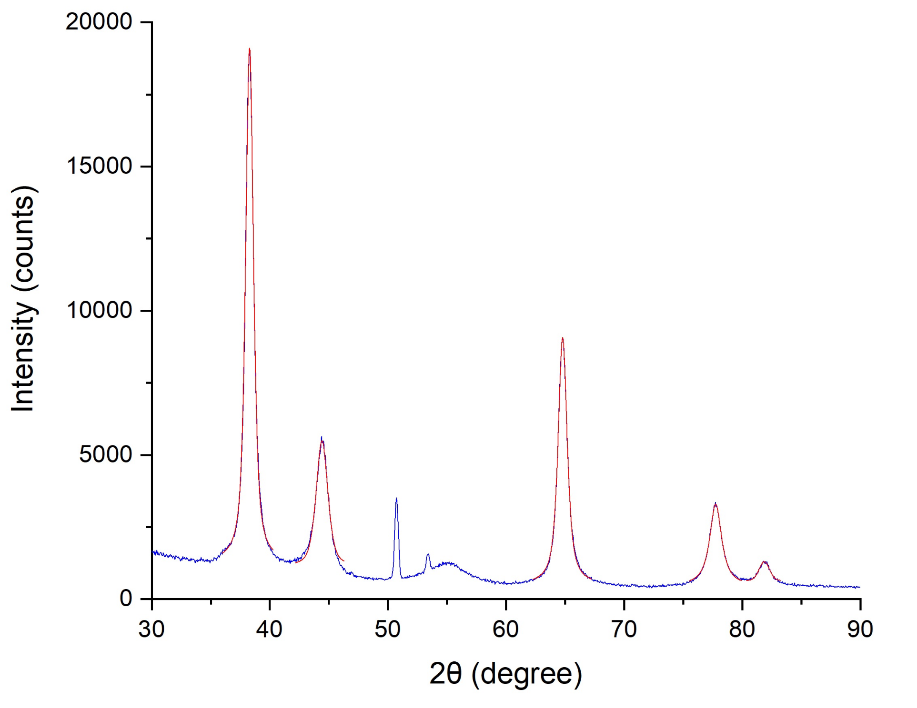
 |  |  |  |  | λ(nm) | K | β instr (rad) |  |  |  |  |  |  |  |  |  | a(nm) bulk value
 |  |  |  |  | 0.15406 | 0.89 | 0.0047123889804 |  |  |  |  |  |  |  |  |  | 0.4065
fityk
2θ(deg) | θ(deg) | θ(rad) | sinθ | cosθ | d= λ/2sinθ(nm) | FWHM=β obs (deg) | FWHM=β obs (rad) | β size (linear) (rad) | β size (quadratic) (rad) | Net height | D = (kλ/βcosθ) linear | D = (kλ/βcosθ) quadratic | area | integral breadth | h2+k2+l2 | miller indices (h,k,l) | a (lattice constant)
38.286900 | 19.143450 | 0.334116 | 0.327934 | 0.944700 | 0.234895 | 0.808937 | 0.014119 | 0.009406 | 0.013309 | 17590.200000 | 15.430159 | 10.905394 | 19185.700000 | 1.090704 | 2.994086 | 1,1,1 | 0.406849
44.434200 | 22.217100 | 0.387762 | 0.378117 | 0.925758 | 0.203720 | 1.209580 | 0.021111 | 0.016399 | 0.020578 | 4381.500000 | 9.031739 | 7.197291 | 6954.280000 | 1.587192 | 3.980548 | 2,0,0 | 0.407440
64.794600 | 32.397300 | 0.565440 | 0.535787 | 0.844353 | 0.143770 | 0.927408 | 0.016186 | 0.011474 | 0.015485 | 8397.960000 | 14.152834 | 10.486724 | 10647.100000 | 1.267820 | 7.992352 | 2,2,0 | 0.406642
77.727600 | 38.863800 | 0.678301 | 0.627471 | 0.778640 | 0.122763 | 1.230270 | 0.021472 | 0.016760 | 0.020949 | 2541.260000 | 10.506852 | 8.405907 | 3924.100000 | 1.544155 | 10.961699 | 3,1,1 | 0.407157
81.930800 | 40.965400 | 0.714981 | 0.655603 | 0.755106 | 0.117495 | 0.934052 | 0.016302 | 0.011590 | 0.015606 | 649.740000 | 15.667249 | 11.635128 | 787.595000 | 1.212169 | 11.966642 | 2,2,2 | 0.407014

origin
2θ(deg) | θ(deg) | θ(rad) | sinθ | cosθ | d= λ/2sinθ(nm) | FWHM=β obs (deg) | FWHM=β obs (rad) | β size (linear) (rad) | β size (quadratic) (rad) | Net height | D = (kλ/βcosθ) linear | D = (kλ/βcosθ) quadratic | area | integral breadth | h2+k2+l2 | miller indices (h,k,l) | a (lattice constant)
38.283680 | 19.141840 | 0.334088 | 0.327908 | 0.944710 | 0.234914 | 0.801020 | 0.013980 | 0.009268 | 0.013162 | 17464.000000 | 15.660055 | 11.026811 | 19925.016870 | 1.140919 | 2.993601 | 1,1,1 | 0.406882
44.414160 | 22.207080 | 0.387587 | 0.377955 | 0.925824 | 0.203807 | 1.185810 | 0.020696 | 0.015984 | 0.020153 | 4110.000000 | 9.265498 | 7.348845 | 6887.370000 | 1.675759 | 3.977140 | 2,0,0 | 0.407614
64.792140 | 32.396070 | 0.565418 | 0.535769 | 0.844365 | 0.143775 | 0.916780 | 0.016001 | 0.011288 | 0.015291 | 8379.000000 | 14.385200 | 10.619622 | 11269.827740 | 1.345009 | 7.991811 | 2,2,0 | 0.406656
77.749270 | 38.874635 | 0.678490 | 0.627618 | 0.778521 | 0.122734 | 1.219590 | 0.021286 | 0.016573 | 0.020758 | 2749.000000 | 10.626641 | 8.484587 | 5290.267780 | 1.924434 | 10.966844 | 3,1,1 | 0.407062
81.861430 | 40.930715 | 0.714376 | 0.655146 | 0.755502 | 0.117577 | 1.036860 | 0.018097 | 0.013384 | 0.017472 | 607.000000 | 13.559717 | 10.387096 | 759.926230 | 1.251938 | 11.949956 | 2,2,2 | 0.407298

dati fit | risultati

