Commodity_prices_MEUR2022
Name | Unit | 2022 | 2025 | 2030 | 2035 | 2040 | 2045 | 2050 | Updated | Source | Notes
Imported LPG - Refineries | M€2022/PJ | 25.33 | 23.52 | 21.71 | 21.71 | 16.28 | 15.65 | 14.99 | 2024-10-17 | EC Weekly Oil Bulletin | Average of weekly 2022 fuel oil prices for NL reported in oil bulletin. Assumed 45.2 MJ/kg per RVO NCV for LPG, and 1915 l/t as per IEA statistics manual. Future years assume constant ratio for refined products to crude oil.
Imported Naphtha - Refineries | M€2022/PJ | 16.62 | 15.43 | 14.25 | 14.25 | 10.68 | 10.26 | 9.84 | 2024-10-17 | BASF key prices | Base year prices reported by BASF (annual average price for 2022). Projections are based on ratio of naphtha to crude oil price.
Imported Road Fuel - Refineries | M€2022/PJ | 31.53 | 29.27 | 27.02 | 27.02 | 20.27 | 19.47 | 18.66 | 2024-10-17 | EC Weekly Oil Bulletin | Average of weekly 2022 fuel oil prices for NL reported in oil bulletin. Assumed 43.3 MJ/kg per RVO NCV for gasoline, and 1350 l/t as per IEA statistics manual. Future years assume constant ratio for refined products to crude oil.
Selected commodity prices, IESA-Opt
Imported Kerosene - Refineries | M€2022/PJ | 30.37 | 28.20 | 26.03 | 26.03 | 19.53 | 18.76 | 17.98 | 2024-10-17 | EC Weekly Oil Bulletin; IEA 2024 | Used gas/diesel oil as a proxy. Average of weekly 2022 fuel oil prices for NL reported in oil bulletin. Assumed 43.2 MJ/kg per RVO NCV for gasoline, and 1185 l/t as per IEA statistics manual. Future years assume constant ratio for refined products to crude oil. Well aligned with prices for BE in IEA 2024 (End Use price explorer) - there NL data is only available for 2010.
Imported Fuel Oil - Refineries | M€2022/PJ | 17.63 | 16.37 | 15.11 | 15.11 | 11.33 | 10.89 | 10.43 | 2024-10-17 | EC Weekly Oil Bulletin | Average of weekly 2022 fuel oil prices for NL reported in oil bulletin. Assumed 41 MJ/kg per RVO NCV for residual fuel oil. Future years assume constant ratio for refined products to crude oil.
Imported Other Oil Products - Refineries | M€2022/PJ | 17.63 | 16.37 | 15.11 | 15.11 | 11.33 | 10.89 | 10.43 | 2024-10-14 | - | Assumed equal to fuel oil.
Imported Bionaphtha - Refineries | M€2022/PJ | 33.24 | 31.81 | 29.44 | 27.07 | 24.69 | 22.32 | 19.94 | 2024-12-03 | TNO 2020; IEA Bioenergy 2020 | Assumed 2x price of fossil equivalent in base year, then 40% decline by 2050.
Imported Bioethanol - Refineries | M€2022/PJ | 41.78 | 38.04 | 34.30 | 34.30 | 34.30 | 34.30 | 34.30 | 2024-11-29 | TNO 2024; IEA 2021 | 2022 price from IEA Renewables Market Report. European ethanol price of $1.3/liter. Ethanol market currently at a high point (see market report) due to supply shocks i.e. high price of key feedstocks like corn. We take TNO 2030 value as the longer term stable value, as price shock effects dissipate. Demand pressures are mixed (US & Europe loosening or keeping stable their blending requirements, while new requirements are implemented elsewhere i.e. India). Assumed equal to 2030/2050 price for bioethanol. Note TNO assumes significant price increase to 2050 (~4x).
Imported Biodiesel - Refineries | M€2022/PJ | 63.05 | 60.35 | 55.84 | 51.34 | 46.84 | 42.33 | 37.83 | 2024-12-03 | TNO 2020; IEA Bioenergy 2020 | Assumed 2x price of fossil equivalent in base year, then 40% decline by 2050.
Imported Biokerosene - Refineries | M€2022/PJ | 60.75 | 58.14 | 53.81 | 49.47 | 45.13 | 40.79 | 36.45 | 2024-12-03 | TNO 2020; IEA Bioenergy 2020 | Assumed 2x price of fossil equivalent in base year, then 40% decline by 2050.
Imported Bio-LPG - Refineries | M€2022/PJ | 50.66 | 48.49 | 44.87 | 41.25 | 37.64 | 34.02 | 30.40 | 2025-07-01 | TNO 2020; IEA Bioenergy 2020 | Assumed 2x price of fossil equivalent in base year, then 40% decline by 2050.
Imported Natural Gas - Final Gas | M€2022/PJ | 26.88 | 15.53 | 6.87 | 5.95 | 5.03 | 5.03 | 5.03 | 2025-07-15 | KEV 2024; IEA 2024 | KEV2024 prices used for 2022, 2025, 2030. Note that 2023 prices are used for 2025. IEA APS prices used for 2035-2050. No differentiation of prices for national & imported natural gas. Note that IEA's NZE includes declining global gas prices.
Imported LNG - Final Gas | M€2022/PJ | 26.88 | 15.53 | 6.87 | 5.95 | 5.03 | 5.03 | 5.03 | 2024-11-29 | - | Assumed equal to natural gas prices (import & domestic). Highly correlated and close together. (https://globallnghub.com/report-presentation/lng-markets-understanding-the-jkm-ttf-relationship) Average LNG NW Europe price reported by ACER from 1 January 2023-16 October 2024, not used because of volatility of LNG/TTF during the period 2020-2024.
Imported Hydrogen (liquid) - Hydrogen Production | M€2022/PJ | 41.25 | 40.10 | 38.96 | 38.58 | 38.20 | 37.62 | 37.05 | 2024-12-02 | IEA 2023 | Assumed expensive liquid H2 import for 2022, less expensive liquid H2 import for 2030, high cost LOHC in 2040, low cost LOHC in 2050. These are based on 2030 costs for NW Europe in IEA NZE scenario, with imports from North Africa and Latin America.
Imported Hydrogen (pipeline) - Hydrogen Production | M€2022/PJ | 23.68 | 22.34 | 21.01 | 21.01 | 21.01 | 21.01 | 21.01 | 2024-12-02 | IEA 2023 | 2022 value based on "domestic production" in NW Europe. 2030 to 2050 based on 2030 costs for NW Europe in IEA NZE scenario, with pipeline from North Africa. Assumes pipeline would be in place by 2030, volumes should be limited to reflect available pipeline infrastructure within Europe and from N Africa.
Exported Hydrogen - Hydrogen Production | M€2022/PJ |  |  |  |  |  |  |  | 2024-10-17 | - | Should be set to zero, no assumed hydrogen exports as a baseline. No price needed.
Imported Ammonia - Ammonia Production | M€2022/PJ | 34.28 | 30.38 | 26.48 | 25.97 | 25.46 | 24.95 | 24.44 | 2024-12-02 | Platts 2024; IEA 2023 | Platts Ammonia price data for base year. Used current (2024) values, average of all ammonia types, for 2022. For 2030, IEA source used - import from NA. For 2050, import from Latin America. Based on 2030 costs for NW Europe in IEA NZE scenario.
Imported Coal | M€2022/PJ | 11.96 | 8.08 | 3.01 | 3.06 | 2.26 | 2.19 | 2.13 | 2025-07-15 | KEV 2024; IEA 2024 | KEV2024 prices used for 2022, 2025, 2030. Note that 2023 prices are used for 2025. Note that KEV draws on CPB & CBS data and EC research. IEA APS prices used for 2035-2050. Steenkool & bruinkool NCV used to calculate price.
Imported Crude Oil | M€2022/PJ | 14.70 | 13.65 | 12.60 | 12.60 | 9.45 | 9.08 | 8.70 | 2025-07-15 | KEV 2024; IEA 2024 | KEV2024 prices used for 2022. Note that KEV draws on CPB & CBS data and EC research. IEA APS prices used for 2030-2050.
National Natural Gas | M€2022/PJ | 26.88 | 15.53 | 6.87 | 5.95 | 5.03 | 5.03 | 5.03 | 2025-07-15 | KEV 2024; IEA 2024 | KEV2024 prices used for 2022, 2025, 2030. Note that 2023 prices are used for 2025. IEA APS used for 2035-2050. No differentiation of prices for national & imported natural gas.
Municipal Waste NL | M€2022/PJ | 3.53 | 4.13 | 4.13 | 4.13 | 4.13 | 4.13 | 4.13 | 2024-10-17 | CE Delft 2024 | Updated based on 2022 tariff per tonne of municipal waste for 2022, and 2024 used for 2025-2050. Assumed 9.5 MJ/kg municipal waste.
Imported plastic waste | M€2022/Mt | 466.7 | 466.7 | 466.7 | 466.7 | 466.7 | 466.7 | 466.7 | 2024-10-17 | EEA 2024 | Assumed 2022 price will remain constant until 2050. Note increasing trend in recent years. Price given in mass terms (not energy).
Wood (crops, and others) | M€2022/PJ | 10.60 | 10.60 | 10.60 | 10.60 | 10.60 | 10.60 | 10.60 | 2024-11-29 | SDE++ 2022 | Assumed equal to Houtpellets, ketels price for woody biomass in 2022.
Imported Wood EU | M€2022/PJ | 11.17 | 11.17 | 11.17 | 11.17 | 11.17 | 11.17 | 11.17 | 2024-10-17 | TNO 2024 | Assumed equal to 2030/2050 price for cheap imported woody biomass
Imported Wood America | M€2022/PJ | 14.62 | 14.62 | 14.62 | 14.62 | 14.62 | 14.62 | 14.62 | 2024-10-17 | TNO 2024 | Assumed equal to 2030/2050 price for expensive imported woody biomass
Grasscrops | M€2022/PJ | 9.59 | 9.17 | 8.75 | 8.62 | 8.48 | 8.36 | 8.24 | 2025-06-26 | JRC 2019 | Based on ENSPRESO costs (ENS Med scenario) for NL. Original source in EUR2010. MINBIOCRP31
Dry organic matter | M€2022/PJ | 26.80 | 32.61 | 38.43 | 38.40 | 38.38 | 38.35 | 38.33 | 2025-06-26 | JRC 2019 | Based on ENSPRESO costs (ENS Med scenario) for NL. Original source in EUR2010. MINBIORPS1
Wet organic matter | M€2022/PJ | 8.54 | 8.11 | 7.68 | 7.30 | 6.92 | 6.57 | 6.22 | 2025-06-26 | JRC 2019 | Based on ENSPRESO costs (ENS Med scenario) for NL. Original source in EUR2010. MINBIOSLU1
Manure | M€2022/PJ | 6.98 | 7.00 | 7.02 | 7.04 | 7.06 | 7.07 | 7.08 | 2025-06-26 | JRC 2019 | Based on ENSPRESO costs (ENS Med scenario) for NL. Original source in EUR2010. MINBIOGAS1
Sugars | M€2022/PJ | 4.33 | 4.47 | 4.62 | 4.63 | 4.64 | 4.66 | 4.67 | 2025-06-26 | JRC 2019 | Based on ENSPRESO costs (ENS Med scenario) for NL. Original source in EUR2010. MINBIOCRP21
Starch | M€2022/PJ | 16.00 | 18.50 | 21.00 | 21.25 | 21.50 | 21.75 | 22.00 |  | EU 2017 | Not updated, no updated source available. Uptake mainly driven by (small) potentials. Currently based on Heat Roadmap Europe prices.
Vegetable Oil | M€2022/PJ | 26.80 | 32.61 | 38.43 | 38.40 | 38.38 | 38.35 | 38.33 | 2025-06-26 | JRC 2019 | Based on ENSPRESO costs (ENS Med scenario) for NL. Original source in EUR2010. MINBIORPS1
Imported Vegetable Oil | M€2022/PJ | 29.48 | 35.87 | 42.27 | 42.24 | 42.21 | 42.19 | 42.16 | 2025-06-26 | TNO 2024 | Assumed 10% markup for imported vegetable oil from rest of Europe
Imported DRI briquettes | M€2022/Mt | 419 | 419 | 419 | 419 | 419 | 419 | 419 | 2025-04-01 | Steel on the net.com 2025 | Average of 2022 values. Future prices could be constructed from some relation to iron ore, gas, and coal prices (right now much of global DRI exports come from coal) https://www.steelonthenet.com/files/dri.html
Imported or purchased steel scrap | M€2022/Mt | 422 | 422 | 422 | 422 | 422 | 422 | 422 | 2025-04-01 | Investing.com (in range of news articles) | https://www.investing.com/commodities/steel-scrap-historical-data
Ethylene imports - Petrochemical industry | M€2022/Mt | 1,147 | 1,147 | 1,147 | 1,147 | 1,147 | 1,147 | 1,147 | 2025-04-01 | CBS 2025 | invoerwaarde & hoeveelheid, normal portland cement, total of EU & non-EU countries, https://opendata.cbs.nl/#/CBS/nl/dataset/81261ned/table?searchKeywords=cement
Propylene imports - Petrochemical industry | M€2022/Mt | 1,139 | 1,139 | 1,139 | 1,139 | 1,139 | 1,139 | 1,139 | 2025-04-01 | CBS 2025 | invoerwaarde & hoeveelheid, normal portland cement, total of EU & non-EU countries, https://opendata.cbs.nl/#/CBS/nl/dataset/81261ned/table?searchKeywords=cement
Butadiene imports - Petrochemical industry | M€2022/Mt | 1,025 | 1,025 | 1,025 | 1,025 | 1,025 | 1,025 | 1,025 | 2025-04-01 | CBS 2025 | invoerwaarde & hoeveelheid, normal portland cement, total of EU & non-EU countries, https://opendata.cbs.nl/#/CBS/nl/dataset/81261ned/table?searchKeywords=cement
Imported aromatics | M€2022/Mt | 705 | 655 | 604 | 604 | 453 | 435 | 417 | 2024-10-17 |  | Assumed equal to "other oil product imports." Converted to mass terms with NCV 40 MJ/kg.
Imported or purchased iron ore | M€2022/Mt | 119 | 119 | 119 | 119 | 119 | 119 | 119 | 2025-03-31 | CBS 2025 | Used jan-august 2022 invoerwaarde & hoeveelheid, normal portland cement, total of EU & non-EU countries, https://opendata.cbs.nl/#/CBS/nl/dataset/81261ned/table?searchKeywords=cement
Stock of end-of-life concrete | M€2022/Mt | 11 | 11 | 11 | 11 | 11 | 11 | 11 | 2025-03-31 | Zhang et al. 2020 | Table 1, price for secondary material, recycling for concrete industry
Stock of end-of-life ceramic (CTW) | M€2022/Mt | - | - | - | - | - | - | - | 2025-03-31 | Samadi et al 2020 | Assumed to be available at 0 cost because it is a waste material. This should be increased to consider some transport/logistical cost at least - but no source for that yet
Imported/purchased sand | M€2022/Mt | 18 | 18 | 18 | 18 | 18 | 18 | 18 | 2025-03-31 | CBS 2025 | invoerwaarde & hoeveelheid, normal portland cement, total of EU & non-EU countries, https://opendata.cbs.nl/#/CBS/nl/dataset/81261ned/table?searchKeywords=cement
Imported/purchased gravel/aggregate | M€2022/Mt | 10 | 10 | 10 | 10 | 10 | 10 | 10 | 2025-03-31 | Zhang et al. 2019 | Table 4 cost data (virgin material cost)
Imported/purchased cement | M€2022/Mt | 84 | 84 | 84 | 84 | 84 | 84 | 84 | 2025-03-31 | CBS 2025 | invoerwaarde & hoeveelheid, normal portland cement, total of EU & non-EU countries, https://opendata.cbs.nl/#/CBS/nl/dataset/81261ned/table?searchKeywords=cement
Stock of recovered cement | M€2022/Mt | 200 | 200 | 200 | 200 | 200 | 200 | 200 | 2025-03-31
Limestone | M€2022/Mt | 28.3 | 28.3 | 28.3 | 28.3 | 28.3 | 28.3 | 28.3 | 2025-03-31 | CBS 2025 | Used jan-august 2022 invoerwaarde & hoeveelheid, normal portland cement, total of EU & non-EU countries, https://opendata.cbs.nl/#/CBS/nl/dataset/81261ned/table?searchKeywords=cement
Imported salt | M€2022/Mt | 70.0 | 70.0 | 70.0 | 70.0 | 70.0 | 70.0 | 70.0 | 2025-04-02 | Scherpbier & Eerens 2021 | PBL MIDDEN report Table 4, in range for two main salt types. Converted from 2014 EUR to 2022. https://www.pbl.nl/uploads/default/downloads/pbl-2021-decarbonisation-options-for-the-dutch-salt-industry-3477.pdf
Recycled glass | M€2022/Mt | 68.3 | 68.3 | 68.3 | 68.3 | 68.3 | 68.3 | 68.3 | 2025-07-31 | Eurostat 2025 | https://ec.europa.eu/eurostat/statistics-explained/index.php?title=Recycling_%E2%80%93_secondary_material_price_indicator
Imported biomethane | M€2022/PJ | 22.5 | 22.5 | 22.5 | 22.5 | 22.5 | 22.5 | 22.5 | 2025-10-29 | Cluster model | See email from Julia (1 september)

Commodity_prices_MEUR2019
Name | Unit | 2022 | 2025 | 2030 | 2035 | 2040 | 2045 | 2050 | Updated | Source | Notes
Imported LPG - Refineries | M€2019/PJ | 23.18 | 21.52 | 19.87 | 19.87 | 14.90 | 14.32 | 13.72 | 2024-10-17 | EC Weekly Oil Bulletin | Average of weekly 2022 fuel oil prices for NL reported in oil bulletin. Assumed 45.2 MJ/kg per RVO NCV for LPG, and 1915 l/t as per IEA statistics manual. Future years assume constant ratio for refined products to crude oil.
Imported Naphtha - Refineries | M€2019/PJ | 15.21 | 14.12 | 13.04 | 13.04 | 9.78 | 9.39 | 9.00 | 2024-10-17 | BASF key prices | Base year prices reported by BASF (annual average price for 2022). Projections are based on ratio of naphtha to crude oil price.
Imported Road Fuel - Refineries | M€2019/PJ | 28.85 | 26.78 | 24.73 | 24.73 | 18.55 | 17.82 | 17.07 | 2024-10-17 | EC Weekly Oil Bulletin | Average of weekly 2022 fuel oil prices for NL reported in oil bulletin. Assumed 43.3 MJ/kg per RVO NCV for gasoline, and 1350 l/t as per IEA statistics manual. Future years assume constant ratio for refined products to crude oil.
Selected commodity prices, IESA-Opt
Imported Kerosene - Refineries | M€2019/PJ | 27.80 | 25.81 | 23.83 | 23.83 | 17.87 | 17.17 | 16.45 | 2024-10-17 | EC Weekly Oil Bulletin; IEA 2024 | Used gas/diesel oil as a proxy. Average of weekly 2022 fuel oil prices for NL reported in oil bulletin. Assumed 43.2 MJ/kg per RVO NCV for gasoline, and 1185 l/t as per IEA statistics manual. Future years assume constant ratio for refined products to crude oil. Well aligned with prices for BE in IEA 2024 (End Use price explorer) - there NL data is only available for 2010.
Imported Fuel Oil - Refineries | M€2019/PJ | 16.13 | 14.98 | 13.83 | 13.83 | 10.37 | 9.96 | 9.55 | 2024-10-17 | EC Weekly Oil Bulletin | Average of weekly 2022 fuel oil prices for NL reported in oil bulletin. Assumed 41 MJ/kg per RVO NCV for residual fuel oil. Future years assume constant ratio for refined products to crude oil.
Imported Other Oil Products - Refineries | M€2019/PJ | 16.13 | 14.98 | 13.83 | 13.83 | 10.37 | 9.96 | 9.55 | 2024-10-14 | - | Assumed equal to fuel oil.
Imported Bionaphtha - Refineries | M€2019/PJ | 30.42 | 29.11 | 26.94 | 24.77 | 22.60 | 20.42 | 18.25 | 2024-12-03 | TNO 2020; IEA Bioenergy 2020 | Assumed 2x price of fossil equivalent in base year, then 40% decline by 2050.
Imported Bioethanol - Refineries | M€2019/PJ | 38.23 | 34.81 | 31.39 | 31.39 | 31.39 | 31.39 | 31.39 | 2024-11-29 | TNO 2024; IEA 2021 | 2022 price from IEA Renewables Market Report. European ethanol price of $1.3/liter. Ethanol market currently at a high point (see market report) due to supply shocks i.e. high price of key feedstocks like corn. We take TNO 2030 value as the longer term stable value, as price shock effects dissipate. Demand pressures are mixed (US & Europe loosening or keeping stable their blending requirements, while new requirements are implemented elsewhere i.e. India). Assumed equal to 2030/2050 price for bioethanol. Note TNO assumes significant price increase to 2050 (~4x).
Imported Biodiesel - Refineries | M€2019/PJ | 57.70 | 55.23 | 51.10 | 46.98 | 42.86 | 38.74 | 34.62 | 2024-12-03 | TNO 2020; IEA Bioenergy 2020 | Assumed 2x price of fossil equivalent in base year, then 40% decline by 2050.
Imported Biokerosene - Refineries | M€2019/PJ | 55.59 | 53.21 | 49.24 | 45.27 | 41.30 | 37.33 | 33.36 | 2024-12-03 | TNO 2020; IEA Bioenergy 2020 | Assumed 2x price of fossil equivalent in base year, then 40% decline by 2050.
Imported Bio-LPG - Refineries | M€2019/PJ | 46.36 | 44.38 | 41.06 | 37.75 | 34.44 | 31.13 | 27.82 | 2025-07-01 | TNO 2020; IEA Bioenergy 2020 | Assumed 2x price of fossil equivalent in base year, then 40% decline by 2050.
Imported Natural Gas - Final Gas | M€2019/PJ | 24.60 | 14.21 | 6.29 | 5.44 | 4.60 | 4.60 | 4.60 | 2025-07-15 | KEV 2024; IEA 2024 | KEV2024 prices used for 2022, 2025, 2030. Note that 2023 prices are used for 2025. IEA APS prices used for 2035-2050. No differentiation of prices for national & imported natural gas. Note that IEA's NZE includes declining global gas prices.
Imported LNG - Final Gas | M€2019/PJ | 24.60 | 14.21 | 6.29 | 5.44 | 4.60 | 4.60 | 4.60 | 2024-11-29 | - | Assumed equal to natural gas prices (import & domestic). Highly correlated and close together. (https://globallnghub.com/report-presentation/lng-markets-understanding-the-jkm-ttf-relationship) Average LNG NW Europe price reported by ACER from 1 January 2023-16 October 2024, not used because of volatility of LNG/TTF during the period 2020-2024.
Imported Hydrogen (liquid) - Hydrogen Production | M€2019/PJ | 37.75 | 36.70 | 35.65 | 35.31 | 34.95 | 34.43 | 33.90 | 2024-12-02 | IEA 2023 | Assumed expensive liquid H2 import for 2022, less expensive liquid H2 import for 2030, high cost LOHC in 2040, low cost LOHC in 2050. These are based on 2030 costs for NW Europe in IEA NZE scenario, with imports from North Africa and Latin America.
Imported Hydrogen (pipeline) - Hydrogen Production | M€2019/PJ | 21.67 | 20.44 | 19.22 | 19.23 | 19.22 | 19.23 | 19.22 | 2024-12-02 | IEA 2023 | 2022 value based on "domestic production" in NW Europe. 2030 to 2050 based on 2030 costs for NW Europe in IEA NZE scenario, with pipeline from North Africa. Assumes pipeline would be in place by 2030, volumes should be limited to reflect available pipeline infrastructure within Europe and from N Africa.
Exported Hydrogen - Hydrogen Production | M€2019/PJ | - | - | - | - | - | - | - | 2024-10-17 | - | Should be set to zero, no assumed hydrogen exports as a baseline. No price needed.
Imported Ammonia - Ammonia Production | M€2019/PJ | 31.37 | 27.80 | 24.23 | 23.77 | 23.30 | 22.83 | 22.37 | 2024-12-02 | Platts 2024; IEA 2023 | Platts Ammonia price data for base year. Used current (2024) values, average of all ammonia types, for 2022. For 2030, IEA source used - import from NA. For 2050, import from Latin America. Based on 2030 costs for NW Europe in IEA NZE scenario.
Imported Coal | M€2019/PJ | 10.95 | 7.40 | 2.76 | 2.80 | 2.07 | 2.01 | 1.95 | 2025-07-15 | KEV 2024; IEA 2024 | KEV2024 prices used for 2022, 2025, 2030. Note that 2023 prices are used for 2025. Note that KEV draws on CPB & CBS data and EC research. IEA NZE prices used for 2035-2050. Steenkool & bruinkool NCV used to calculate price.
Imported Crude Oil | M€2019/PJ | 13.45 | 12.49 | 11.53 | 11.53 | 8.65 | 8.31 | 7.96 | 2025-07-15 | KEV 2024; IEA 2024 | KEV2024 prices used for 2022. Note that KEV draws on CPB & CBS data and EC research. IEA APS prices used for 2030-2050.
National Natural Gas | M€2019/PJ | 24.60 | 14.21 | 6.29 | 5.44 | 4.60 | 4.60 | 4.60 | 2025-07-15 | KEV 2024; IEA 2024 | KEV2024 prices used for 2022, 2025, 2030. Note that 2023 prices are used for 2025. IEA APS used for 2035-2050. No differentiation of prices for national & imported natural gas.
Municipal Waste NL | M€2019/PJ | 3.23 | 3.78 | 3.78 | 3.78 | 3.78 | 3.78 | 3.78 | 2024-10-17 | CE Delft 2024 | Updated based on 2022 tariff per tonne of municipal waste for 2022, and 2024 used for 2025-2050. Assumed 9.5 MJ/kg municipal waste.
Imported plastic waste | M€2019/Mt | 427.1 | 427.1 | 427.1 | 427.1 | 427.1 | 427.1 | 427.1 | 2024-10-17 | EEA 2024 | Assumed 2022 price will remain constant until 2050. Note increasing trend in recent years. Price given in mass terms (not energy).
Wood (crops, and others) | M€2019/PJ | 9.70 | 9.70 | 9.70 | 9.70 | 9.70 | 9.70 | 9.70 | 2024-11-29 | SDE++ 2022 | Assumed equal to Houtpellets, ketels price for woody biomass in 2022.
Imported Wood EU | M€2019/PJ | 10.22 | 10.22 | 10.22 | 10.22 | 10.22 | 10.22 | 10.22 | 2024-10-17 | TNO 2024 | Assumed equal to 2030/2050 price for cheap imported woody biomass
Imported Wood America | M€2019/PJ | 13.38 | 13.38 | 13.38 | 13.38 | 13.38 | 13.38 | 13.38 | 2024-10-17 | TNO 2024 | Assumed equal to 2030/2050 price for expensive imported woody biomass
Grasscrops | M€2019/PJ | 8.78 | 8.39 | 8.00 | 7.89 | 7.76 | 7.65 | 7.54 | 2025-06-26 | JRC 2019 | Based on ENSPRESO costs (ENS Med scenario) for NL. Original source in EUR2010. MINBIOCRP31
Dry organic matter | M€2019/PJ | 24.52 | 29.84 | 35.16 | 35.14 | 35.12 | 35.09 | 35.07 | 2025-06-26 | JRC 2019 | Based on ENSPRESO costs (ENS Med scenario) for NL. Original source in EUR2010. MINBIORPS1
Wet organic matter | M€2019/PJ | 7.81 | 7.42 | 7.03 | 6.68 | 6.33 | 6.01 | 5.70 | 2025-06-26 | JRC 2019 | Based on ENSPRESO costs (ENS Med scenario) for NL. Original source in EUR2010. MINBIOSLU1
Manure | M€2019/PJ | 6.39 | 6.41 | 6.43 | 6.44 | 6.46 | 6.47 | 6.48 | 2025-06-26 | JRC 2019 | Based on ENSPRESO costs (ENS Med scenario) for NL. Original source in EUR2010. MINBIOGAS1
Sugars | M€2019/PJ | 3.96 | 4.09 | 4.22 | 4.24 | 4.25 | 4.26 | 4.28 | 2025-06-26 | JRC 2019 | Based on ENSPRESO costs (ENS Med scenario) for NL. Original source in EUR2010. MINBIOCRP21
Starch | M€2019/PJ | 14.64 | 16.93 | 19.22 | 19.45 | 19.68 | 19.90 | 20.13 |  | EU 2017 | Not updated, no updated source available. Uptake mainly driven by (small) potentials. Currently based on Heat Roadmap Europe prices.
Vegetable Oil | M€2019/PJ | 24.52 | 29.84 | 35.16 | 35.14 | 35.12 | 35.09 | 35.07 | 2024-10-17 | TNO 2024 | Based on ENSPRESO costs (ENS Med scenario) for NL. Original source in EUR2010. MINBIORPS1
Imported Vegetable Oil | M€2019/PJ | 26.98 | 32.83 | 38.68 | 38.65 | 38.63 | 38.60 | 38.58 | 2024-10-17 | TNO 2024 | Assumed 10% markup for imported vegetable oil from rest of Europe
Imported DRI briquettes | M€2019/Mt | 383 | 383 | 383 | 383 | 383 | 383 | 383 | 2025-04-01 | Steel on the net.com 2025 | Average of 2022 values. Future prices could be constructed from some relation to iron ore, gas, and coal prices (right now much of global DRI exports come from coal) https://www.steelonthenet.com/files/dri.html
Imported or purchased steel scrap | M€2019/Mt | 386 | 386 | 386 | 386 | 386 | 386 | 386 | 2025-04-01 | Investing.com (in range of news articles) | https://www.investing.com/commodities/steel-scrap-historical-data
Ethylene imports - Petrochemical industry | M€2019/Mt | 1,050 | 1,050 | 1,050 | 1,050 | 1,050 | 1,050 | 1,050 | 2025-04-01 | CBS 2025 | invoerwaarde & hoeveelheid, normal portland cement, total of EU & non-EU countries, https://opendata.cbs.nl/#/CBS/nl/dataset/81261ned/table?searchKeywords=cement
Propylene imports - Petrochemical industry | M€2019/Mt | 1,042 | 1,042 | 1,042 | 1,042 | 1,042 | 1,042 | 1,042 | 2025-04-01 | CBS 2025 | invoerwaarde & hoeveelheid, normal portland cement, total of EU & non-EU countries, https://opendata.cbs.nl/#/CBS/nl/dataset/81261ned/table?searchKeywords=cement
Butadiene imports - Petrochemical industry | M€2019/Mt | 938 | 938 | 938 | 938 | 938 | 938 | 938 | 2025-04-01 | CBS 2025 | invoerwaarde & hoeveelheid, normal portland cement, total of EU & non-EU countries, https://opendata.cbs.nl/#/CBS/nl/dataset/81261ned/table?searchKeywords=cement
Imported aromatics | M€2019/Mt | 645 | 599 | 553 | 553 | 415 | 398 | 382 | 2024-10-17 |  | Assumed equal to "other oil product imports." Converted to mass terms with NCV 40 MJ/kg.
Imported or purchased iron ore | M€2019/Mt | 109 | 109 | 109 | 109 | 109 | 109 | 109 | 2025-03-31 | CBS 2025 | Used jan-august 2022 invoerwaarde & hoeveelheid, normal portland cement, total of EU & non-EU countries, https://opendata.cbs.nl/#/CBS/nl/dataset/81261ned/table?searchKeywords=cement
Stock of end-of-life concrete | M€2019/Mt | 10 | 10 | 10 | 10 | 10 | 10 | 10 | 2025-03-31 | Zhang et al. 2020 | Table 1, price for secondary material, recycling for concrete industry
Stock of end-of-life ceramic (CTW) | M€2019/Mt | - | - | - | - | - | - | - | 2025-03-31 | Samadi et al 2020 | Assumed to be available at 0 cost because it is a waste material. This should be increased to consider some transport/logistical cost at least - but no source for that yet
Imported/purchased sand | M€2019/Mt | 16 | 16 | 16 | 16 | 16 | 16 | 16 | 2025-03-31 | CBS 2025 | invoerwaarde & hoeveelheid, normal portland cement, total of EU & non-EU countries, https://opendata.cbs.nl/#/CBS/nl/dataset/81261ned/table?searchKeywords=cement
Imported/purchased gravel/aggregate | M€2019/Mt | 9 | 9 | 9 | 9 | 9 | 9 | 9 | 2025-03-31 | Zhang et al. 2019 | Table 4 cost data (virgin material cost)
Imported/purchased cement | M€2019/Mt | 77 | 77 | 77 | 77 | 77 | 77 | 77 | 2025-03-31 | CBS 2025 | invoerwaarde & hoeveelheid, normal portland cement, total of EU & non-EU countries, https://opendata.cbs.nl/#/CBS/nl/dataset/81261ned/table?searchKeywords=cement
Stock of recovered cement | M€2019/Mt | 183.02431753 | 183.02431753 | 183.02431753 | 183.02431753 | 183.02431753 | 183.02431753 | 183.02431753 | 2025-03-31
Limestone | M€2019/Mt | 25.9 | 25.9 | 25.9 | 25.9 | 25.9 | 25.9 | 25.9 | 2025-03-31 | CBS 2025 | Used jan-august 2022 invoerwaarde & hoeveelheid, normal portland cement, total of EU & non-EU countries, https://opendata.cbs.nl/#/CBS/nl/dataset/81261ned/table?searchKeywords=cement
Imported salt | M€2019/Mt | 64.1 | 64.1 | 64.1 | 64.1 | 64.1 | 64.1 | 64.1 | 2025-04-02 | Scherpbier & Eerens 2021 | PBL MIDDEN report Table 4, in range for two main salt types. Converted from 2014 EUR to 2022. https://www.pbl.nl/uploads/default/downloads/pbl-2021-decarbonisation-options-for-the-dutch-salt-industry-3477.pdf
Recycled glass | M€2019/Mt | 62.5 | 62.5 | 62.5 | 62.5 | 62.5 | 62.5 | 62.5 | 2025-07-31 | Eurostat 2025 | https://ec.europa.eu/eurostat/statistics-explained/index.php?title=Recycling_%E2%80%93_secondary_material_price_indicator
Imported biomethane | M€2019/PJ | 21.6 | 21.6 | 21.6 | 21.6 | 21.6 | 21.6 | 21.6 | 2025-10-29 | Cluster model | See email from Julia (1 september)

Commodity_prices_index
Selected commodity price indices, IESA-Opt, 2022=100
 | Imported Bioethanol - Refineries | Imported Biokerosene - Refineries | Imported Natural Gas - Final Gas | Imported Hydrogen (liquid) - Hydrogen Production | Imported Ammonia - Ammonia Production | Imported Coal | Imported Crude Oil | Municipal Waste NL | Stock of end-of-life concrete | Stock of end-of-life ceramic (CTW)
2022 | 100.00 | 100.00 | 100.00 | 100.00 | 100.00 | 100.00 | 100.00 | 100.00 | 100
2025 | 91.05 | 95.71 | 57.78 | 97.21 | 88.63 | 67.56 | 92.84 | 116.83 | 100
2030 | 82.10 | 88.57 | 25.56 | 94.44 | 77.26 | 25.19 | 85.71 | 116.83 | 100
2035 | 82.10 | 81.43 | 22.14 | 93.53 | 75.77 | 25.57 | 85.71 | 116.83 | 100
2040 | 82.10 | 74.29 | 18.71 | 92.59 | 74.28 | 18.88 | 64.29 | 116.83 | 100
2045 | 82.10 | 67.14 | 18.71 | 91.20 | 72.79 | 18.32 | 61.76 | 116.83 | 100
2050 | 82.10 | 60.00 | 18.71 | 89.81 | 71.32 | 17.77 | 59.18 | 116.83 | 100
Name | 2022 | 2025 | 2030 | 2035 | 2040 | 2045 | 2050 | Updated | Source | Notes
Imported LPG - Refineries | 100.00 | 92.84 | 85.71 | 85.71 | 64.29 | 61.76 | 59.18 | 2024-10-17 | EC Weekly Oil Bulletin | Average of weekly 2022 fuel oil prices for NL reported in oil bulletin. Assumed 45.2 MJ/kg per RVO NCV for LPG, and 1915 l/t as per IEA statistics manual. Future years assume constant ratio for refined products to crude oil.
Imported Naphtha - Refineries | 100.00 | 92.84 | 85.71 | 85.71 | 64.29 | 61.76 | 59.18 | 2024-10-17 | BASF key prices | Base year prices reported by BASF (annual average price for 2022). Projections are based on ratio of naphtha to crude oil price.
Imported Road Fuel - Refineries | 100.00 | 92.84 | 85.71 | 85.71 | 64.29 | 61.76 | 59.18 | 2024-10-17 | EC Weekly Oil Bulletin | Average of weekly 2022 fuel oil prices for NL reported in oil bulletin. Assumed 43.3 MJ/kg per RVO NCV for gasoline, and 1350 l/t as per IEA statistics manual. Future years assume constant ratio for refined products to crude oil.
Imported Kerosene - Refineries | 100.00 | 92.84 | 85.71 | 85.71 | 64.29 | 61.76 | 59.18 | 2024-10-17 | EC Weekly Oil Bulletin; IEA 2024 | Used gas/diesel oil as a proxy. Average of weekly 2022 fuel oil prices for NL reported in oil bulletin. Assumed 43.2 MJ/kg per RVO NCV for gasoline, and 1185 l/t as per IEA statistics manual. Future years assume constant ratio for refined products to crude oil. Well aligned with prices for BE in IEA 2024 (End Use price explorer) - there NL data is only available for 2010.
Imported Fuel Oil - Refineries | 100.00 | 92.84 | 85.71 | 85.71 | 64.29 | 61.76 | 59.18 | 2024-10-17 | EC Weekly Oil Bulletin | Average of weekly 2022 fuel oil prices for NL reported in oil bulletin. Assumed 41 MJ/kg per RVO NCV for residual fuel oil. Future years assume constant ratio for refined products to crude oil.
Imported Other Oil Products - Refineries | 100.00 | 92.84 | 85.71 | 85.71 | 64.29 | 61.76 | 59.18 | 2024-10-14 | - | Assumed equal to fuel oil.
Imported Bionaphtha - Refineries | 100.00 | 95.71 | 88.57 | 81.43 | 74.29 | 67.14 | 60.00 | 2024-12-03 | TNO 2020; IEA Bioenergy 2020 | Assumed 2x price of fossil equivalent in base year, then 40% decline by 2050.
Imported Bioethanol - Refineries | 100.00 | 91.05 | 82.10 | 82.10 | 82.10 | 82.10 | 82.10 | 2024-11-29 | TNO 2024; IEA 2021 | 2022 price from IEA Renewables Market Report. European ethanol price of $1.3/liter. Ethanol market currently at a high point (see market report) due to supply shocks i.e. high price of key feedstocks like corn. We take TNO 2030 value as the longer term stable value, as price shock effects dissipate. Demand pressures are mixed (US & Europe loosening or keeping stable their blending requirements, while new requirements are implemented elsewhere i.e. India). Assumed equal to 2030/2050 price for bioethanol. Note TNO assumes significant price increase to 2050 (~4x).
Imported Biodiesel - Refineries | 100.00 | 95.71 | 88.57 | 81.43 | 74.29 | 67.14 | 60.00 | 2024-12-03 | TNO 2020; IEA Bioenergy 2020 | Assumed 2x price of fossil equivalent in base year, then following trend for biomass import prices.
Imported Biokerosene - Refineries | 100.00 | 95.71 | 88.57 | 81.43 | 74.29 | 67.14 | 60.00 | 2024-12-03 | TNO 2020; IEA Bioenergy 2020 | Assumed 2x price of fossil kerosene in base year, then following trend for biomass import prices
Imported Natural Gas - Final Gas | 100.00 | 57.78 | 25.56 | 22.14 | 18.71 | 18.71 | 18.71 | 2024-11-29 | TNO 2024; IEA 2021 | KEV2024 prices used for 2022, 2025, 2030. Note that 2023 prices are used for 2025. IEA NZE prices used for 2035-2050. No differentiation of prices for national & imported natural gas. Note that IEA's NZE includes declining global gas prices.
Imported LNG - Final Gas | 100.00 | 57.78 | 25.56 | 22.14 | 18.71 | 18.71 | 18.71 | 2024-11-29 | - | Assumed equal to natural gas prices (import & domestic). Highly correlated and close together. (https://globallnghub.com/report-presentation/lng-markets-understanding-the-jkm-ttf-relationship) Average LNG NW Europe price reported by ACER from 1 January 2023-16 October 2024, not used because of volatility of LNG/TTF during the period 2020-2024.
Imported Hydrogen (liquid) - Hydrogen Production | 100.00 | 97.21 | 94.44 | 93.53 | 92.59 | 91.20 | 89.81 | 2024-12-02 | IEA 2023 | Assumed expensive liquid H2 import for 2022, less expensive liquid H2 import for 2030, high cost LOHC in 2040, low cost LOHC in 2050. These are based on 2030 costs for NW Europe in IEA NZE scenario, with imports from North Africa and Latin America.
Imported Hydrogen (pipeline) - Hydrogen Production |  |  |  |  |  |  |  | 2024-12-02 | IEA 2023 | 2022 value based on "domestic production" in NW Europe. 2030 to 2050 based on 2030 costs for NW Europe in IEA NZE scenario, with pipeline from North Africa. Assumes pipeline would be in place by 2030, volumes should be limited to reflect available pipeline infrastructure within Europe and from N Africa.
Exported Hydrogen - Hydrogen Production |  |  |  |  |  |  |  | 2024-10-17 | - | Should be set to zero, no assumed hydrogen exports as a baseline. No price needed.
Imported Ammonia - Ammonia Production | 100.00 | 88.63 | 77.26 | 75.77 | 74.28 | 72.79 | 71.32 | 2024-12-02 | Platts 2024; IEA 2023 | Platts Ammonia price data for base year. Used current (2024) values, average of all ammonia types, for 2022. For 2030, IEA source used - import from NA. For 2050, import from Latin America. Based on 2030 costs for NW Europe in IEA NZE scenario.
Imported Coal | 100.00 | 67.56 | 25.19 | 25.57 | 18.88 | 18.32 | 17.77 | 2024-11-29 | TNO 2024; IEA 2021 | KEV2024 prices used for 2022, 2025, 2030. Note that 2023 prices are used for 2025. Note that KEV draws on CPB & CBS data and EC research. IEA NZE prices used for 2035-2050. Steenkool & bruinkool NCV used to calculate price.
Imported Crude Oil | 100.00 | 92.84 | 85.71 | 85.71 | 64.29 | 61.76 | 59.18 | 2024-11-29 | KEV2024; IEA2021 | KEV2024 prices used for 2022. Note that KEV draws on CPB & CBS data and EC research. IEA NZE prices used for 2030-2050.
National Natural Gas | 100.00 | 57.78 | 25.56 | 22.14 | 18.71 | 18.71 | 18.71 | 2024-11-29 | TNO 2024; IEA 2021 | KEV2024 prices used for 2022, 2025, 2030. Note that 2023 prices are used for 2025. IEA NZE used for 2035-2050. No differentiation of prices for national & imported natural gas.
Municipal Waste NL | 100.00 | 116.83 | 116.83 | 116.83 | 116.83 | 116.83 | 116.83 | 2024-10-17 | CE Delft 2024 | Updated based on 2022 tariff per tonne of municipal waste for 2022, and 2024 used for 2025-2050. Assumed 9.5 MJ/kg municipal waste.
Imported plastic waste | 100.0 | 100.0 | 100.0 | 100.0 | 100.0 | 100.0 | 100.0 | 2024-10-17 | EEA 2024 | Assumed 2022 price will remain constant until 2050. Note increasing trend in recent years. Price given in mass terms (not energy).
Wood (crops, and others) | 100.00 | 100.00 | 100.00 | 100.00 | 100.00 | 100.00 | 100.00 | 2024-11-29 | SDE++ 2022 | Assumed equal to Houtpellets, ketels price for woody biomass in 2022.
Imported Wood EU | 100.00 | 100.00 | 100.00 | 100.00 | 100.00 | 100.00 | 100.00 | 2024-10-17 | TNO 2024 | Assumed equal to 2030/2050 price for cheap imported woody biomass
Imported Wood America | 100.00 | 100.00 | 100.00 | 100.00 | 100.00 | 100.00 | 100.00 | 2024-10-17 | TNO 2024 | Assumed equal to 2030/2050 price for expensive imported woody biomass
Grasscrops | 100.00 | 95.59 | 91.18 | 89.86 | 88.43 | 87.15 | 85.92 |  | EU 2017 | Not updated, no updated source available. Uptake mainly driven by (small) potentials. Currently based on Heat Roadmap Europe prices.
Dry organic matter | 100.00 | 121.68 | 143.39 | 143.29 | 143.20 | 143.10 | 143.01 |  | EU 2017 | Not updated, no updated source available. Uptake mainly driven by (small) potentials. Currently based on Heat Roadmap Europe prices.
Wet organic matter | 100.00 | 94.98 | 90.00 | 85.49 | 81.00 | 76.94 | 72.90 |  | EU 2017 | Not updated, no updated source available. Uptake mainly driven by (small) potentials. Currently based on Heat Roadmap Europe prices.
Manure | 100.00 | 100.32 | 100.67 | 100.90 | 101.19 | 101.33 | 101.45 |  | EU 2017 | Not updated, no updated source available. Uptake mainly driven by (small) potentials. Currently based on Heat Roadmap Europe prices.
Sugars | 100.00 | 103.27 | 106.64 | 106.97 | 107.30 | 107.66 | 107.96 |  | EU 2017 | Not updated, no updated source available. Uptake mainly driven by (small) potentials. Currently based on Heat Roadmap Europe prices.
Starch | 100.00 | 115.63 | 131.25 | 132.81 | 134.38 | 135.94 | 137.50 |  | EU 2017 | Not updated, no updated source available. Uptake mainly driven by (small) potentials. Currently based on Heat Roadmap Europe prices.
Vegetable Oil | 100.00 | 121.68 | 143.39 | 143.29 | 143.20 | 143.10 | 143.01 | 2024-10-17 | TNO 2024 | Assumed equal to 2030/2050 price for used cooking oil
Imported Vegetable Oil | 100.00 | 121.68 | 143.39 | 143.29 | 143.20 | 143.10 | 143.01 | 2024-10-17 | TNO 2024 | Assumed equal to 2030/2050 price for used cooking oil
Imported DRI briquettes | 100 | 100 | 100 | 100 | 100 | 100 | 100 |  | NOT UPDATED
Imported or purchased steel scrap | 100 | 100 | 100 | 100 | 100 | 100 | 100 |  | NOT UPDATED
Ethylene imports - Petrochemical industry | 100 | 100 | 100 | 100 | 100 | 100 | 100 |  | NOT UPDATED
Propylene imports - Petrochemical industry | 100 | 100 | 100 | 100 | 100 | 100 | 100 |  | NOT UPDATED
Butadiene imports - Petrochemical industry | 100 | 100 | 100 | 100 | 100 | 100 | 100 |  | NOT UPDATED
Imported aromatics | 100 | 93 | 86 | 86 | 64 | 62 | 59 | 2024-10-17 |  | Assumed equal to "other oil product imports." Converted to mass terms with NCV 40 MJ/kg.
Imported or purchased iron ore | 100 | 100 | 100 | 100 | 100 | 100 | 100 | 2024-10-18 | IMF 2024 | Assumed constant from 2022 spot price.
Stock of end-of-life concrete | 100 | 100 | 100 | 100 | 100 | 100 | 100 | 2025-03-31 | Zhang et al. 2020 | Table 1, price for secondary material, recycling for concrete industry
Stock of end-of-life ceramic (CTW) |  |  |  |  |  |  |  | 2025-03-31 | Samadi et al 2020 | Assumed to be available at 0 cost because it is a waste material. This should be increased to consider some transport/logistical cost at least - but no source for that yet
Imported/purchased sand | 100 | 100 | 100 | 100 | 100 | 100 | 100 | 2025-03-31 | Zhang et al. 2019 | Table 4 cost data (virgin material cost)
Imported/purchased gravel/aggregate | 100 | 100 | 100 | 100 | 100 | 100 | 100 | 2025-03-31 | Zhang et al. 2019 | Table 4 cost data (virgin material cost)
Imported/purchased cement | 100 | 100 | 100 | 100 | 100 | 100 | 100 | 2025-03-31 | CBS 2025 | invoerwaarde & hoeveelheid, normal portland cement, total of EU & non-EU countries, https://opendata.cbs.nl/#/CBS/nl/dataset/81261ned/table?searchKeywords=cement
Stock of recovered cement | 100 | 100 | 100 | 100 | 100 | 100 | 100 | 2025-03-31

KEV2022
https://www.pbl.nl/uploads/default/downloads/pbl-2022-klimaat-en-energieverkenning-4838.pdf (p17)

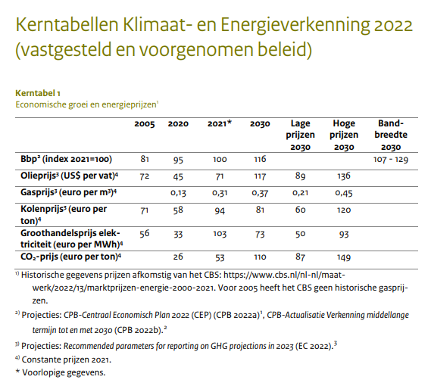

 |  |  |  |  |  |  |  |  | 452.808
 |  |  |  |  |  |  |  |  | 0.50312
 |  |  |  |  |  |  |  |  | 0.011782669789

 |  |  | 2005 | 2020 | 2021 | 2030 | lage prijzen 2030 | hoge prijzen 2030
 | BBP | 2021=100 | 81 | 95 | 100 | 116
 | Olieprijs | USD/barrel | 72 | 45 | 71 | 117 | 89 | 136
 | Gasprijs | EUR/m3 |  | 0.13 | 0.31 | 0.37 | 0.21 | 0.45
 | Kolenprijs | EUR/t | 71 | 58 | 94 | 81 | 60 | 120
 | Groothandelsprijs elektriciteit | EUR/MWh | 56 | 33 | 103 | 73 | 50 | 93
 | CO2 prijs | EUR/t |  | 26 | 53 | 110 | 87 | 149

 | Conversion rates

olie | m3/bbl | 0.159
 | MJ/kg (crude oil) | 42.7 | https://www.rvo.nl/sites/default/files/2023-08/The%20Netherlands%20list%20of%20fuels%20and%20standard%20CO2%20emission%20factors%20January%202022.pdf
 | kg/m3 (medium API gravity crude oil) | 900
gas | MJ/m3 | 31.65 | https://www.rvo.nl/sites/default/files/2023-08/The%20Netherlands%20list%20of%20fuels%20and%20standard%20CO2%20emission%20factors%20January%202022.pdf
kolen | MJ/kg (steenkool) | 20.7 | https://www.rvo.nl/sites/default/files/2023-08/The%20Netherlands%20list%20of%20fuels%20and%20standard%20CO2%20emission%20factors%20January%202022.pdf

 | Olieprijs | MUSD2021/PJ | 11.8 | 7.4 | 11.6 | 19.1 | 14.6 | 22.3
 |  | MUSD2022/PJ | 12.6 | 7.9 | 12.4 | 20.5 | 15.6 | 23.8
 |  | MEUR2022/PJ | 12.0 | 7.5 | 11.8 | 19.5 | 14.8 | 22.6
 | Gasprijs | MEUR2021/PJ |  | 4.107 | 9.795 | 11.690 | 6.635 | 14.218
 |  | MEUR2022/PJ |  | 4.315 | 10.290 | 12.282 | 6.971 | 14.938
 | Kolenprijs | MEUR2021/PJ | 3.43 | 2.80 | 4.54 | 3.91 | 2.90 | 5.80
 |  |  | 3.60 | 2.94 | 4.77 | 4.11 | 3.05 | 6.09

KEV2024
Klimaat- en Energieverkenning 2024 (pbl.nl)
Tabel 10
p 162

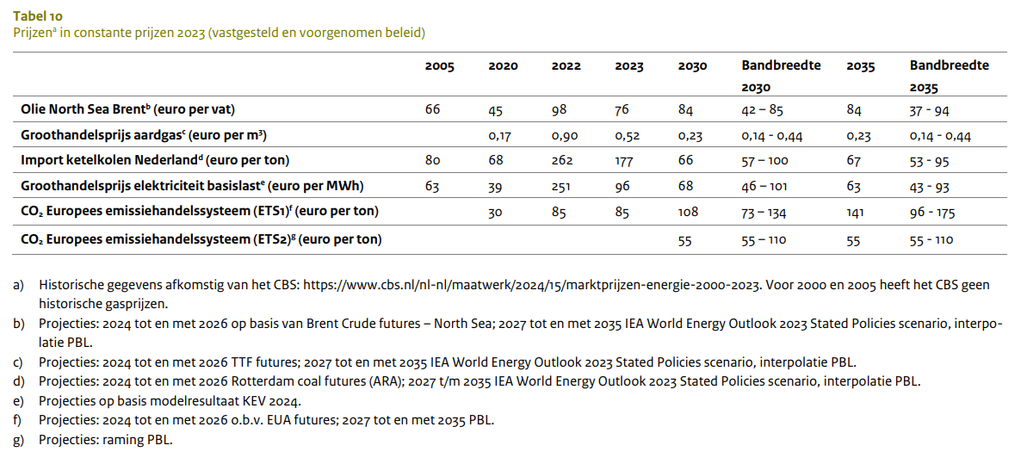

 |  |  | 2005 | 2020 | 2022 | 2023 | 2030 | 2035 | lage prijzen 2030 | hoge prijzen 2030 | lage prijzen 2035 | hoge prijzen 2035

 | Olieprijs | USD/barrel | 66 | 45 | 98 | 76 | 84 | 84 | 42 | 85 | 37 | 94
 | Gasprijs | EUR/m3 |  | 0.17 | 0.9 | 0.52 | 0.23 | 0.23 | 0.14 | 0.44 | 0.14 | 0.44
 | Kolenprijs | EUR/t | 80 | 68 | 262 | 177 | 66 | 67 | 57 | 100 | 53 | 95
 | Groothandelsprijs elektriciteit | EUR/MWh | 63 | 39 | 251 | 96 | 68 | 63 | 46 | 101 | 43 | 93
 | CO2 prijs (ETS1) | EUR/t |  | 30 | 85 | 85 | 108 | 141 | 73 | 134 | 96 | 175
 | CO2 prijs (ETS2) | EUR/t |  |  |  |  | 55 | 55 | 55 | 110 | 55 | 110
 | Conversion rates

olie | m3/bbl | 0.159
 | MJ/kg (crude oil) | 42.7 | https://www.rvo.nl/sites/default/files/2023-08/The%20Netherlands%20list%20of%20fuels%20and%20standard%20CO2%20emission%20factors%20January%202022.pdf
 | kg/m3 (medium API gravity crude oil) | 900
gas | MJ/m3 | 31.65 | https://www.rvo.nl/sites/default/files/2023-08/The%20Netherlands%20list%20of%20fuels%20and%20standard%20CO2%20emission%20factors%20January%202022.pdf
kolen | MJ/kg (steenkool) | 20.7 | https://www.rvo.nl/sites/default/files/2023-08/The%20Netherlands%20list%20of%20fuels%20and%20standard%20CO2%20emission%20factors%20January%202022.pdf

 | Olieprijs | MUSD2023/PJ | 10.8 | 7.4 | 16.0 | 12.4 | 13.7 | 13.7 | 6.9 | 13.9 | 6.1 | 15.4
 |  | MUSD2022/PJ | 10.4 | 7.1 | 15.5 | 12.0 | 13.3 | 13.3 | 6.6 | 13.4 | 5.8 | 14.8
 |  | MEUR2022/PJ | 9.9 | 6.8 | 14.7 | 11.4 | 12.6 | 12.6 | 6.3 | 12.8 | 5.6 | 14.1
 | Gasprijs | MEUR2023/PJ |  | 5.371 | 28.436 | 16.430 | 7.267 | 7.267 | 4.423 | 13.902 | 4.423 | 13.902
 |  | MEUR2022/PJ |  | 5.077 | 26.878 | 15.530 | 6.869 | 6.869 | 4.181 | 13.141 | 4.181 | 13.141
 | Kolenprijs | MEUR2023/PJ | 3.86 | 3.29 | 12.66 | 8.55 | 3.19 | 3.24 | 2.75 | 4.83 | 2.56 | 4.59
 |  | MEUR2022/PJ | 3.65 | 3.11 | 11.96 | 8.08 | 3.01 | 3.06 | 2.60 | 4.57 | 2.42 | 4.34

Steel_scrap
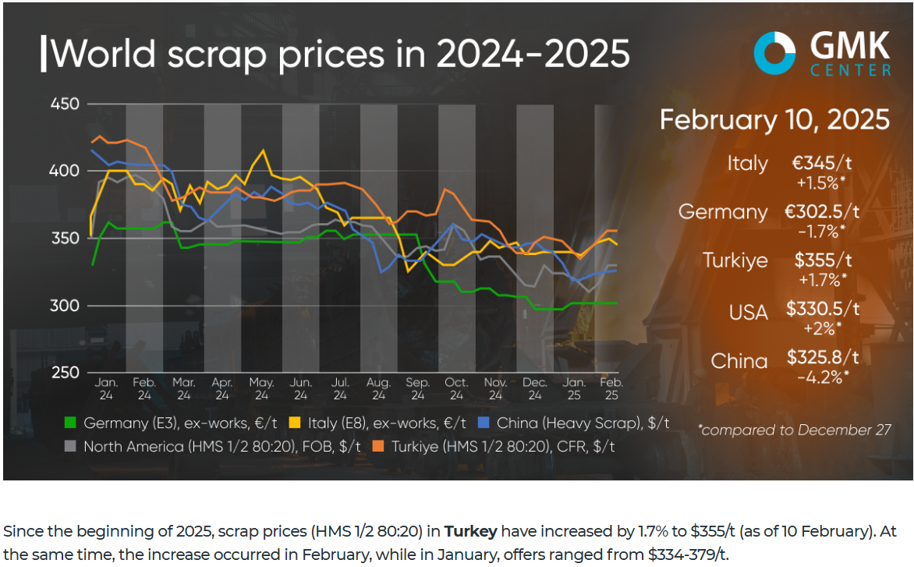
https://www.investing.com/commodities/steel-scrap-historical-data |  |  |  | https://www.lme.com/en/metals/ferrous/lme-steel-scrap-cfr-turkey-platts#Trading+day+summary

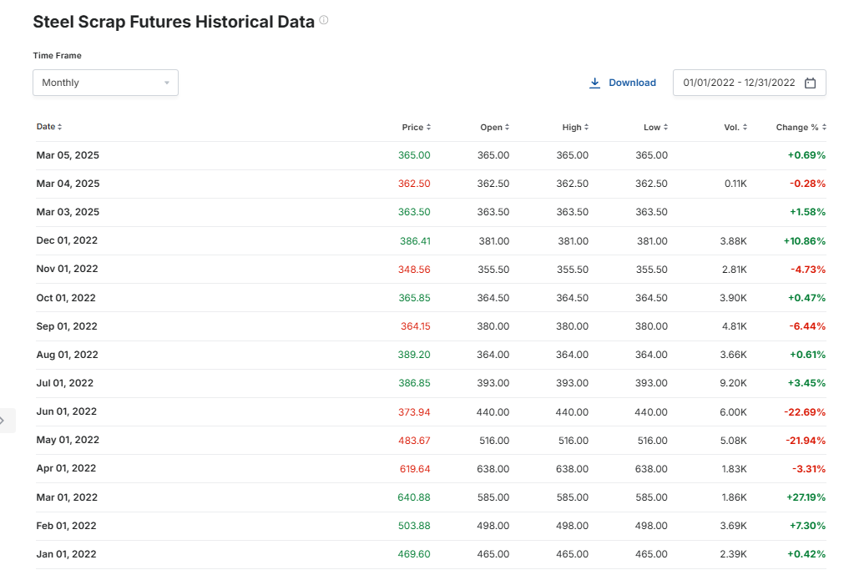
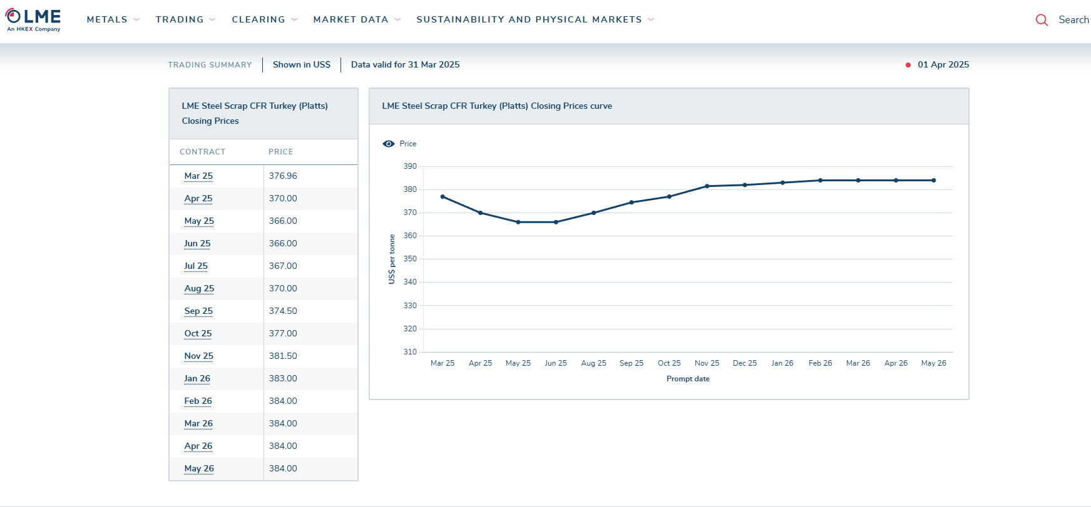

 | Average 2022 | USD/t | 444.5525
 |  |  | 422.17711301

https://gmk.center/en/posts/global-scrap-prices-recovered-by-1-5-2-since-the-beginning-of-the-year/

ECB_DATA
ECB Data Portal
Downloaded on: 2024-10-11 17:17:15

TITLE |  | Gross domestic product at market prices
SERIES KEY |  | MNA.A.N.I9.W2.S1.S1.B.B1GQ._Z._Z._Z.IX.D.N
TIME SERIES PAGE |  | https://data.ecb.europa.eu/data/datasets/MNA/MNA.A.N.I9.W2.S1.S1.B.B1GQ._Z._Z._Z.IX.D.N
GEOGRAPHICAL AREA |  | Euro area 20 (fixed composition) as of 1 January 2023 (I9)
FREQUENCY |  | Annual
DATASET |  | MNA | https://www.ecb.europa.eu/stats/policy_and_exchange_rates/euro_reference_exchange_rates/html/index.en.html
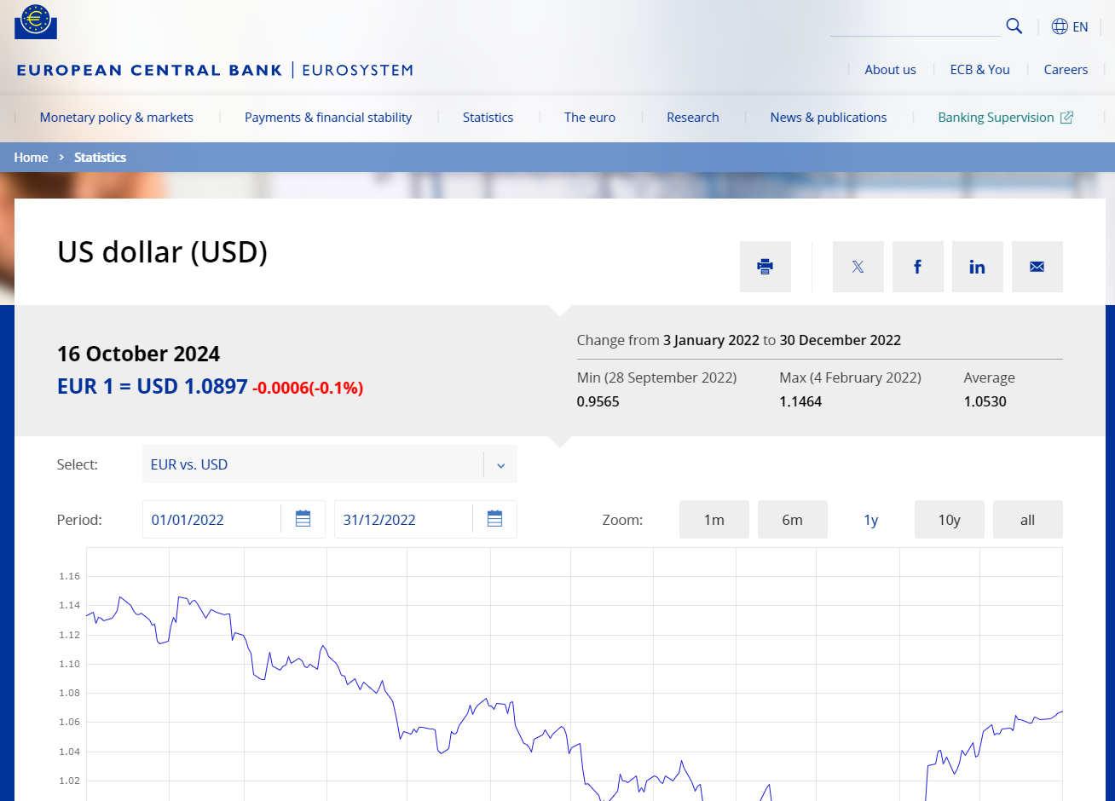
DATA SOURCE |  | Statistical Office of the European Commission (Eurostat)
COLLECTION TYPE |  | Average of observations through period (A)
UNIT |  | Index
LAST UPDATED |  | 2024-10-11 14:11:39

DATE | TIME PERIOD | Gross domestic product at market prices (MNA.A.N.I9.W2.S1.S1.B.B1GQ._Z._Z._Z.IX.D.N)
1995-12-31 | 1995 | 68.08
1996-12-31 | 1996 | 69.81
1997-12-31 | 1997 | 69.65
1998-12-31 | 1998 | 70.4
1999-12-31 | 1999 | 71.57
2000-12-31 | 2000 | 72.57
2001-12-31 | 2001 | 74.39
2002-12-31 | 2002 | 76.25
2003-12-31 | 2003 | 77.94
2004-12-31 | 2004 | 79.47
2005-12-31 | 2005 | 81
2006-12-31 | 2006 | 82.63
2007-12-31 | 2007 | 84.68
2008-12-31 | 2008 | 86.44
2009-12-31 | 2009 | 87.3
2010-12-31 | 2010 | 87.88
2011-12-31 | 2011 | 88.84
2012-12-31 | 2012 | 89.95
2013-12-31 | 2013 | 91.06
2014-12-31 | 2014 | 91.94
2015-12-31 | 2015 | 93.23
2016-12-31 | 2016 | 94.05
2017-12-31 | 2017 | 95.13
2018-12-31 | 2018 | 96.59
2019-12-31 | 2019 | 98.22
2020-12-31 | 2020 | 100
2021-12-31 | 2021 | 102.16
2022-12-31 | 2022 | 107.33
2023-12-31 | 2023 | 113.55

other_sources
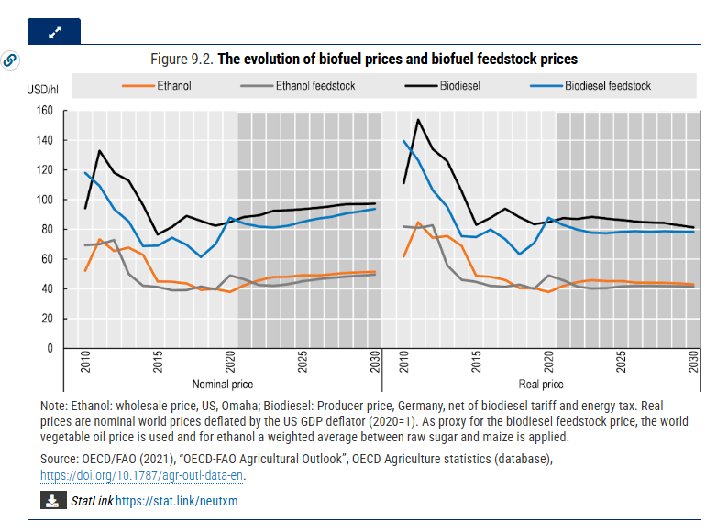
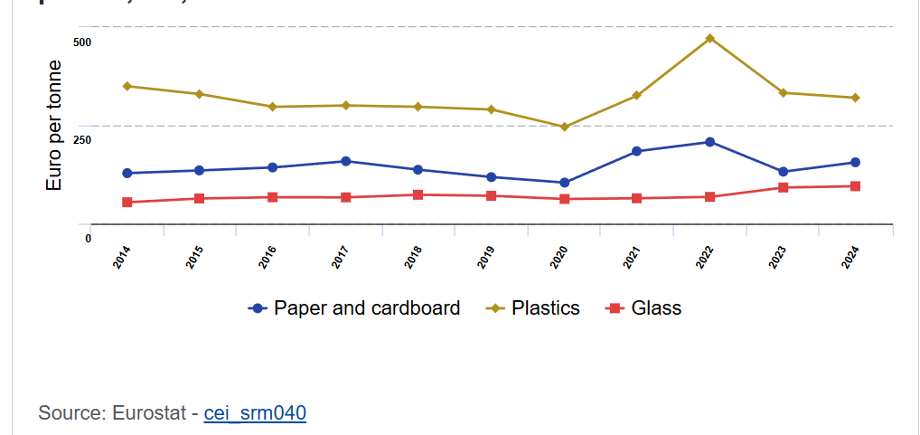
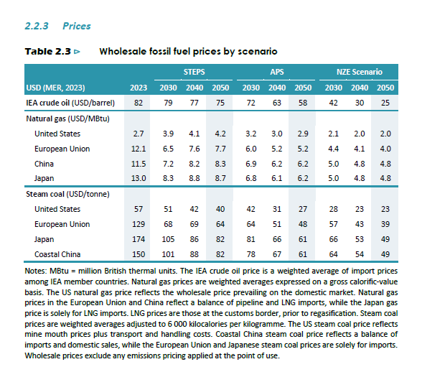
Other sources for energy commodity prices

From WEO2023 & WEO 2024

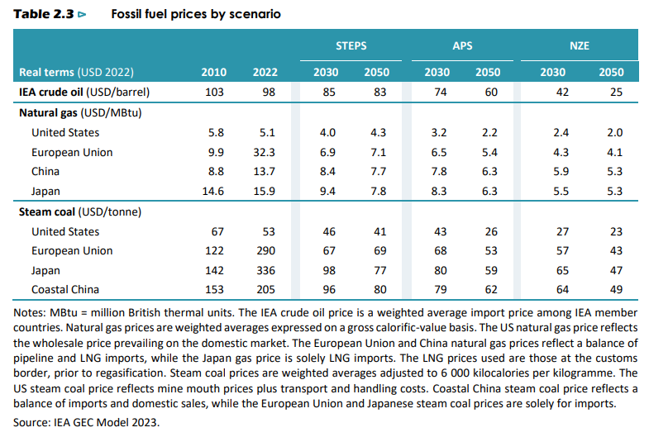

(from WEO 2023 p 96, https://iea.blob.core.windows.net/assets/86ede39e-4436-42d7-ba2a-edf61467e070/WorldEnergyOutlook2023.pdf)
More scenario assumptions here (and conversion factors/calorific values used): https://iea.blob.core.windows.net/assets/ff3a195d-762d-4284-8bb5-bd062d260cc5/GlobalEnergyandClimateModelDocumentation2023.pdf and here (see Table 2.2 on p 61): https://iea.blob.core.windows.net/assets/9a698da4-4002-4e53-8ef3-631d8971bf84/NetZeroRoadmap_AGlobalPathwaytoKeepthe1.5CGoalinReach-2023Update.pdf

https://publications.tno.nl/publication/34639435/TzUN1t/TNO-2022-P10162.pdf (p 20)
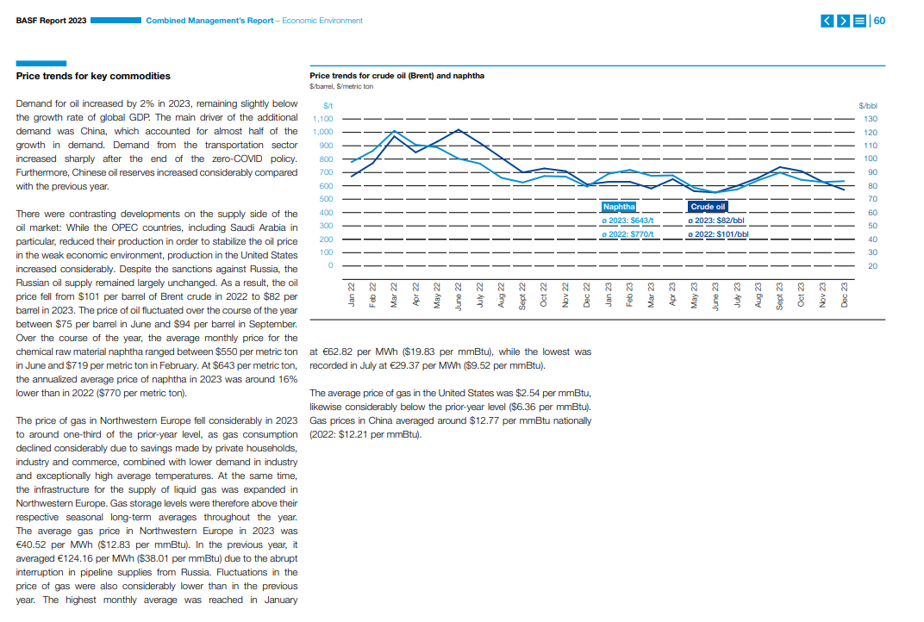

(assumed in nominal prices)

Naphtha | 2022 | 2023
USD/t | 770 | 643
USD2022/t | 770 | 608
MUSD2022/PJ | 17.5 | 13.8
MEUR2022/PJ | 16.6 | 13.1

MJ/kg | 44

gby-business-year-basf-basf-ar23.pdf

https://iea.blob.core.windows.net/assets/67fb0049-ec99-470d-8412-1ed9201e576f/EnergyStatisticsManual.pdf
Calorific values

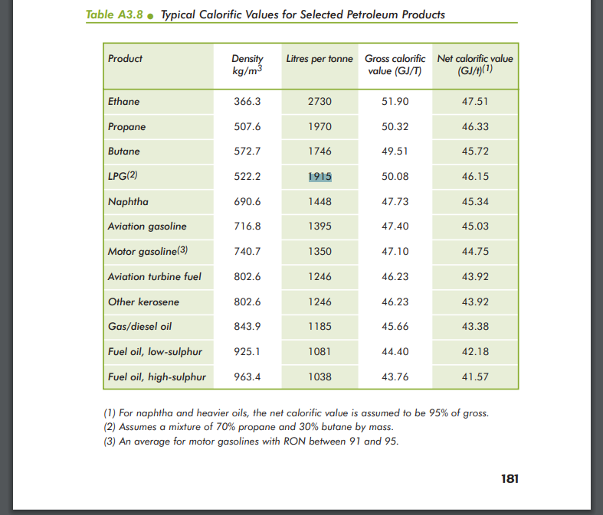

Towards a sustainable energy system for the Netherlands in 2050 (tno.nl)

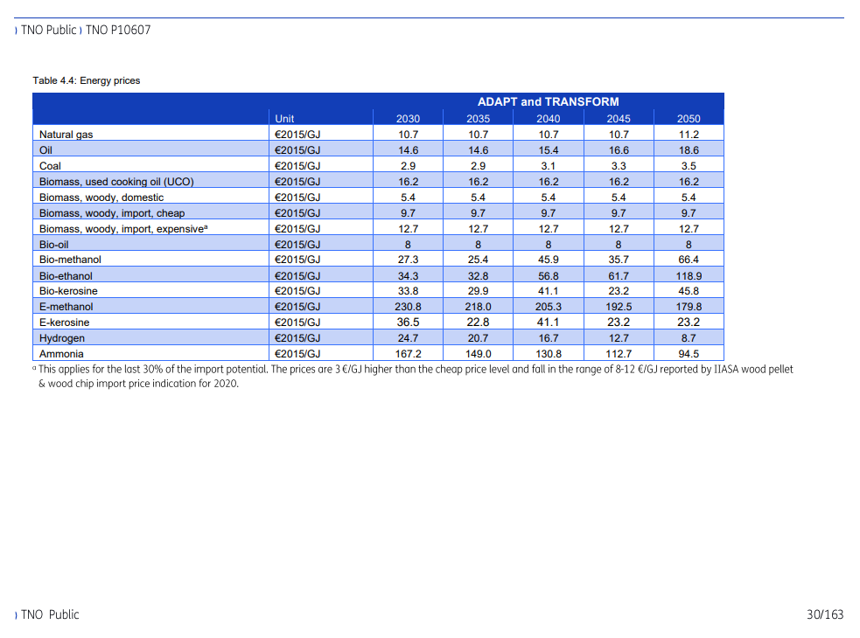

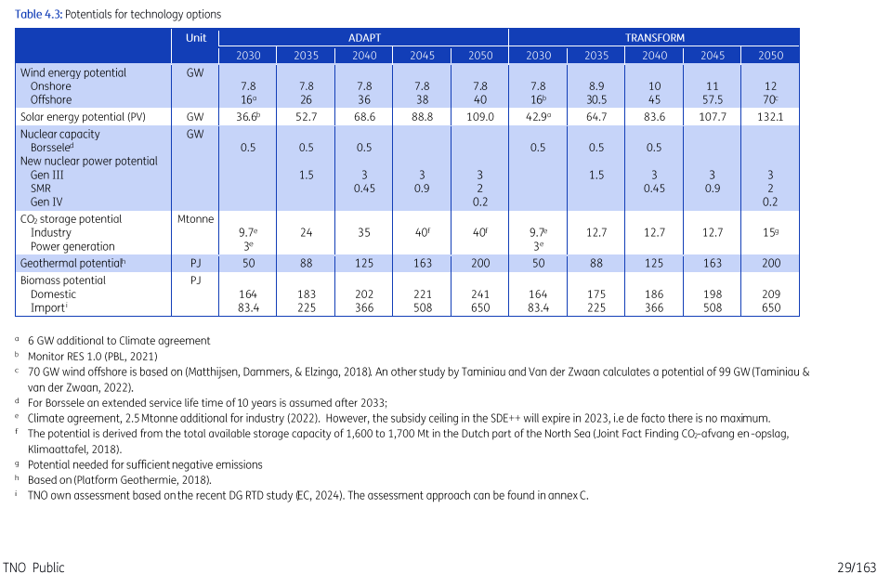

 |  | 2030 | 2050 |  | 2030 | 2050
EUR 2022/GJ | Natural gas | 10.7 | 11.2 |  | 12.3 | 12.9
1.1512388716 | Oil | 14.6 | 18.6 |  | 16.8 | 21.4
 | Coal | 2.9 | 3.5 |  | 3.3 | 4.0
 | Biomass UCO | 16.2 | 16.2 |  | 18.7 | 18.7
 | biomass woody domestic | 5.4 | 5.4 |  | 6.2 | 6.2
 | Biomass woody import 1 | 9.7 | 9.7 |  | 11.2 | 11.2
 | Biomass woody import 2 | 12.7 | 12.7 |  | 14.6 | 14.6
 | Bio-oil | 8 | 8 |  | 9.2 | 9.2
 | Bio-methanol | 27.3 | 66.4 |  | 31.4 | 76.4
 | Bioethanol | 34.3 | 118.9 |  | 39.5 | 136.9
 | Bio kerosene | 33.8 | 45.8 |  | 38.9 | 52.7
 | E methanol | 230.8 | 179.8 |  | 265.7 | 207.0
 | E kerosene | 36.5 | 23.2 |  | 42.0 | 26.7
 | Hydrogen | 24.7 | 8.7 |  | 28.4 | 10.0
 | Ammonia | 167.2 | 94.5 |  | 192.5 | 108.8

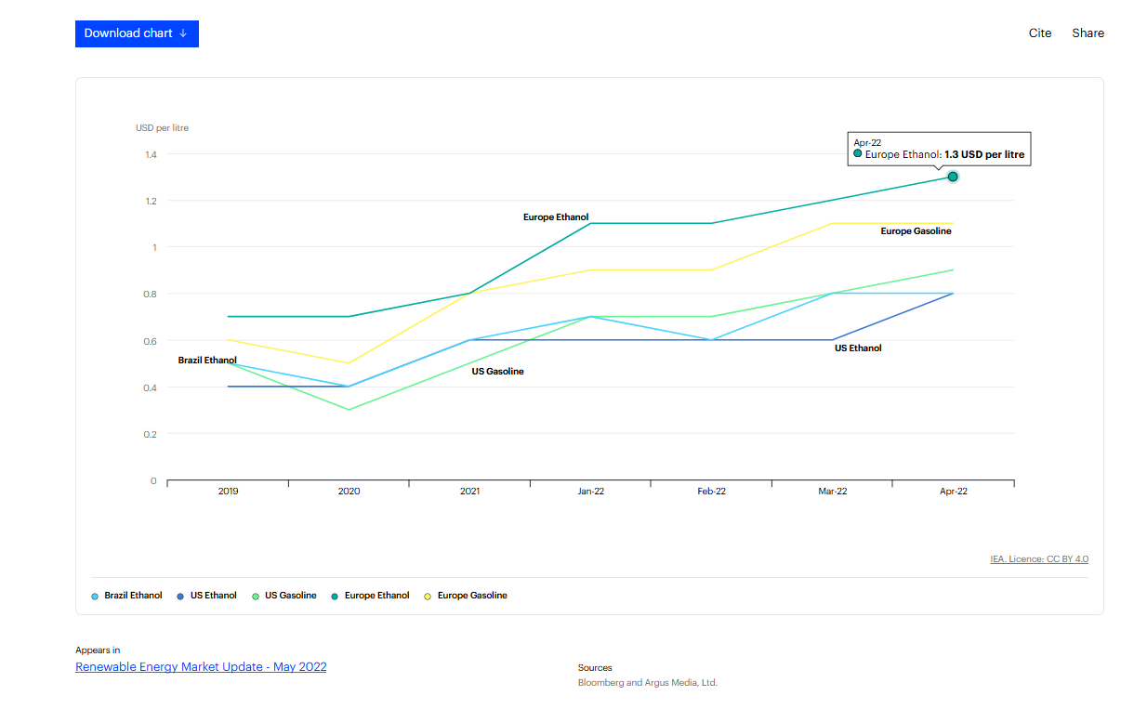

 | https://www.iea.org/data-and-statistics/charts/ethanol-and-gasoline-prices-2019-to-april-2022

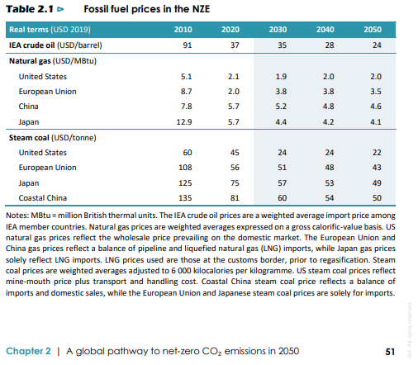

 |  |  |  |  |  |  |  |  |  | APS
NZE | Crude oil | USD2019/bbl | 91 | 37 | 35 | 28 | 24 |  | USD2023/bbl | 72 | 63 | 58
 |  | USD2022/bbl | 103 | 42 | 40 | 32 | 27 |  | USD2022/bbl | 69 | 61 | 56
 |  | EUR2022/bbl | 98 | 40 | 38 | 30 | 26 |  | EUR2022/bbl | 66 | 58 | 53
 |  | EUR2022/GJ | 16 | 7 | 6 | 5 | 4 |  | EUR2022/GJ | 11 | 9 | 9
 | Natural gas | USD2019/Mbtu | 8.7 | 2 | 3.8 | 3.8 | 3.5 |  | USD2023/Mbtu | 6 | 5.2 | 5.2
 |  | USD2022/Mbtu | 10 | 2 | 4 | 4 | 4 |  | USD2022/Mbtu | 6 | 5 | 5
 |  | EUR2022/Mbtu | 9.4 | 2.2 | 4.1 | 4.1 | 3.8 |  | EUR2022/Mbtu | 5.5 | 4.8 | 4.8
 |  | EUR2022/GJ | 9.9 | 2.3 | 4.3 | 4.3 | 4.0 |  | EUR2022/GJ | 5.8 | 5.0 | 5.0
 | Coal | USD2019/t | 108 | 56 | 51 | 48 | 43 |  | USD2023/t | 64 | 51 | 48
 |  | USD2022/t | 123 | 64 | 58 | 54 | 49 |  | USD2022/t | 62 | 49 | 46
 |  | EUR2022/t | 116 | 60 | 55 | 52 | 46 |  | EUR2022/t | 59 | 47 | 44
 |  | EUR2022/GJ | 5.6 | 2.9 | 2.7 | 2.5 | 2.2 |  | EUR2022/GJ | 2.8 | 2.3 | 2.1

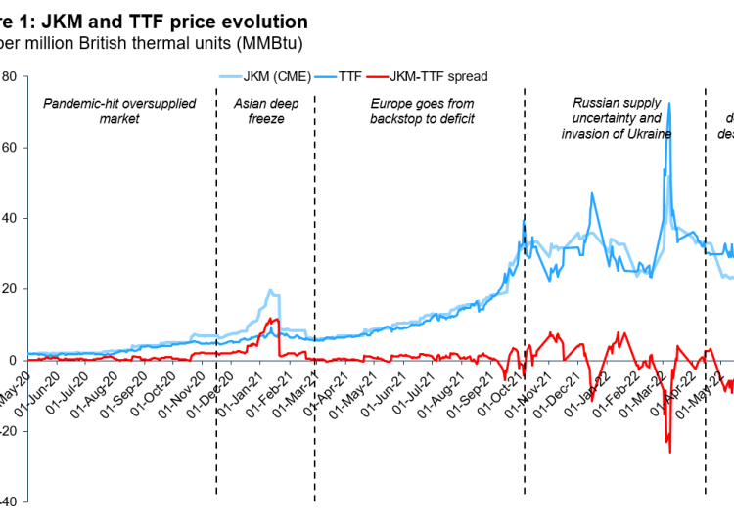

 | Eindadvies basisbedragen SDE++ 2022

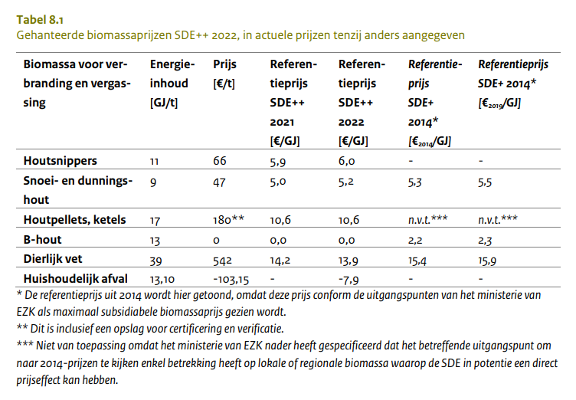

 | Platts | https://www.spglobal.com/commodityinsights/en/market-insights/latest-news/energy-transition/051023-interactive-ammonia-price-chart-natural-gas-feedstock-europe-usgc-black-sea

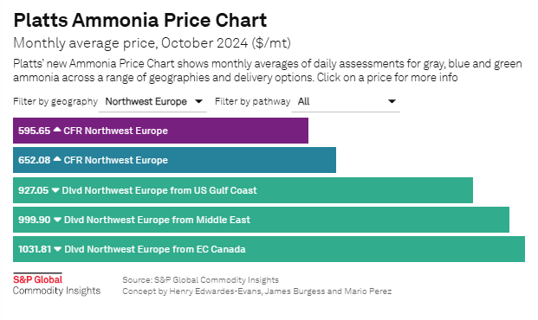

 | Average of all prices for 2022, average of blue & green for 2030, average of green for 2050.

 | Gray | 595.65 | CFR NW Europe
 | Blue | 652.08 | CFR NW Europe
 | Green | 927.05 | Delivered NW Europe from US Gulf Coast
 | Green | 999.9 | Delivered NW Europe from Middle East
 | Green | 1031.81 | Delivered NW Europe from EC Canada
 |  |  |  |  |  |  | 22.5 MJ/kg | Fuels - Higher and Lower Calorific Values

 | average of all | 841.3 | USD/t | 812.07656431 | USD2022/t | 771.20 | EUR2022/t | 34.275680672 | MEUR2022/PJ
 | average of blue + green | 902.7 | USD/t | 871.35549516 | USD2022/t | 827.50 | EUR2022/t | 36.777693159 | MEUR2022/PJ
 | average of green | 986.3 | USD/t | 951.99705511 | USD2022/t | 904.08 | EUR2022/t | 40.181367737 | MEUR2022/PJ

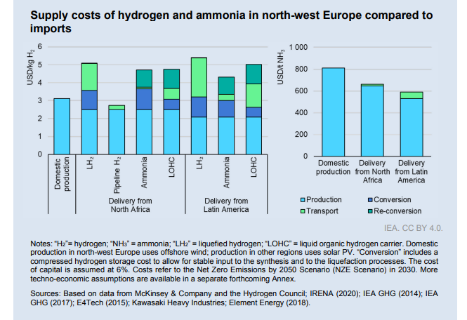

2030 NZE | NH3 from NA | 650 | USD/t | 627.42306151 | USD2022/t | 595.84 | EUR2022/t | 26.5 | MEUR2022/PJ
 | NH3 from LA | 600 | USD/t | 579.15974909 | USD2022/t | 550.01 | EUR2022/t | 24.4 | MEUR2022/PJ

NA | Pipeline H2 | 2.75 | USD/kg | 2.6544821833 | USD2022/kg | 2.52 | EUR2022/kg | 21.0 | MEUR2022/PJ
 | Liquid H2 | 5.1 | USD/kg | 4.9228578672 | USD2022/kg | 4.68 | EUR2022/kg | 39.0 | MEUR2022/PJ
 | Ammonia | 4.8 | USD/kg | 4.6332779927 | USD2022/kg | 4.40 | EUR2022/kg | 36.7 | MEUR2022/PJ
 | LOHC | 4.85 | USD/kg | 4.6815413051 | USD2022/kg | 4.45 | EUR2022/kg | 37.0 | MEUR2022/PJ
LA | Ammonia | 4.3 | USD/kg | 4.1506448685 | USD2022/kg | 3.94 | EUR2022/kg | 32.8 | MEUR2022/PJ
 | Liquid H2 | 5.4 | USD/kg | 5.2124377418 | USD2022/kg | 4.95 | EUR2022/kg | 41.3 | MEUR2022/PJ
 | LOHC | 5 | USD/kg | 4.8263312424 | USD2022/kg | 4.58 | EUR2022/kg | 38.2 | MEUR2022/PJ

domestic | Pipeline H2 | 3.1 | USD/kg | 2.9923253703 | USD2022/kg | 2.84 | EUR2022/kg | 23.7 | MEUR2022/PJ

 | https://publications.tno.nl/publication/34637966/cOgyzK/TNO-2020-M12347_eng.pdf

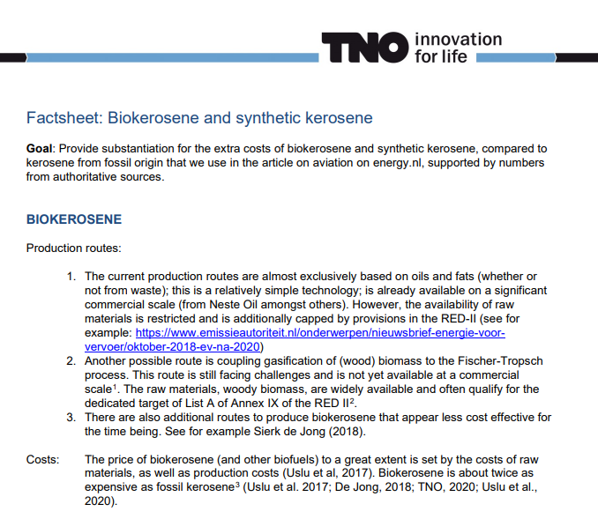

 |  |  |  |  |  | 2x price of fossil kerosene
 |  |  |  |  |  | Then following biomass material prices

 | https://www.oecd-ilibrary.org/agriculture-and-food/oecd-fao-agricultural-outlook-2021-2030_19428846-en

